Home Page Bug Report
Defect Report

Release
Title | Product Containers Have Inconsistent Sizes
Description | The sizes of product containers on the homepage are not uniform.
Steps | 1-User open the Home Page 2-Observe the product containers.
Expected Results | All product containers should have consistent dimensions and sizes.
Actual Result | The product containers vary in size, with some being larger or smaller than others
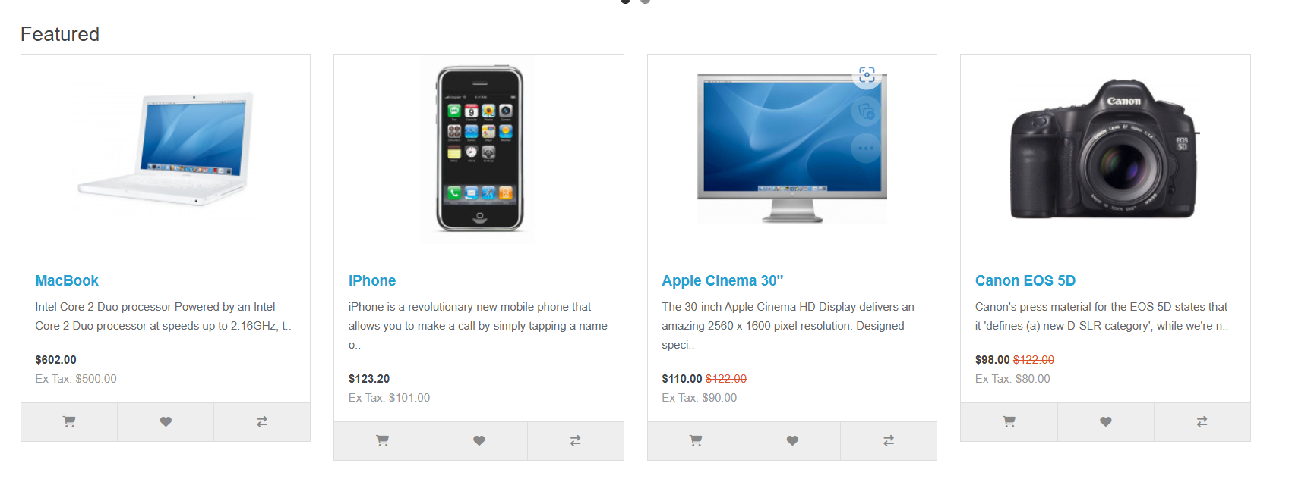
Environment
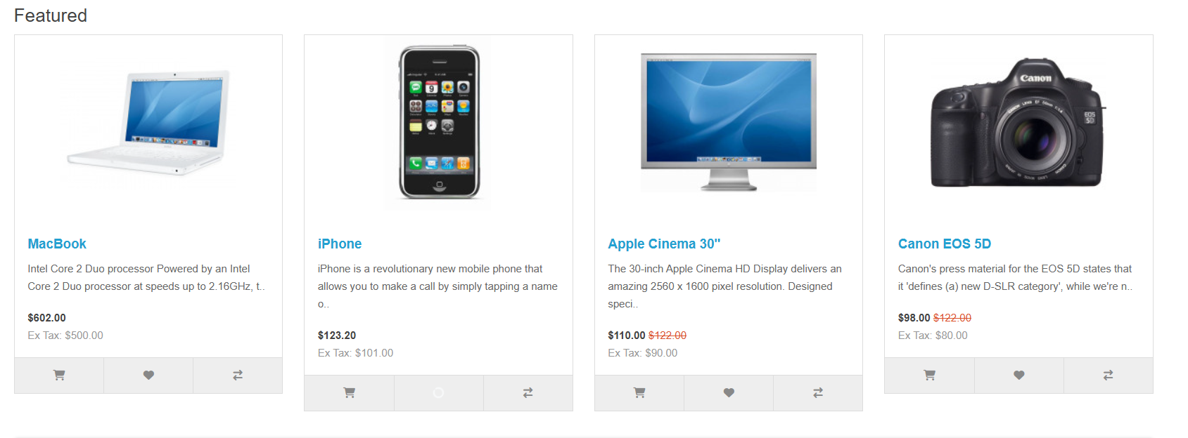
Screenshot/video
Priority | medium
Severity | Low
Status

Defect Report

Release
Title | the wish list count updates correctly.
Description | when the user click on wish list button the number of items in wish list button at the header didn't increase by 1
Steps | 1-User open the Home Page 2-click on wish list icon at the product
Expected Results | the user should click successfully on wish list button ,and the number of items in wish list button at the header should increase by 1.
Actual Result | when the user click on wish list button the number of items in wish list button at the header didn't increase by 1
Environment
Screenshot/video
Priority | medium
Severity | Low
Status

Defect Report

Release
Title | When click on add to cart button in Apple Cinema 30" and Canon EOS 5D products the user redirected to product page
Description | When a user attempts to add the Apple Cinema 30" or Canon EOS 5D product to their cart, instead of incresing the numer of products in cart icon, they are unexpectedly redirected to the product page. This prevents the user from completing Add Products to the cart .
Steps | 1-User open the Home Page 2-Click on the "Add to Cart" button for either the Apple Cinema 30" or Canon EOS 5D product.
Expected Results | the user should click successfully on Add to cart button ,and the number of items in cart button at the header should increase by 1 and added the product price
Actual Result | The user is redirected to the product page.
Environment
Screenshot/video
Priority | medium
Severity | Low
Status

Returns Page Bug Report
Defect Report

Release
Title | Returns Page Fields accept any data
Description | The first name field accepts numbers and any random data and redirects to My account page
Steps | "1- Open website 2- Navigate to "Returns" page 3- Enter First Name 4- Enter Last Name 5- Enter E-Mail 6- Enter Telephone 7- Enter Order ID 8- Choose Order Date 9- Enter Product Name 10- Enter Product Code 11- Enter Quantity 12- Choose any Reason for Return 13- Choose Product is opened 14- Click on "Submit"
Expected Results | Show error messages appropriate for each field (eg: First name should only contain alphabets) and do not redirect to next page
Actual Result | Redirected to Products Return page that contains a message explaining the return request have been submitted
Environment
Screenshot/video | 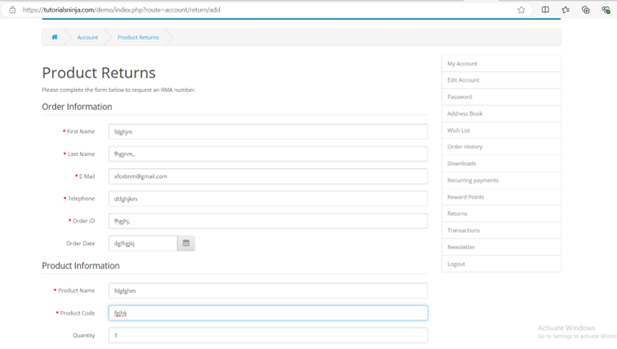
Priority | High
Severity | High
Status

