Overview
Gempa Nusantara: A database of 7,380 macroseismic observations for 1,200 historical earthquakes in Indonesia from 1546 to 1950 Martin, S.S., Cummins, P.R. and Meltzner, A.J. (2022), Bulletin of the Seismological Society of America (BSSA) Please cite this table using this DOI -> https://doi.org/10.1785/0120220047 Version 1 (2022)
Overview: Explanation supporting the Gempa Nusantara Database. See other tabs (below) in this Spreadsheet.
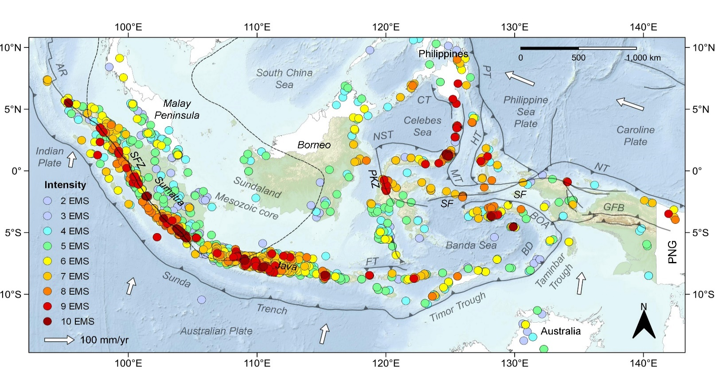 Introduction: Gempa Nusantara is a database of 7,380 macroseismic effects for 1,200 damaging or significant historical earthquakes in the region of Indonesia from 1546 until 1950 shown in the figure below. This database was compiled by Martin et al. (2022, BSSA) by consulting original private and public documentary materials from the Dutch colonial period as well as newspaper reports. These observations were then used to assign macroseismic intensity using the European Macroseismic Scale (EMS-1998). All observations catalogued in Gempa Nusantara can be found in this file that contains Tables S1, S2 and S3. These are denoted by colour-coded tabs in the spreadsheet and are summarized below and can be cross-referenced with each other. Any subsequent versions or updates to this database will be also hosted in a GitHub Repository (https://github.com/7point1/GempaNusantara/). The complete citation for this database is the Martin et al. (2022) research paper in BSSA recorded below. Citing this Database: S.S. Martin, P.R. Cummins and A.J. Meltzner (2022), Gempa Nusantara: A database of 7,380 macroseismic observations for 1,200 historical earthquakes in Indonesia from 1546 until 1950, Bulletin of the Seismological Society of America (BSSA), doi: https://doi.org/10.1785/0120220047 Table S1: Event Catalogue (blue tab) This table indexes all 1,200 earthquakes scrutinized in the Gempa Nusantara Database. Each event is assigned an alphanumberic Event Identifier (column A), an Event Name (column B), the year (column C), month (column D), day (column E), local time (column F) or UTC if for an instrumented event (column G), maximum EMS-98 intensity, that is, Imax (column H) assigned by us in this study. If a numeric Imax is unavailable, we note (in the following order) whether an earthquake was damaging (D), was felt onshore (F) or at sea (S). We record any comments (column T) relating to a given event with refe

