Sheet1
From CAD |  |  | Geometry
Bedplate | 7.033E+04 | kg | Twr2Shft | 4.348E+00 | Vertical distance from the tower-top to the rotor shaft (meters) | does not include tower bearing
Nose | 1.139E+04 | kg | OverHang | 1.099E+01 | Distance from yaw axis to rotor apex (meters) | This is the distance along the rotor shaft from the yn-/zn-plane to the teeter pin for two-bladed turbines or from the yn-/ zn-plane to the rotor apex for three-bladed turbines. It is positive downwind, so use a negative number for upwind turbines
Gen Stator | 2.266E+05 | kg | Yaw bearing Height | 3.800E-01 | Vertical distance from the tower-top to the nacelle base (meters)
Gen Rotor | 1.450E+05 | kg
TDO Shaft Bearing | 2.230E+03 | kg | Mass and Inertia
SRB Shaft Bearing | 5.664E+03 | kg | OpenFAST
Yaw bearing | 1.000E+05 | kg | HubMass | 1.900E+05 | Hub mass (kg)
Shaft | 1.573E+04 | kg | HubIner | 1.373E+06 | Hub inertia about rotor axis [3 blades] or teeter axis [2 blades] (kg m^2)
Hub | 1.900E+05 | kg | GenIner | 3.223E+06 | Generator inertia about HSS (kg m^2)
Rotor | 1.958E+05 | kg | NacCMxn | 4.688E+00 | Downwind distance from the tower-top to the nacelle CM (meters) | It includes everything atop the tower excluding the rotor (blades, hub, and tip brakes), yaw bearing, and systems that furl (tail boom, tail fin, and structure furling with the rotor)
Misc Equipment | 5.000E+04 | kg | NacCMyn | 0.000E+00 | Lateral distance from the tower-top to the nacelle CM (meters) | It includes everything atop the tower excluding the rotor (blades, hub, and tip brakes), yaw bearing, and systems that furl (tail boom, tail fin, and structure furling with the rotor)
Flange | 3.946E+03 | kg | NacCMzn | 4.240E+00 | Vertical distance from the tower-top to the nacelle CM (meters) | It includes everything atop the tower excluding the rotor (blades, hub, and tip brakes), yaw bearing, and systems that furl (tail boom, tail fin, and structure furling with the rotor)
Total | 1.017E+06 | kg | NacMass | 5.309E+05 | Nacelle mass (kg) | It includes everything atop the tower excluding the rotor (blades, hub, and tip brakes), yaw bearing, and systems that furl (tail boom, tail fin, and structure furling with the rotor)
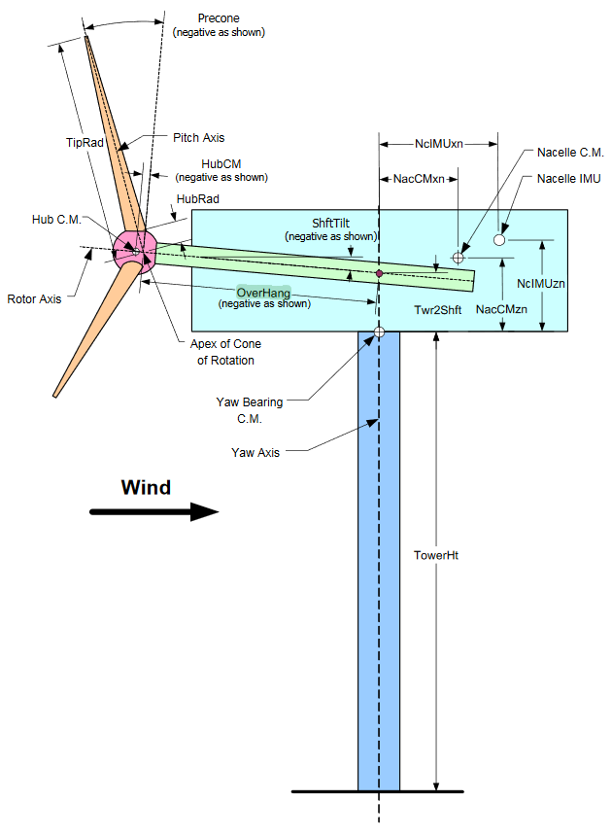
 |  |  | NacYIner | 1.889E+07 | Nacelle inertia about yaw axis (kg m^2) | It includes all mass contained in NacMass
 |  |  | YawBrMass | 1.000E+05 | Yaw bearing mass (kg)
 |  |  | WISDEM
 |  |  | CMx_RNA | 6.589E+00 | xyz-location of rna cg relative to tower top | assuming includes everything
 |  |  | CMy_RNA | 0.000E+00 | xyz-location of rna cg relative to tower top
 |  |  | CMz_RNA | 4.276E+00 | xyz-location of rna cg relative to tower top
 |  |  | Ixx_RNA | 3.694E+08 | mass moment of inertia of rna about tower top [xx yy zz xy xz yz] (kg m2)
 |  |  | Iyy_RNA | 2.511E+08 | mass moment of inertia of rna about tower top [xx yy zz xy xz yz] (kg m2)
 |  |  | Izz_RNA | 1.947E+08 | mass moment of inertia of rna about tower top [xx yy zz xy xz yz] (kg m2)
 |  |  | Ixy_RNA | 2.979E+04 | mass moment of inertia of rna about tower top [xx yy zz xy xz yz] (kg m2) | ~0
 |  |  | Ixz_RNA | 3.519E+07 | mass moment of inertia of rna about tower top [xx yy zz xy xz yz] (kg m2)
 |  |  | Iyz_RNA | 9.672E+03 | mass moment of inertia of rna about tower top [xx yy zz xy xz yz] (kg m2) | ~0
 |  |  | HAWK2
 |  |  | GenCMHor | -5.935E+00 | downwind horizontal distance, yaw axis to GenCM [m]
 |  |  | NacInerFA | 7.675E+06 | fore-aft non-rotating nacelle inertia about [NacCMxn, NacCMyn, NacCMzn] [kg-m^2] | assuming this includes stator, nose, bedplate, yaw bearing, flange and misc. equipment
 |  |  | NacInerSS | 1.056E+07 | side-side non-rotating nacelle inertia about [NacCMxn, NacCMyn, NacCMzn] [kg-m^2]
 |  |  | NacInerZ | 8.127E+06 | side-side non-rotating nacelle inertia about [NacCMxn, NacCMyn, NacCMzn] [kg-m^2]

 |  |  | Stiffness and Damping
 |  |  | DTTorSpr | 1.409E+10 | Drivetrain torsional spring (N-m/rad) | calculated by K=J⍵n2
 |  |  | DTTorDmp |  | Drivetrain torsional damper (N-m/(rad/s))
 |  |  | YawSpr |  | Nacelle-yaw spring constant (N-m/rad)
 |  |  | YawDamp |  | Nacelle yaw damping constant (N-m/(rad/s))

