Sheet3
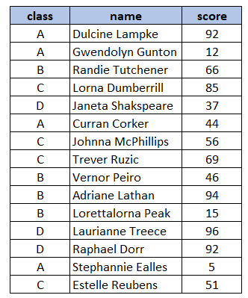
 | id | store | amount | avg_for_store
 | 101 | East | 198 | 338.7
 | 102 | West | 799 | 725.3
 | 103 | West | 698 | 725.3
 | 104 | Center | 99 | 489.98
 | 105 | Center | 1045.45 | 489.98
 | 106 | East | 599 | 338.7 |  |  | 338.7
 | 107 | West | 678.89 | 725.3
 | 108 | East | 458.8 | 338.7
 | 109 | East | 99 | 338.7
 | 110 | Center | 325.5 | 489.98

 |  |  |  |  | id | date | customer_id | store | employee_id | amount
 |  |  |  |  | 101 | 2021-07-01 | 234 | East | 11 | 198
 |  |  |  |  | 102 | 2021-07-01 | 675 | West | 13 | 799
 |  | store | avg_for_store |  | 103 | 2021-07-01 | 456 | West | 14 | 698
 |  | East | 338.7 |  | 104 | 2021-07-01 | 980 | Center | 15 | 99
 |  | West | 725.3 |  | 105 | 2021-07-02 | 594 | Center | 16 | 1045.45
 |  | Center | 489.98 |  | 106 | 2021-07-02 | 435 | East | 11 | 599
 |  |  |  |  | 107 | 2021-07-02 | 246 | West | 14 | 678.89
 |  |  |  |  | 108 | 2021-07-03 | 256 | East | 12 | 458.8
 |  |  |  |  | 109 | 2021-07-03 | 785 | East | 12 | 99
 |  |  |  |  | 110 | 2021-07-03 | 443 | Center | 16 | 325.5
id | id
1 | 1
 | 1

1
1

