OpenIMI330BI Pin definitions
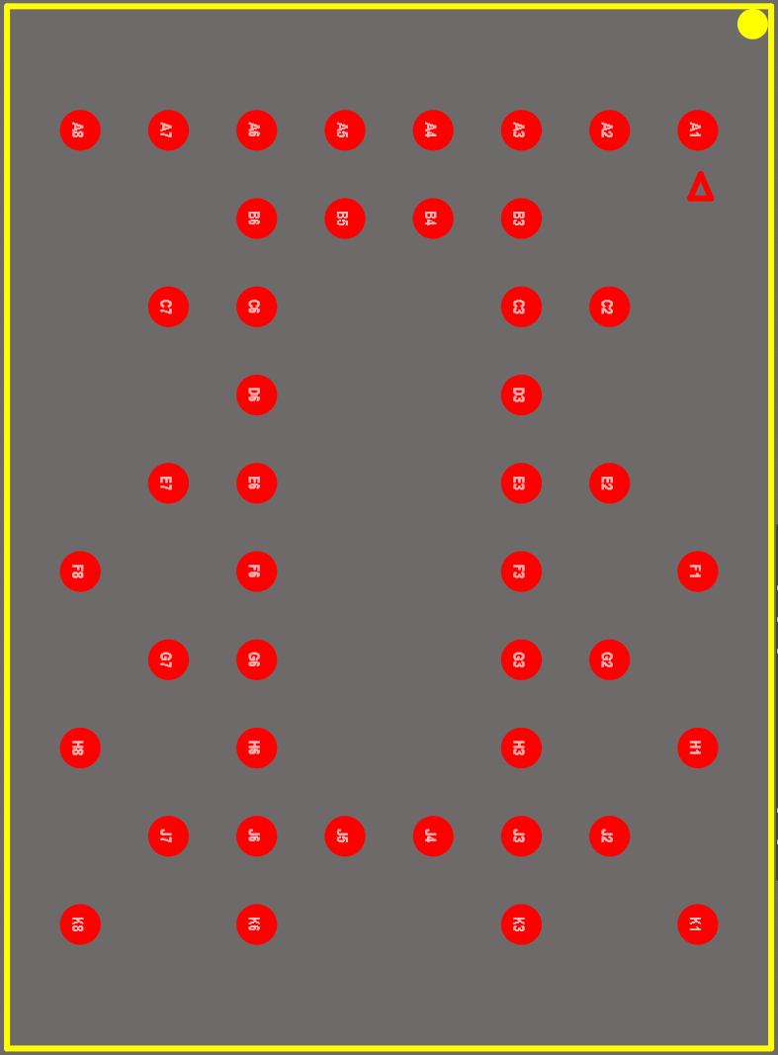
OpenIMU330BI Pin Definitions |  |  |  |  | Input Voltage Tolerance | OpenIMU330BI module bottom view of package
No. | MCU Pin | Name | Type | Description
A1 |  | GND | P | Ground
A2 |  | GND | P | Ground
A3 |  | GND | P | Ground
A4 |  | GND | P | Ground
A5 |  | GND | P | Ground
A6 |  | GND | P | Ground
A7 |  | GND | P | Ground
A8 |  | GND | P | Ground
B3 |  | GND | P | Ground
B4 |  | GND | P | Ground
B5 |  | GND | P | Ground
B6 | PB11 | DEBUG-RX | I | Receive debug data from user to IMU | 5V
C2 | PB10 | DEBUG-TX | O | Transmit debug data from IMU to user | 5V
C3 |  | DNC | - | Not used
C6 |  | GND | P | Ground
C7 |  | VDD | P | DC3.3V typical,input voltage range DC3.0V - 5.5V
D3 |  | GND | P | Ground
D6 |  | VDD | P | DC3.3V typical,input voltage range DC3.0V - 5.5V
E2 |  | GND | P | Ground
E3 |  | VDD | P | DC3.3V typical,input voltage range DC3.0V - 5.5V
E6 |  | GND | P | Ground
E7 | PA11 | GPIO1 | I/O | GPIO | 5V
F1 | PA9 | USER_UART_TX | O | Transmit IMU data to user | 5V
F3 | NRST | RST | I | Reset signal input | 3.6 V
F6 |  | GND | P | Ground
F8 |  | GND | P | Ground
G2 |  | GND | P | Ground
G3 | PB12 | CS | I | SPI interface slave mode, CS signal | 5V
G6 | PB15 | DIN | I | SPI interface slave mode, MOSI signal | 5V
G7 | PA10 | USER_UART_RX | I | Receive commands from user to IMU | 5V
H1 |  | VDD | P | DC3.3V typical,input voltage range DC3.0V - 5.5V
H3 | PB14 | DOUT | O | SPI interface slave mode, MISO signal | 5V
H6 | PB13 | SCLK | I | SPI interface slave mode, Clock signal | 5V
H8 |  | GND | P | Ground
J2 | PA13 | SWDIO | I/O | Data IO of SWD | 5V
J3 | PB3 | PPS/SYNC | I | Sync signal from external device or 1PPS signal from GNSS module | 5V
J4 |  | VDD | P | DC3.3V typical,input voltage range DC3.0V - 5.5V
J5 |  | VDD | P | DC3.3V typical,input voltage range DC3.0V - 5.5V
J6 | PB5 | DR | O | Data ready signal | 5V
J7 |  | GND | P | Ground
K1 | PH3 | BOOT0 | I | IMU boot mode control | 5V
K3 | PA14 | SWCLK | I | Clock signal of SWD | 5V
K6 |  | VDD | P | DC3.3V typical,input voltage range DC3.0V - 5.5V
K8 | PA12 | GPIO2 | I/O | GPIO | 5V

