sheet


xuhao | miaosu | tupian
1 | 1
2 | 2

3 | 3

4 | 4

5 | 5

6 | 6
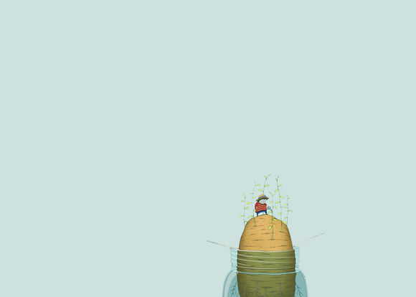
7 | 7

8 | 8

9 | 9
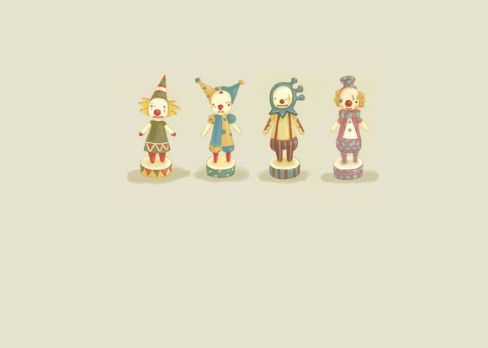
1 | 1 | 0

1 | 1 | 1

