statistics assessment
 |  | QUESTION 1

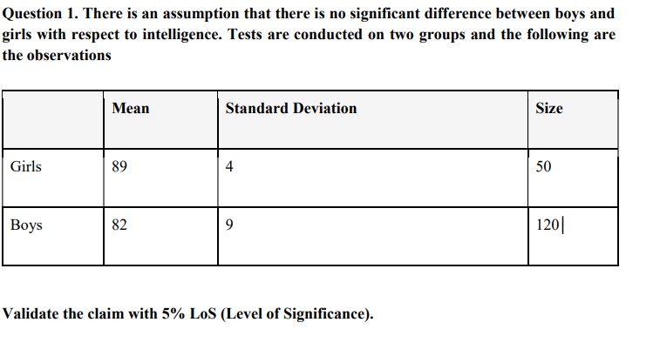

girls |  |  | boys

mean | 89 |  | mean | 82
st. deviation | 4 |  | st. deviation | 9
size (n) | 50 |  | size (n) | 120
significance value | 0.05 |  | significance value | 0.05

t stats | 0.61018079363

D.O.F | 168
critical t value | ±1.976 |  | t calculated value is (0.610<1.976), so we fail to reject the null hypothesis

t<1.976, you can conclude that there is no significant difference in intelligence between boys and girls.

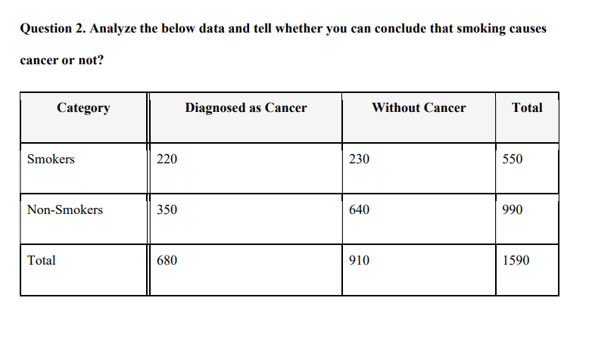
 |  |  | QUESTION 2

 | observed(O) |  |  |  |  | expected (E)

category | diagnosed as cancer | without caner | total |  | category | diagnosed as cancer | without cancer

smokers | 220 | 230 | 550 |  | smokers | 239.29 | 310.71
non - smokers | 350 | 640 | 990 |  | non - smokers | 430.71 | 559.29
total | 670 | 870 | 1540

expected value = row total *column total /grand total

degree of freedom= (num. of row-1) *( num. of columns -1)
(observed value - expected)^2 /expected (O - E)^2/E
x² | 49.30
d.f | 1 |  |  |  | category | diagnosed as cancer | without cancer
p- value | 2.202E-12
chi.sq.test | 2.2016531042E-12 |  |  |  | smokers | 1.5543710021 | 20.967159278
 |  |  |  |  | non- smokers | 15.125562663 | 11.648421821
null hypotheses
there is no association between smoker's and diagnosed as cancer

