Filters
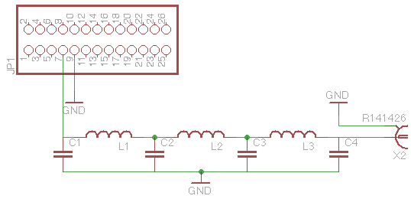
Band | C1,4 pF | C2,3 pF | Core | L1,3 Turns | L2 Turns
160m | 820 | 2200 | T50-2 | 30 | 34
80m | 470 | 1200 | T37-2 | 25 | 27
40m | 270 | 680 | T37-6 | 19 | 21
30m | 270 | 560 | T37-6 | 19 | 20
20m | 180 | 390 | T37-6 | 16 | 17
17m | 110 | 270 | T37-6 | 13 | 15
15m | 82 | 220 | T37-6 | 12 | 14
12m | 100 | 220 | T37-6 | 12 | 13
10m | 56 | 150 | T37-6 | 10 | 11

For <10W Output Power

