Filters
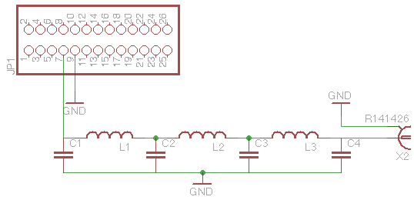
Band | F-co MHz | F 3dB MHz | F 30dB MHz | C1,4 pF | C2,3 pF | Core | Wire swg | L1,3 µH | L1,3 Turns | L2 µH | L2 Turns
160m | 2.16 | 2.76 | 4 | 820 | 2200 | T50-2 | 30 | 4.442 | 30 | 5.608 | 34
80m | 4.13 | 5.11 | 7.3 | 470 | 1200 | T37-2 | 28 | 2.434 | 25 | 3.012 | 27
40m | 7.36 | 9.04 | 12.9 | 270 | 680 | T37-6 | 26 | 1.38 | 19 | 1.698 | 21
30m | 10.37 | 11.62 | 15.8 | 270 | 560 | T37-6 | 26 | 1.09 | 19 | 1.257 | 20
20m | 14.40 | 16.41 | 22.5 | 180 | 390 | T37-6 | 24 | 0.773 | 16 | 0.904 | 17
17m | 18.93 | 22.89 | 32.3 | 110 | 270 | T37-6 | 24 | 0.548 | 13 | 0.668 | 15
15m | 21.55 | 27.62 | 39.9 | 82 | 220 | T37-6 | 24 | 0.444 | 12 | 0.561 | 14
12m | 25.24 | 28.94 | 39.8 | 100 | 220 | T37-6 | 22 | 0.438 | 12 | 0.515 | 13
10m | 31.66 | 40.52 | 58.5 | 56 | 150 | T37-6 | 22 | 0.303 | 10 | 0.382 | 11

For <10W Output Power

