CUDA
CUDA
Ex1: Anaglyph |  |  |  |  | Ex2: Gaussian |  |  |  |  | Ex3: Denoising
Parameters: |  |  |  |  | Parameters: |  |  |  |  | Parameters:
 | AnaglyphMethod: |  | True Anaglyph |  |  | AnaglyphMethod: |  | True Anaglyph |  |  | AnaglyphMethod: |  | True Anaglyph
 | blockDim.x |  | ["1", "2", "4", "8", "16", "32", "64"] |  |  | KernelSize / 2 |  | ["1", "4", "8", "16"] |  |  | Neighbor Size / 2 |  | ["1", "4", "8", "16"]
 | blockDim.x |  | ["1", "2", "4", "8", "16", "32", "64"] |  |  | blockDim.x |  | ["1", "2", "4", "8", "16", "32", "64"] |  |  | blockDim.x |  | ["1", "2", "4", "8", "16", "32", "64"]
 |  |  |  |  |  | blockDim.x |  | ["1", "2", "4", "8", "16", "32", "64"] |  |  | blockDim.x |  | ["1", "2", "4", "8", "16", "32", "64"]

DATA |  |  |  | Performance Graph | DATA |  |  |  | Performance Graph | DATA |  |  |  | Performance Graph

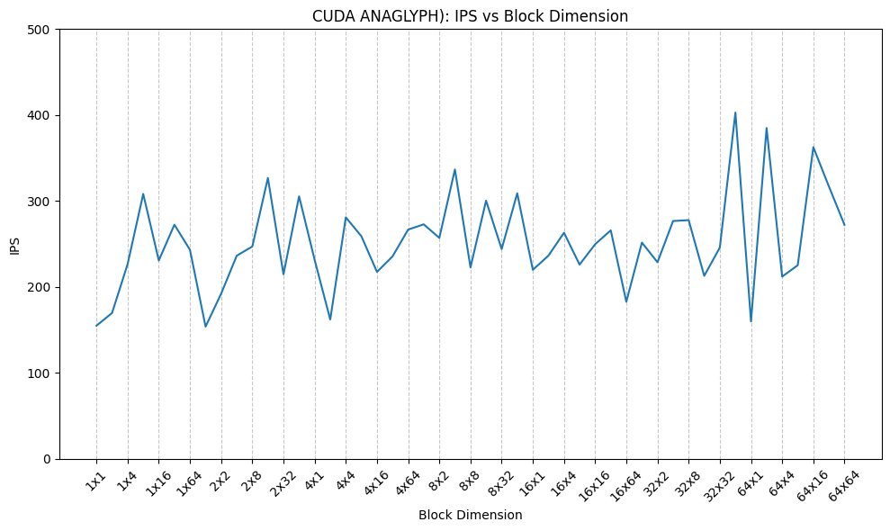
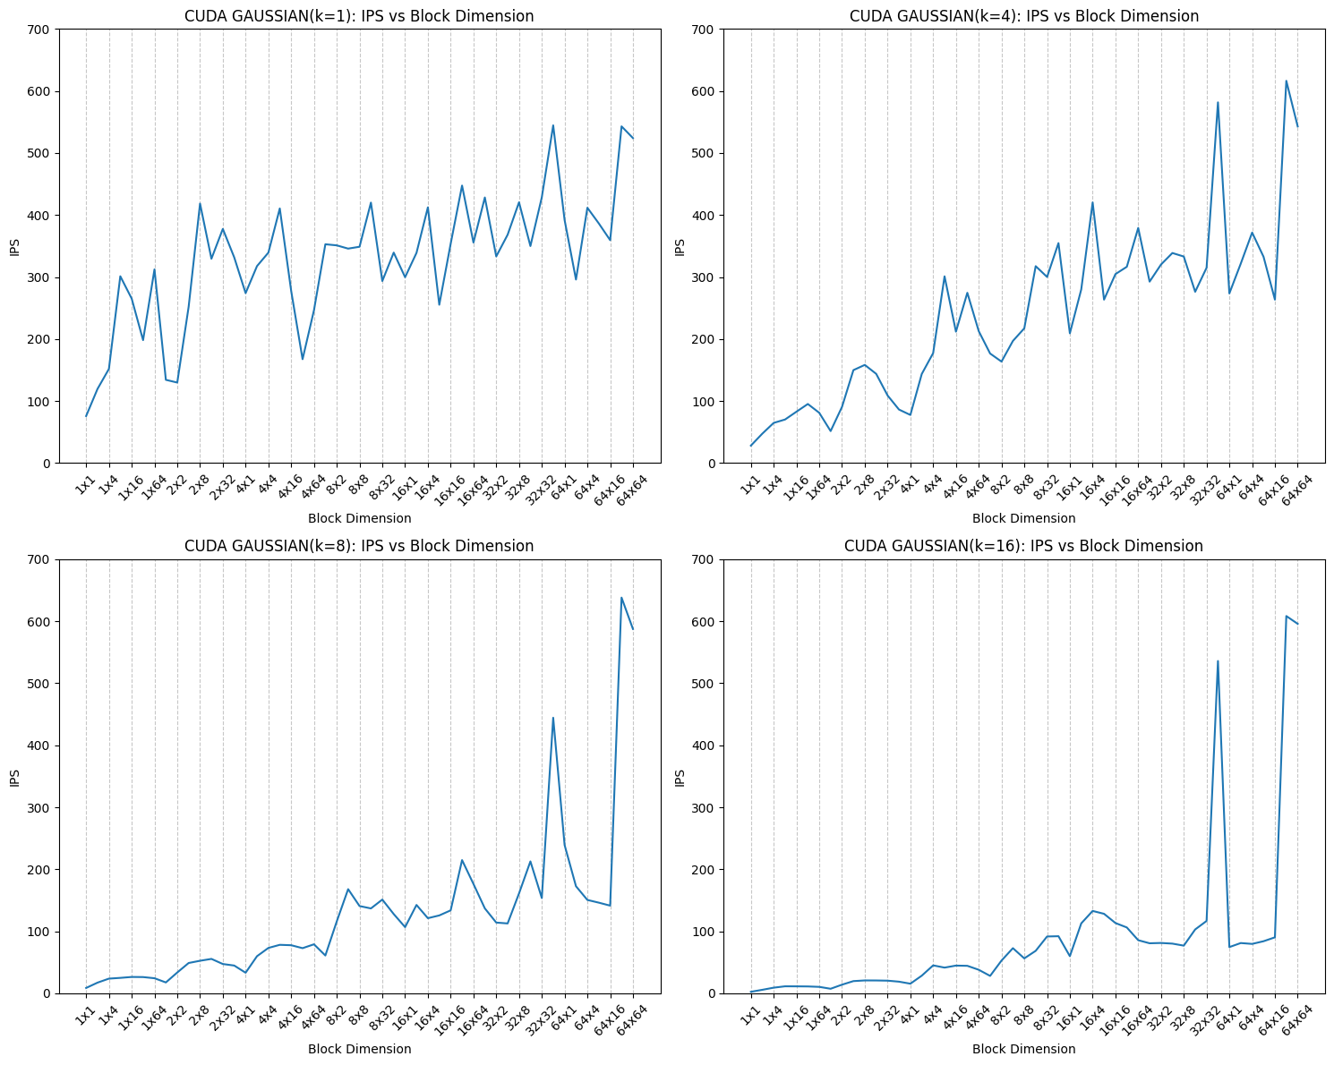
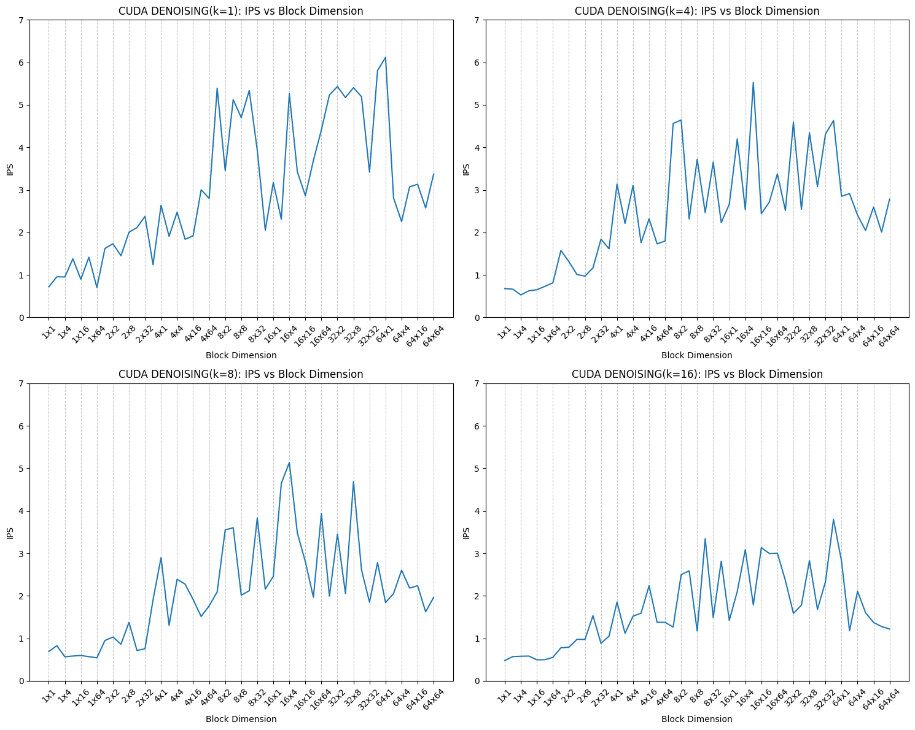
blockDimX | blockDimY | ips |  |  | kernel_size | blockDimX | blockDimY | ips |  | neighbor_size | blockDimX | blockDimY | ips
1 | 1 | 154.96 |  |  | 1 | 1 | 1 | 75.7587 |  | 1 | 1 | 1 | 0.719047
1 | 2 | 169.757 |  |  | 1 | 1 | 2 | 119.53 |  | 4 | 1 | 1 | 0.677213
1 | 4 | 226.767 |  |  | 1 | 1 | 4 | 151.727 |  | 8 | 1 | 1 | 0.690034
1 | 8 | 308.264 |  |  | 1 | 1 | 8 | 301.207 |  | 16 | 1 | 1 | 0.478866
1 | 16 | 230.807 |  |  | 1 | 1 | 16 | 265.173 |  | 1 | 1 | 2 | 0.955376
1 | 32 | 272.467 |  |  | 1 | 1 | 32 | 198.162 |  | 4 | 1 | 2 | 0.663659
1 | 64 | 243.17 |  |  | 1 | 1 | 64 | 312.263 |  | 8 | 1 | 2 | 0.827734
2 | 1 | 153.87 |  |  | 1 | 2 | 1 | 134.167 |  | 16 | 1 | 2 | 0.570322
2 | 2 | 192.216 |  |  | 1 | 2 | 2 | 129.788 |  | 1 | 1 | 4 | 0.95099
2 | 4 | 236.378 |  |  | 1 | 2 | 4 | 251.995 |  | 4 | 1 | 4 | 0.529039
2 | 8 | 247.102 |  |  | 1 | 2 | 8 | 418.353 |  | 8 | 1 | 4 | 0.567071
2 | 16 | 326.824 |  |  | 1 | 2 | 16 | 329.43 |  | 16 | 1 | 4 | 0.579145
2 | 32 | 214.693 |  |  | 1 | 2 | 32 | 377.542 |  | 1 | 1 | 8 | 1.37739
2 | 64 | 305.448 |  |  | 1 | 2 | 64 | 331.677 |  | 4 | 1 | 8 | 0.624987
4 | 1 | 231.502 |  |  | 1 | 4 | 1 | 273.973 |  | 8 | 1 | 8 | 0.58439
4 | 2 | 162.177 |  |  | 1 | 4 | 2 | 317.577 |  | 16 | 1 | 8 | 0.583572
4 | 4 | 281.011 |  |  | 1 | 4 | 4 | 339.328 |  | 1 | 1 | 16 | 0.896877
4 | 8 | 258.98 |  | OVERVIEW | 1 | 4 | 8 | 410.574 |  | 4 | 1 | 16 | 0.651188
4 | 16 | 217.561 |  |  | 1 | 4 | 16 | 277.557 |  | 8 | 1 | 16 | 0.596519
4 | 32 | 235.616 |  |  | 1 | 4 | 32 | 167.417 |  | 16 | 1 | 16 | 0.494983
Size of block and IPS have small correlations. It's due to compuational complexity of anaglyph is relatively small.
4 | 64 | 266.801 |  |  | 1 | 4 | 64 | 246.349 |  | 1 | 1 | 32 | 1.41583
8 | 1 | 272.869 |  |  | 1 | 8 | 1 | 352.795 |  | 4 | 1 | 32 | 0.729778
8 | 2 | 257.106 |  |  | 1 | 8 | 2 | 351.012 |  | 8 | 1 | 32 | 0.56923
8 | 4 | 336.665 |  |  | 1 | 8 | 4 | 345.768 |  | 16 | 1 | 32 | 0.497803
8 | 8 | 222.788 |  |  | 1 | 8 | 8 | 348.765 |  | 1 | 1 | 64 | 0.700221
8 | 16 | 300.399 |  |  | 1 | 8 | 16 | 419.993 |  | 4 | 1 | 64 | 0.81261
8 | 32 | 244.127 |  |  | 1 | 8 | 32 | 293.484 | OVERVIEW | 8 | 1 | 64 | 0.542038 | OVERVIEW
8 | 64 | 309 |  |  | 1 | 8 | 64 | 339.344 |  | 16 | 1 | 64 | 0.553496
Correlation between size of block and IPS is getting increased according to size of gaussian kernel. IPS at 64x64 threads are almost same for all kernel size but there are huge differences with 1x1 threads. This exercise shows effectiveness of parallel computing with GPU.
In this exercise, a peak performance was not on the largest number of threads(64x64). The highest IPS were recorded with relatively small block dimension(16x*).
Inside the implementation of this exercise, size of kernel is dynamically changed during a loop. Thus, GPU might not use cache efficiently. This might be a reason of this behavior.
16 | 1 | 219.947 |  |  | 1 | 16 | 1 | 299.656 |  | 1 | 2 | 1 | 1.62283
16 | 2 | 236.4 |  |  | 1 | 16 | 2 | 338.886 |  | 4 | 2 | 1 | 1.5762
16 | 4 | 263.098 |  |  | 1 | 16 | 4 | 412.349 |  | 8 | 2 | 1 | 0.949363
16 | 8 | 226.055 |  |  | 1 | 16 | 8 | 255.277 |  | 16 | 2 | 1 | 0.777329
16 | 16 | 249.751 |  |  | 1 | 16 | 16 | 353.597 |  | 1 | 2 | 2 | 1.73129
16 | 32 | 265.887 |  |  | 1 | 16 | 32 | 447.465 |  | 4 | 2 | 2 | 1.30924
16 | 64 | 182.803 |  |  | 1 | 16 | 64 | 355.533 |  | 8 | 2 | 2 | 1.03152
32 | 1 | 251.66 |  |  | 1 | 32 | 1 | 428.251 |  | 16 | 2 | 2 | 0.791809
32 | 2 | 228.773 |  |  | 1 | 32 | 2 | 333.175 |  | 1 | 2 | 4 | 1.45061
32 | 4 | 276.76 |  |  | 1 | 32 | 4 | 368.166 |  | 4 | 2 | 4 | 1.0088
32 | 8 | 277.757 |  |  | 1 | 32 | 8 | 420.469 |  | 8 | 2 | 4 | 0.861786
32 | 16 | 212.952 |  |  | 1 | 32 | 16 | 349.895 |  | 16 | 2 | 4 | 0.976325
32 | 32 | 245.837 |  |  | 1 | 32 | 32 | 428.485 |  | 1 | 2 | 8 | 2.00448
32 | 64 | 402.905 |  |  | 1 | 32 | 64 | 544.52 |  | 4 | 2 | 8 | 0.970996
64 | 1 | 159.969 |  |  | 1 | 64 | 1 | 391.949 |  | 8 | 2 | 8 | 1.37582
64 | 2 | 384.917 |  |  | 1 | 64 | 2 | 295.872 |  | 16 | 2 | 8 | 0.974911
64 | 4 | 212.079 |  |  | 1 | 64 | 4 | 411.651 |  | 1 | 2 | 16 | 2.11276
64 | 8 | 225.311 |  |  | 1 | 64 | 8 | 386.483 |  | 4 | 2 | 16 | 1.16356
64 | 16 | 362.655 |  |  | 1 | 64 | 16 | 359.388 |  | 8 | 2 | 16 | 0.713759
64 | 32 | 316.916 |  |  | 1 | 64 | 32 | 542.906 |  | 16 | 2 | 16 | 1.53283
64 | 64 | 272.309 |  |  | 1 | 64 | 64 | 524.043 |  | 1 | 2 | 32 | 2.37761
 |  |  |  |  | 4 | 1 | 1 | 28.1006 |  | 4 | 2 | 32 | 1.8399
 |  |  |  |  | 4 | 1 | 2 | 47.3157 |  | 8 | 2 | 32 | 0.754536
 |  |  |  |  | 4 | 1 | 4 | 64.7195 |  | 16 | 2 | 32 | 0.882399
 |  |  |  |  | 4 | 1 | 8 | 70.187 |  | 1 | 2 | 64 | 1.23923
 |  |  |  |  | 4 | 1 | 16 | 82.7939 |  | 4 | 2 | 64 | 1.6144
 |  |  |  |  | 4 | 1 | 32 | 95.2222 |  | 8 | 2 | 64 | 1.90659
 |  |  |  |  | 4 | 1 | 64 | 81.0183 |  | 16 | 2 | 64 | 1.05087
 |  |  |  |  | 4 | 2 | 1 | 51.5414 |  | 1 | 4 | 1 | 2.6366
 |  |  |  |  | 4 | 2 | 2 | 90.6197 |  | 4 | 4 | 1 | 3.13332
 |  |  |  |  | 4 | 2 | 4 | 149.837 |  | 8 | 4 | 1 | 2.90012
 |  |  |  |  | 4 | 2 | 8 | 158.242 |  | 16 | 4 | 1 | 1.85371
 |  |  |  |  | 4 | 2 | 16 | 143.818 |  | 1 | 4 | 2 | 1.90719
 |  |  |  |  | 4 | 2 | 32 | 108.972 |  | 4 | 4 | 2 | 2.21134
 |  |  |  |  | 4 | 2 | 64 | 86.2595 |  | 8 | 4 | 2 | 1.30681
 |  |  |  |  | 4 | 4 | 1 | 77.5532 |  | 16 | 4 | 2 | 1.11756
 |  |  |  |  | 4 | 4 | 2 | 143.604 |  | 1 | 4 | 4 | 2.47648
 |  |  |  |  | 4 | 4 | 4 | 177.298 |  | 4 | 4 | 4 | 3.10396
 |  |  |  |  | 4 | 4 | 8 | 301.105 |  | 8 | 4 | 4 | 2.38809
 |  |  |  |  | 4 | 4 | 16 | 211.842 |  | 16 | 4 | 4 | 1.52219
 |  |  |  |  | 4 | 4 | 32 | 274.536 |  | 1 | 4 | 8 | 1.83768
 |  |  |  |  | 4 | 4 | 64 | 212.721 |  | 4 | 4 | 8 | 1.75743
 |  |  |  |  | 4 | 8 | 1 | 176.604 |  | 8 | 4 | 8 | 2.27651
 |  |  |  |  | 4 | 8 | 2 | 163.58 |  | 16 | 4 | 8 | 1.59164
 |  |  |  |  | 4 | 8 | 4 | 196.879 |  | 1 | 4 | 16 | 1.91843
 |  |  |  |  | 4 | 8 | 8 | 217.24 |  | 4 | 4 | 16 | 2.31879
 |  |  |  |  | 4 | 8 | 16 | 317.468 |  | 8 | 4 | 16 | 1.91391
 |  |  |  |  | 4 | 8 | 32 | 300.074 |  | 16 | 4 | 16 | 2.23834
 |  |  |  |  | 4 | 8 | 64 | 354.658 |  | 1 | 4 | 32 | 3.00164
 |  |  |  |  | 4 | 16 | 1 | 209.149 |  | 4 | 4 | 32 | 1.72977
 |  |  |  |  | 4 | 16 | 2 | 280.012 |  | 8 | 4 | 32 | 1.5149
 |  |  |  |  | 4 | 16 | 4 | 420.2 |  | 16 | 4 | 32 | 1.37844
 |  |  |  |  | 4 | 16 | 8 | 263.477 |  | 1 | 4 | 64 | 2.80059
 |  |  |  |  | 4 | 16 | 16 | 304.659 |  | 4 | 4 | 64 | 1.79665
 |  |  |  |  | 4 | 16 | 32 | 316.481 |  | 8 | 4 | 64 | 1.76306
 |  |  |  |  | 4 | 16 | 64 | 379.123 |  | 16 | 4 | 64 | 1.37611
 |  |  |  |  | 4 | 32 | 1 | 292.533 |  | 1 | 8 | 1 | 5.39271
 |  |  |  |  | 4 | 32 | 2 | 320.102 |  | 4 | 8 | 1 | 4.56123
 |  |  |  |  | 4 | 32 | 4 | 338.678 |  | 8 | 8 | 1 | 2.09395
 |  |  |  |  | 4 | 32 | 8 | 333.015 |  | 16 | 8 | 1 | 1.26576
 |  |  |  |  | 4 | 32 | 16 | 276.177 |  | 1 | 8 | 2 | 3.45544
 |  |  |  |  | 4 | 32 | 32 | 314.85 |  | 4 | 8 | 2 | 4.64503
 |  |  |  |  | 4 | 32 | 64 | 581.631 |  | 8 | 8 | 2 | 3.55083
 |  |  |  |  | 4 | 64 | 1 | 273.497 |  | 16 | 8 | 2 | 2.49843
 |  |  |  |  | 4 | 64 | 2 | 321.505 |  | 1 | 8 | 4 | 5.12239
 |  |  |  |  | 4 | 64 | 4 | 371.658 |  | 4 | 8 | 4 | 2.31541
 |  |  |  |  | 4 | 64 | 8 | 332.692 |  | 8 | 8 | 4 | 3.60335
 |  |  |  |  | 4 | 64 | 16 | 263.496 |  | 16 | 8 | 4 | 2.58769
 |  |  |  |  | 4 | 64 | 32 | 616.33 |  | 1 | 8 | 8 | 4.70107
 |  |  |  |  | 4 | 64 | 64 | 542.796 |  | 4 | 8 | 8 | 3.71991
 |  |  |  |  | 8 | 1 | 1 | 8.62864 |  | 8 | 8 | 8 | 2.01573
 |  |  |  |  | 8 | 1 | 2 | 17.199 |  | 16 | 8 | 8 | 1.17224
 |  |  |  |  | 8 | 1 | 4 | 23.6499 |  | 1 | 8 | 16 | 5.338
 |  |  |  |  | 8 | 1 | 8 | 24.8831 |  | 4 | 8 | 16 | 2.4659
 |  |  |  |  | 8 | 1 | 16 | 26.3573 |  | 8 | 8 | 16 | 2.11986
 |  |  |  |  | 8 | 1 | 32 | 26.1717 |  | 16 | 8 | 16 | 3.34392
 |  |  |  |  | 8 | 1 | 64 | 24.2956 |  | 1 | 8 | 32 | 3.93398
 |  |  |  |  | 8 | 2 | 1 | 17.5124 |  | 4 | 8 | 32 | 3.652
 |  |  |  |  | 8 | 2 | 2 | 33.5492 |  | 8 | 8 | 32 | 3.8299
 |  |  |  |  | 8 | 2 | 4 | 48.8725 |  | 16 | 8 | 32 | 1.4877
 |  |  |  |  | 8 | 2 | 8 | 52.4738 |  | 1 | 8 | 64 | 2.05266
 |  |  |  |  | 8 | 2 | 16 | 55.4691 |  | 4 | 8 | 64 | 2.22939
 |  |  |  |  | 8 | 2 | 32 | 47.2427 |  | 8 | 8 | 64 | 2.15744
 |  |  |  |  | 8 | 2 | 64 | 44.7573 |  | 16 | 8 | 64 | 2.81585
 |  |  |  |  | 8 | 4 | 1 | 33.1835 |  | 1 | 16 | 1 | 3.17363
 |  |  |  |  | 8 | 4 | 2 | 59.8261 |  | 4 | 16 | 1 | 2.66134
 |  |  |  |  | 8 | 4 | 4 | 73.161 |  | 8 | 16 | 1 | 2.45933
 |  |  |  |  | 8 | 4 | 8 | 78.1616 |  | 16 | 16 | 1 | 1.42274
 |  |  |  |  | 8 | 4 | 16 | 77.5259 |  | 1 | 16 | 2 | 2.31001
 |  |  |  |  | 8 | 4 | 32 | 72.7761 |  | 4 | 16 | 2 | 4.19917
 |  |  |  |  | 8 | 4 | 64 | 79.016 |  | 8 | 16 | 2 | 4.64855
 |  |  |  |  | 8 | 8 | 1 | 60.9502 |  | 16 | 16 | 2 | 2.10572
 |  |  |  |  | 8 | 8 | 2 | 115.87 |  | 1 | 16 | 4 | 5.26098
 |  |  |  |  | 8 | 8 | 4 | 167.938 |  | 4 | 16 | 4 | 2.53585
 |  |  |  |  | 8 | 8 | 8 | 140.706 |  | 8 | 16 | 4 | 5.13593
 |  |  |  |  | 8 | 8 | 16 | 136.876 |  | 16 | 16 | 4 | 3.08659
 |  |  |  |  | 8 | 8 | 32 | 151.129 |  | 1 | 16 | 8 | 3.42425
 |  |  |  |  | 8 | 8 | 64 | 127.809 |  | 4 | 16 | 8 | 5.53064
 |  |  |  |  | 8 | 16 | 1 | 106.742 |  | 8 | 16 | 8 | 3.47916
 |  |  |  |  | 8 | 16 | 2 | 142.447 |  | 16 | 16 | 8 | 1.78766
 |  |  |  |  | 8 | 16 | 4 | 121.119 |  | 1 | 16 | 16 | 2.86363
 |  |  |  |  | 8 | 16 | 8 | 125.573 |  | 4 | 16 | 16 | 2.43907
 |  |  |  |  | 8 | 16 | 16 | 133.742 |  | 8 | 16 | 16 | 2.80041
 |  |  |  |  | 8 | 16 | 32 | 214.807 |  | 16 | 16 | 16 | 3.13355
 |  |  |  |  | 8 | 16 | 64 | 176.352 |  | 1 | 16 | 32 | 3.69158
 |  |  |  |  | 8 | 32 | 1 | 136.92 |  | 4 | 16 | 32 | 2.71476
 |  |  |  |  | 8 | 32 | 2 | 114.066 |  | 8 | 16 | 32 | 1.96644
 |  |  |  |  | 8 | 32 | 4 | 112.649 |  | 16 | 16 | 32 | 2.99628
 |  |  |  |  | 8 | 32 | 8 | 161.07 |  | 1 | 16 | 64 | 4.41314
 |  |  |  |  | 8 | 32 | 16 | 212.69 |  | 4 | 16 | 64 | 3.37732
 |  |  |  |  | 8 | 32 | 32 | 153.616 |  | 8 | 16 | 64 | 3.93625
 |  |  |  |  | 8 | 32 | 64 | 444.366 |  | 16 | 16 | 64 | 3.00357
 |  |  |  |  | 8 | 64 | 1 | 239.158 |  | 1 | 32 | 1 | 5.23375
 |  |  |  |  | 8 | 64 | 2 | 172.626 |  | 4 | 32 | 1 | 2.5153
 |  |  |  |  | 8 | 64 | 4 | 150.555 |  | 8 | 32 | 1 | 1.99317
 |  |  |  |  | 8 | 64 | 8 | 146.178 |  | 16 | 32 | 1 | 2.36264
 |  |  |  |  | 8 | 64 | 16 | 141.358 |  | 1 | 32 | 2 | 5.43157
 |  |  |  |  | 8 | 64 | 32 | 638.123 |  | 4 | 32 | 2 | 4.58912
 |  |  |  |  | 8 | 64 | 64 | 587.508 |  | 8 | 32 | 2 | 3.45393
 |  |  |  |  | 16 | 1 | 1 | 2.42388 |  | 16 | 32 | 2 | 1.58756
 |  |  |  |  | 16 | 1 | 2 | 5.63006 |  | 1 | 32 | 4 | 5.17174
 |  |  |  |  | 16 | 1 | 4 | 9.079 |  | 4 | 32 | 4 | 2.54134
 |  |  |  |  | 16 | 1 | 8 | 11.2818 |  | 8 | 32 | 4 | 2.05608
 |  |  |  |  | 16 | 1 | 16 | 11.2189 |  | 16 | 32 | 4 | 1.78158
 |  |  |  |  | 16 | 1 | 32 | 11.0624 |  | 1 | 32 | 8 | 5.40465
 |  |  |  |  | 16 | 1 | 64 | 10.3767 |  | 4 | 32 | 8 | 4.34302
 |  |  |  |  | 16 | 2 | 1 | 7.33147 |  | 8 | 32 | 8 | 4.68559
 |  |  |  |  | 16 | 2 | 2 | 13.9159 |  | 16 | 32 | 8 | 2.82858
 |  |  |  |  | 16 | 2 | 4 | 19.6698 |  | 1 | 32 | 16 | 5.19351
 |  |  |  |  | 16 | 2 | 8 | 20.7512 |  | 4 | 32 | 16 | 3.07683
 |  |  |  |  | 16 | 2 | 16 | 20.6856 |  | 8 | 32 | 16 | 2.61218
 |  |  |  |  | 16 | 2 | 32 | 20.3827 |  | 16 | 32 | 16 | 1.68124
 |  |  |  |  | 16 | 2 | 64 | 18.752 |  | 1 | 32 | 32 | 3.41737
 |  |  |  |  | 16 | 4 | 1 | 15.5153 |  | 4 | 32 | 32 | 4.31215
 |  |  |  |  | 16 | 4 | 2 | 28.4254 |  | 8 | 32 | 32 | 1.84985
 |  |  |  |  | 16 | 4 | 4 | 45.0326 |  | 16 | 32 | 32 | 2.33215
 |  |  |  |  | 16 | 4 | 8 | 41.4361 |  | 1 | 32 | 64 | 5.8066
 |  |  |  |  | 16 | 4 | 16 | 44.6794 |  | 4 | 32 | 64 | 4.63156
 |  |  |  |  | 16 | 4 | 32 | 44.325 |  | 8 | 32 | 64 | 2.78301
 |  |  |  |  | 16 | 4 | 64 | 37.9428 |  | 16 | 32 | 64 | 3.7984
 |  |  |  |  | 16 | 8 | 1 | 28.0474 |  | 1 | 64 | 1 | 6.11792
 |  |  |  |  | 16 | 8 | 2 | 52.7841 |  | 4 | 64 | 1 | 2.84989
 |  |  |  |  | 16 | 8 | 4 | 72.7802 |  | 8 | 64 | 1 | 1.84354
 |  |  |  |  | 16 | 8 | 8 | 56.312 |  | 16 | 64 | 1 | 2.81871
 |  |  |  |  | 16 | 8 | 16 | 68.4823 |  | 1 | 64 | 2 | 2.80785
 |  |  |  |  | 16 | 8 | 32 | 91.6064 |  | 4 | 64 | 2 | 2.9118
 |  |  |  |  | 16 | 8 | 64 | 92.0656 |  | 8 | 64 | 2 | 2.05343
 |  |  |  |  | 16 | 16 | 1 | 59.8488 |  | 16 | 64 | 2 | 1.17763
 |  |  |  |  | 16 | 16 | 2 | 112.752 |  | 1 | 64 | 4 | 2.25524
 |  |  |  |  | 16 | 16 | 4 | 132.807 |  | 4 | 64 | 4 | 2.40498
 |  |  |  |  | 16 | 16 | 8 | 128.183 |  | 8 | 64 | 4 | 2.60389
 |  |  |  |  | 16 | 16 | 16 | 113.34 |  | 16 | 64 | 4 | 2.1085
 |  |  |  |  | 16 | 16 | 32 | 106.17 |  | 1 | 64 | 8 | 3.07256
 |  |  |  |  | 16 | 16 | 64 | 85.638 |  | 4 | 64 | 8 | 2.04572
 |  |  |  |  | 16 | 32 | 1 | 80.671 |  | 8 | 64 | 8 | 2.18287
 |  |  |  |  | 16 | 32 | 2 | 81.1729 |  | 16 | 64 | 8 | 1.60253
 |  |  |  |  | 16 | 32 | 4 | 80.1197 |  | 1 | 64 | 16 | 3.13212
 |  |  |  |  | 16 | 32 | 8 | 76.8634 |  | 4 | 64 | 16 | 2.59774
 |  |  |  |  | 16 | 32 | 16 | 102.968 |  | 8 | 64 | 16 | 2.23821
 |  |  |  |  | 16 | 32 | 32 | 116.645 |  | 16 | 64 | 16 | 1.37266
 |  |  |  |  | 16 | 32 | 64 | 535.866 |  | 1 | 64 | 32 | 2.57468
 |  |  |  |  | 16 | 64 | 1 | 74.5245 |  | 4 | 64 | 32 | 2.00713
 |  |  |  |  | 16 | 64 | 2 | 81.047 |  | 8 | 64 | 32 | 1.62367
 |  |  |  |  | 16 | 64 | 4 | 79.6518 |  | 16 | 64 | 32 | 1.27686
 |  |  |  |  | 16 | 64 | 8 | 83.9671 |  | 1 | 64 | 64 | 3.37466
 |  |  |  |  | 16 | 64 | 16 | 90.2466 |  | 4 | 64 | 64 | 2.78308
 |  |  |  |  | 16 | 64 | 32 | 608.342 |  | 8 | 64 | 64 | 1.96519
 |  |  |  |  | 16 | 64 | 64 | 595.78 |  | 16 | 64 | 64 | 1.22024

OpenMP
Opem MP

Ex1: Anaglyph |  |  |  | Ex1: Anaglyph
Parameters: |  |  |  | Parameters: |  |  |  |  | Ex3: Denoising
 | AnaglyphMethod: | True Anaglyph |  |  | AnaglyphMethod: |  | True Anaglyph |  | Parameters:
 | Number of Threads | 2…64, -1 |  |  | KernelSize / 2 |  | ["1", "2", "4", "8", "16", "32", "64"] |  |  | AnaglyphMethod: |  | True Anaglyph
 |  |  |  |  | Number of Threads |  | 2…64, -1 |  |  | Neighbor Size / 2 |  | ["1", "4", "8", "16"]
 |  |  |  |  |  |  |  |  |  | Number of Threads |  | 2…64, -1

DATA |  |  | Performance Graph | DATA |  |  |  | Performance Graph | DATA |  |  |  | Performance Graph

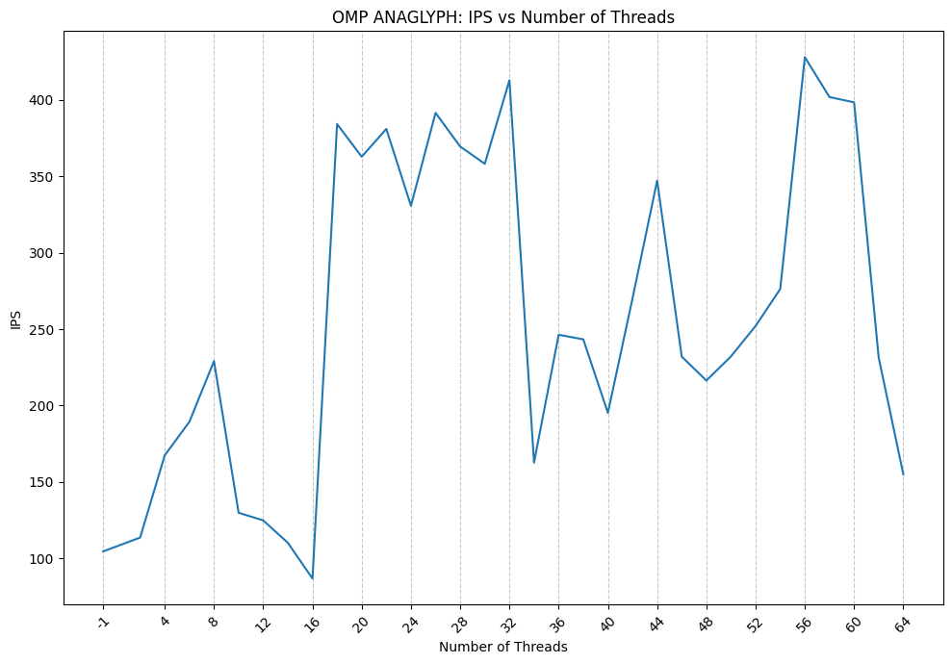
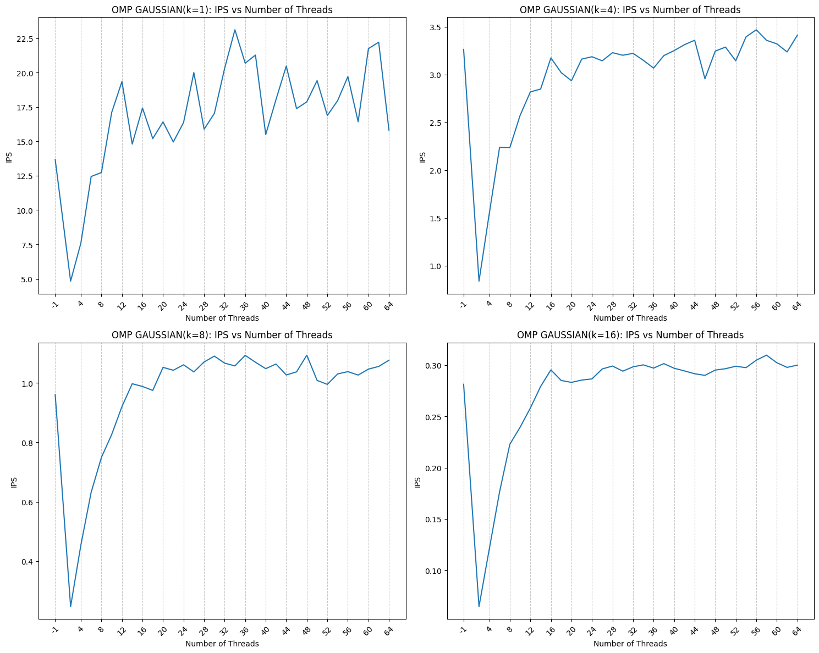
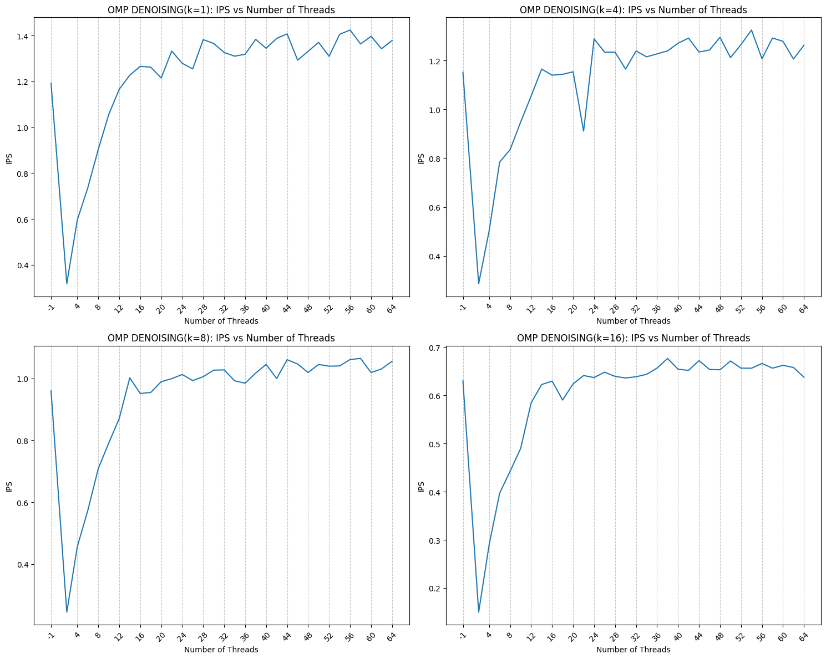
nb_threads | ips |  |  | kernel_size | nb_threads | ips |  |  | neighbor_size | nb_threads | ips
2 | 113.585 |  |  | 1 | 2 | 4.82791 |  |  | 1 | 2 | 0.31784
4 | 167.451 |  |  | 1 | 4 | 7.59403 |  |  | 4 | 2 | 0.286397
6 | 189.359 |  |  | 1 | 6 | 12.4394 |  |  | 8 | 2 | 0.244694
8 | 229.108 |  |  | 1 | 8 | 12.729 |  |  | 16 | 2 | 0.150058
10 | 129.836 |  |  | 1 | 10 | 17.0988 |  |  | 1 | 4 | 0.595407
12 | 124.833 |  |  | 1 | 12 | 19.3507 |  |  | 4 | 4 | 0.503362
14 | 110.16 |  |  | 1 | 14 | 14.7979 |  |  | 8 | 4 | 0.455719
16 | 86.7856 |  |  | 1 | 16 | 17.4262 |  |  | 16 | 4 | 0.290175
18 | 384.293 |  |  | 1 | 18 | 15.1986 |  |  | 1 | 6 | 0.735545
20 | 362.888 |  |  | 1 | 20 | 16.413 |  |  | 4 | 6 | 0.784182
22 | 381.095 |  |  | 1 | 22 | 14.9518 |  |  | 8 | 6 | 0.57304
24 | 330.791 |  |  | 1 | 24 | 16.3687 |  |  | 16 | 6 | 0.397047
26 | 391.602 |  |  | 1 | 26 | 20.006 |  |  | 1 | 8 | 0.903139
28 | 369.561 |  |  | 1 | 28 | 15.8784 |  |  | 4 | 8 | 0.835308
30 | 358.27 |  |  | 1 | 30 | 17.0349 |  |  | 8 | 8 | 0.708223
32 | 412.947 |  |  | 1 | 32 | 20.3174 |  |  | 16 | 8 | 0.442553
34 | 162.688 |  |  | 1 | 34 | 23.1155 |  |  | 1 | 10 | 1.05579
36 | 246.355 |  |  | 1 | 36 | 20.6869 |  |  | 4 | 10 | 0.94806
38 | 243.353 |  |  | 1 | 38 | 21.2749 |  |  | 8 | 10 | 0.791548
40 | 195.245 |  |  | 1 | 40 | 15.4951 |  |  | 16 | 10 | 0.489708
42 | 270.152 |  | OVERVIEW | 1 | 42 | 18.038 |  |  | 1 | 12 | 1.16547
Number of threads and IPS have small correlations. It's due to compuational complexity of anaglyph is relatively small.
44 | 347.253 |  |  | 1 | 44 | 20.4788 |  |  | 4 | 12 | 1.05413
46 | 232.03 |  |  | 1 | 46 | 17.3807 |  |  | 8 | 12 | 0.870434
48 | 216.394 |  |  | 1 | 48 | 17.8709 |  |  | 16 | 12 | 0.58434
50 | 232.204 |  |  | 1 | 50 | 19.4167 |  |  | 1 | 14 | 1.22689
52 | 252.143 |  |  | 1 | 52 | 16.8807 |  |  | 4 | 14 | 1.16484
54 | 276.319 |  |  | 1 | 54 | 17.9573 |  | OVERVIEW | 8 | 14 | 1.00195
56 | 428.06 |  |  | 1 | 56 | 19.7089 |  |  | 16 | 14 | 0.622397 |  | OVERVIEW
Number of threads significantly was affected to IPS. In contrast to CUDA implementation, size of kernel affected to peak performances. In the case of kernel size = 1, IPS was around 16 with 64 threads but it was less than 0.5 in the case of kernel size = 16.
58 | 401.947 |  |  | 1 | 58 | 16.4232 |  |  | 1 | 16 | 1.26542
Compare to CUDA implementation, bell curves were not appeared in IPS vs #Threads graph. Instead of that, increasing ratio was not high when number of threads is more than 16. Additionally, decreasing of perforance according to neighbor size is relatively small. It might be becouse of my implementation do calculation mainly on the outside of neighbor-loop.
60 | 398.509 |  |  | 1 | 60 | 21.7435 |  |  | 4 | 16 | 1.13978
62 | 231.345 |  |  | 1 | 62 | 22.211 |  |  | 8 | 16 | 0.951441
64 | 154.975 |  |  | 1 | 64 | 15.8176 |  |  | 16 | 16 | 0.629555
-1 | 104.565 |  |  | 1 | -1 | 13.6802 |  |  | 1 | 18 | 1.26197
 |  |  |  | 4 | 2 | 0.839457 |  |  | 4 | 18 | 1.14329
 |  |  |  | 4 | 4 | 1.54626 |  |  | 8 | 18 | 0.954718
 |  |  |  | 4 | 6 | 2.2366 |  |  | 16 | 18 | 0.590273
 |  |  |  | 4 | 8 | 2.23414 |  |  | 1 | 20 | 1.21464
 |  |  |  | 4 | 10 | 2.57176 |  |  | 4 | 20 | 1.15358
 |  |  |  | 4 | 12 | 2.81816 |  |  | 8 | 20 | 0.989575
 |  |  |  | 4 | 14 | 2.84755 |  |  | 16 | 20 | 0.623747
 |  |  |  | 4 | 16 | 3.17357 |  |  | 1 | 22 | 1.33229
 |  |  |  | 4 | 18 | 3.01996 |  |  | 4 | 22 | 0.910645
 |  |  |  | 4 | 20 | 2.93507 |  |  | 8 | 22 | 0.999369
 |  |  |  | 4 | 22 | 3.16087 |  |  | 16 | 22 | 0.64109
 |  |  |  | 4 | 24 | 3.18576 |  |  | 1 | 24 | 1.27902
 |  |  |  | 4 | 26 | 3.14323 |  |  | 4 | 24 | 1.28827
 |  |  |  | 4 | 28 | 3.22826 |  |  | 8 | 24 | 1.01275
 |  |  |  | 4 | 30 | 3.20116 |  |  | 16 | 24 | 0.63694
 |  |  |  | 4 | 32 | 3.22097 |  |  | 1 | 26 | 1.25412
 |  |  |  | 4 | 34 | 3.14868 |  |  | 4 | 26 | 1.23406
 |  |  |  | 4 | 36 | 3.06686 |  |  | 8 | 26 | 0.993074
 |  |  |  | 4 | 38 | 3.19783 |  |  | 16 | 26 | 0.648072
 |  |  |  | 4 | 40 | 3.24973 |  |  | 1 | 28 | 1.38192
 |  |  |  | 4 | 42 | 3.3111 |  |  | 4 | 28 | 1.23385
 |  |  |  | 4 | 44 | 3.35839 |  |  | 8 | 28 | 1.00566
 |  |  |  | 4 | 46 | 2.95523 |  |  | 16 | 28 | 0.639311
 |  |  |  | 4 | 48 | 3.24384 |  |  | 1 | 30 | 1.36543
 |  |  |  | 4 | 50 | 3.28648 |  |  | 4 | 30 | 1.16466
 |  |  |  | 4 | 52 | 3.14278 |  |  | 8 | 30 | 1.02688
 |  |  |  | 4 | 54 | 3.39325 |  |  | 16 | 30 | 0.636029
 |  |  |  | 4 | 56 | 3.4676 |  |  | 1 | 32 | 1.32595
 |  |  |  | 4 | 58 | 3.35748 |  |  | 4 | 32 | 1.23867
 |  |  |  | 4 | 60 | 3.32071 |  |  | 8 | 32 | 1.02764
 |  |  |  | 4 | 62 | 3.2361 |  |  | 16 | 32 | 0.638606
 |  |  |  | 4 | 64 | 3.41047 |  |  | 1 | 34 | 1.30985
 |  |  |  | 4 | -1 | 3.26308 |  |  | 4 | 34 | 1.21487
 |  |  |  | 8 | 2 | 0.247108 |  |  | 8 | 34 | 0.992309
 |  |  |  | 8 | 4 | 0.454058 |  |  | 16 | 34 | 0.64353
 |  |  |  | 8 | 6 | 0.63143 |  |  | 1 | 36 | 1.31842
 |  |  |  | 8 | 8 | 0.749136 |  |  | 4 | 36 | 1.2269
 |  |  |  | 8 | 10 | 0.826047 |  |  | 8 | 36 | 0.98458
 |  |  |  | 8 | 12 | 0.920256 |  |  | 16 | 36 | 0.656569
 |  |  |  | 8 | 14 | 0.997135 |  |  | 1 | 38 | 1.38328
 |  |  |  | 8 | 16 | 0.98791 |  |  | 4 | 38 | 1.2391
 |  |  |  | 8 | 18 | 0.97463 |  |  | 8 | 38 | 1.01729
 |  |  |  | 8 | 20 | 1.05223 |  |  | 16 | 38 | 0.676587
 |  |  |  | 8 | 22 | 1.04243 |  |  | 1 | 40 | 1.34426
 |  |  |  | 8 | 24 | 1.06087 |  |  | 4 | 40 | 1.27045
 |  |  |  | 8 | 26 | 1.03693 |  |  | 8 | 40 | 1.04533
 |  |  |  | 8 | 28 | 1.07037 |  |  | 16 | 40 | 0.654218
 |  |  |  | 8 | 30 | 1.0901 |  |  | 1 | 42 | 1.3872
 |  |  |  | 8 | 32 | 1.0664 |  |  | 4 | 42 | 1.29138
 |  |  |  | 8 | 34 | 1.05717 |  |  | 8 | 42 | 0.999686
 |  |  |  | 8 | 36 | 1.09263 |  |  | 16 | 42 | 0.651862
 |  |  |  | 8 | 38 | 1.06953 |  |  | 1 | 44 | 1.40713
 |  |  |  | 8 | 40 | 1.04792 |  |  | 4 | 44 | 1.23447
 |  |  |  | 8 | 42 | 1.0635 |  |  | 8 | 44 | 1.06068
 |  |  |  | 8 | 44 | 1.02665 |  |  | 16 | 44 | 0.672158
 |  |  |  | 8 | 46 | 1.037 |  |  | 1 | 46 | 1.29242
 |  |  |  | 8 | 48 | 1.09323 |  |  | 4 | 46 | 1.24265
 |  |  |  | 8 | 50 | 1.00838 |  |  | 8 | 46 | 1.04685
 |  |  |  | 8 | 52 | 0.994876 |  |  | 16 | 46 | 0.653682
 |  |  |  | 8 | 54 | 1.03003 |  |  | 1 | 48 | 1.33093
 |  |  |  | 8 | 56 | 1.03787 |  |  | 4 | 48 | 1.29465
 |  |  |  | 8 | 58 | 1.02627 |  |  | 8 | 48 | 1.01912
 |  |  |  | 8 | 60 | 1.04628 |  |  | 16 | 48 | 0.653059
 |  |  |  | 8 | 62 | 1.05533 |  |  | 1 | 50 | 1.3701
 |  |  |  | 8 | 64 | 1.07625 |  |  | 4 | 50 | 1.2116
 |  |  |  | 8 | -1 | 0.960925 |  |  | 8 | 50 | 1.04517
 |  |  |  | 16 | 2 | 0.0645463 |  |  | 16 | 50 | 0.671292
 |  |  |  | 16 | 4 | 0.120634 |  |  | 1 | 52 | 1.30923
 |  |  |  | 16 | 6 | 0.176303 |  |  | 4 | 52 | 1.2649
 |  |  |  | 16 | 8 | 0.222797 |  |  | 8 | 52 | 1.03971
 |  |  |  | 16 | 10 | 0.239441 |  |  | 16 | 52 | 0.656464
 |  |  |  | 16 | 12 | 0.258193 |  |  | 1 | 54 | 1.4051
 |  |  |  | 16 | 14 | 0.279253 |  |  | 4 | 54 | 1.32441
 |  |  |  | 16 | 16 | 0.295439 |  |  | 8 | 54 | 1.04042
 |  |  |  | 16 | 18 | 0.285127 |  |  | 16 | 54 | 0.656264
 |  |  |  | 16 | 20 | 0.283206 |  |  | 1 | 56 | 1.42376
 |  |  |  | 16 | 22 | 0.285495 |  |  | 4 | 56 | 1.20686
 |  |  |  | 16 | 24 | 0.286635 |  |  | 8 | 56 | 1.06131
 |  |  |  | 16 | 26 | 0.296342 |  |  | 16 | 56 | 0.666153
 |  |  |  | 16 | 28 | 0.299179 |  |  | 1 | 58 | 1.36307
 |  |  |  | 16 | 30 | 0.294191 |  |  | 4 | 58 | 1.29176
 |  |  |  | 16 | 32 | 0.298421 |  |  | 8 | 58 | 1.06469
 |  |  |  | 16 | 34 | 0.300328 |  |  | 16 | 58 | 0.65641
 |  |  |  | 16 | 36 | 0.297175 |  |  | 1 | 60 | 1.39652
 |  |  |  | 16 | 38 | 0.301552 |  |  | 4 | 60 | 1.27832
 |  |  |  | 16 | 40 | 0.297028 |  |  | 8 | 60 | 1.01903
 |  |  |  | 16 | 42 | 0.294442 |  |  | 16 | 60 | 0.66235
 |  |  |  | 16 | 44 | 0.291649 |  |  | 1 | 62 | 1.34231
 |  |  |  | 16 | 46 | 0.290089 |  |  | 4 | 62 | 1.20575
 |  |  |  | 16 | 48 | 0.295212 |  |  | 8 | 62 | 1.03078
 |  |  |  | 16 | 50 | 0.296588 |  |  | 16 | 62 | 0.657859
 |  |  |  | 16 | 52 | 0.298971 |  |  | 1 | 64 | 1.37796
 |  |  |  | 16 | 54 | 0.297597 |  |  | 4 | 64 | 1.26216
 |  |  |  | 16 | 56 | 0.304903 |  |  | 8 | 64 | 1.05552
 |  |  |  | 16 | 58 | 0.309777 |  |  | 16 | 64 | 0.637616
 |  |  |  | 16 | 60 | 0.302403 |  |  | 1 | -1 | 1.19196
 |  |  |  | 16 | 62 | 0.297861 |  |  | 4 | -1 | 1.15155
 |  |  |  | 16 | 64 | 0.300078 |  |  | 8 | -1 | 0.959891
 |  |  |  | 16 | -1 | 0.28142 |  |  | 16 | -1 | 0.630137

