strings.xml
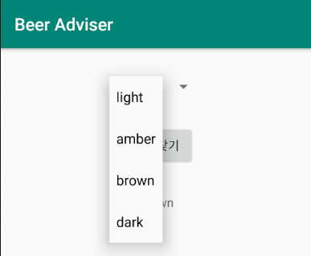
<resources>
<string name="app_name">?</string>
<string name="?">맥주찾기</string>
<string name="?">No beers selected</string>
<string-array name="?_colors">
<item>light</item>
<item>?</item>
<item>brown</item>
<item>?</item>
</string-array>
<string name="title_activity_find_beer">FindBeerActivity</string>
</resources>

