MainActivity
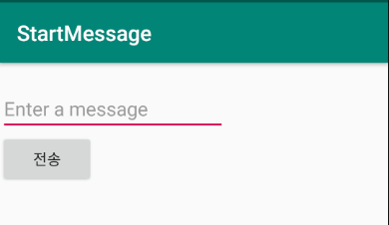
package com.example.startmessage;
import androidx.appcompat.app.AppCompatActivity;
import android.content.Intent;
import android.os.Bundle;
import android.view.View;
import android.widget.EditText;
public class MainActivity extends AppCompatActivity {
@Override
protected void onCreate(Bundle savedInstanceState) {
super.onCreate(savedInstanceState);
setContentView(R.layout._________________);
}
//전송버튼을 클릭하면 호출됨.
public void onSendMessage(_____ ___){
//Toast.makeText(this,"버튼클릭성공",Toast.LENGTH_LONG).show();
EditText et_msg = findViewById(R.id._______) ;
String msg = ______.getText().toString();
_______ intent = new Intent(this,______________.class);
//
//
intent.________(ReceiveActivity.EXTRA_MESSAGE,msg);
__________(intent);
}
}

