AVERAGE
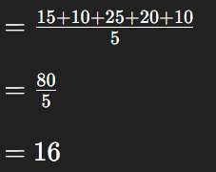
15
10
25
20
10

16

