AB-E59
 |  |  |  |  |  |  |  |  |  |  |  |  |  | AB-E59
 |  |  |  |  |  |  |  |  |  |  |  | Line | TI
ABNORMAL REPORT
 | Occurrence Date: | 21-Dec-17 |  |  |  |  |  |  |  |  |  | Cast Date | N/A
 | Machine No.: | 6 |  |  |  |  |  |  |  |  |  | Casting | N/A
 | Model.: | Injector cup |  |  |  |  |  |  |  |  |  | Suplier : | Siam SCL
 | Tool No.: | T06
 | Arbor No.: | BT30
 | Shift & Time : | Night / 21:30
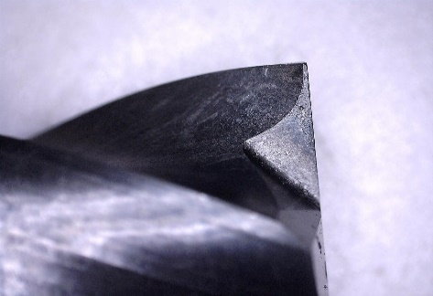
 | Description | Spot face Dia.10x15FLx70L-2F-ALCRN |  |  |  |  |  |  | 1Pcs.

 | Problem | Wear on cutting edge causes hard burr on workpiece

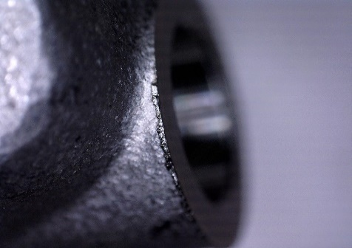
 | Cause

 | Caused by: Cust. |  |  | PTSC
 | Action : By PTSC
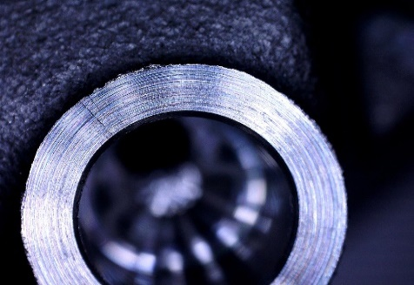

 | Action : By Cust.

 |  | New | Reg |  | No of reg. |  | Total | CPP
 | Target tool life | 5,000 | 5,000 |  | 5 |  | 30000

 | Price | 2,130 | 460 |  |  |  | 4430 | 0.15
 |  |  |  |  |  | 1 | 2 | 3 | 4 | 5
 | Used | 250 | 0

 | Total cost | 2,130

 | Damage cost | 2,093.08 | (Total cost - Inv.)

 | Acknowledged By : ( PTSC leader. ) |  |  |  |  |  |  |  |  |  | Date
 | Acknowledged By : ( Cust. leader. ) |  |  |  |  |  |  |  |  |  | Date

