Sheet1
 | Destroyer | Submarine | Cruiser | Battleship | Carrier |  | Destroyer | Submarine | Cruiser | Battleship | Carrier |  | Destroyer | Submarine | Cruiser | Battleship | Carrier |  | Destroyer | Submarine | Cruiser | Battleship | Carrier |  | Destroyer | Submarine | Cruiser | Battleship | Carrier |  | Destroyer | Submarine | Cruiser | Battleship | Carrier
Position | C1 | E6 | H3 | G9 | A4 | Position | A1 | C8 | H3 | E9 | E1 | Position | C4 | E6 | E3 | H5 | C10 | Position | A4 | D4 | I7 | J1 | B9 | Position | G3 | G8 | G6 | E5 | C3 | Position | A1 | A10 | J1 | G10 | D1
Orientation | Vertical | Vertical | Vertical | Vertical | Vertical | Orientation | Vertical | Horizontal | Horizontal | Vertical | Horizontal | Orientation | Horizontal | Horizontal | Vertical | Horizontal | Vertical | Orientation | Horizontal | Vertical | Horizontal | Horizontal | Vertical | Orientation | Horizontal | Vertical | Vertical | Horizontal | Horizontal | Orientation | Vertical | Vertical | Horizontal | Vertical | Vertical
 | Test | Beginner | Easy | Medium | Hard |  | Test | Beginner | Easy | Medium | Hard |  | Test | Beginner | Easy | Medium | Hard |  | Test | Beginner | Easy | Medium | Hard |  | Test | Beginner | Easy | Medium | Hard |  | Test | Beginner | Easy | Medium | Hard
 | 1 | 90 | 43 | 28 | 36 |  | 1 | 93 | 34 | 35 | 41 |  | 1 | 95 | 58 | 38 | 40 |  | 1 | 90 | 38 | 38 | 37 |  | 1 | 98 | 53 | 30 | 32 |  | 17 | 100 | 52 | 36 | 66
 | 2 | 100 | 56 | 45 | 32 |  | 2 | 96 | 46 | 36 | 45 |  | 2 | 97 | 35 | 46 | 39 |  | 2 | 98 | 43 | 47 | 48 |  | 2 | 86 | 41 | 39 | 36 |  | 49 | 89 | 52 | 42 | 63
 | 3 | 97 | 49 | 32 | 37 |  | 3 | 99 | 57 | 28 | 48 |  | 3 | 97 | 43 | 44 | 39 |  | 3 | 96 | 26 | 36 | 41 |  | 3 | 100 | 46 | 34 | 30 |  | 88 | 100 | 49 | 45 | 61
 | 4 | 98 | 46 | 36 | 32 |  | 4 | 95 | 51 | 36 | 38 |  | 4 | 100 | 46 | 34 | 42 |  | 4 | 96 | 46 | 40 | 34 |  | 4 | 97 | 43 | 34 | 34 |  | 12 | 96 | 50 | 23 | 60
 | 5 | 96 | 61 | 42 | 35 |  | 5 | 94 | 53 | 37 | 48 |  | 5 | 95 | 61 | 32 | 43 |  | 5 | 98 | 32 | 31 | 37 |  | 5 | 74 | 54 | 40 | 32 |  | 2 | 91 | 31 | 34 | 59
 | 6 | 94 | 59 | 42 | 35 |  | 6 | 98 | 43 | 33 | 39 |  | 6 | 88 | 47 | 31 | 45 |  | 6 | 87 | 44 | 52 | 47 |  | 6 | 100 | 69 | 26 | 31 |  | 8 | 92 | 53 | 38 | 59
 | 7 | 91 | 38 | 38 | 33 |  | 7 | 100 | 43 | 38 | 51 |  | 7 | 88 | 35 | 41 | 37 |  | 7 | 97 | 39 | 43 | 44 |  | 7 | 97 | 58 | 28 | 29 |  | 13 | 96 | 72 | 48 | 59
 | 8 | 100 | 38 | 41 | 32 |  | 8 | 92 | 40 | 35 | 39 |  | 8 | 100 | 39 | 38 | 39 |  | 8 | 85 | 42 | 31 | 38 |  | 8 | 91 | 66 | 36 | 38 |  | 28 | 100 | 70 | 43 | 59
 | 9 | 100 | 58 | 22 | 36 |  | 9 | 87 | 36 | 39 | 38 |  | 9 | 90 | 37 | 42 | 36 |  | 9 | 97 | 36 | 28 | 42 |  | 9 | 98 | 24 | 43 | 36 |  | 41 | 91 | 70 | 45 | 59
 | 10 | 98 | 51 | 29 | 43 |  | 10 | 95 | 54 | 33 | 39 |  | 10 | 89 | 40 | 42 | 43 |  | 10 | 96 | 64 | 46 | 37 |  | 10 | 94 | 43 | 40 | 34 |  | 64 | 98 | 62 | 42 | 59
 | 11 | 99 | 46 | 32 | 29 |  | 11 | 91 | 50 | 31 | 44 |  | 11 | 90 | 50 | 45 | 40 |  | 11 | 99 | 38 | 47 | 37 |  | 11 | 99 | 61 | 39 | 33 |  | 69 | 88 | 60 | 20 | 59
 | 12 | 98 | 48 | 38 | 34 |  | 12 | 100 | 46 | 38 | 41 |  | 12 | 95 | 51 | 32 | 36 |  | 12 | 94 | 38 | 41 | 40 |  | 12 | 96 | 34 | 31 | 34 |  | 82 | 99 | 63 | 37 | 59
 | 13 | 92 | 61 | 39 | 33 |  | 13 | 97 | 39 | 37 | 52 |  | 13 | 99 | 35 | 39 | 36 |  | 13 | 88 | 46 | 37 | 44 |  | 13 | 98 | 56 | 42 | 36 |  | 93 | 93 | 79 | 36 | 59
 | 14 | 99 | 37 | 32 | 33 |  | 14 | 96 | 44 | 44 | 48 |  | 14 | 96 | 75 | 44 | 41 |  | 14 | 89 | 53 | 48 | 42 |  | 14 | 92 | 56 | 38 | 36 |  | 95 | 95 | 58 | 39 | 59
 | 15 | 97 | 50 | 32 | 31 |  | 15 | 92 | 63 | 38 | 44 |  | 15 | 88 | 46 | 38 | 38 |  | 15 | 95 | 69 | 39 | 42 |  | 15 | 88 | 37 | 39 | 36 |  | 1 | 98 | 57 | 29 | 58
 | 16 | 96 | 33 | 27 | 33 |  | 16 | 100 | 63 | 40 | 39 |  | 16 | 100 | 57 | 41 | 37 |  | 16 | 92 | 30 | 42 | 50 |  | 16 | 97 | 46 | 39 | 26 |  | 3 | 99 | 58 | 43 | 58
 | 17 | 100 | 66 | 35 | 34 |  | 17 | 84 | 42 | 45 | 50 |  | 17 | 100 | 46 | 46 | 36 |  | 17 | 99 | 40 | 39 | 46 |  | 17 | 94 | 47 | 25 | 34 |  | 5 | 97 | 72 | 47 | 58
 | 18 | 92 | 67 | 39 | 31 |  | 18 | 100 | 40 | 38 | 41 |  | 18 | 98 | 38 | 30 | 39 |  | 18 | 90 | 46 | 45 | 45 |  | 18 | 100 | 56 | 44 | 32 |  | 15 | 89 | 48 | 47 | 58
 | 19 | 89 | 53 | 30 | 33 |  | 19 | 99 | 59 | 36 | 41 |  | 19 | 92 | 39 | 35 | 40 |  | 19 | 94 | 40 | 40 | 38 |  | 19 | 79 | 34 | 42 | 44 |  | 18 | 96 | 43 | 33 | 58
 | 20 | 90 | 36 | 23 | 30 |  | 20 | 90 | 35 | 32 | 48 |  | 20 | 97 | 57 | 39 | 38 |  | 20 | 93 | 45 | 42 | 42 |  | 20 | 89 | 42 | 45 | 32 |  | 20 | 96 | 50 | 45 | 58
 | 21 | 100 | 48 | 31 | 34 |  | 21 | 99 | 52 | 34 | 40 |  | 21 | 99 | 34 | 35 | 39 |  | 21 | 99 | 40 | 42 | 42 |  | 21 | 98 | 58 | 39 | 30 |  | 21 | 99 | 48 | 36 | 58
 | 22 | 88 | 30 | 36 | 29 |  | 22 | 98 | 44 | 42 | 39 |  | 22 | 99 | 48 | 41 | 43 |  | 22 | 95 | 60 | 43 | 52 |  | 22 | 91 | 33 | 35 | 35 |  | 37 | 100 | 47 | 31 | 58
 | 23 | 92 | 50 | 36 | 34 |  | 23 | 93 | 50 | 29 | 39 |  | 23 | 92 | 45 | 35 | 46 |  | 23 | 99 | 62 | 34 | 51 |  | 23 | 81 | 54 | 40 | 35 |  | 40 | 81 | 62 | 48 | 58
 | 24 | 91 | 29 | 41 | 32 |  | 24 | 99 | 55 | 46 | 41 |  | 24 | 94 | 56 | 40 | 40 |  | 24 | 92 | 31 | 45 | 54 |  | 24 | 96 | 46 | 41 | 29 |  | 47 | 97 | 27 | 42 | 58
 | 25 | 100 | 51 | 31 | 41 |  | 25 | 100 | 41 | 31 | 45 |  | 25 | 100 | 54 | 36 | 40 |  | 25 | 93 | 44 | 49 | 49 |  | 25 | 98 | 46 | 42 | 31 |  | 51 | 94 | 54 | 40 | 58
 | 26 | 97 | 42 | 37 | 36 |  | 26 | 87 | 37 | 38 | 39 |  | 26 | 97 | 47 | 33 | 44 |  | 26 | 94 | 41 | 39 | 38 |  | 26 | 77 | 44 | 38 | 34 |  | 62 | 93 | 60 | 31 | 58
 | 27 | 90 | 48 | 32 | 30 |  | 27 | 84 | 57 | 38 | 42 |  | 27 | 89 | 67 | 46 | 40 |  | 27 | 91 | 47 | 31 | 47 |  | 27 | 97 | 30 | 40 | 33 |  | 68 | 98 | 39 | 44 | 58
 | 28 | 100 | 32 | 39 | 33 |  | 28 | 99 | 59 | 40 | 38 |  | 28 | 93 | 41 | 34 | 38 |  | 28 | 93 | 47 | 45 | 42 |  | 28 | 99 | 47 | 34 | 34 |  | 75 | 100 | 39 | 50 | 58
 | 29 | 100 | 32 | 26 | 29 |  | 29 | 92 | 55 | 25 | 37 |  | 29 | 98 | 57 | 35 | 38 |  | 29 | 83 | 68 | 31 | 39 |  | 29 | 96 | 54 | 44 | 36 |  | 76 | 74 | 51 | 41 | 58
 | 30 | 100 | 54 | 46 | 44 |  | 30 | 99 | 41 | 37 | 46 |  | 30 | 100 | 50 | 47 | 41 |  | 30 | 90 | 39 | 46 | 49 |  | 30 | 99 | 48 | 36 | 31 |  | 77 | 95 | 58 | 44 | 58
 | 31 | 99 | 21 | 47 | 32 |  | 31 | 98 | 69 | 35 | 43 |  | 31 | 99 | 59 | 23 | 40 |  | 31 | 93 | 47 | 43 | 55 |  | 31 | 95 | 60 | 32 | 36 |  | 78 | 97 | 40 | 42 | 58
 | 32 | 95 | 60 | 38 | 37 |  | 32 | 100 | 41 | 40 | 45 |  | 32 | 95 | 49 | 49 | 44 |  | 32 | 94 | 50 | 46 | 48 |  | 32 | 97 | 48 | 46 | 29 |  | 79 | 99 | 67 | 43 | 58
 | 33 | 89 | 31 | 37 | 35 |  | 33 | 97 | 45 | 32 | 49 |  | 33 | 96 | 34 | 42 | 39 |  | 33 | 97 | 46 | 44 | 36 |  | 33 | 93 | 67 | 40 | 32 |  | 80 | 96 | 44 | 51 | 58
 | 34 | 99 | 54 | 41 | 32 |  | 34 | 100 | 55 | 40 | 41 |  | 34 | 95 | 63 | 39 | 38 |  | 34 | 100 | 30 | 48 | 34 |  | 34 | 95 | 56 | 35 | 32 |  | 86 | 92 | 61 | 29 | 58
 | 35 | 94 | 51 | 45 | 35 |  | 35 | 99 | 47 | 33 | 38 |  | 35 | 88 | 33 | 35 | 39 |  | 35 | 90 | 40 | 43 | 43 |  | 35 | 99 | 35 | 38 | 33 |  | 87 | 90 | 51 | 50 | 58
 | 36 | 92 | 36 | 40 | 35 |  | 36 | 98 | 44 | 44 | 46 |  | 36 | 93 | 34 | 28 | 37 |  | 36 | 96 | 48 | 34 | 44 |  | 36 | 87 | 31 | 44 | 33 |  | 91 | 93 | 65 | 43 | 58
 | 37 | 99 | 62 | 33 | 34 |  | 37 | 92 | 35 | 35 | 40 |  | 37 | 96 | 32 | 44 | 41 |  | 37 | 100 | 37 | 49 | 42 |  | 37 | 100 | 43 | 39 | 34 |  | 92 | 90 | 79 | 39 | 58
 | 38 | 98 | 38 | 38 | 31 |  | 38 | 93 | 45 | 40 | 46 |  | 38 | 99 | 43 | 28 | 43 |  | 38 | 98 | 64 | 54 | 53 |  | 38 | 90 | 46 | 47 | 33 |  | 96 | 91 | 54 | 50 | 58
 | 39 | 99 | 62 | 31 | 45 |  | 39 | 97 | 33 | 42 | 46 |  | 39 | 100 | 53 | 40 | 42 |  | 39 | 89 | 61 | 44 | 46 |  | 39 | 96 | 41 | 40 | 37 |  | 9 | 97 | 35 | 48 | 57
 | 40 | 92 | 36 | 40 | 35 |  | 40 | 97 | 37 | 39 | 44 |  | 40 | 95 | 53 | 42 | 44 |  | 40 | 100 | 52 | 50 | 50 |  | 40 | 96 | 52 | 40 | 32 |  | 14 | 94 | 30 | 33 | 57
 | 41 | 98 | 44 | 42 | 33 |  | 41 | 100 | 41 | 29 | 40 |  | 41 | 93 | 48 | 46 | 50 |  | 41 | 96 | 37 | 46 | 36 |  | 41 | 95 | 49 | 32 | 32 |  | 16 | 96 | 30 | 45 | 57
 | 42 | 99 | 58 | 41 | 34 |  | 42 | 88 | 30 | 32 | 43 |  | 42 | 100 | 61 | 44 | 49 |  | 42 | 100 | 49 | 52 | 46 |  | 42 | 87 | 28 | 35 | 29 |  | 19 | 96 | 56 | 45 | 57
 | 43 | 98 | 23 | 32 | 35 |  | 43 | 80 | 36 | 25 | 41 |  | 43 | 98 | 50 | 36 | 39 |  | 43 | 99 | 38 | 43 | 54 |  | 43 | 94 | 31 | 43 | 32 |  | 23 | 97 | 39 | 48 | 57
 | 44 | 100 | 49 | 26 | 36 |  | 44 | 94 | 41 | 44 | 40 |  | 44 | 97 | 57 | 32 | 37 |  | 44 | 96 | 54 | 41 | 56 |  | 44 | 100 | 44 | 32 | 33 |  | 27 | 97 | 62 | 49 | 57
 | 45 | 94 | 38 | 30 | 33 |  | 45 | 99 | 47 | 37 | 43 |  | 45 | 99 | 36 | 44 | 45 |  | 45 | 97 | 33 | 36 | 40 |  | 45 | 96 | 35 | 41 | 32 |  | 36 | 98 | 52 | 47 | 57
 | 46 | 95 | 51 | 37 | 37 |  | 46 | 99 | 52 | 32 | 43 |  | 46 | 100 | 46 | 36 | 43 |  | 46 | 92 | 30 | 46 | 52 |  | 46 | 93 | 75 | 43 | 31 |  | 38 | 96 | 72 | 39 | 57
 | 47 | 82 | 59 | 40 | 32 |  | 47 | 98 | 43 | 31 | 50 |  | 47 | 97 | 65 | 39 | 36 |  | 47 | 100 | 30 | 48 | 44 |  | 47 | 98 | 30 | 40 | 32 |  | 39 | 100 | 52 | 47 | 57
 | 48 | 98 | 40 | 41 | 32 |  | 48 | 99 | 38 | 32 | 46 |  | 48 | 100 | 42 | 48 | 42 |  | 48 | 98 | 38 | 49 | 38 |  | 48 | 100 | 64 | 39 | 35 |  | 42 | 85 | 63 | 50 | 57
 | 49 | 84 | 30 | 47 | 29 |  | 49 | 99 | 67 | 34 | 43 |  | 49 | 94 | 56 | 43 | 40 |  | 49 | 93 | 52 | 45 | 41 |  | 49 | 100 | 36 | 32 | 30 |  | 44 | 96 | 68 | 34 | 57
 | 50 | 88 | 31 | 29 | 34 |  | 50 | 97 | 50 | 44 | 37 |  | 50 | 90 | 48 | 40 | 41 |  | 50 | 90 | 35 | 38 | 47 |  | 50 | 98 | 42 | 30 | 39 |  | 46 | 99 | 41 | 42 | 57
 | Avg | 95.32 | 45.72 | 35.84 | 34 |  | Avg | 95.44 | 46.5 | 36.18 | 42.88 |  | 51 | 94 | 38 | 49 | 36 |  | 51 | 86 | 35 | 43 | 51 |  | 51 | 93 | 35 | 43 | 36 |  | 50 | 100 | 46 | 52 | 57
 |  |  |  |  |  |  |  |  |  |  |  |  | 52 | 98 | 43 | 54 | 40 |  | 52 | 100 | 54 | 40 | 54 |  | 52 | 98 | 32 | 41 | 33 |  | 52 | 96 | 52 | 34 | 57
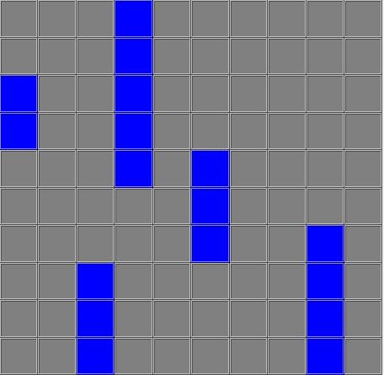
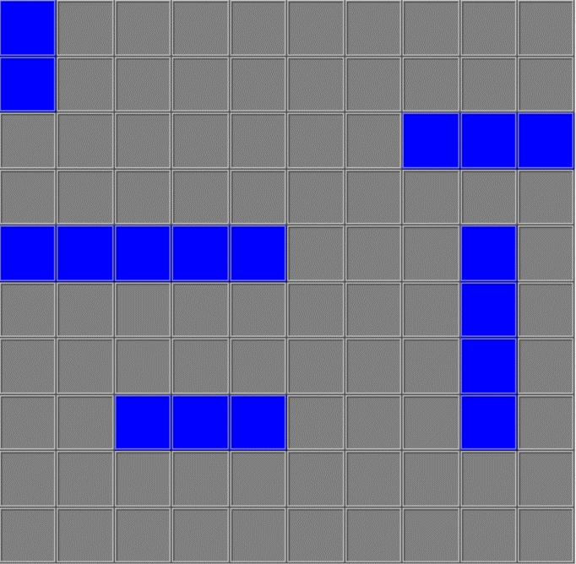
 |  |  |  |  |  |  |  |  |  |  |  |  | 53 | 81 | 50 | 52 | 39 |  | 53 | 97 | 43 | 38 | 51 |  | 53 | 99 | 53 | 37 | 36 |  | 57 | 98 | 62 | 46 | 57
 |  |  |  |  |  |  |  |  |  |  |  |  | 54 | 96 | 50 | 47 | 37 |  | 54 | 99 | 52 | 34 | 42 |  | 54 | 97 | 55 | 35 | 36 |  | 63 | 95 | 71 | 33 | 57
 |  |  |  |  |  |  |  |  |  |  |  |  | 55 | 96 | 76 | 42 | 43 |  | 55 | 98 | 67 | 41 | 35 |  | 55 | 100 | 45 | 32 | 34 |  | 65 | 95 | 74 | 48 | 57
 |  |  |  |  |  |  |  |  |  |  |  |  | 56 | 93 | 45 | 37 | 42 |  | 56 | 99 | 55 | 42 | 40 |  | 56 | 99 | 46 | 47 | 30 |  | 71 | 93 | 52 | 51 | 57
 |  |  |  |  |  |  |  |  |  |  |  |  | 57 | 99 | 66 | 34 | 40 |  | 57 | 99 | 47 | 48 | 49 |  | 57 | 97 | 56 | 43 | 32 |  | 73 | 100 | 48 | 36 | 57
 |  |  |  |  |  |  |  |  |  |  |  |  | 58 | 87 | 41 | 47 | 40 |  | 58 | 88 | 36 | 40 | 53 |  | 58 | 99 | 48 | 32 | 32 |  | 85 | 100 | 63 | 43 | 57
 |  |  |  |  |  |  |  |  |  |  |  |  | 59 | 95 | 61 | 38 | 36 |  | 59 | 86 | 47 | 40 | 38 |  | 59 | 97 | 31 | 42 | 30 |  | 89 | 83 | 48 | 40 | 57
 |  |  |  |  |  |  |  |  |  |  |  |  | 60 | 98 | 35 | 47 | 43 |  | 60 | 97 | 63 | 52 | 44 |  | 60 | 80 | 41 | 45 | 38 |  | 98 | 100 | 48 | 36 | 57
 |  |  |  |  |  |  |  |  |  |  |  |  | 61 | 95 | 52 | 40 | 38 |  | 61 | 100 | 50 | 40 | 42 |  | 61 | 100 | 44 | 39 | 35 |  | 99 | 100 | 62 | 52 | 57
 |  |  |  |  |  |  |  |  |  |  |  |  | 62 | 98 | 55 | 40 | 39 |  | 62 | 99 | 54 | 42 | 43 |  | 62 | 94 | 49 | 47 | 33 |  | 6 | 100 | 51 | 32 | 56
 |  |  |  |  |  |  |  |  |  |  |  |  | 63 | 92 | 50 | 45 | 41 |  | 63 | 99 | 60 | 31 | 57 |  | 63 | 93 | 57 | 41 | 31 |  | 11 | 94 | 60 | 47 | 56
 |  |  |  |  |  |  |  |  |  |  |  |  | 64 | 99 | 53 | 38 | 41 |  | 64 | 97 | 27 | 41 | 48 |  | 64 | 98 | 48 | 39 | 30 |  | 26 | 83 | 47 | 38 | 56
 |  |  |  |  |  |  |  |  |  |  |  |  | 65 | 94 | 40 | 45 | 44 |  | 65 | 100 | 39 | 42 | 49 |  | 65 | 99 | 59 | 32 | 29 |  | 30 | 92 | 32 | 50 | 56
 |  |  |  |  |  |  |  |  |  |  |  |  | 66 | 98 | 62 | 29 | 42 |  | 66 | 97 | 51 | 38 | 47 |  | 66 | 99 | 35 | 33 | 27 |  | 33 | 92 | 69 | 39 | 56
 |  |  |  |  |  |  |  |  |  |  |  |  | 67 | 99 | 37 | 45 | 42 |  | 67 | 100 | 43 | 47 | 44 |  | 67 | 98 | 30 | 37 | 31 |  | 45 | 98 | 36 | 46 | 56
 |  |  |  |  |  |  |  |  |  |  |  |  | 68 | 97 | 62 | 41 | 34 |  | 68 | 100 | 34 | 48 | 44 |  | 68 | 88 | 39 | 37 | 32 |  | 53 | 98 | 48 | 46 | 56
 |  |  |  |  |  |  |  |  |  |  |  |  | 69 | 99 | 63 | 52 | 41 |  | 69 | 93 | 56 | 51 | 47 |  | 69 | 100 | 47 | 40 | 33 |  | 54 | 100 | 35 | 46 | 56
 |  |  |  |  |  |  |  |  |  |  |  |  | 70 | 100 | 60 | 46 | 42 |  | 70 | 98 | 54 | 41 | 55 |  | 70 | 100 | 41 | 39 | 34 |  | 60 | 88 | 42 | 48 | 56
 |  |  |  |  |  |  |  |  |  |  |  |  | 71 | 99 | 30 | 32 | 38 |  | 71 | 93 | 53 | 41 | 40 |  | 71 | 98 | 48 | 45 | 31 |  | 72 | 97 | 63 | 41 | 56
 |  |  |  |  |  |  |  |  |  |  |  |  | 72 | 98 | 38 | 38 | 38 |  | 72 | 95 | 28 | 39 | 36 |  | 72 | 100 | 58 | 41 | 35 |  | 83 | 97 | 50 | 44 | 56
 |  |  |  |  |  |  |  |  |  |  |  |  | 73 | 97 | 44 | 36 | 37 |  | 73 | 100 | 36 | 47 | 39 |  | 73 | 86 | 49 | 38 | 35 |  | 84 | 96 | 69 | 37 | 56
 |  |  |  |  |  |  |  |  |  |  |  |  | 74 | 98 | 48 | 39 | 40 |  | 74 | 99 | 46 | 37 | 41 |  | 74 | 100 | 50 | 34 | 34 |  | 90 | 96 | 68 | 38 | 56
 |  |  |  |  |  |  |  |  |  |  |  |  | 75 | 100 | 48 | 36 | 42 |  | 75 | 90 | 51 | 42 | 52 |  | 75 | 100 | 49 | 33 | 34 |  | 97 | 99 | 40 | 26 | 56
 |  |  |  |  |  |  |  |  |  |  |  |  | 76 | 100 | 54 | 41 | 35 |  | 76 | 96 | 32 | 40 | 43 |  | 76 | 98 | 24 | 47 | 35 |  | 4 | 97 | 63 | 41 | 55
 |  |  |  |  |  |  |  |  |  |  |  |  | 77 | 93 | 54 | 46 | 40 |  | 77 | 98 | 38 | 41 | 43 |  | 77 | 98 | 38 | 36 | 33 |  | 10 | 90 | 46 | 30 | 55
 |  |  |  |  |  |  |  |  |  |  |  |  | 78 | 92 | 57 | 40 | 43 |  | 78 | 98 | 48 | 38 | 44 |  | 78 | 96 | 48 | 42 | 35 |  | 22 | 97 | 58 | 30 | 55
 |  |  |  |  |  |  |  |  |  |  |  |  | 79 | 95 | 51 | 44 | 39 |  | 79 | 99 | 58 | 43 | 43 |  | 79 | 96 | 49 | 28 | 29 |  | 24 | 98 | 62 | 37 | 55
 |  |  |  |  |  |  |  |  |  |  |  |  | 80 | 96 | 49 | 42 | 41 |  | 80 | 91 | 57 | 45 | 42 |  | 80 | 86 | 44 | 41 | 35 |  | 29 | 98 | 45 | 41 | 55
 |  |  |  |  |  |  |  |  |  |  |  |  | 81 | 93 | 48 | 43 | 41 |  | 81 | 98 | 45 | 50 | 43 |  | 81 | 100 | 61 | 36 | 36 |  | 31 | 91 | 64 | 28 | 55
 |  |  |  |  |  |  |  |  |  |  |  |  | 82 | 100 | 48 | 37 | 41 |  | 82 | 100 | 50 | 44 | 43 |  | 82 | 96 | 28 | 36 | 37 |  | 48 | 98 | 49 | 43 | 55
 |  |  |  |  |  |  |  |  |  |  |  |  | 83 | 94 | 53 | 50 | 39 |  | 83 | 93 | 48 | 42 | 40 |  | 83 | 96 | 46 | 37 | 34 |  | 55 | 97 | 76 | 38 | 55
 |  |  |  |  |  |  |  |  |  |  |  |  | 84 | 95 | 26 | 35 | 41 |  | 84 | 96 | 32 | 43 | 46 |  | 84 | 100 | 31 | 40 | 32 |  | 58 | 100 | 52 | 48 | 55
 |  |  |  |  |  |  |  |  |  |  |  |  | 85 | 94 | 43 | 37 | 38 |  | 85 | 100 | 44 | 33 | 51 |  | 85 | 100 | 63 | 39 | 34 |  | 59 | 99 | 46 | 45 | 55
 |  |  |  |  |  |  |  |  |  |  |  |  | 86 | 97 | 58 | 41 | 41 |  | 86 | 89 | 36 | 45 | 55 |  | 86 | 98 | 45 | 45 | 37 |  | 61 | 96 | 56 | 46 | 55
 |  |  |  |  |  |  |  |  |  |  |  |  | 87 | 90 | 62 | 38 | 45 |  | 87 | 93 | 47 | 43 | 49 |  | 87 | 98 | 42 | 43 | 33 |  | 67 | 91 | 42 | 45 | 55
 |  |  |  |  |  |  |  |  |  |  |  |  | 88 | 100 | 35 | 45 | 43 |  | 88 | 93 | 49 | 41 | 54 |  | 88 | 97 | 41 | 37 | 34 |  | 70 | 87 | 41 | 48 | 55
 |  |  |  |  |  |  |  |  |  |  |  |  | 89 | 87 | 51 | 46 | 41 |  | 89 | 98 | 41 | 45 | 48 |  | 89 | 93 | 47 | 25 | 29 |  | 81 | 99 | 67 | 51 | 55
 |  |  |  |  |  |  |  |  |  |  |  |  | 90 | 99 | 46 | 29 | 42 |  | 90 | 93 | 48 | 48 | 41 |  | 90 | 92 | 67 | 45 | 33 |  | 94 | 96 | 76 | 44 | 55
 |  |  |  |  |  |  |  |  |  |  |  |  | 91 | 97 | 44 | 34 | 40 |  | 91 | 93 | 36 | 37 | 43 |  | 91 | 93 | 26 | 33 | 32 |  | 100 | 98 | 53 | 41 | 55
 |  |  |  |  |  |  |  |  |  |  |  |  | 92 | 99 | 30 | 34 | 42 |  | 92 | 99 | 53 | 41 | 34 |  | 92 | 88 | 43 | 39 | 32 |  | 7 | 95 | 64 | 47 | 54
 |  |  |  |  |  |  |  |  |  |  |  |  | 93 | 93 | 44 | 46 | 38 |  | 93 | 100 | 38 | 42 | 41 |  | 93 | 96 | 38 | 34 | 32 |  | 25 | 81 | 50 | 42 | 54
 |  |  |  |  |  |  |  |  |  |  |  |  | 94 | 97 | 42 | 45 | 44 |  | 94 | 98 | 23 | 47 | 39 |  | 94 | 93 | 47 | 39 | 36 |  | 32 | 100 | 26 | 48 | 54
 |  |  |  |  |  |  |  |  |  |  |  |  | 95 | 99 | 51 | 36 | 40 |  | 95 | 93 | 63 | 45 | 48 |  | 95 | 96 | 50 | 36 | 32 |  | 34 | 98 | 58 | 31 | 54
 |  |  |  |  |  |  |  |  |  |  |  |  | 96 | 97 | 45 | 44 | 40 |  | 96 | 95 | 46 | 42 | 33 |  | 96 | 85 | 65 | 47 | 31 |  | 35 | 97 | 79 | 33 | 54
 |  |  |  |  |  |  |  |  |  |  |  |  | 97 | 100 | 39 | 39 | 42 |  | 97 | 100 | 44 | 33 | 53 |  | 97 | 94 | 37 | 36 | 31 |  | 43 | 91 | 66 | 45 | 54
 |  |  |  |  |  |  |  |  |  |  |  |  | 98 | 89 | 40 | 37 | 42 |  | 98 | 100 | 48 | 44 | 46 |  | 98 | 94 | 50 | 43 | 30 |  | 66 | 100 | 53 | 46 | 54
 |  |  |  |  |  |  |  |  |  |  |  |  | 99 | 89 | 32 | 39 | 38 |  | 99 | 92 | 45 | 45 | 45 |  | 99 | 99 | 58 | 44 | 37 |  | 74 | 86 | 63 | 41 | 54
 |  |  |  |  |  |  |  |  |  |  |  |  | 100 | 100 | 58 | 48 | 38 |  | 100 | 89 | 37 | 40 | 42 |  | 100 | 97 | 46 | 42 | 33 |  | 56 | 96 | 52 | 45 | 53
 |  |  |  |  |  |  |  |  |  |  |  |  | Avg | 95.64 | 48.03 | 40.02 | 40.31 |  | Avg | 95.23 | 44.92 | 42.18 | 44.49 |  | Avg | 94.99 | 46.18 | 38.33 | 33.12 |  | Avg | 94.99 | 54.38 | 41.36 | 56.92
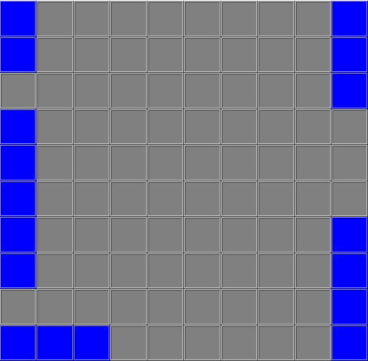
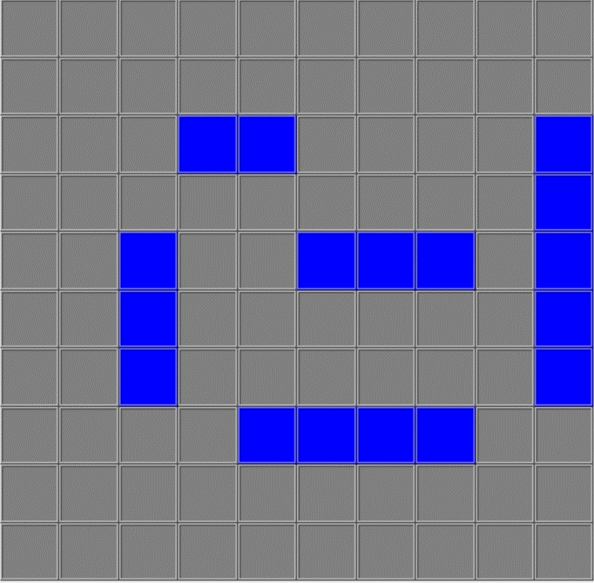
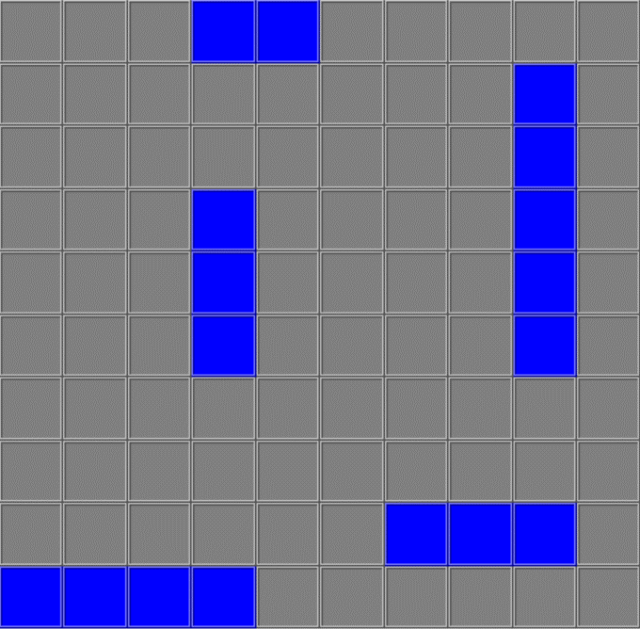
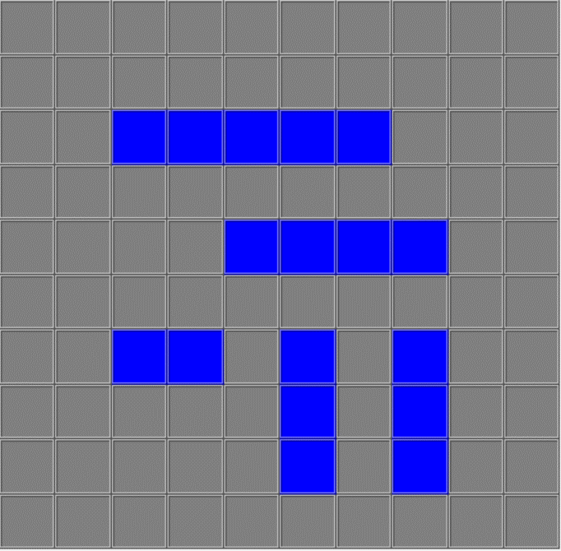

 |  |  |  |  |  |  |  |  |  |  |  |  | Destroyer | Submarine | Cruiser | Battleship | Carrier |  | Destroyer | Submarine | Cruiser | Battleship | Carrier |  | Destroyer | Submarine | Cruiser | Battleship | Carrier |  | Destroyer | Submarine | Cruiser | Battleship | Carrier
 |  |  |  |  |  |  |  |  |  |  |  | Position | C4 | E6 | E3 | H5 | C10 | Position | A4 | D4 | I7 | J1 | B9 | Position | G3 | G8 | G6 | E5 | C3 | Position | A1 | A10 | J1 | G10 | D1
 |  |  |  |  |  |  |  |  |  |  |  | Orientation | Horizontal | Horizontal | Vertical | Horizontal | Vertical | Orientation | Horizontal | Vertical | Horizontal | Horizontal | Vertical | Orientation | Horizontal | Vertical | Vertical | Horizontal | Horizontal | Orientation | Vertical | Vertical | Horizontal | Vertical | Vertical
 |  |  |  |  |  |  |  |  |  |  |  |  | Test | Beginner | Easy | Medium | Hard |  | Test | Beginner | Easy | Medium | Hard |  | Test | Beginner | Easy | Medium | Hard |  | Test | Beginner | Easy | Medium | Hard
 |  |  |  |  |  |  |  |  |  |  |  |  | 1 | 95 | 58 | 38 | 39 |  | 1 | 90 | 38 | 38 | 42 |  | 1 | 98 | 53 | 30 | 34 |  | 40 | 81 | 62 | 48 | 60
 |  |  |  |  |  |  |  |  |  |  |  |  | 2 | 97 | 35 | 46 | 42 |  | 2 | 98 | 43 | 47 | 38 |  | 2 | 86 | 41 | 39 | 32 |  | 93 | 93 | 79 | 36 | 59
 |  |  |  |  |  |  |  |  |  |  |  |  | 3 | 97 | 43 | 44 | 40 |  | 3 | 96 | 26 | 36 | 39 |  | 3 | 100 | 46 | 34 | 31 |  | 73 | 100 | 48 | 36 | 52
 |  |  |  |  |  |  |  |  |  |  |  |  | 4 | 100 | 46 | 34 | 36 |  | 4 | 96 | 46 | 40 | 32 |  | 4 | 97 | 43 | 34 | 36 |  | 83 | 97 | 50 | 44 | 63
 |  |  |  |  |  |  |  |  |  |  |  |  | 5 | 95 | 61 | 32 | 42 |  | 5 | 98 | 32 | 31 | 35 |  | 5 | 74 | 54 | 40 | 34 |  | 99 | 100 | 62 | 52 | 58
 |  |  |  |  |  |  |  |  |  |  |  |  | 6 | 88 | 47 | 31 | 40 |  | 6 | 87 | 44 | 52 | 36 |  | 6 | 100 | 69 | 26 | 43 |  | 62 | 93 | 60 | 31 | 57
 |  |  |  |  |  |  |  |  |  |  |  |  | 7 | 88 | 35 | 41 | 46 |  | 7 | 97 | 39 | 43 | 46 |  | 7 | 97 | 58 | 28 | 31 |  | 50 | 100 | 46 | 52 | 58
 |  |  |  |  |  |  |  |  |  |  |  |  | 8 | 100 | 39 | 38 | 45 |  | 8 | 85 | 42 | 31 | 40 |  | 8 | 91 | 66 | 36 | 45 |  | 55 | 97 | 76 | 38 | 56
 |  |  |  |  |  |  |  |  |  |  |  |  | 9 | 90 | 37 | 42 | 39 |  | 9 | 97 | 36 | 28 | 35 |  | 9 | 98 | 24 | 43 | 40 |  | 56 | 96 | 52 | 45 | 55
 |  |  |  |  |  |  |  |  |  |  |  |  | 10 | 89 | 40 | 42 | 40 |  | 10 | 96 | 64 | 46 | 38 |  | 10 | 94 | 43 | 40 | 33 |  | 24 | 98 | 62 | 37 | 53
 |  |  |  |  |  |  |  |  |  |  |  |  | 11 | 90 | 50 | 45 | 35 |  | 11 | 99 | 38 | 47 | 45 |  | 11 | 99 | 61 | 39 | 29 |  | 4 | 97 | 63 | 41 | 58
 |  |  |  |  |  |  |  |  |  |  |  |  | 12 | 95 | 51 | 32 | 48 |  | 12 | 94 | 38 | 41 | 35 |  | 12 | 96 | 34 | 31 | 44 |  | 60 | 88 | 42 | 48 | 58
 |  |  |  |  |  |  |  |  |  |  |  |  | 13 | 99 | 35 | 39 | 38 |  | 13 | 88 | 46 | 37 | 34 |  | 13 | 98 | 56 | 42 | 31 |  | 11 | 94 | 60 | 47 | 61
 |  |  |  |  |  |  |  |  |  |  |  |  | 14 | 96 | 75 | 44 | 49 |  | 14 | 89 | 53 | 48 | 39 |  | 14 | 92 | 56 | 38 | 25 |  | 7 | 95 | 64 | 47 | 53
 |  |  |  |  |  |  |  |  |  |  |  |  | 15 | 88 | 46 | 38 | 38 |  | 15 | 95 | 69 | 39 | 33 |  | 15 | 88 | 37 | 39 | 48 |  | 81 | 99 | 67 | 51 | 55
 |  |  |  |  |  |  |  |  |  |  |  |  | 16 | 100 | 57 | 41 | 41 |  | 16 | 92 | 30 | 42 | 46 |  | 16 | 97 | 46 | 39 | 32 |  | 97 | 99 | 40 | 26 | 56
 |  |  |  |  |  |  |  |  |  |  |  |  | 17 | 100 | 46 | 46 | 34 |  | 17 | 99 | 40 | 39 | 41 |  | 17 | 94 | 47 | 25 | 37 |  | 79 | 99 | 67 | 43 | 56
 |  |  |  |  |  |  |  |  |  |  |  |  | 18 | 98 | 38 | 30 | 36 |  | 18 | 90 | 46 | 45 | 41 |  | 18 | 100 | 56 | 44 | 32 |  | 17 | 100 | 52 | 36 | 54
 |  |  |  |  |  |  |  |  |  |  |  |  | 19 | 92 | 39 | 35 | 40 |  | 19 | 94 | 40 | 40 | 46 |  | 19 | 79 | 34 | 42 | 32 |  | 59 | 99 | 46 | 45 | 61
 |  |  |  |  |  |  |  |  |  |  |  |  | 20 | 97 | 57 | 39 | 42 |  | 20 | 93 | 45 | 42 | 44 |  | 20 | 89 | 42 | 45 | 50 |  | 92 | 90 | 79 | 39 | 58
 |  |  |  |  |  |  |  |  |  |  |  |  | 21 | 99 | 34 | 35 | 41 |  | 21 | 99 | 40 | 42 | 35 |  | 21 | 98 | 58 | 39 | 33 |  | 35 | 97 | 79 | 33 | 60
 |  |  |  |  |  |  |  |  |  |  |  |  | 22 | 99 | 48 | 41 | 45 |  | 22 | 95 | 60 | 43 | 36 |  | 22 | 91 | 33 | 35 | 44 |  | 41 | 91 | 70 | 45 | 55
 |  |  |  |  |  |  |  |  |  |  |  |  | 23 | 92 | 45 | 35 | 36 |  | 23 | 99 | 62 | 34 | 41 |  | 23 | 81 | 54 | 40 | 47 |  | 3 | 99 | 58 | 43 | 59
 |  |  |  |  |  |  |  |  |  |  |  |  | 24 | 94 | 56 | 40 | 48 |  | 24 | 92 | 31 | 45 | 53 |  | 24 | 96 | 46 | 41 | 33 |  | 64 | 98 | 62 | 42 | 53
 |  |  |  |  |  |  |  |  |  |  |  |  | 25 | 100 | 54 | 36 | 44 |  | 25 | 93 | 44 | 49 | 41 |  | 25 | 98 | 46 | 42 | 34 |  | 20 | 96 | 50 | 45 | 58
 |  |  |  |  |  |  |  |  |  |  |  |  | 26 | 97 | 47 | 33 | 38 |  | 26 | 94 | 41 | 39 | 36 |  | 26 | 77 | 44 | 38 | 44 |  | 22 | 97 | 58 | 30 | 55
 |  |  |  |  |  |  |  |  |  |  |  |  | 27 | 89 | 67 | 46 | 37 |  | 27 | 91 | 47 | 31 | 43 |  | 27 | 97 | 30 | 40 | 37 |  | 82 | 99 | 63 | 37 | 57
 |  |  |  |  |  |  |  |  |  |  |  |  | 28 | 93 | 41 | 34 | 44 |  | 28 | 93 | 47 | 45 | 36 |  | 28 | 99 | 47 | 34 | 37 |  | 15 | 89 | 48 | 47 | 59
 |  |  |  |  |  |  |  |  |  |  |  |  | 29 | 98 | 57 | 35 | 38 |  | 29 | 83 | 68 | 31 | 37 |  | 29 | 96 | 54 | 44 | 39 |  | 30 | 92 | 32 | 50 | 53
 |  |  |  |  |  |  |  |  |  |  |  |  | 30 | 100 | 50 | 47 | 35 |  | 30 | 90 | 39 | 46 | 41 |  | 30 | 99 | 48 | 36 | 38 |  | 26 | 83 | 47 | 38 | 54
 |  |  |  |  |  |  |  |  |  |  |  |  | 31 | 99 | 59 | 23 | 54 |  | 31 | 93 | 47 | 43 | 39 |  | 31 | 95 | 60 | 32 | 31 |  | 70 | 87 | 41 | 48 | 56
 |  |  |  |  |  |  |  |  |  |  |  |  | 32 | 95 | 49 | 49 | 46 |  | 32 | 94 | 50 | 46 | 40 |  | 32 | 97 | 48 | 46 | 40 |  | 47 | 97 | 27 | 42 | 57
 |  |  |  |  |  |  |  |  |  |  |  |  | 33 | 96 | 34 | 42 | 45 |  | 33 | 97 | 46 | 44 | 35 |  | 33 | 93 | 67 | 40 | 36 |  | 61 | 96 | 56 | 46 | 61
 |  |  |  |  |  |  |  |  |  |  |  |  | 34 | 95 | 63 | 39 | 45 |  | 34 | 100 | 30 | 48 | 35 |  | 34 | 95 | 56 | 35 | 31 |  | 52 | 96 | 52 | 34 | 56
 |  |  |  |  |  |  |  |  |  |  |  |  | 35 | 88 | 33 | 35 | 36 |  | 35 | 90 | 40 | 43 | 35 |  | 35 | 99 | 35 | 38 | 30 |  | 9 | 97 | 35 | 48 | 55
 |  |  |  |  |  |  |  |  |  |  |  |  | 36 | 93 | 34 | 28 | 38 |  | 36 | 96 | 48 | 34 | 46 |  | 36 | 87 | 31 | 44 | 42 |  | 45 | 98 | 36 | 46 | 59
 |  |  |  |  |  |  |  |  |  |  |  |  | 37 | 96 | 32 | 44 | 38 |  | 37 | 100 | 37 | 49 | 39 |  | 37 | 100 | 43 | 39 | 32 |  | 84 | 96 | 69 | 37 | 53
 |  |  |  |  |  |  |  |  |  |  |  |  | 38 | 99 | 43 | 28 | 43 |  | 38 | 98 | 64 | 54 | 32 |  | 38 | 90 | 46 | 47 | 45 |  | 25 | 81 | 50 | 42 | 55
 |  |  |  |  |  |  |  |  |  |  |  |  | 39 | 100 | 53 | 40 | 40 |  | 39 | 89 | 61 | 44 | 38 |  | 39 | 96 | 41 | 40 | 43 |  | 38 | 96 | 72 | 39 | 58
 |  |  |  |  |  |  |  |  |  |  |  |  | 40 | 95 | 53 | 42 | 50 |  | 40 | 100 | 52 | 50 | 35 |  | 40 | 96 | 52 | 40 | 43 |  | 34 | 98 | 58 | 31 | 52
 |  |  |  |  |  |  |  |  |  |  |  |  | 41 | 93 | 48 | 46 | 36 |  | 41 | 96 | 37 | 46 | 43 |  | 41 | 95 | 49 | 32 | 33 |  | 89 | 83 | 48 | 40 | 57
 |  |  |  |  |  |  |  |  |  |  |  |  | 42 | 100 | 61 | 44 | 41 |  | 42 | 100 | 49 | 52 | 36 |  | 42 | 87 | 28 | 35 | 42 |  | 69 | 88 | 60 | 20 | 53
 |  |  |  |  |  |  |  |  |  |  |  |  | 43 | 98 | 50 | 36 | 39 |  | 43 | 99 | 38 | 43 | 49 |  | 43 | 94 | 31 | 43 | 42 |  | 2 | 91 | 31 | 34 | 59
 |  |  |  |  |  |  |  |  |  |  |  |  | 44 | 97 | 57 | 32 | 39 |  | 44 | 96 | 54 | 41 | 35 |  | 44 | 100 | 44 | 32 | 34 |  | 87 | 90 | 51 | 50 | 58
 |  |  |  |  |  |  |  |  |  |  |  |  | 45 | 99 | 36 | 44 | 38 |  | 45 | 97 | 33 | 36 | 43 |  | 45 | 96 | 35 | 41 | 44 |  | 29 | 98 | 45 | 41 | 56
 |  |  |  |  |  |  |  |  |  |  |  |  | 46 | 100 | 46 | 36 | 37 |  | 46 | 92 | 30 | 46 | 53 |  | 46 | 93 | 75 | 43 | 38 |  | 95 | 95 | 58 | 39 | 57
 |  |  |  |  |  |  |  |  |  |  |  |  | 47 | 97 | 65 | 39 | 44 |  | 47 | 100 | 30 | 48 | 36 |  | 47 | 98 | 30 | 40 | 33 |  | 5 | 97 | 72 | 47 | 56
 |  |  |  |  |  |  |  |  |  |  |  |  | 48 | 100 | 42 | 48 | 40 |  | 48 | 98 | 38 | 49 | 36 |  | 48 | 100 | 64 | 39 | 30 |  | 85 | 100 | 63 | 43 | 56
 |  |  |  |  |  |  |  |  |  |  |  |  | 49 | 94 | 56 | 43 | 38 |  | 49 | 93 | 52 | 45 | 42 |  | 49 | 100 | 36 | 32 | 34 |  | 44 | 96 | 68 | 34 | 55
 |  |  |  |  |  |  |  |  |  |  |  |  | 50 | 90 | 48 | 40 | 42 |  | 50 | 90 | 35 | 38 | 33 |  | 50 | 98 | 42 | 30 | 48 |  | 96 | 91 | 54 | 50 | 55
 |  |  |  |  |  |  |  |  |  |  |  |  | 51 | 94 | 38 | 49 | 37 |  | 51 | 86 | 35 | 43 | 43 |  | 51 | 93 | 35 | 43 | 33 |  | 74 | 86 | 63 | 41 | 56
 |  |  |  |  |  |  |  |  |  |  |  |  | 52 | 98 | 43 | 54 | 37 |  | 52 | 100 | 54 | 40 | 40 |  | 52 | 98 | 32 | 41 | 34 |  | 39 | 100 | 52 | 47 | 58
 |  |  |  |  |  |  |  |  |  |  |  |  | 53 | 81 | 50 | 52 | 41 |  | 53 | 97 | 43 | 38 | 42 |  | 53 | 99 | 53 | 37 | 38 |  | 67 | 91 | 42 | 45 | 60
 |  |  |  |  |  |  |  |  |  |  |  |  | 54 | 96 | 50 | 47 | 43 |  | 54 | 99 | 52 | 34 | 52 |  | 54 | 97 | 55 | 35 | 36 |  | 19 | 96 | 56 | 45 | 58
 |  |  |  |  |  |  |  |  |  |  |  |  | 55 | 96 | 76 | 42 | 39 |  | 55 | 98 | 67 | 41 | 52 |  | 55 | 100 | 45 | 32 | 40 |  | 88 | 100 | 49 | 45 | 57
 |  |  |  |  |  |  |  |  |  |  |  |  | 56 | 93 | 45 | 37 | 33 |  | 56 | 99 | 55 | 42 | 35 |  | 56 | 99 | 46 | 47 | 43 |  | 27 | 97 | 62 | 49 | 54
 |  |  |  |  |  |  |  |  |  |  |  |  | 57 | 99 | 66 | 34 | 39 |  | 57 | 99 | 47 | 48 | 47 |  | 57 | 97 | 56 | 43 | 45 |  | 54 | 100 | 35 | 46 | 57
 |  |  |  |  |  |  |  |  |  |  |  |  | 58 | 87 | 41 | 47 | 44 |  | 58 | 88 | 36 | 40 | 51 |  | 58 | 99 | 48 | 32 | 43 |  | 51 | 94 | 54 | 40 | 51
 |  |  |  |  |  |  |  |  |  |  |  |  | 59 | 95 | 61 | 38 | 44 |  | 59 | 86 | 47 | 40 | 34 |  | 59 | 97 | 31 | 42 | 36 |  | 21 | 99 | 48 | 36 | 59
 |  |  |  |  |  |  |  |  |  |  |  |  | 60 | 98 | 35 | 47 | 37 |  | 60 | 97 | 63 | 52 | 36 |  | 60 | 80 | 41 | 45 | 43 |  | 68 | 98 | 39 | 44 | 57
 |  |  |  |  |  |  |  |  |  |  |  |  | 61 | 95 | 52 | 40 | 42 |  | 61 | 100 | 50 | 40 | 40 |  | 61 | 100 | 44 | 39 | 33 |  | 36 | 98 | 52 | 47 | 58
 |  |  |  |  |  |  |  |  |  |  |  |  | 62 | 98 | 55 | 40 | 42 |  | 62 | 99 | 54 | 42 | 45 |  | 62 | 94 | 49 | 47 | 36 |  | 91 | 93 | 65 | 43 | 54
 |  |  |  |  |  |  |  |  |  |  |  |  | 63 | 92 | 50 | 45 | 38 |  | 63 | 99 | 60 | 31 | 39 |  | 63 | 93 | 57 | 41 | 38 |  | 12 | 96 | 50 | 23 | 56
 |  |  |  |  |  |  |  |  |  |  |  |  | 64 | 99 | 53 | 38 | 41 |  | 64 | 97 | 27 | 41 | 50 |  | 64 | 98 | 48 | 39 | 39 |  | 48 | 98 | 49 | 43 | 62
 |  |  |  |  |  |  |  |  |  |  |  |  | 65 | 94 | 40 | 45 | 39 |  | 65 | 100 | 39 | 42 | 37 |  | 65 | 99 | 59 | 32 | 44 |  | 23 | 97 | 39 | 48 | 54
 |  |  |  |  |  |  |  |  |  |  |  |  | 66 | 98 | 62 | 29 | 35 |  | 66 | 97 | 51 | 38 | 34 |  | 66 | 99 | 35 | 33 | 43 |  | 90 | 96 | 68 | 38 | 54
 |  |  |  |  |  |  |  |  |  |  |  |  | 67 | 99 | 37 | 45 | 43 |  | 67 | 100 | 43 | 47 | 36 |  | 67 | 98 | 30 | 37 | 34 |  | 75 | 100 | 39 | 50 | 57
 |  |  |  |  |  |  |  |  |  |  |  |  | 68 | 97 | 62 | 41 | 38 |  | 68 | 100 | 34 | 48 | 35 |  | 68 | 88 | 39 | 37 | 41 |  | 80 | 96 | 44 | 51 | 58
 |  |  |  |  |  |  |  |  |  |  |  |  | 69 | 99 | 63 | 52 | 39 |  | 69 | 93 | 56 | 51 | 41 |  | 69 | 100 | 47 | 40 | 38 |  | 49 | 89 | 52 | 42 | 53
 |  |  |  |  |  |  |  |  |  |  |  |  | 70 | 100 | 60 | 46 | 35 |  | 70 | 98 | 54 | 41 | 45 |  | 70 | 100 | 41 | 39 | 38 |  | 53 | 98 | 48 | 46 | 55
 |  |  |  |  |  |  |  |  |  |  |  |  | 71 | 99 | 30 | 32 | 38 |  | 71 | 93 | 53 | 41 | 44 |  | 71 | 98 | 48 | 45 | 32 |  | 65 | 95 | 74 | 48 | 54
 |  |  |  |  |  |  |  |  |  |  |  |  | 72 | 98 | 38 | 38 | 38 |  | 72 | 95 | 28 | 39 | 39 |  | 72 | 100 | 58 | 41 | 39 |  | 8 | 92 | 53 | 38 | 54
 |  |  |  |  |  |  |  |  |  |  |  |  | 73 | 97 | 44 | 36 | 41 |  | 73 | 100 | 36 | 47 | 40 |  | 73 | 86 | 49 | 38 | 41 |  | 77 | 95 | 58 | 44 | 57
 |  |  |  |  |  |  |  |  |  |  |  |  | 74 | 98 | 48 | 39 | 35 |  | 74 | 99 | 46 | 37 | 41 |  | 74 | 100 | 50 | 34 | 46 |  | 31 | 91 | 64 | 28 | 53
 |  |  |  |  |  |  |  |  |  |  |  |  | 75 | 100 | 48 | 36 | 37 |  | 75 | 90 | 51 | 42 | 43 |  | 75 | 100 | 49 | 33 | 44 |  | 1 | 98 | 57 | 29 | 58
 |  |  |  |  |  |  |  |  |  |  |  |  | 76 | 100 | 54 | 41 | 42 |  | 76 | 96 | 32 | 40 | 44 |  | 76 | 98 | 24 | 47 | 30 |  | 16 | 96 | 30 | 45 | 55
 |  |  |  |  |  |  |  |  |  |  |  |  | 77 | 93 | 54 | 46 | 45 |  | 77 | 98 | 38 | 41 | 44 |  | 77 | 98 | 38 | 36 | 33 |  | 66 | 100 | 53 | 46 | 58
 |  |  |  |  |  |  |  |  |  |  |  |  | 78 | 92 | 57 | 40 | 40 |  | 78 | 98 | 48 | 38 | 40 |  | 78 | 96 | 48 | 42 | 44 |  | 46 | 99 | 41 | 42 | 61
 |  |  |  |  |  |  |  |  |  |  |  |  | 79 | 95 | 51 | 44 | 38 |  | 79 | 99 | 58 | 43 | 37 |  | 79 | 96 | 49 | 28 | 51 |  | 6 | 100 | 51 | 32 | 61
 |  |  |  |  |  |  |  |  |  |  |  |  | 80 | 96 | 49 | 42 | 38 |  | 80 | 91 | 57 | 45 | 34 |  | 80 | 86 | 44 | 41 | 39 |  | 76 | 74 | 51 | 41 | 53
 |  |  |  |  |  |  |  |  |  |  |  |  | 81 | 93 | 48 | 43 | 47 |  | 81 | 98 | 45 | 50 | 34 |  | 81 | 100 | 61 | 36 | 28 |  | 78 | 97 | 40 | 42 | 57
 |  |  |  |  |  |  |  |  |  |  |  |  | 82 | 100 | 48 | 37 | 39 |  | 82 | 100 | 50 | 44 | 36 |  | 82 | 96 | 28 | 36 | 38 |  | 42 | 85 | 63 | 50 | 56
 |  |  |  |  |  |  |  |  |  |  |  |  | 83 | 94 | 53 | 50 | 41 |  | 83 | 93 | 48 | 42 | 52 |  | 83 | 96 | 46 | 37 | 33 |  | 18 | 96 | 43 | 33 | 57
 |  |  |  |  |  |  |  |  |  |  |  |  | 84 | 95 | 26 | 35 | 38 |  | 84 | 96 | 32 | 43 | 45 |  | 84 | 100 | 31 | 40 | 41 |  | 71 | 93 | 52 | 51 | 57
 |  |  |  |  |  |  |  |  |  |  |  |  | 85 | 94 | 43 | 37 | 37 |  | 85 | 100 | 44 | 33 | 37 |  | 85 | 100 | 63 | 39 | 38 |  | 10 | 90 | 46 | 30 | 56
 |  |  |  |  |  |  |  |  |  |  |  |  | 86 | 97 | 58 | 41 | 40 |  | 86 | 89 | 36 | 45 | 32 |  | 86 | 98 | 45 | 45 | 41 |  | 72 | 97 | 63 | 41 | 58
 |  |  |  |  |  |  |  |  |  |  |  |  | 87 | 90 | 62 | 38 | 39 |  | 87 | 93 | 47 | 43 | 35 |  | 87 | 98 | 42 | 43 | 42 |  | 37 | 100 | 47 | 31 | 55
 |  |  |  |  |  |  |  |  |  |  |  |  | 88 | 100 | 35 | 45 | 39 |  | 88 | 93 | 49 | 41 | 46 |  | 88 | 97 | 41 | 37 | 46 |  | 63 | 95 | 71 | 33 | 55
 |  |  |  |  |  |  |  |  |  |  |  |  | 89 | 87 | 51 | 46 | 38 |  | 89 | 98 | 41 | 45 | 46 |  | 89 | 93 | 47 | 25 | 41 |  | 100 | 98 | 53 | 41 | 55
 |  |  |  |  |  |  |  |  |  |  |  |  | 90 | 99 | 46 | 29 | 53 |  | 90 | 93 | 48 | 48 | 35 |  | 90 | 92 | 67 | 45 | 46 |  | 58 | 100 | 52 | 48 | 54
 |  |  |  |  |  |  |  |  |  |  |  |  | 91 | 97 | 44 | 34 | 37 |  | 91 | 93 | 36 | 37 | 43 |  | 91 | 93 | 26 | 33 | 46 |  | 98 | 100 | 48 | 36 | 56
 |  |  |  |  |  |  |  |  |  |  |  |  | 92 | 99 | 30 | 34 | 40 |  | 92 | 99 | 53 | 41 | 34 |  | 92 | 88 | 43 | 39 | 39 |  | 14 | 94 | 30 | 33 | 58
 |  |  |  |  |  |  |  |  |  |  |  |  | 93 | 93 | 44 | 46 | 43 |  | 93 | 100 | 38 | 42 | 39 |  | 93 | 96 | 38 | 34 | 41 |  | 43 | 91 | 66 | 45 | 57
 |  |  |  |  |  |  |  |  |  |  |  |  | 94 | 97 | 42 | 45 | 43 |  | 94 | 98 | 23 | 47 | 34 |  | 94 | 93 | 47 | 39 | 38 |  | 33 | 92 | 69 | 39 | 54
 |  |  |  |  |  |  |  |  |  |  |  |  | 95 | 99 | 51 | 36 | 41 |  | 95 | 93 | 63 | 45 | 35 |  | 95 | 96 | 50 | 36 | 38 |  | 94 | 96 | 76 | 44 | 56
 |  |  |  |  |  |  |  |  |  |  |  |  | 96 | 97 | 45 | 44 | 46 |  | 96 | 95 | 46 | 42 | 42 |  | 96 | 85 | 65 | 47 | 46 |  | 28 | 100 | 70 | 43 | 57
 |  |  |  |  |  |  |  |  |  |  |  |  | 97 | 100 | 39 | 39 | 39 |  | 97 | 100 | 44 | 33 | 47 |  | 97 | 94 | 37 | 36 | 42 |  | 32 | 100 | 26 | 48 | 54
 |  |  |  |  |  |  |  |  |  |  |  |  | 98 | 89 | 40 | 37 | 36 |  | 98 | 100 | 48 | 44 | 36 |  | 98 | 94 | 50 | 43 | 32 |  | 13 | 96 | 72 | 48 | 59
 |  |  |  |  |  |  |  |  |  |  |  |  | 99 | 89 | 32 | 39 | 50 |  | 99 | 92 | 45 | 45 | 37 |  | 99 | 99 | 58 | 44 | 32 |  | 86 | 92 | 61 | 29 | 56
 |  |  |  |  |  |  |  |  |  |  |  |  | 100 | 100 | 58 | 48 | 37 |  | 100 | 89 | 37 | 40 | 36 |  | 100 | 97 | 46 | 42 | 39 |  | 57 | 98 | 62 | 46 | 58
 |  |  |  |  |  |  |  |  |  |  |  |  | Avg | 95.64 | 48.03 | 40.02 | 40.46 |  | Avg | 95.23 | 44.92 | 42.18 | 39.85 |  | Avg | 94.99 | 46.18 | 38.33 | 38.17 |  | Avg | 94.99 | 54.38 | 41.36 | 56.45

