Sheet1
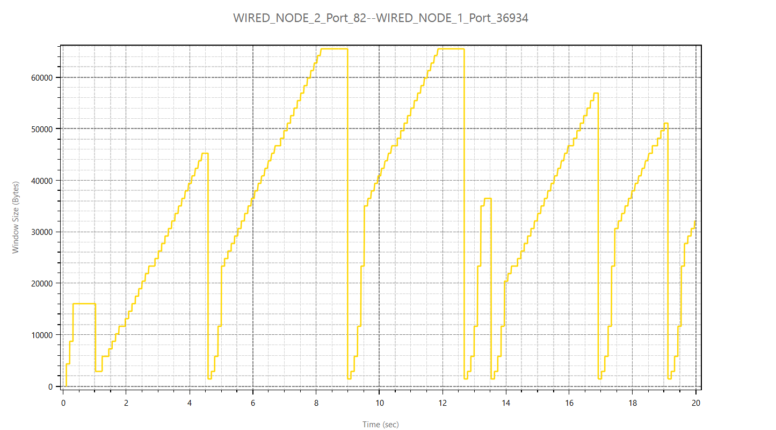
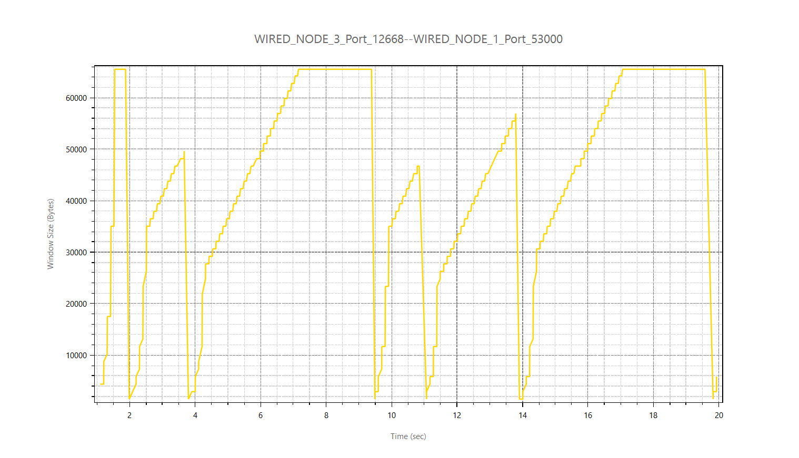
Application Id | Throughput Plot | Application Name | Source Id | Destination Id | Packet generated | Packet received | Payload generated (bytes) | Payload received (bytes) | Throughput (Mbps) | Delay(microsec) | Jitter(microsec)
1 | Application_Throughput_plot | App1_CBR | 2 | 1 | 17124 | 4268 | 25001040 | 6231280 | 2.492512 | 8302279.947 | 3586.987392
2 | Application_Throughput_plot | App2_CBR | 3 | 1 | 34247 | 5276 | 50000620 | 7702960 | 3.081184 | 9713467.2147 | 3036.615158

