Test
Test Procedure
96Boards Sensors Rev A

Manufacturing and Test Procedure

Manufacturing
Ensure that all through hole component pins on the bottom of the board are cropped to less than 1mm
Do not install 4 M2.5 header posts into 4 mounting holes. Ship as accessories with board.
Ensure through-hole pins on connectors P7 and P14 are trimmed short and cover with insulating tape. Otherwise they will short against USB connector on 96Boards baseboard

Teminology
UUT | “Unit Under Test” - Refers to the 96Boards Sensor board

96Boards Sensors Test Jig
Parts
2x20 2mm socket – Mates with UUT P6
DPDT switch
Power Supplies for +5V and +1.8V

Design
Create a 2x20mm header to connect to P6 wired as follows (Schematic also included below)
Pin 1 | GND
Pin 2 | GND
Pin 5 (U0 TX) | Wired to DPDT pin 6
Pin 7 (U0 RX) | Wired to DPDT pin 3
Pin 11 (U1 TX) | Wired to DPDT pin 2
Pin 13 (U1 RX) | Wired to DPDT pin 5
DPDT Pin 1 | Shorted to DPDT Pin 4
DPDT Pin 4 | Shorted to DPDT Pin 1
Pin 15 (SCL0) | Short to pin 23
Pin 17 (SDA0) | Short to pin 24
Pin 19 (SCL1) | Short to pin 25
Pin 21 (SDA1) | Short to pin 26
Pin 23 (GPIOA) | Short to pin 15
Pin 24 (GPIOB) | Short to pin 17
Pin 25 (GPIOC) | Short to pin 19
Pin 26 (GPIOD) | Short to pin 21
Pin 35 | Supply +1.8V
Pin 37 | Supply +5V
Pin 39 | GND
Pin 40 | GND

DPDT position labels
“Loopback” | DPDT position 0 – UART1 TX looped to UART1 RX
“Arduino” | DPDT position 1 – UART0 crosswired to UART1

Test Plan
a. | Select “Loopback” position on DPDT switch
b. | Connect UUT to test jig
c. | Verify UUT LED D2 (PWR) is lit
d. | Verify blue LED D1 (Reset) lights when reset button is pressed, and goes out when button is released
e. | Connect PC to UUT USB port (CON1)
f. | Using FTDI FT_PROG utility, flash provided template configuration into UUT's FT230X device
g. | Program ATMEGA328 using ISP header with standard Arduino UNO bootloader
h. | Using serial terminal emulator on PC, verify serial data sent is looped back
I. | Select “Arduino” position on DPDT switch
j. | Using Arduino IDE, program UUT with example “Blink” sketch. You will need to manually press the “reset” button on the UUT to initiate programming
k. | Verify UUT LED D3 (PB5) is flashing.
l. | Using Arduino IDE, program UUT with provided “BlinkAll” sketch. You will need to manually press the “reset” button on the UUT to initiate programming
m. | Connect GROVE LED modules to connectors P7-11 and P14-18. 10 modules in all (or use a single module to test each connector one at a time.)
Note: | Seeed's regular GROVE LED modules only use a single GPIO signal on the GROVE connector. For complete testing we would want a Grove module with 2 LEDs so that both signals get tested.
n. | Verify all LEDs on GROVE modules are flashing.
o. | Connect GROVE cable from P11 to P13
p. | Connect GROVE cable from P18 to P20
q. | Verify UUT LEDs are flashing: D4-D7 (GPIOA-GPIOD)
r. | Connect GROVE LED modules to P14 and P29
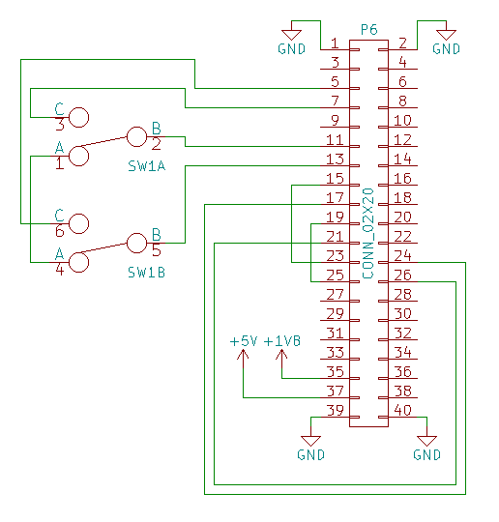
s. | Verify all LEDs on GROVE modules are flashing

FT_PROG | http://www.ftdichip.com/Support/Utilities.htm

