agriculture and manufacturing c
Ward number | Ward name | Assembly constituency[2] | Lok Sabha constituency[3]
147 | Adugodi | B.T.M Layout | Bangalore South
176 | BTM Layout | B.T.M Layout | Bangalore South
148 | Ejipura | B.T.M Layout | Bangalore South
173 | Jakkasandra | B.T.M Layout | Bangalore South
151 | Koramangala | B.T.M Layout | Bangalore South
146 | Lakkasandra | B.T.M Layout | Bangalore South
172 | Madiwala | B.T.M Layout | Bangalore South
152 | Sudduguntepalya | B.T.M Layout | Bangalore South
196 | Anjanapur | Bangalore South | Bangalore Rural
192 | Begur | Bangalore South | Bangalore Rural
194 | Gottigere | Bangalore South | Bangalore Rural
195 | Konanakunte | Bangalore South | Bangalore Rural
191 | Singasandra | Bangalore South | Bangalore Rural
184 | Uttarahalli | Bangalore South | Bangalore Rural
197 | Vasanthapura | Bangalore South | Bangalore Rural
185 | Yelachenahalli | Bangalore South | Bangalore Rural
154 | Basavanagudi | Basavanagudi | Bangalore South
162 | Giri Nagar | Basavanagudi | Bangalore South
155 | Hanumantha Nagar | Basavanagudi | Bangalore South
163 | Katriguppe | Basavanagudi | Bangalore South
156 | Sri Nagar | Basavanagudi | Bangalore South
164 | Vidyapeetha | Basavanagudi | Bangalore South
193 | Arakere | Bommanahalli | Bangalore South
188 | Bilekahalli | Bommanahalli | Bangalore South
175 | Bommanahalli | Bommanahalli | Bangalore South
189 | Hongasandra | Bommanahalli | Bangalore South
174 | HSR Layout | Bommanahalli | Bangalore South
186 | Jaraganahalli | Bommanahalli | Bangalore South
190 | Mangammanapalya | Bommanahalli | Bangalore South
187 | Puttenahalli | Bommanahalli | Bangalore South
7 | Byatarayanapura | Byatarayanapura | Bangalore North
10 | Doddabommasandra | Byatarayanapura | Bangalore North
5 | Jakkur | Byatarayanapura | Bangalore North
8 | Kodigehalli | Byatarayanapura | Bangalore North
11 | Kuvempu Nagar | Byatarayanapura | Bangalore North
6 | Thanisandra | Byatarayanapura | Bangalore North
9 | Vidyaranyapura | Byatarayanapura | Bangalore North
141 | Azad Nagar | Chamrajpet | Bangalore Central
138 | Chalavadipalya | Chamrajpet | Bangalore Central
140 | Chamrajpet | Chamrajpet | Bangalore Central
136 | Jagareevanram Nagar | Chamrajpet | Bangalore Central
139 | K.R.Market | Chamrajpet | Bangalore Central
135 | Padarayanapura | Chamrajpet | Bangalore Central
137 | Rayapuram | Chamrajpet | Bangalore Central
119 | Dharmarayaswamy Temple Ward | Chickpet | Bangalore South
145 | Hombegowda Nagar | Chickpet | Bangalore South
153 | Jayangar | Chickpet | Bangalore South
144 | Siddapura | Chickpet | Bangalore South
118 | Sudam Nagar | Chickpet | Bangalore South
142 | Sunkenahalli | Chickpet | Bangalore South
143 | Visvesvarapuram | Chickpet | Bangalore South
50 | Benniganahalli | CV Raman Nagar | Bangalore Central
57 | C.V.Raman Nagar | CV Raman Nagar | Bangalore Central
58 | Hosathippasandra | CV Raman Nagar | Bangalore Central
80 | Hoysala Nagar | CV Raman Nagar | Bangalore Central
88 | Jeevanbhima Nagar | CV Raman Nagar | Bangalore Central
113 | Konena Agrahara | CV Raman Nagar | Bangalore Central
79 | Sarvagna Nagar | CV Raman Nagar | Bangalore Central
14 | Bagalagunte | Dasarahalli | Bangalore North
39 | Chokkasandra | Dasarahalli | Bangalore North
71 | Hegganahalli | Dasarahalli | Bangalore North
13 | Mallasandra | Dasarahalli | Bangalore North
41 | Peenya Industrial Area | Dasarahalli | Bangalore North
70 | Rajagopala Nagar | Dasarahalli | Bangalore North
12 | Shettyhalli | Dasarahalli | Bangalore North
15 | T-Dasarahalli | Dasarahalli | Bangalore North
121 | Binnipet | Gandhinagar | Bangalore Central | t
109 | Chickpete | Gandhinagar | Bangalore Central
120 | Cottonpet | Gandhinagar | Bangalore Central
77 | Dattathreya Temple | Gandhinagar | Bangalore Central
94 | Gandhi Nagar | Gandhinagar | Bangalore Central
96 | Okalipuram | Gandhinagar | Bangalore Central
95 | Subhash Nagar | Gandhinagar | Bangalore Central
105 | Agrahara Dasarahalli | Govindarajnagara | Bangalore South
106 | Dr.Rajkumar Ward | Govindarajnagara | Bangalore South
104 | Govindraja Nagara | Govindarajnagara | Bangalore South
103 | Kaveripura | Govindarajnagara | Bangalore South
125 | Marenahalli | Govindarajnagara | Bangalore South
126 | Maruthi Mandira Ward | Govindarajnagara | Bangalore South
127 | Moodalapalya | Govindarajnagara | Bangalore South
128 | Nagarabhavi | Govindarajnagara | Bangalore South
131 | Nayandanahalli | Govindarajnagara | Bangalore South
20 | Ganga Nagar | Hebbal | Bangalore North
34 | Gangenahalli | Hebbal | Bangalore North
21 | Hebbal | Hebbal | Bangalore North
46 | Jayachamarajendra Nagar | Hebbal | Bangalore North
33 | Manorayanapalya | Hebbal | Bangalore North
18 | Radhakrishna Temple | Hebbal | Bangalore North
19 | Sanjay Nagar | Hebbal | Bangalore North
22 | Vishwanathnagenahalli | Hebbal | Bangalore North
169 | Byrasandra | Jayanagar | Bangalore South
171 | Gurappanapalya | Jayanagar | Bangalore South
177 | J.P.Nagar | Jayanagar | Bangalore South
170 | Jayanagar East | Jayanagar | Bangalore South
168 | Pattabhiram Nagar | Jayanagar | Bangalore South
178 | Sarakki | Jayanagar | Bangalore South
179 | Shakambari Nagar | Jayanagar | Bangalore South
56 | A.Narayanapura | Krishnarajapuram | Bangalore North
53 | Basavanapura | Krishnarajapuram | Bangalore North
55 | Devasandra | Krishnarajapuram | Bangalore North
87 | HAL Airport | Krishnarajapuram | Bangalore North
25 | Horamavu | Krishnarajapuram | Bangalore North
52 | K.R.Puram | Krishnarajapuram | Bangalore North
26 | Ramamurthy Nagar | Krishnarajapuram | Bangalore North
81 | Vignana Nagar | Krishnarajapuram | Bangalore North
51 | Vijanapura | Krishnarajapuram | Bangalore North
150 | Bellandur | Mahadevapura | Bangalore Central
85 | Doddanekkundi | Mahadevapura | Bangalore Central
82 | Garudacharpalya | Mahadevapura | Bangalore Central
84 | Hagadooru | Mahadevapura | Bangalore Central
54 | Hoodi | Mahadevapura | Bangalore Central
83 | Kadugudi | Mahadevapura | Bangalore Central
86 | Marathalli | Mahadevapura | Bangalore Central
149 | Varthur | Mahadevapura | Bangalore Central
68 | Mahalakshmipuram | Mahalakshmi Layout | Bangalore North
44 | Marappana Palya | Mahalakshmi Layout | Bangalore North
67 | Nagapura | Mahalakshmi Layout | Bangalore North
43 | Nandini Layout | Mahalakshmi Layout | Bangalore North
74 | Shakthiganapathi Nagar | Mahalakshmi Layout | Bangalore North
75 | Shankaramata | Mahalakshmi Layout | Bangalore North
102 | Vrushabhavathi | Mahalakshmi Layout | Bangalore North
35 | Aramane Nagar | Malleshwaram | Bangalore North
76 | Gayathri Nagar | Malleshwaram | Bangalore North
65 | Kadumalleshwara | Malleshwaram | Bangalore North
45 | Malleshwaram | Malleshwaram | Bangalore North
36 | Mathikere | Malleshwaram | Bangalore North
64 | Rajamahal | Malleshwaram | Bangalore North
66 | Subramanya Nagar | Malleshwaram | Bangalore North
180 | Banashankari Temple Ward | Padmanabhanagar | Bangalore South
183 | Chikkalasandra | Padmanabhanagar | Bangalore South
165 | Ganeshmandira Ward | Padmanabhanagar | Bangalore South
161 | Hosakerehalli | Padmanabhanagar | Bangalore South
166 | Karisandra | Padmanabhanagar | Bangalore South
181 | Kumaraswamy Layout | Padmanabhanagar | Bangalore South
182 | Padmanabha Nagar | Padmanabhanagar | Bangalore South
167 | Yadiyuru | Padmanabhanagar | Bangalore South
47 | Devarajeevanahalli | Pulakeshinagar | Bangalore North
32 | Kavalbyrasandra | Pulakeshinagar | Bangalore North
31 | Kushal Nagar | Pulakeshinagar | Bangalore North
48 | Muneshwara Nagar | Pulakeshinagar | Bangalore North
78 | Pulikeshi Nagar | Pulakeshinagar | Bangalore North
61 | S.K.Garden | Pulakeshinagar | Bangalore North
60 | Sagayapuram | Pulakeshinagar | Bangalore North
100 | Basaveshwara Nagar | Rajajinagar | Bangalore Central
97 | Dayananda Nagar | Rajajinagar | Bangalore Central
101 | Kamakshipalya | Rajajinagar | Bangalore Central
98 | Prakash Nagar | Rajajinagar | Bangalore Central
99 | Rajaji Nagar | Rajajinagar | Bangalore Central
107 | Shiva Nagar | Rajajinagar | Bangalore Central
108 | Sri Rammandira | Rajajinagar | Bangalore Central
38 | H.M.T | Rajarajeshwarinagar | Bangalore Rural
17 | J.P.Park | Rajarajeshwarinagar | Bangalore Rural
16 | Jalahalli | Rajarajeshwarinagar | Bangalore Rural
129 | Jnanabharathi Ward | Rajarajeshwarinagar | Bangalore Rural
73 | Kottigepalya | Rajarajeshwarinagar | Bangalore Rural
69 | Laggere | Rajarajeshwarinagar | Bangalore Rural
42 | Lakshmidevi Nagar | Rajarajeshwarinagar | Bangalore Rural
160 | Rajarajeshwari Nagar | Rajarajeshwarinagar | Bangalore Rural
37 | Yeshwanthpur | Rajarajeshwarinagar | Bangalore Rural
27 | Banaswadi | Sarvagnanagar | Bangalore Central
24 | HBR Layout | Sarvagnanagar | Bangalore Central
29 | Kacharakanahalli | Sarvagnanagar | Bangalore Central
30 | Kadugondanahalli | Sarvagnanagar | Bangalore Central
28 | Kammanahalli | Sarvagnanagar | Bangalore Central
49 | Lingarajapuram | Sarvagnanagar | Bangalore Central
59 | Maruthiseva Nagar | Sarvagnanagar | Bangalore Central
23 | Nagavara | Sarvagnanagar | Bangalore Central
114 | Agaram | Shanthinagar | Bangalore Central
112 | Domlur | Shanthinagar | Bangalore Central
89 | Jogupalya | Shanthinagar | Bangalore Central
116 | Neelasandra | Shanthinagar | Bangalore Central
111 | Shanthala Nagar | Shanthinagar | Bangalore Central
117 | Shanthi Nagar | Shanthinagar | Bangalore Central
115 | Vannarpet | Shanthinagar | Bangalore Central
91 | Bharathi Nagar | Shivajinagar | Bangalore Central
63 | Jayamahal | Shivajinagar | Bangalore Central
62 | Ramaswamy Palya | Shivajinagar | Bangalore Central
110 | Sampangiram Nagar | Shivajinagar | Bangalore Central
92 | Shivaji Nagar | Shivajinagar | Bangalore Central
90 | Ulsoor | Shivajinagar | Bangalore Central
93 | Vasanth Nagar | Shivajinagar | Bangalore Central
132 | Attiguppe | Vijayanagar | Bangalore South
134 | Bapuji Nagar | Vijayanagar | Bangalore South
158 | Deepanjali Nagar | Vijayanagar | Bangalore South
157 | Gali Anjaneya Swamy Temple Ward | Vijayanagar | Bangalore South
133 | Hampi Nagar | Vijayanagar | Bangalore South
124 | Hosahalli | Vijayanagar | Bangalore South
122 | Kempapura Agrahara | Vijayanagar | Bangalore South
123 | Vijay Nagar | Vijayanagar | Bangalore South
3 | Attur | Yelahanka | Chikballapur
2 | Chowdeshwari | Yelahanka | Chikballapur
1 | Kempegowda | Yelahanka | Chikballapur
4 | Yelahanka Satellite Town | Yelahanka | Chikballapur
40 | Dodda Bidarkallu | Yeshwanthpur | Bangalore North
198 | Hemmigepura | Yeshwanthpur | Bangalore North
72 | Herohalli | Yeshwanthpur | Bangalore North
159 | Kengeri | Yeshwanthpur | Bangalore North
130 | Ullalu | Yeshwanthpur | Bangalore North

Description Area in Ha. % Residential (Main) 3.03 1.35 Residential (Mixed) 12.18 5.42 Commercial (Central) 144.29 64.26 Commercial (Business) 6.69 2.98 Mutation Corridor - - Commercial Axes - - Industrial - - High Tech - - Public and Semi-public 9.67 4.31 Green (Parks & Open Spaces) 6.19 2.76 Traffic and Transportation 42.49 18.92 Public Utilities - - Unclassified - - Total 224.53 100.00

Petta |  |  | Majestic |  | Ghandhi nagar
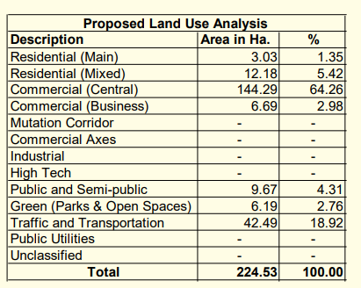
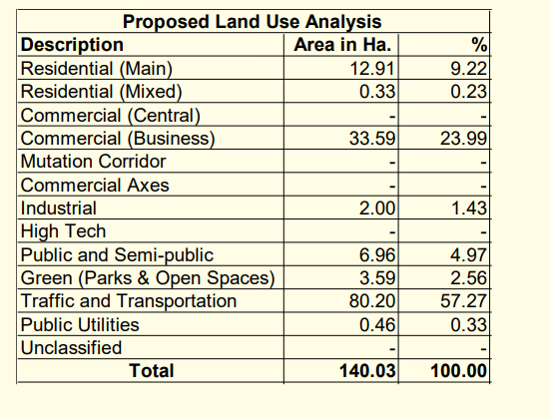
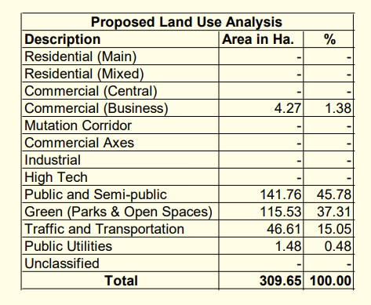

vasant nagar |  |  | shivajinnagar |  | Richmond town
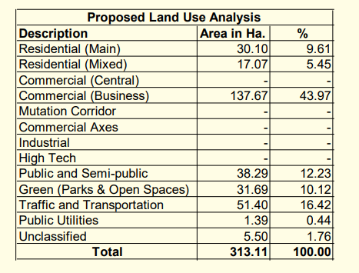
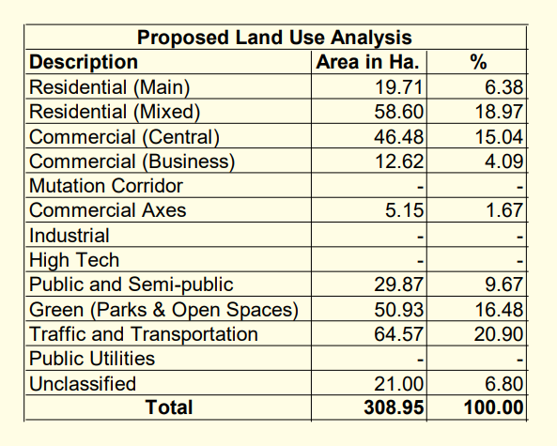
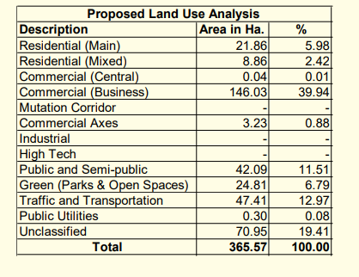

 | Chamrajpet |  | Kempapura Agrahara |  |  |  | srirampuram
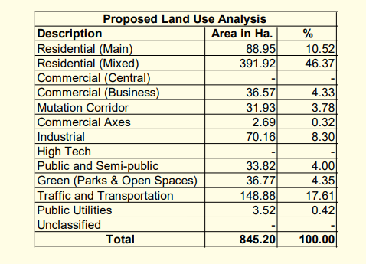
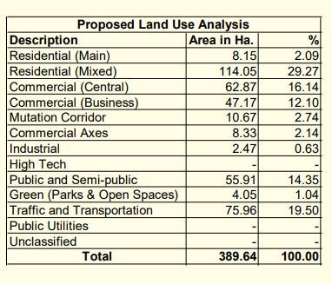
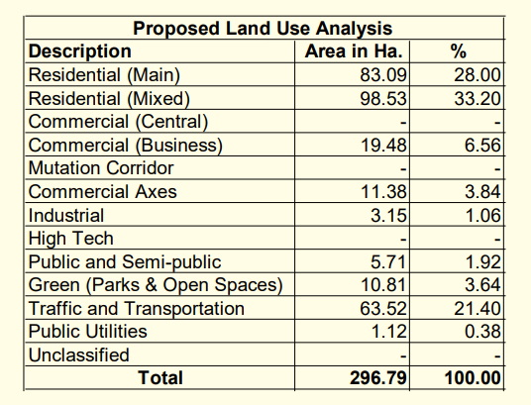

Malleswaram |  |  | benson town |  |  | Baiyyappanahalli
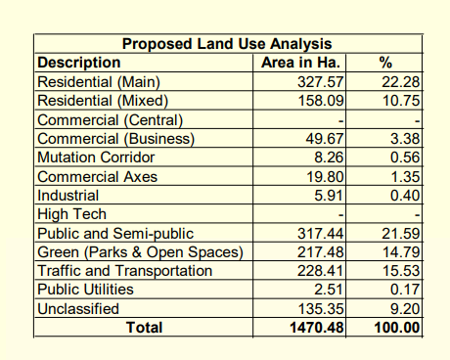

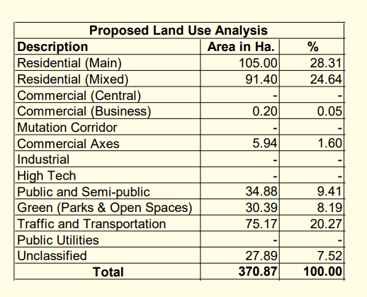
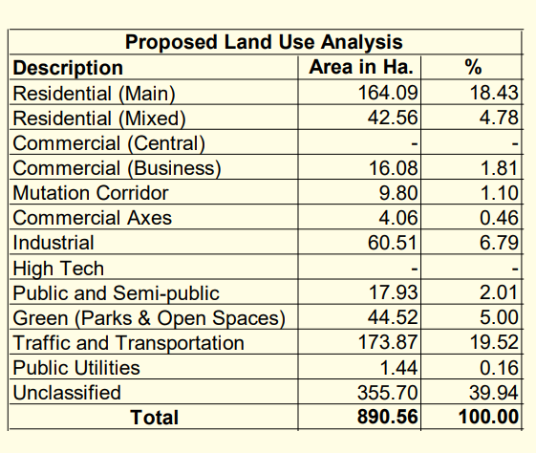

 |  |  |  |  |  |  | shanti nagar
 | indira nagar |  | Unclassified & 2.08 Koramangala-map (a)
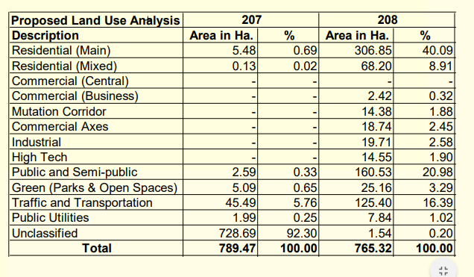
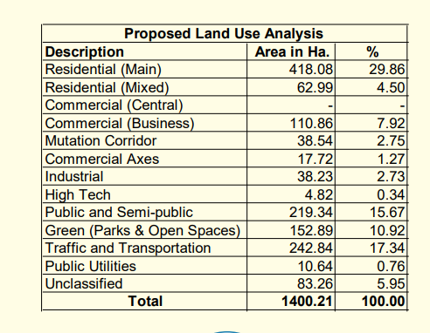
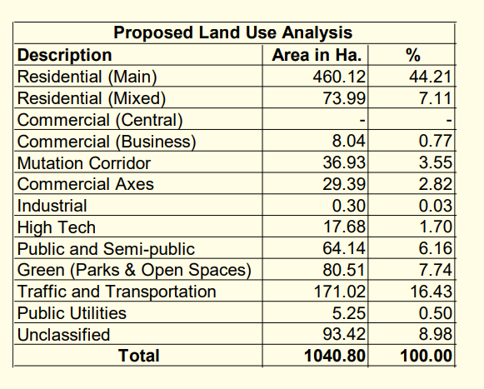

jayanagar |  |  | banashankari |  |  |  |  | vijayanagar
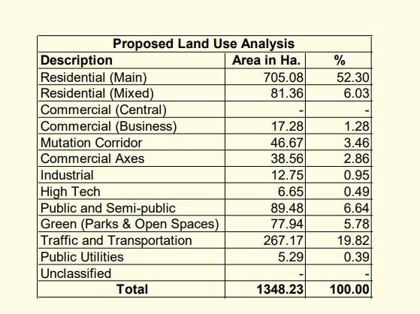
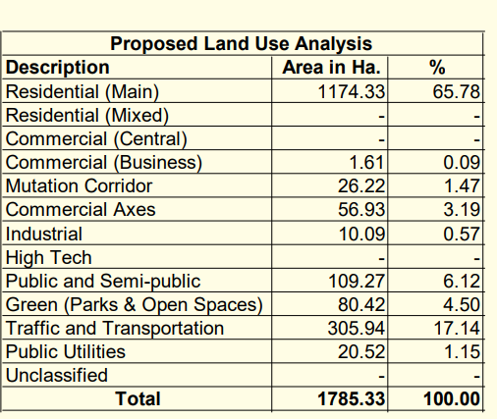
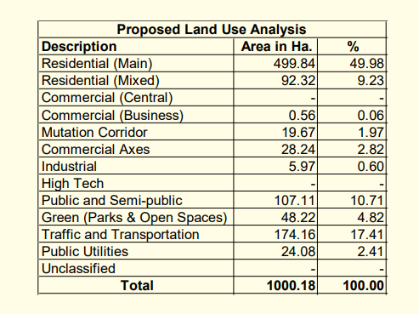

rajajinagar |  |  | peenya |  |  |  | mathikere
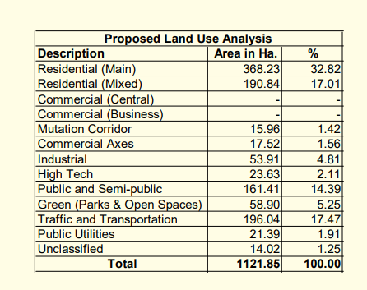
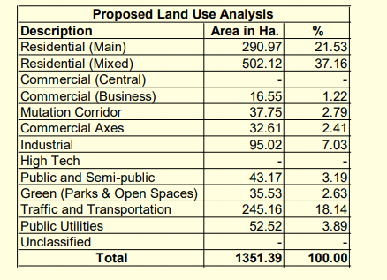
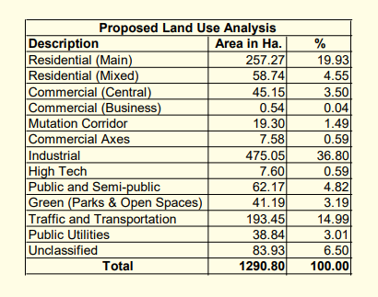

kaval byrasandra |  |  |  | kamanahalli |  | raman nagar
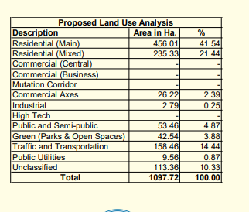
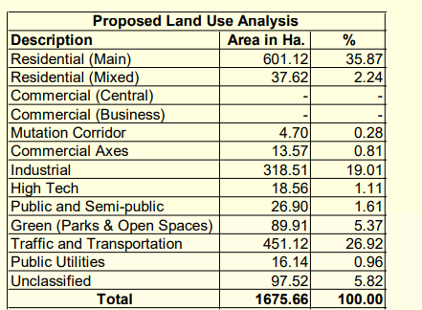

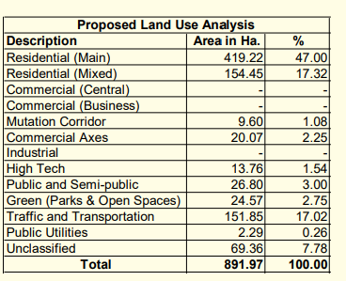
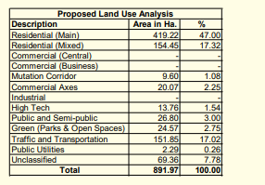
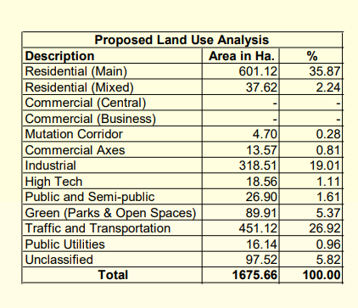

kengeri |  |  | herohalli |  |  | makali

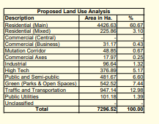
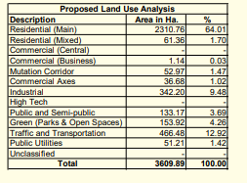
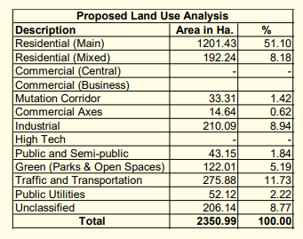

byataranapura |  |  |  | bavalakere |  | hesarghatta

yelahanka |  |  |  | bettaalasuru |  | tanisandra

bagaluru |  |  |  | horamavu |  | avalahalli

kr puram |  |  |  | sadara mangala |  | whitefield

varthur |  |  |  | domasandra |  | begur

electronic city |  |  |  | bannerghatta |  | anjanapura

kumbalagodu

