Grading Rubric
This is the actual rubric you will be graded against. Make sure your have answers/reponses for each of the 10 steps in the hypothesis test process for each of the questions.
 | Problems
Criteria | 1 | 2a | 2b | 2c | 3 | 4 | 5 | 6 | 7 | Totals
1. State the null and alternative hypotheses in words. | 0 | 0 | 0 | n/a | 0 | 0 | 0 | 0 | 0
2. State the null and alternative hypotheses using math symbols. | 0 | 0 | 0 | n/a | 0 | 0 | 0 | 0 | 0
3. Identify whether the null or the alternative is the claim. | 0 | 0 | 0 | n/a | 0 | 0 | 0 | 0 | 0
4. Identify your choice of the appropriate hypothesis test to run. | 0 | 0 | 0 | n/a | 0 | 0 | 0 | 0 | 0
Comments
Note: look for more specific comments on each assignment worksheet
Check to make sure your Excel file is set to Show all Comments in the Review tab. I have noticed some student files that will not show all comments and just have the small red triangle visible. Click on that cell to get the comment to popup.
Please name your files properly - Lastname-Firstname-M4A1
Please always organize and format your workbook to make it a bit easier to find your answers and calculations. A red 0 in the rubric means I could not find your answer.
On your worksheets, a red cell means a wrong answer; an orange cell is a partially wrong answer.
1. You must take the time to really think about how to state the null and alternative in both words and symbols. If you make a mistake there, you will almost always get the wrong answers.
2. Think about how to decide on the significance level. It is critical to do it logically as it too ripples downstream.
3. Practice making complete conclusion statements. They should stand on their own feet and not require a reader to think back "Now which was the null and what was the claim?"
5. Identify the tail of the test. | 0 | 0 | 0 | n/a | 0 | 0 | 0 | 0 | 0
6. Decide on the confidence level (c, which gives you α) to use and explain why you chose that confidence level (don't over complicate this part). | 0 | 0 | 0 | n/a | 0 | 0 | 0 | 0 | 0
7. Manipulate the data so you have just the records you need for the test (this may be done with Pivot Tables) | 0 | 0 | 0 | n/a | 0 | 0 | 0 | 0 | 0
8. Conduct the test using Excel functions and /or the Data Analysis ToolPak. | 0 | 0 | 0 | n/a | 0 | 0 | 0 | 0 | 0
9. State your decision and the reason for your decision. | 0 | 0 | 0 | 0 | 0 | 0 | 0 | 0 | 0
10. Draw and state a well-formed conclusion. | 0 | 0 | 0 | 0 | 0 | 0 | 0 | 0 | 0
Totals of Earned Points | 0 | 0 | 0 | 0 | 0 | 0 | 0 | 0 | 0 | 0
Points Possible | 10 | 10 | 10 | 2 | 10 | 10 | 10 | 10 | 10 | 82
 |  |  |  |  |  |  | Rubric Score |  |  | 0.0%
 |  |  |  |  |  |  | Late Deduct |  |  | 0.0%
 |  |  |  |  |  |  | Gradebook Score |  |  | 0.0%

Resource Index
To get a copy of a worksheet:
Method 1:
Left-click in the upper-left corner of the worksheet you need at the intersection of the column and row labels (grey triangle near A1). This will select the entire worksheet.
Then, right-click and Copy the selected calculator worksheet.
Left-click in the A1 cell of the worksheet where you want the calculator to select it.
Right-click while A1 is still selected and Paste (Keep Source Formatting) into the new worksheet.
Name the tab on the new worksheet appropriately.
Method 2:
Left-click on the tab of the worksheet you want. Then, right-click to open the menu and select Move or Copy. In the new menu that opens, check Create a Copy in the lower left corner. Click OK.
A copy of the worksheet will be created with the name of the original worksheet followed by the number of the copy in (). Note you may have to move it to the location you want.
As always, name it appropriately.
Resources
Links | Version 1.04: 4/26/2019
Useful Tables For Setting Up Hypothesis Tests
Fast Employee Data
Fast Employee Data backup copy
Question 1
Question 2a
Question 2b
Question 2c
Question 3
Question 4
Question 5
Question 6
Question 7

Calculators

One-sample z-Test for Population Mean (Sigma Known)
Two-sample t-test for Population Means (Sigmas Unknown)-Summary Data
Two-sample t-test for Population Means (Sigmas Unknown)-Raw Data
Two-sample z-test for Difference Between Proportions
Confidence Interval-Mean Difference-Variances Equal
Confidence Interval-Mean Difference-Variances Not Equal

Chi-square calculators
2 row x 2 column
2 row x 3 column
Chi-square Goodness of Fit
2 row x 4 column
2 row x 6 column
2 row x 8 column
3 row x 3 column
3 row x 4 column
3 row x 5 column

ANOVA /Tukey-Kramer
AVOVA
ANOVA Backup

Question 1
#1:Type your answers in the logical cell in the table to the left. Use Word Wrap format to get your answers to fit in the space allotted. The cells are preformatted but if you accidently change them by pasting in from Word, etc., reset the cell format in the Alignment section of the Home tab to: Left Aligned, Top Aligned, Word Wrap.
#2: Move/copy the calculations worksheet with the data immediately following this worksheet. See example Q1 Calc.
Step | Answers/Responses
1 | Null Hypothesis=Fast advertises that the mean salary of employees with the job title Programmer I is $65,000. Alternative Hypothesis=some employees think the ad is misleading because they think the mean salary is not $65,000.
2 | Ha=!$65000 ,Ho==$65000
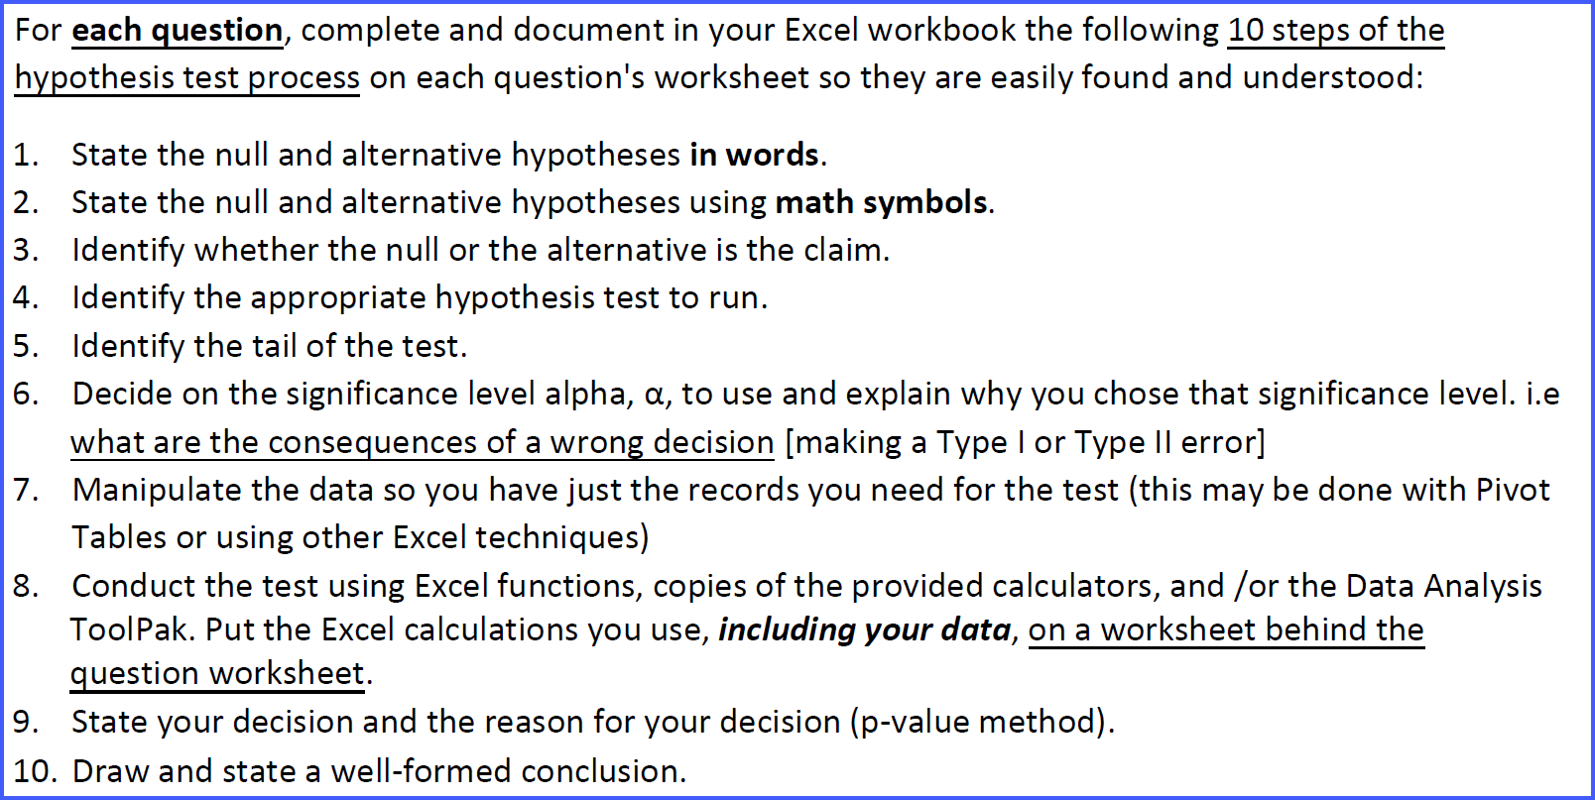
3 | The alternatiive hypothesis is the claim
4 | The alternatiive hypothesis is the best test to run
5 | It is a two tail test to check whether the two hypothesis hold and on which direction
6 | α=0.010
7
8
9
10

Q 2a
#1:Type your answers in the logical cell in the table to the left. Use Word Wrap format to get your answers to fit in the space allotted. The cells are preformatted but if you accidently change them by pasting in from Word, etc., reset the cell format in the Alignment section of the Home tab to: Left Aligned, Top Aligned, Word Wrap.
#2: Move the calculations worksheet with the data immediately following this worksheet.
Step | Answers/Responses
1
2
3
4
5
6
7
8
9
10

Q 2b
#1:Type your answers in the logical cell in the table to the left. Use Word Wrap format to get your answers to fit in the space allotted. The cells are preformatted but if you accidently change them by pasting in from Word, etc., reset the cell format in the Alignment section of the Home tab to: Left Aligned, Top Aligned, Word Wrap.
#2: Move the calculations worksheet with the data immediately following this worksheet.
Step | Answers/Responses
1
2
3
4
5
6
7
8
9
10

Q 2c
#1:Type your answers in the logical cell in the table to the left. Use Word Wrap format to get your answers to fit in the space allotted. The cells are preformatted but if you accidently change them by pasting in from Word, etc., reset the cell format in the Alignment section of the Home tab to: Left Aligned, Top Aligned, Word Wrap.
#2: Move the calculations worksheet with the data immediately following this worksheet.
Step | Answers/Responses
2c-1 | Are the results of the tests (2a and 2b) different? Why?

2c-2 | Which is more reliable? Hint: find the confidence interval for the test statistics and compare them. Which has the smallest CI?

Q 3
#1:Type your answers in the logical cell in the table to the left. Use Word Wrap format to get your answers to fit in the space allotted. The cells are preformatted but if you accidently change them by pasting in from Word, etc., reset the cell format in the Alignment section of the Home tab to: Left Aligned, Top Aligned, Word Wrap.
#2: Move the calculations worksheet with the data immediately following this worksheet.
Step | Answers/Responses
1
2
3
4
5
6
7
8
9
10

Q 4
#1:Type your answers in the logical cell in the table to the left. Use Word Wrap format to get your answers to fit in the space allotted. The cells are preformatted but if you accidently change them by pasting in from Word, etc., reset the cell format in the Alignment section of the Home tab to: Left Aligned, Top Aligned, Word Wrap.
#2: Move the calculations worksheet with the data immediately following this worksheet.
Step | Answers/Responses
1
2
3
4
5
6
7
8
9
10

Q5
#1:Type your answers in the logical cell in the table to the left. Use Word Wrap format to get your answers to fit in the space allotted. The cells are preformatted but if you accidently change them by pasting in from Word, etc., reset the cell format in the Alignment section of the Home tab to: Left Aligned, Top Aligned, Word Wrap.
#2: Move the calculations worksheet with the data immediately following this worksheet.
Step | Answers/Responses
1
2
3
4
5
6
7
8
9
10

Q6
#1:Type your answers in the logical cell in the table to the left. Use Word Wrap format to get your answers to fit in the space allotted. The cells are preformatted but if you accidently change them by pasting in from Word, etc., reset the cell format in the Alignment section of the Home tab to: Left Aligned, Top Aligned, Word Wrap.
#2: Move the calculations worksheet with the data immediately following this worksheet.
Step | Answers/Responses
1
2
3
4
5
6
7
8
9
10

Q7
#1:Type your answers in the logical cell in the table to the left. Use Word Wrap format to get your answers to fit in the space allotted. The cells are preformatted but if you accidently change them by pasting in from Word, etc., reset the cell format in the Alignment section of the Home tab to: Left Aligned, Top Aligned, Word Wrap.
#2: Move the calculations worksheet with the data immediately following this worksheet.
Step | Answers/Responses
1
2
3
4
5
6
7
8
9
10

Useful Tables
Index

1-sample z-Test Mean
Click here to Return to Index Page
One-sample Z Test Population Mean |  | 5
Enter data in blue cells only |  | 5.5
Data |  | 6.1
Null Hypothesis m= | 12.0000 | 6.8
Level of Significance Alpha α | 0.010 | 7.1
Population Standard Deviation | 5.0000 | 7.9
Sample Size | 30 | 7.9
Sample Mean | 9.7367 | 8.1
 |  | 8.4
Intermediate Calculations |  | 8.5
Standard Error of the Mean | 0.9129 | 8.7
Z Test Statistic | -2.4794 | 9.2
 |  | 9.2
Two-Tail Test |  | 9.3
Lower Critical Value | -2.5758 | 9.7
Upper Critical Value | 2.5758 | 9.8
p-Value | 0.0132 | 10.3
 |  | 10.4
Left-Tail Test |  | 10.5
Lower Critical Value | -2.3263 | 10.6
p-Value | 0.0066 | 10.7
 |  | 11.1
Right-Tail Test |  | 11.3
Upper Critical Value | 2.3263 | 11.4
p-Value | 0.9934 | 11.6
 |  | 12.1
Copyright 2017/18/19 Dawn E Wright Ph.D. |  | 12.8
 |  | 12.8
 |  | 13.8
 |  | 15.5

2-sample t-Test Mean-Summary
Click here to Return to Index Page
Two Sample t-test for Population Means - Sigmas Unknown- Summary Data
1. Enter Data on blue cells only.
Sample 1 mean x̅1 = | 68973.85
Sample 2 mean x̅2 = | 81187.83
Sample 1 Standard Dev. s1 = | 5277.66
Sample 2 Standard Dev. s2 = | 6049.66 |  | Do not delete or copy over the intermediate calculations.
Sample 1 size n1 = | 5
Sample 2 size n2 = | 6 |  | Intermediate Calculations
Mean Difference Md = µ1 -µ2 | 5000.000 | Confidence Level (1-α) | Variances | S.E.
Significance Level α | 0.010 | 99.0% | = Equal | 3463.2856481
 |  |  | ≠ Not Equal | 3416.206966
2. Select Variance
Variances σ2 are | ≠ Not Equal | << click orange cell B 13 to Use drop down menu
Degrees of Freedom d.f. | 4.00
Test Statistic, Standardized Test Statistic
$$σ_{{\overline{x}}_{1}−{\overline{x}}_{2}}$$
Test Statistic μ1 - μ2 = | -12213.9718
Standard Error | 3416.2070
Standardized Test Statistic t = | -5.0389

Two-Tail Test
Lower Critical Value | -4.6041
Upper Critical Value | 4.6041
p-Value | 0.007288

Left-Tail Test
Lower Critical Value | -3.7469
p-Value | 0.003644

Right-Tail Test
Upper Critical Value | 3.7469
p-Value | 0.996356

Copyright 2017/18/19 Dawn E Wright Ph.D.

2-sample t-Test Mean-RawData
Click here to Return to Index Page
Two Sample t-test for Population Means - Sigmas Unknown- Raw Data |  |  |  |  | Sample 1 | Sample 2
1. Enter Data on blue cells only. |  |  |  |  | M | F
Sample 1 mean x̅1 = | 81187.825 |  |  |  | 93258 | 24134.31
Sample 2 mean x̅2 = | 68973.853 |  |  |  | 92756.7 | 36797.11
Sample 1 Standard Dev. s1 = | 31210.520 |  |  |  | 156525 | 43850.22
Sample 2 Standard Dev. s2 = | 25092.452 |  |  |  | 106501 | 49104.52
Sample 1 size n1 = | 31 |  | Do not delete or copy over the intermediate calculations. |  | 50910 | 81066
Sample 2 size n2 = | 18 |  |  |  | 72534.66 | 83497.98
Mean Difference Md = µ1 -µ2 | 0 | Confidence Level (1-α) | Intermediate Calculations |  | 40631.32 | 82424.23
Significance Level α | 0.050 | 95.0% | Variances | S.E. | 58671.02 | 118400
 |  |  | = Equal | 8637.0078801 | 74333 | 53380.28
2. Select Variance |  |  | ≠ Not Equal | 8148.7408853 | 110886.71 | 48046.91
Variances σ2 are | ≠ Not Equal | << click orange cell B 13 to Use drop down menu |  |  | 87354 | 67206
Degrees of Freedom d.f. | 17.000 |  |  |  | 60501 | 84974
Test Statistic, Standardized Test Statistic |  |  |  |  | 85405 | 85018.36
$$σ_{{\overline{x}}_{1}−{\overline{x}}_{2}}$$
Test Statistic μ1 - μ2 = | 12213.971828 |  |  |  | 53788 | 89620
Standard Error | 8148.7409 |  |  |  | 75277.02 | 94277.96
Standardized Test Statistic t = | 1.49888 |  |  |  | 170754 | 37518.05
 |  |  |  |  | 29779.07 | 88272.4
Two-Tail Test |  |  |  |  | 112899 | 73941.03
Lower Critical Value | -2.1098 |  |  |  | 67384
Upper Critical Value | 2.1098 |  |  |  | 63493
p-Value | 0.15225 |  |  |  | 52693
 |  |  |  |  | 109727.59
Left-Tail Test |  |  |  |  | 68015
Lower Critical Value | -1.7396 |  |  |  | 66065.23
p-Value | 0.92388 |  |  |  | 67902.62
 |  |  |  |  | 65000
Right-Tail Test |  |  |  |  | 79628.76
Upper Critical Value | 1.7396 |  |  |  | 119713
p-Value | 0.07612 |  |  |  | 77328
 |  |  |  |  | 50910
Copyright 2017/18/19 Dawn E Wright Ph.D. |  |  |  |  | 96197.88

© 2017 Dawn E. Wright, Ph.D.
V1.03 10/1/17

2-sample z-test Proportions
Click here to Return to Index Page
Two-sample z-Test for Difference betweem Proportions: Sample x given
1. Enter Data on blue cells only.
x1 | 149
n1 | 161
x2 | 93
n2 | 224
Significance Level α | 0.05
p̂1 | 0.92547
p̂2 | 0.41518
p̅ | 0.62857
q̅ | 0.37143

Standardized Test Statistic
Test Statistic p̂1 - p̂2 | 0.5103
z = | 10.2213

Two-Tail Test
Lower Critical Value | -1.9600
Upper Critical Value | 1.9600
p-Value | 0.0000

Left-Tail Test
Lower Critical Value | -1.6449
p-Value | 1.0000

Right-Tail Test
Upper Critical Value | 1.6449
p-Value | 0.0000

1a. Test for using Normal Approximation
n1* p̅ = | 101.2
n1* q̅ = | 59.8
n2* p̅ = | 140.8
n2* q̅ = | 83.2
OK to use Normal Approximation?

Copyright 2017/18/19 Dawn E Wright Ph.D.

CI Var =
Click here to Return to Index Page
Confidence Interval Mean Difference - Sigmas Unknown- Assume Variances Equal
Enter Data on blue cells only.
Sample 1 mean x̅1 = | 1874.000
Sample 1 Standard Dev. s1 = | 144.000
Sample 1 size n1 = | 7
Sample 2 mean x̅2 = | 1666.000
Sample 2 Standard Dev. s2 = | 187.000
Sample 2 size n2 = | 13
Assummed Mean Difference Md = µ1 - µ2 | 0 | Enter 0 if no mean difference is stated in the problem.
Confidence Level c | 95.0%

Calculations
Mean Difference μ1 - μ2 = | 208 | =B3-B6
t-distribution Degrees of Freedom D.F. | 18 | =B5+B8-2
Alpha α | 0.050 | =1-B10
Critical Value tc = | 2.101 | =T.INV.2T(B15,B14)
σ̂ | 173.852 | =SQRT(((B5-1)*B4^2+(B8-1)*B7^2)/(B5+B8-2))

Confidence Interval for Mean Difference µ1 - µ2

ME | 171.232 | =B16*B17*SQRT((1/B5)+(1/B8))
Lower Limit | 36.768 | =B13-B21
Upper Limit | 379.232 | =B13+B21
36.768 < μ1 - μ2 < 379.232 |  | =ROUND(B22,3)&" < μ1 - μ2 < "&ROUND(B23,3)

© 2018 Dawn E. Wright, Ph.D.
V1.00 10/3/18

CI Var Not =
Click here to Return to Index Page
Confidence Interval Mean Difference - Sigmas Unknown- Assume Variances Not Equal
Enter Data on blue cells only.
Sample 1 mean x̅1 = | 100.000
Sample 1 Standard Dev. s1 = | 3.840
Sample 1 size n1 = | 13
Sample 2 mean x̅2 = | 54.000
Sample 2 Standard Dev. s2 = | 2.160
Sample 2 size n2 = | 18
Assummed Mean Difference Md = µ1 - µ2 | 2 | Enter 0 if no mean difference is stated in the problem.
Confidence Level c | 90.0%

Calculations
Mean Difference μ1 - μ2 = | 46 | =B3-B6
t-distribution Degrees of Freedom D.F. | 12 | =MIN(B5-1,B8-1)
Alpha α | 0.100 | =1-B10
Critical Value tc = | 1.782 | =T.INV.2T(B15,B14)

Confidence Interval for Mean Difference µ1 - µ2

ME | 2.104 | =B16*SQRT((B4^2/B5)+(B7^2/B8))
Lower Limit | 43.896 | =B13-B20
Upper Limit | 48.104 | =B13+B20
43.896 < μ1 - μ2 < 48.104 |  | =ROUND(B21,3)&" < μ1 - μ2 < "&ROUND(B22,3)

© 2018 Dawn E. Wright, Ph.D.
V1.00 10/3/18

2 row x 2 col
Click here to Return to Index Page
Two rows by Two columns
Enter data in blue cells only
Observed Frequencies |  |  |  | Data
 | Column variable |  |  | Level of Significance | 0.02
Row variable | C1 | C2 | Total | Number of Rows | 2
R1 | 7 | 6 | 13 | Number of Columns | 2
R2 | 8 | 5 | 13 | Degrees of Freedom | 1
Total | 15 | 11 | 26

Expected Frequencies
 | Column variable
Row variable | C1 | C2 | Total
R1 | 7.5000 | 5.5000 | 13
R2 | 7.5000 | 5.5000 | 13
Total | 15 | 11 | 26

Chi-square Calculations
 | Column variable
Row variable | Brand 1 | Brand 2 | Total
R1 | 0.0333 | 0.0455 | 0.0788
R2 | 0.0333 | 0.0455 | 0.0788
Total | 0.0667 | 0.0909 | 0.1576

Results
Critical Value | 5.4119
Chi-Square Test Statistic | 0.1576
p-Value | 0.69139833614
Fail to reject the null hypothesis

Expected frequency assumption
is met.

Copyright 2017 Dawn E Wright Ph.D.
V1.00

2 row x 3 col
Click here to Return to Index Page
Two rows by Three columns
Enter data in blue cells only
Observed Frequencies |  |  |  |  | Data
 | Column variable |  |  |  | Level of Significance | 0.05
Row variable | Col 1 | Col 2 | Col 3 | Total | Number of Rows | 2
Row 1 | 16 | 53 | 120 | 189 | Number of Columns | 3
Row 2 | 36 | 68 | 123 | 227 | Degrees of Freedom | 2 | =(H5-1)*(H6-1)
Total | 52 | 121 | 243 | 416

Expected Frequencies
 | Column variable
Row variable | Col 1 | Col 2 | Col 3 | Total
Row 1 | 23.6250 | 54.9736 | 110.4014 | 189
Row 2 | 28.3750 | 66.0264 | 132.5986 | 227
Total | 52 | 121 | 243 | 416

Chi-square Calculations
 | Column variable
Row variable | Col 1 | Col 2 | Col 3 | Total
Row 1 | 2.4610 | 0.0709 | 0.8345 | 3.3664
Row 2 | 2.0490 | 0.0590 | 0.6948 | 2.8028
Total | 4.5100 | 0.1298 | 1.5293 | 6.1692

Results
Critical Value | 5.9915 | =CHISQ.INV.RT(H4,H7)
Chi-Square Test Statistic | 6.1692 | =E22
p-Value | 0.045748986 | =CHISQ.DIST.RT(B26,H7)
Reject the null hypothesis

Expected frequency assumption
is met.

Copyright 2017 Dawn E Wright Ph.D.
V1.00

Goodness of Fit
Category | Proportion Given | Actual Count | Expected Count |  |  |  | formulas automaticaly shown in the adjacent cell in column H
100_percent | 0.5 | 64 | 53 | =B2*$C$11 | alpha | 0.025
75_to_99_percent | 0.25 | 23 | 26.5 | =B3*$C$11 | Count | 4 | =COUNT(C2:C10)
50_to_74_percent | 0.2 | 17 | 21.2 | =B4*$C$11 | d.f. | 3 | =G3-1
Less_than_50_percent | 0.05 | 2 | 5.3 | =B5*$C$11 | p-value | 0.131 | =CHISQ.TEST(C2:C5,D2:D5)
 |  |  | 0 | =B6*$C$11 | Test Statistic | 5.632 | =CHISQ.INV.RT(G5,G4)
 |  |  | 0 | =B7*$C$11 | Critical Value | 9.348 | =CHISQ.INV.RT(G2,G4)
 |  |  | 0 | =B8*$C$11
Enter your data in the blue cells. Enter your alpha in cell G2.
Edit the CHISQ.TEST function data ranges (in the p-value cell G5) to match your actual data ranges. For example, with 5 categories, the ranges would be C2:C6 and D2:D6
 |  |  | 0 | =B9*$C$11
 |  |  | 0 | =B10*$C$11
Total |  | 106 | =SUM(C2:C10)

2 row x 4 col
Click here to Return to Index Page
Two rows by Four columns
Enter data in blue cells only
Observed Frequencies |  |  |  |  |  | Data
 | Column variable |  |  |  |  | Level of Significance | 0.05
Row variable | Col 1 | Col 2 | Col 3 | Col 4 | Total | Number of Rows | 2
Row 1 | 25 | 20 | 14 | 20 | 79 | Number of Columns | 4
Row 2 | 25 | 16 | 44 | 13 | 98 | Degrees of Freedom | 3
Total | 50 | 36 | 58 | 33 | 177

Expected Frequencies
 | Column variable
Row variable | Col 1 | Col 2 | Col 3 | Col 4 | Total
Row 1 | 22.3164 | 16.0678 | 25.8870 | 14.7288 | 79
Row 2 | 27.6836 | 19.9322 | 32.1130 | 18.2712 | 98
Total | 50 | 36 | 58 | 33 | 177

Chi-square Calculations
 | Column variable
Row variable | Col 1 | Col 2 | Col 3 | Col 4 | Total
Row 1 | 0.3227 | 0.9623 | 5.4584 | 1.8865 | 8.6299
Male | 0.2601 | 0.7757 | 4.4001 | 1.5207 | 6.9567
Total | 0.5829 | 1.7381 | 9.8585 | 3.4072 | 15.5866

Results
Critical Value | 7.8147 | =CHISQ.INV.RT(H4,H7)
Chi-Square Test Statistic | 15.5866 | =F22
p-Value | 0.0013781758368 | =CHISQ.DIST.RT(B26,H7)
Reject the null hypothesis

Expected frequency assumption
is met.

Copyright 2017 Dawn E Wright Ph.D.
V1.00

2 row x 6 col
Click here to Return to Index Page
Two rows by Six columns
Enter data in blue cells only
Observed Frequencies |  |  |  |  |  |  |  | Data
 | Column variable |  |  |  |  |  |  | Level of Significance | 0.01
Row variable | Col 1 | Col 2 | Col 3 | Col 4 | Col 5 | Col 6 | Total | Number of Rows | 2
Row 1 | 40 | 154 | 88 | 76 | 55 | 33 | 446 | Number of Columns | 6
Row 2 | 10 | 36 | 22 | 21 | 11 | 6 | 106 | Degrees of Freedom | 5
Total | 50 | 190 | 110 | 97 | 66 | 39 | 552

Expected Frequencies
 | Column variable
Row variable | Col 1 | Col 2 | Col 3 | Col 4 | Col 5 | Col 6 | Total
Row 1 | 40.3986 | 153.5145 | 88.8768 | 78.3732 | 53.3261 | 31.5109 | 446.0000
Row 2 | 9.6014 | 36.4855 | 21.1232 | 18.6268 | 12.6739 | 7.4891 | 106.0000
Total | 50 | 190 | 110 | 97 | 66 | 39 | 552.0000

Chi-square Calculations
 | Column variable
Row variable | Col 1 | Col 2 | Col 3 | Col 4 | Col 5 | Col 6 | Total
Row 1 | 0.0039 | 0.0015 | 0.0087 | 0.0719 | 0.0525 | 0.0704 | 0.2089
Row 2 | 0.0165 | 0.0065 | 0.0364 | 0.3024 | 0.2211 | 0.2961 | 0.8789
Total | 0.0205 | 0.0080 | 0.0450 | 0.3742 | 0.2736 | 0.3665 | 1.0878

Results
Critical Value | 15.0863 | =CHISQ.INV.RT(H4,H7)
Chi-Square Test Statistic | 1.0878 | =F22
p-Value | 0.95517457239 | =CHISQ.DIST.RT(B26,H7)
Fail to reject the null hypothesis

Expected frequency assumption
is met.

Copyright 2017 Dawn E Wright Ph.D.
V1.00

2 row x 8 col
Click here to Return to Index Page
Two rows by Eight columns
Enter data in blue cells only
Observed Frequencies |  |  |  |  |  |  |  |  |  | Data
 | Column variable |  |  |  |  |  |  |  |  | Level of Significance | 0.025
Row variable | Col 1 | Col 2 | Col 3 | Col 4 | Col 5 | Col 6 | Col 7 | Col 8 | Total | Number of Rows | 2
Row 1 | 86 | 70 | 64 | 57 | 30 | 25 | 15 | 12 | 359 | Number of Columns | 8
Row 2 | 40 | 19 | 20 | 21 | 21 | 16 | 20 | 9 | 166 | Degrees of Freedom | 7
Total | 126 | 89 | 84 | 78 | 51 | 41 | 35 | 21 | 525

Expected Frequencies
 | Column variable
Row variable | Col 1 | Col 2 | Col 3 | Col 4 | Col 5 | Col 6 | Col 7 | Col 8 | Total
Row 1 | 86.1600 | 60.8590 | 57.4400 | 53.3371 | 34.8743 | 28.0362 | 23.9333 | 14.3600 | 359.0000
Row 2 | 39.8400 | 28.1410 | 26.5600 | 24.6629 | 16.1257 | 12.9638 | 11.0667 | 6.6400 | 166.0000
Total | 126 | 89 | 84 | 78 | 51 | 41 | 35 | 21 | 525.0000

Chi-square Calculations
 | Column variable
Row variable | Col 1 | Col 2 | Col 3 | Col 4 | Col 5 | Col 6 | Col 7 | Col 8 | Total
Row 1 | 0.0003 | 1.3730 | 0.7492 | 0.2515 | 0.6813 | 0.3288 | 3.3344 | 0.3879 | 7.1064
Row 2 | 0.0006 | 2.9692 | 1.6202 | 0.5440 | 1.4733 | 0.7111 | 7.2112 | 0.8388 | 15.3686
Total | 0.0009 | 4.3422 | 2.3694 | 0.7955 | 2.1546 | 1.0399 | 10.5457 | 1.2267 | 22.4749

Results
Critical Value | 16.0128 | =CHISQ.INV.RT(H4,H7)
Chi-Square Test Statistic | 22.4749 | =F22
p-Value | 0.0021029268039 | =CHISQ.DIST.RT(B26,H7)
Reject the null hypothesis

Expected frequency assumption
is met.

Copyright 2017 Dawn E Wright Ph.D.
V1.00

3 row x 3 col
Click here to Return to Index Page
THree rows by Three columns
Enter data in blue cells only
Observed Frequencies |  |  |  |  | Data
 | Column variable |  |  |  | Level of Significance | 0.05
Row variable | Col 1 | Col 2 | Col 3 | Total | Number of Rows | 3
Row 1 | 43 | 46 | 50 | 139 | Number of Columns | 3
Row 2 | 22 | 15 | 19 | 56 | Degrees of Freedom | 4 | =(H5-1)*(H6-1)
Row 3 | 33 | 49 | 30 | 112
Total | 98 | 110 | 99 | 307

Expected Frequencies
 | Column variable
Row variable | Col 1 | Col 2 | Col 3 | Total
Row 1 | 44.3713 | 49.8046 | 44.8241 | 139.0000
Row 2 | 17.8762 | 20.0651 | 18.0586 | 56.0000
Row 3 | 35.7524 | 40.1303 | 36.1173 | 112
Total | 98 | 110 | 99 | 307

Chi-square Calculations
 | Column variable
Row variable | Col 1 | Col 2 | Col 3 | Total
Row 1 | 0.0424 | 0.2906 | 0.5977 | 0.9307
Row 2 | 0.9513 | 1.2786 | 0.0491 | 2.2790
Row 3 | 0.2119 | 1.9604 | 1.0361 | 3.2084
Total | 1.2056 | 3.5297 | 1.6828 | 6.4181

Results
Critical Value | 9.4877
Chi-Square Test Statistic | 6.4181
p-Value | 0.170026526
Fail to reject the null hypothesis

Expected frequency assumption
is met.

Copyright 2017 Dawn E Wright Ph.D.
V1.00

3 row x 4 col
Click here to Return to Index Page
Three Rows by Four columns
Enter data in blue cells only
Observed Frequencies |  |  |  |  |  | Data
 | Column variable |  |  |  |  | Level of Significance | 0.01
Row variable | Col 1 | Col 2 | Col 3 | Col 4 | Total | Number of Rows | 3
Row 1 | 37 | 30 | 22 | 8 | 97 | Number of Columns | 4
Row 2 | 14 | 15 | 16 | 9 | 54 | Degrees of Freedom | 6
Row 3 | 13 | 11 | 19 | 24 | 67
Total | 64 | 56 | 57 | 41 | 218

Expected Frequencies
 | Column variable
Row variable | Col 1 | Col 2 | Col 3 | Col 4 | Total
Row 1 | 28.4771 | 24.9174 | 25.3624 | 18.2431 | 97
Row 2 | 15.8532 | 13.8716 | 14.1193 | 10.1560 | 54
Row 3 | 19.6697 | 17.2110 | 17.5183 | 12.6009 | 67
Total | 64 | 56 | 57 | 41 | 218

Chi-square Calculations
 | Column variable
Row variable | Col 1 | Col 2 | Col 3 | Col 4 | Total
Row 1 | 2.5508 | 1.0367 | 0.4458 | 5.7513 | 9.7846
Row 2 | 0.2166 | 0.0918 | 0.2505 | 0.1316 | 0.6905
Row 3 | 2.2616 | 2.2414 | 0.1253 | 10.3119 | 14.9402
Total | 5.0291 | 3.3699 | 0.8216 | 16.1947 | 25.4153

Results
Critical Value | 16.8119
Chi-Square Test Statistic | 25.4153
p-Value | 0.00028598
Reject the null hypothesis

Expected frequency assumption
is met.

Copyright 2017 Dawn E Wright Ph.D.

3 row x 5 col
Click here to Return to Index Page
Three Rows by Five columns
Enter data in blue cells only
Observed Frequencies |  |  |  |  |  |  | Data
 | Column variable |  |  |  |  |  | Level of Significance | 0.05
Row variable | Col 1 | Col 2 | Col 3 | Col 4 | Col 5 | Total | Number of Rows | 3
Row 1 | 33 | 30 | 22 | 8 | 10 | 103 | Number of Columns | 5
Row 2 | 14 | 15 | 16 | 9 | 7 | 61 | Degrees of Freedom | 8
Row 3 | 13 | 11 | 19 | 24 | 13 | 80
Total | 60 | 56 | 57 | 41 | 30 | 244

Expected Frequencies
 | Column variable
Row variable | Col 1 | Col 2 | Col 3 | Col 4 | Col 5 | Total
Row 1 | 25.3279 | 23.6393 | 24.0615 | 17.3074 | 12.6639 | 103
Row 2 | 15.0000 | 14.0000 | 14.2500 | 10.2500 | 7.5000 | 61
Row 3 | 19.6721 | 18.3607 | 18.6885 | 13.4426 | 9.8361 | 80
Total | 60 | 56 | 57 | 41 | 30 | 244

Chi-square Calculations
 | Column variable
Row variable | Col 1 | Col 2 | Col 3 | Col 4 | Col 5 | Total
Row 1 | 2.3240 | 1.7115 | 0.1766 | 5.0052 | 0.5604 | 9.7777
Row 2 | 0.0667 | 0.0714 | 0.2149 | 0.1524 | 0.0333 | 0.5388
Row 3 | 2.2630 | 2.9508 | 0.0052 | 8.2914 | 1.0177 | 14.5281
Total | 4.6536 | 4.7337 | 0.3967 | 13.4491 | 1.6114 | 24.8446

Results
Critical Value | 15.5073
Chi-Square Test Statistic | 24.8446
p-Value | 0.00165167
Reject the null hypothesis

Expected frequency assumption
is met.

Copyright 2017 Dawn E Wright Ph.D.
V1.00

ANOVA #1
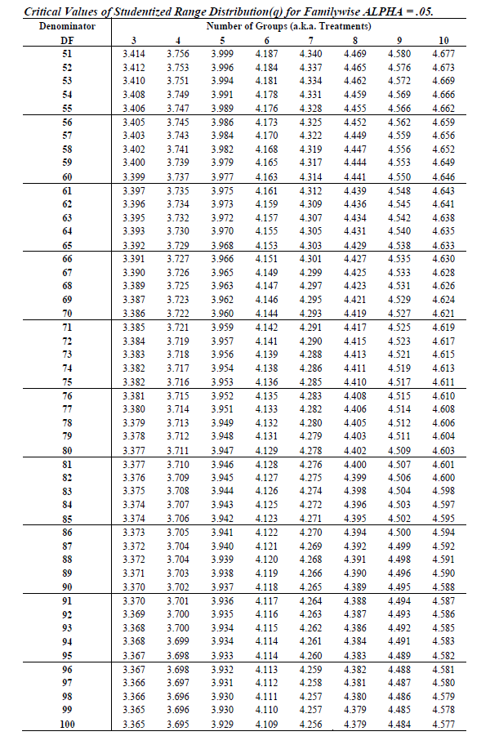
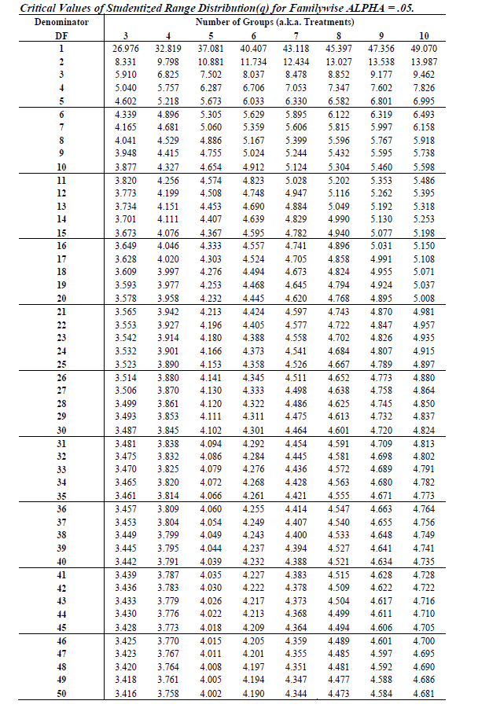
Index
Atlanta | Boston | London | Pleasanton | Reno | Shanghai |  |  |  |  |  |  |  |  | Use cell H1 as target for ANOVA

 |  |  |  |  |  | Tukey Kramer
 |  |  |  |  |  |  | Sample | Sample |  | Absolute | Std. Error | Critical
 |  |  |  |  |  | Group | Mean | Size | Comparison | Difference | of Difference | Range | Results
 |  |  |  |  |  | 1: Atlanta | 0 | 0 | Group 1 to Group 2 | 0 | #DIV/0! | #DIV/0! | #DIV/0!
 |  |  |  |  |  | 2: Boston | 0 | 0 | Group 1 to Group 3 | 0 | #DIV/0! | #DIV/0! | #DIV/0!
 |  |  |  |  |  | 3: London | 0 | 0 | Group 1 to Group 4 | 0 | #DIV/0! | #DIV/0! | #DIV/0!
 |  |  |  |  |  | 4: Pleasanton | 0 | 0 | Group 1 to Group 5 | 0 | #DIV/0! | #DIV/0! | #DIV/0!
 |  |  |  |  |  | 5: Reno | 0 | 0 | Group 1 to Group 6 | 0 | #DIV/0! | #DIV/0! | #DIV/0!
 |  |  |  |  |  | 6: Shanghai | 0 | 0 | Group 2 to Group 3 | 0 | #DIV/0! | #DIV/0! | #DIV/0!
 |  |  |  |  |  |  |  |  | Group 2 to Group 4 | 0 | #DIV/0! | #DIV/0! | #DIV/0!
 |  |  |  |  |  | Other Data |  |  | Group 2 to Group 5 | 0 | #DIV/0! | #DIV/0! | #DIV/0!
 |  |  |  |  |  | Level of significance | 0.05 |  | Group 2 to Group 6 | 0 | #DIV/0! | #DIV/0! | #DIV/0!
 |  |  |  |  |  | Number of Groups | 6 |  | Group 3 to Group 4 | 0 | #DIV/0! | #DIV/0! | #DIV/0!
 |  |  |  |  |  | Denominator d.f. | 0 |  | Group 3 to Group 5 | 0 | #DIV/0! | #DIV/0! | #DIV/0!
 |  |  |  |  |  | MSW | 0 |  | Group 3 to Group 6 | 0 | #DIV/0! | #DIV/0! | #DIV/0!
 |  |  |  |  |  | Q Statistic | 2 |  | Group 4 to Group 5 | 0 | #DIV/0! | #DIV/0! | #DIV/0!
 |  |  |  |  |  |  |  |  | Group 4 to Group 6 | 0 | #DIV/0! | #DIV/0! | #DIV/0!
 |  |  |  |  |  |  |  |  | Group 5 to Group 6 | 0 | #DIV/0! | #DIV/0! | #DIV/0!

ANOVA-backup
Index
Atlanta | Boston | London | Pleasanton | Reno | Shanghai |  |  |  |  |  |  |  |  | Use cell H1 as target for ANOVA

 |  |  |  |  |  | Tukey Kramer
 |  |  |  |  |  |  | Sample | Sample |  | Absolute | Std. Error | Critical
 |  |  |  |  |  | Group | Mean | Size | Comparison | Difference | of Difference | Range | Results
 |  |  |  |  |  | 1: Atlanta | 0 | 0 | Group 1 to Group 2 | 0 | #DIV/0! | #DIV/0! | #DIV/0!
 |  |  |  |  |  | 2: Boston | 0 | 0 | Group 1 to Group 3 | 0 | #DIV/0! | #DIV/0! | #DIV/0!
 |  |  |  |  |  | 3: London | 0 | 0 | Group 1 to Group 4 | 0 | #DIV/0! | #DIV/0! | #DIV/0!
 |  |  |  |  |  | 4: Pleasanton | 0 | 0 | Group 1 to Group 5 | 0 | #DIV/0! | #DIV/0! | #DIV/0!
 |  |  |  |  |  | 5: Reno | 0 | 0 | Group 1 to Group 6 | 0 | #DIV/0! | #DIV/0! | #DIV/0!
 |  |  |  |  |  | 6: Shanghai | 0 | 0 | Group 2 to Group 3 | 0 | #DIV/0! | #DIV/0! | #DIV/0!
 |  |  |  |  |  |  |  |  | Group 2 to Group 4 | 0 | #DIV/0! | #DIV/0! | #DIV/0!
 |  |  |  |  |  | Other Data |  |  | Group 2 to Group 5 | 0 | #DIV/0! | #DIV/0! | #DIV/0!
 |  |  |  |  |  | Level of significance | 0.05 |  | Group 2 to Group 6 | 0 | #DIV/0! | #DIV/0! | #DIV/0!
 |  |  |  |  |  | Number of Groups | 6 |  | Group 3 to Group 4 | 0 | #DIV/0! | #DIV/0! | #DIV/0!
 |  |  |  |  |  | Denominator d.f. | 0 |  | Group 3 to Group 5 | 0 | #DIV/0! | #DIV/0! | #DIV/0!
 |  |  |  |  |  | MSW | 0 |  | Group 3 to Group 6 | 0 | #DIV/0! | #DIV/0! | #DIV/0!
 |  |  |  |  |  | Q Statistic | 2 |  | Group 4 to Group 5 | 0 | #DIV/0! | #DIV/0! | #DIV/0!
 |  |  |  |  |  |  |  |  | Group 4 to Group 6 | 0 | #DIV/0! | #DIV/0! | #DIV/0!
 |  |  |  |  |  |  |  |  | Group 5 to Group 6 | 0 | #DIV/0! | #DIV/0! | #DIV/0!

