Sheet1
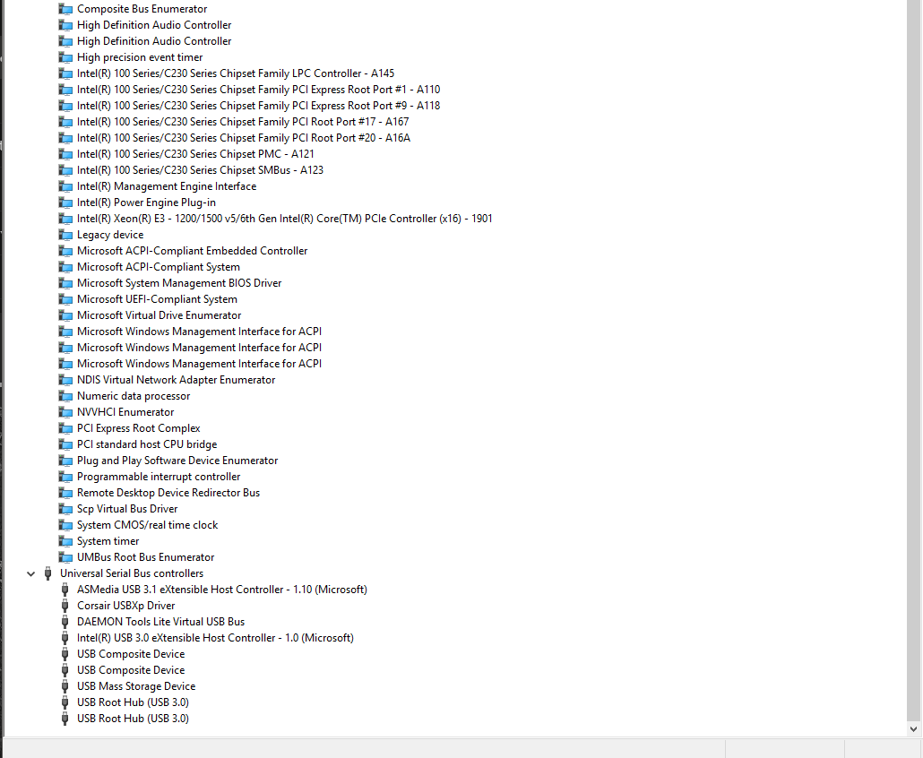
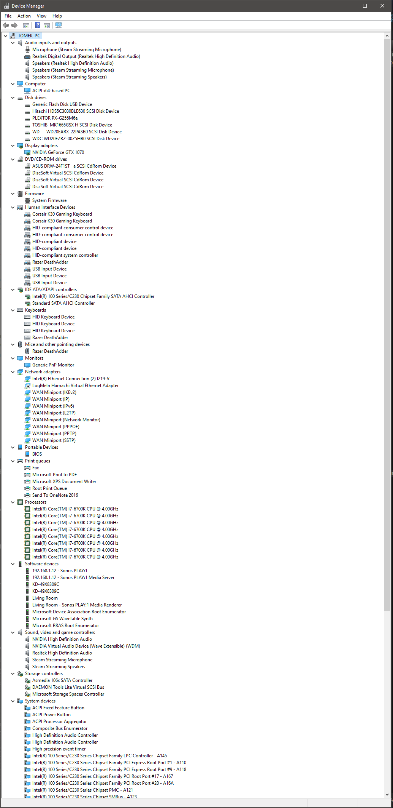
BIOS Up-to-date | x
Windows Up-to-date | x
HDDs Partitioned | x
Graphics Drivers | x
Input Drivers (M&K) | x
Speaker Drivers | x
Printer Set-up | x
uTorrent | x
Adobe CC | --
Adobe FlashPlayer | x
AdobeReaderXI | x

AppleSoftwareUpdate
ASUSLightingControl | x
ASUSGPUTweakIt | x
ASUSBootSetting | x
ASUSROGConnectPlus | x
Battle.net
BattleStateGameLauncher
BullGuardPremiumProtection | x
CanonMG3100SeriesMPDrivers | x
CorsairGamingHeadsetSoftware
CorsairK30GamingKeyboardDriver | x
CorsairLINK4 | x
CPUID ROG CPU-Z | x
DAEMONToolsLite | x
Discord | x
GOGGalaxy | x
iTunes | x
JavaUpdates | x
Hamachi | x
MicrosoftAzure(?)
MicrosoftOfficePackage | x
MicrosoftC++
MicrosoftWebDeploy
MicrosoftXbox360Accessories
MicrosoftXNAFrameworkRedistributable
Notepad++ | x
NVIDIAGeforce | x
NVIDIAGraphicsDriver | x
NVIDIAAudioDriver | x
Origin | x
PCSX2
Poke
Punkbuster
Python | x
RazerSynapse | x
RealtekHighDefAudioDriver | x
ROGGameFirstIII | x
ROGRAMDisk | x
ROGRAMCACHE | x
Spotify | x
Steam | x
TeamSpeak3
Unity
uPlay
VLCMediaPlayer
VMwareHorizonClient
WinRAR
DS4Windows | x
MicrosoftOutlook | x
ROGLightingControl(LUMEN) | x
ROGAURAGRAPHICS | x

