Sheet1
BEAGLEBONE BLACK PIN DESCRIPTION |  |  |  |  |  |  |  |  |  |  | PROCESSOR BLOCK DIAGRAM
Beaglebone Black is a no less than a computer. It is packed with everything you find in a desktop or a laptop. A powerful processor, memory, and graphics acceleration all shrunken down as chips and soldered into a single circuit board. Therefore, it is fair enough to call it a single-board computer. This powerful microcontroller board can be hooked up with a display, speakers, Ethernet network, keyboard and mouse. Moreover, it can be used to boot up a LINUX operating system. There are 92 pins in total which are divided as 46 each under P8 and P9 headers.The PIN column is the pin number on the expansion header. The MODE columns are the mode setting for each pin. Setting each mode to align with the mode column will give that function on that pin. MODE 0 is the default MODE. |  |  |  |  |  |  |  |  |  |  | 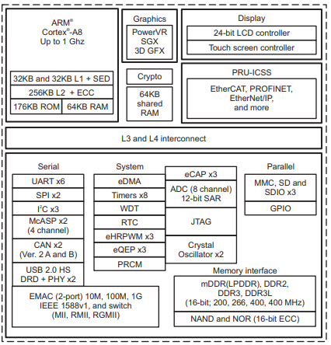

NOTE: DO NOT APPLY VOLTAGE TO ANY I/O PIN WHEN POWER IS NOT SUPPLIED TO THE BOARD. IT WILL DAMAGE THE PROCESSOR AND VOID THE WARRANTY.
NO PINS ARE TO BE DRIVEN UNTIL AFTER THE SYS_RESET LINE GOES HIGH.

GPIO |  | TIMERS |  | PWM |  | UART |  | POWER PINS |  | GROUND

I2C |  | SPI + PWM |  | ADC |  | BUTTONS |  | ANALOG PINS |  | CLOCK

READ GPIO PINS AS:
EXAMPLE: | GPIO1_6 = GPIO 1 of module 6
 | GPIO1[6] = 1(i.e. , module)*32(i.e. , pins)+6=GPIO38

Expansion Header P8 Pinout
PIN | PROC | NAME | MODE0 | MODE1 | MODE2 | MODE3 | MODE4 | MODE5 | MODE6 | MODE7
1,2 | GND | GND
3 | R9 | GPIO1_6 | gpmc_ad6 | mmc1_dat6 |  |  |  |  |  | gpio1[6]
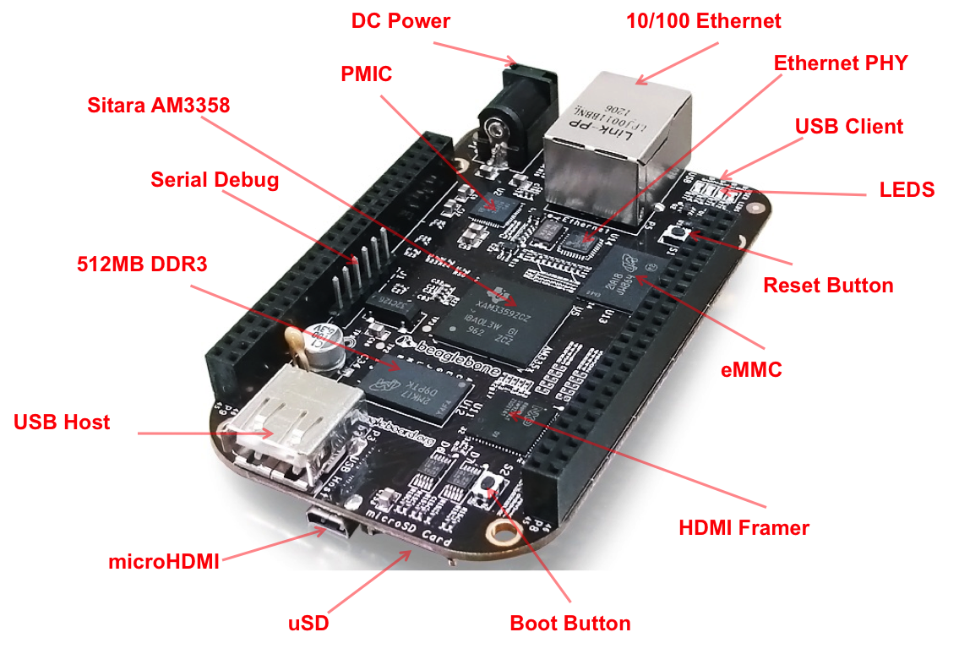
4 | T9 | GPIO1_7 | gpmc_ad7 | mmc1_dat7 |  |  |  |  |  | gpio1[7]
5 | R8 | GPIO1_2 | gpmc_ad2 | mmc1_dat2 |  |  |  |  |  | gpio1[2]
6 | T8 | GPIO1_3 | gpmc_ad3 | mmc1_dat3 |  |  |  |  |  | gpio1[3]
7 | R7 | TIMER4 | gpmc_advn_ale |  | timer4 |  |  |  |  | gpio2[2]
8 | T7 | TIMER7 | gpmc_oen_ren |  | timer7 |  |  |  |  | gpio2[3]
9 | T6 | TIMER5 | gpmc_be0n_cle |  | timer5 |  |  |  |  | gpio2[5]
10 | U6 | TIMER6 | gpmc_wen |  | timer6 |  |  |  |  | gpio2[4]
11 | R12 | GPIO1_13 | gpmc_ad13 | lcd_data18 | mmc1_dat5 | mmc2_dat1 | eQEP2B_in |  | pr1_pru0_pru_r30_15 | gpio1[13]
12 | T12 | GPIO1_12 | gpmc_ad12 | lcd_data19 | mmc1_dat4 | mmc2_dat0 | eQEP2a_in |  | pr1_pru0_pru_r30_14 | gpio1[12]
13 | T10 | EHRPWM2B | gpmc_ad9 | lcd_data22 | mmc1_dat1 | mmc2_dat5 | ehrpwm2B |  |  | gpio0[23]
14 | T11 | GPIO0_26 | gpmc_ad10 | lcd_data21 | mmc1_dat2 | mmc2_dat6 | ehrpwm2_tripzone_in |  |  | gpio0[26]
15 | U13 | GPIO1_15 | gpmc_ad15 | lcd_data16 | mmc1_dat7 | mmc2_dat3 | eQEP2_strobe |  | pr1_pru0_pru_r31_15 | gpio1[15]
16 | V13 | GPIO1_14 | gpmc_ad14 | lcd_data17 | mmc1_dat6 | mmc2_dat2 | eQEP2_index |  | pr1_pru0_pru_r31_14 | gpio1[14]
17 | U12 | GPIO0_27 | gpmc_ad11 | lcd_data20 | mmc1_dat3 | mmc2_dat7 | ehrpwm0_synco |  |  | gpio0[27]
18 | V12 | GPIO2_1 | gpmc_clk_mux0 | lcd_memory_clk | gpmc_wait1 | mmc2_clk |  |  | mcasp0_fsr | gpio2[1]
19 | U10 | EHRPWM2A | gpmc_ad8 | lcd_data23 | mmc1_dat0 | mmc2_dat4 | ehrpwm2A |  |  | gpio0[22]
20 | V9 | GPIO1_31 | gpmc_csn2 | gpmc_be1n | mmc1_cmd |  |  | pr1_pru1_pru_r30_13 | pr1_pru1_pru_r31_13 | gpio1[31]
21 | U9 | GPIO1_30 | gpmc_csn1 | gpmc_clk | mmc1_clk |  |  | pr1_pru1_pru_r30_12 | pr1_pru1_pru_r31_12 | gpio1[30]
22 | V8 | GPIO1_5 | gpmc_ad5 | mmc1_dat5 |  |  |  |  |  | gpio1[5]
23 | U8 | GPIO1_4 | gpmc_ad4 | mmc1_dat4 |  |  |  |  |  | gpio1[4]
24 | V7 | GPIO1_1 | gpmc_ad1 | mmc1_dat1 |  |  |  |  |  | gpio1[1]
25 | U7 | GPIO1_0 | gpmc_ad0 | mmc1_dat0 |  |  |  |  |  | gpio1[0]
26 | V6 | GPIO1_29 | gpmc_csn0 |  |  |  |  |  |  | gpio1[29]
27 | U5 | GPIO2_22 | lcd_vsync | gpmc_a8 |  |  |  | pr1_pru1_pru_r30_8 | pr1_pru1_pru_r31_8 | gpio2[22]
28 | V5 | GPIO2_24 | lcd_pclk | gpmc_a10 |  |  |  | pr1_pru1_pru_r30_10 | pr1_pru1_pru_r31_10 | gpio2[24]
29 | R5 | GPIO2_23 | lcd_hsync | gpmc_a9 |  |  |  | pr1_pru1_pru_r30_9 | pr1_pru1_pru_r31_9 | gpio2[23]
30 | R6 | GPIO2_25 | lcd_ac_bias_en | gpmc_a11 |  |  |  |  |  | gpio2[25]
31 | V4 | UART5_CTSN | lcd_data14 | gpmc_a18 | eQEP1_index | mcasp0_axr1 | uart5_rxd |  | uart5_ctsn | gpio0[10]
32 | T5 | UART5_RTSN | lcd_data15 | gpmc_a19 | eQEP1_strobe | mcasp0_ahclkx | mcasp0_axr3 |  | uart5_rtsn | gpio0[11]
33 | V3 | UART4_RTSN | lcd_data13 | gpmc_a17 | eQEP1B_in | mcasp0_fsr | mcasp0_axr3 |  | uart4_rtsn | gpio0[9]
34 | U4 | UART3_RTSN | lcd_data11 | gpmc_a15 | ehrpwm1B | mcasp0_ahclkr | mcasp0_axr2 |  | uart3_rtsn | gpio2[17]
35 | V2 | UART4_CTSN | lcd_data12 | gpmc_a16 | eQEP1A_in | mcasp0_aclkr | mcasp0_axr2 |  | uart4_ctsn | gpio0[8]
36 | U3 | UART3_CTSN | lcd_data10 | gpmc_a14 | ehrpwm1A | mcasp0_axr0 |  |  | uart3_ctsn | gpio2[16]
37 | U1 | UART5_TXD | lcd_data8 | gpmc_a12 | ehrpwm1_tripzone_in | mcasp0_aclkx | uart5_txd |  | uart2_ctsn | gpio2[14]
38 | U2 | UART5_RXD | lcd_data9 | gpmc_a13 | ehrpwm0_synco | mcasp0_fsx | uart5_rxd |  | uart2_rtsn | gpio2[15]
39 | T3 | GPIO2_12 | lcd_data6 | gpmc_a6 |  | eQEP2_index |  | pr1_pru1_pru_r30_6 | pr1_pru1_pru_r31_6 | gpio2[12]
40 | T4 | GPIO2_13 | lcd_data7 | gpmc_a7 |  | eQEP2_strobe | pr1_edio_data_out7 | pr1_pru1_pru_r30_7 | pr1_pru1_pru_r31_7 | gpio2[13]
41 | T1 | GPIO2_10 | lcd_data4 | gpmc_a4 |  | eQEP2A_in |  | pr1_pru1_pru_r30_4 | pr1_pru1_pru_r31_4 | gpio2[10]
42 | T2 | GPIO2_11 | lcd_data5 | gpmc_a5 |  | eQEP2B_in |  | pr1_pru1_pru_r30_5 | pr1_pru1_pru_r31_5 | gpio2[11]
43 | R3 | GPIO2_8 | lcd_data2 | gpmc_a2 |  | ehrpwm2_tripzone_in |  | pr1_pru1_pru_r30_2 | pr1_pru1_pru_r31_2 | gpio2[8]
44 | R4 | GPIO2_9 | lcd_data3 | gpmc_a3 |  | ehrpwm0_synco |  | pr1_pru1_pru_r30_3 | pr1_pru1_pru_r31_3 | gpio2[9]
45 | R1 | GPIO2_6 | lcd_data0 | gpmc_a0 |  | ehrpwm2A |  | pr1_pru1_pru_r30_0 | pr1_pru1_pru_r31_0 | gpio2[6]
46 | R2 | GPIO2_7 | lcd_data1 | gpmc_a1 |  | ehrpwm2B |  | pr1_pru1_pru_r30_1 | pr1_pru1_pru_r31_1 | gpio2[7]

Expansion Header P9 Pinout
PIN | PROC | NAME | MODE0 | MODE1 | MODE2 | MODE3 | MODE4 | MODE5 | MODE6 | MODE7
1,2 | GND | GND
3,4 | DC_3.3V | DC_3.3V
5,6 | VDD_5V | VDD_5V
7,8 | SYS_5V | SYS_5V
9 | PWR_BUT | PWR_BUT
10 | A10 | SYS_RESETn
11 | T17 | UART4_RXD | gpmc_wait0 | mii2_crs | gpmc_csn4 | rmii2_crs_dv | mmc1_sdcd |  | uart4_rxd_mux2 | gpio0[30]
12 | U18 | GPIO1_28 | gpmc_be1n | mii2_col | gpmc_csn6 | mmc2_dat3 | gpmc_dir |  | mcasp0_aclkr_mux3 | gpio1[28]
13 | U17 | UART4_TXD | gpmc_wpn | mii2_rxerr | gpmc_csn5 | rmii2_rxerr | mmc2_sdcd |  | uart4_txd_mux2 | gpio0[31]
14 | U14 | EHRPWM1A | gpmc_a2 | mii2_txd3 | rgmii2_td3 | mmc2_dat1 | gpmc_a18 |  | ehrpwm1A_mux1 | gpio1[18]
15 | R13 | GPIO1_16 | gpmc_a0 | gmii2_txen | rmii2_tctl | mii2_txen | gpmc_a16 |  | ehrpwm1_tripzone_input | gpio1[16]
16 | T14 | EHRPWM1B | gpmc_a3 | mii2_txd2 | rgmii2_td2 | mmc2_dat2 | gpmc_a19 |  | ehrpwm1B_mux1 | gpio1[19]
17 | A16 | I2C1_SCL | spi0_cs0 | mmc2_sdwp | I2C1_SCL | ehrpwm0_synci | pr1_uart0_txd |  |  | gpio0[5]
18 | B16 | I2C1_SDA | spi0_d1 | mmc1_sdwp | I2C1_SDA | ehrpwm0_tripzone | pr1_uart0_rxd |  |  | gpio0[4]
19 | D17 | I2C2_SCL | uart1_rtsn | timer5 | dcan0_rx | I2C2_SCL | spi1_cs1 | pr1_uart0_rts_n |  | gpio0[13]
20 | D18 | I2C2_SDA | uart1_ctsn | timer6 | dcan0_tx | I2C2_SDA | spi1_cs0 | pr1_uart0_cts_n |  | gpio0[12]
21 | B17 | UART2_TXD | spi0_d0 | uart2_txd | I2C2_SCL | ehrpwm0B | pr1_uart0_rts_n |  | EMU3_mux1 | gpio0[3]
22 | A17 | UART2_RXD | spi0_sclk | uart2_rxd | I2C2_SDA | ehrpwm0A | pr1_uart0_cts_n |  | EMU2_mux1 | gpio0[2]
23 | V14 | GPIO1_17 | gpmc_a1 | gmii2_rxdv | rgmii2_rxdv | mmc2_dat0 | gpmc_a17 |  | ehrpwm0_synco | gpio1[17]
24 | D15 | UART1_TXD | uart1_txd | mmc2_sdwp | dcan1_rx | I2C1_SCL |  | pr1_uart0_txd | pr1_pru0_pru_r31_16 | gpio0[15]
25 | A14 | GPIO3_21* | mcasp0_ahclkx | eQEP0_strobe | mcasp0_axr3 | mcasp1_axr1 | EMU4_mux2 | pr1_pru0_pru_r30_7 | pr1_pru0_pru_r31_7 | gpio3[21]
26 | D16 | UART1_RXD | uart1_rxd | mmc1_sdwp | dcan1_tx | I2C1_SDA |  | pr1_uart0_rxd | pr1_pru1_pru_r31_16 | gpio0[14]
27 | C13 | GPIO3_19 | mcasp0_fsr | eQEP0B_in | mcasp0_axr3 | mcasp1_fsx | EMU2_mux2 | pr1_pru0_pru_r30_5 | pr1_pru0_pru_r31_5 | gpio3[19]
28 | C12 | SPI1_CS0 | mcasp0_ahclkr | ehrpwm0_synci | mcasp0_axr2 | spi1_cs0 | eCAP2_in_PWM2_out | pr1_pru0_pru_r30_3 | pr1_pru0_pru_r31_3 | gpio3[17]
29 | B13 | SPI1_D0 | mcasp0_fsx | ehrpwm0B |  | spi1_d0 | mmc1_sdcd_mux1 | pr1_pru0_pru_r30_1 | pr1_pru0_pru_r31_1 | gpio3[15]
30 | D12 | SPI1_D1 | mcasp0_axr0 | ehrpwm0_tripzone |  | spi1_d1 | mmc2_sdcd_mux1 | pr1_pru0_pru_r30_2 | pr1_pru0_pru_r31_2 | gpio3[16]
31 | A13 | SPI1_SCLK | mcasp0_aclkx | ehrpwm0A |  | spi1_sclk | mmc0_sdcd_mux1 | pr1_pru0_pru_r30_0 | pr1_pru0_pru_r31_0 | gpio3[14]
32 | VADC | VADC
33 | C8 | AIN4
34 | AGND | AGND
35 | A8 | AIN6
36 | B8 | AIN5
37 | B7 | AIN2
38 | A7 | AIN3
39 | B6 | AIN0
40 | C7 | AIN1
41# | D14 | CLKOUT2 | xdma_event_intr1 |  | tclkin | clkout2 | timer7_mux1 | pr1_pru0_pru_r31_16 | EMU3_mux0 | gpio0[20]
 | D13 | GPIO3_20 | mcasp0_axr1 | eQEP0_index |  | mcasp1_axr0 | emu3 | pr1_pru0_pru_r30_6 | pr1_pru0_pru_r31_6 | gpio3[20]
42@ | C18 | GPIO0_7 | eCAP0_in_PWM0_out | uart3_txd | spi1_cs1 | pr1_ecap0_ecap_capin_apwm_o | spi1_sclk | mmc0_sdwp | xdma_event_intr2 | gpio0[7]
 | B12 | GPIO3_18 | mcasp0_aclkr | eQEP0A_in | mcasp0_axr2 | mcasp1_aclkx |  | pr1_pru0_pru_r30_4 | pr1_pru0_pru_r31_4 | gpio3[18]
43-46 | GND | GND

\# Both of these signals connect to pin 41 of P11. Resistors are installed that allow for the GPIO3_20 connection to be removed by removing R221. The intent is to allow the SW to use either of these signals, one or the other, on pin 41. SW should set the unused pin in input mode when using the other pin. This allowed us to get an extra signal out to the expansion header. |  |  |  |  |  |  | To know more about processor: |  | LINK

 |  |  |  |  |  |  | To know more about BBB: |  | LINK

\@ Both of these signals connect to pin 42 of P11. Resistors are installed that allow for the GPIO3_18 connection to be removed by removing R202. The intent is to allow the SW to use either of these signals, on pin 42. SW should set the unused pin in input mode when using the other pin. This allowed us to get an extra signal out to the expansion header.

