User_Guide
This is the user guide, showing you different types of transactions.
A) DEPOSITS AND WITHDRAWALS
EXACT SAME THING, JUST WITH THE FORM
Preferred method for purchase input
This is the user guide showing you different types of transactions.
B) SPEND AND RECIEVE

In many cells if you click at them, alerts and info will pop up. You can then drag the alert box to the corner if you want to. EXAMPLE:
Spending and recieving are the two fundamental(basic) parts of a transaction in which you buy or sell. You always first spend and just then you can recieve. Means that every transaction is written down in two rows. The VALUES are written always in eur.
Here are 3 posiible EXAMPLES:
a) You spend cash (which you deposited earlier) and you recieve crypto. <-- Buying crypto for cash
b) You spend crypto(which you bought earlier at some point) and you recieve cash. <-- Selling crypto for cash
c) You spend crypto(which you bought earlier at some point) and you recieve another crypto. <-- Trading crypto for crypto
Open form with this button -->

CLICK IN THIS AREA

When you see "######" <-- something like this...that means that the column is too short to display the value. Just drag it wider. EXAMPLE:
Same rules apply, just easier to manage. Type in the values. Click on the "Add" button
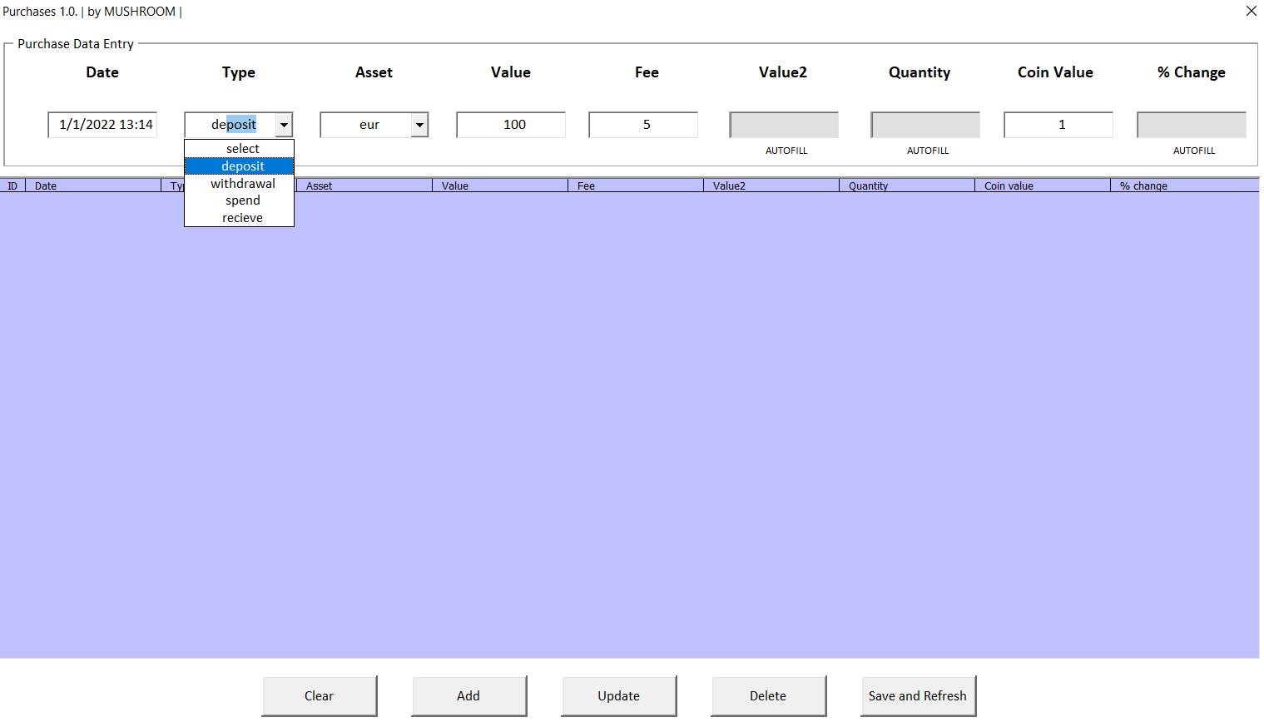
Also it is important that you DO NOT DELETE the the ROW above the buttons. EXAMPLE:The last row above the buttons.
 | 4/15/21
 |  |  |  |  |  |  |  |  | 1.) | 2.) | 3.) | 4.) | 5.) | 6.) | 7.) | 8.) | 9.)
 |  |  |  |  |  |  |  |  | Date | Type | Asset | Value | Fee | Value2 | Quantity | Coin value | % change
a) You spend cash (which you deposited earlier) and you recieve crypto. <-- Trading(buying) cash for crypto

We start with the deposits and withdrawals. This is the transaction you make when you put in / put out crypto or cash in the wallet.Be aware that these are two different transactions.
Here are shown the columns which you will use.
 |  |  |  |  |  |  |  |  | 1.) | 2.) | 3.) | 4.) | 5.) | 6.) | 7.) | 8.) | 9.)
 |  |  |  |  |  |  |  |  | 2021-04-15 13:36:14 | spend | eur | -10.00 € | 1.00 € | -11.00 € | -11.000000 | 1.00 €
 |  |  |  |  |  |  |  |  | 2021-04-15 13:37:15 | receive | btc | 10.00 € | - € | 10.00 € | 0.00 € | 30,000.00 € | -88%

b) You spend crypto(which you bought earlier at some point) and you recieve cash. <-- Trading(selling) crypto for cash
1.)Fill in the [Date]. Its better if you fill in the time too. The more specific date, the better. Also it is better if every row has a different time. Means every row should be at least a minute or second apart.
EXAMPLE:
1.) | 2.) | 3.) | 4.) | 5.) | 6.) | 7.) | 8.) | 9.) | 1.) | 2.) | 3.) | 4.) | 5.) | 6.) | 7.) | 8.) | 9.)
Date | Type | Asset | Value | Fee | Value2 | Quantity | Coin value | % change | 2021-04-15 13:36:14 | spend | btc | -10.00 € | 1.00 € | -11.00 € | -11.000000 | 1.00 € | -88%
 |  |  |  |  |  |  |  |  | 2021-04-15 13:37:15 | receive | eur | 9.00 € | - € | 9.00 € | 0.00 € | 30,000.00 €

c) You spend crypto(which you bought earlier at some point) and you recieve another crypto. <-- Trading crypto for crypto
 |  |  |  |  |  |  |  |  | 1.) | 2.) | 3.) | 4.) | 5.) | 6.) | 7.) | 8.) | 9.)
 |  |  |  |  |  |  |  |  | 2021-04-15 13:36:14 | spend | btc | -10.00 € | - € | -10.00 € | -0.005000 | 2,000.00 €
1.) | 2.) | 3.) | 4.) | 5.) | 6.) | 7.) | 8.) | 9.) | 2021-04-15 13:37:15 | receive | eth | 10.00 € | - € | 10.00 € | 0.00 € | 30,000.00 € | -88%
2021-04-15 13:36:13 |  |  |  |  | - € | -
You can see that:
- always first spend then recieve. Always grouped up in two rows next to each other. Always a minute apart from each other.
- the spend is always a negative number.
- the fee is alwas deducted just once. Never write the same fee twice, because it will count as two fees deducted.
2021-04-15 13:36:13 |  |  |  |  | - € | -

This is wrong because the date and the time is the same. This usually happens in trades not deposits, but try to make it different here as well. Sometimes when it seems that the time is the same...click on the cell and you can see the difference in minutes or seconds. CORRECT WAY: We changed the time in the second row from 13:36:13 to 13:37:13. Click on the dates below and see the difference.

1.) | 2.) | 3.) | 4.) | 5.) | 6.) | 7.) | 8.) | 9.)
2021-04-15 13:36:13 |  |  |  |  | - € | -
2021-04-15 13:37:13 |  |  |  |  | - € | -
2.) Fill in the [Type]. Choose if you "deposit" or "withdrawl". If you make a typo then it will be an error and you can try again or select from the list.
1.)Fill in the [Date]. In "spend" and "recieve" should be the date at least a minute or second apart. Date of spend is always sooner.

The"Add" button creates a new row with your inputs.
If you want to "Delete" or "Update" the row, you need to double click it first.
"Clear" button clears the input.
"Save and refresh" saves and refreshes the workbook.
1.) | 2.) | 3.) | 4.) | 5.) | 6.) | 7.) | 8.) | 9.) | 1.) | 2.) | 3.) | 4.) | 5.) | 6.) | 7.) | 8.) | 9.)
2021-04-15 13:36:13 | deposit |  |  |  | - € | - |  |  | 2021-04-15 13:36:14 |  |  |  |  | - € | -
2021-04-15 13:37:13 | withdrawal |  |  |  | - € | - |  |  | 2021-04-15 13:37:15 |  |  |  |  | - € | -

3.) Fill in the [Asset]. Select "eur" or crypto ("btc", "eth", "xrp"...). Be aware that you can select just the top 200 coins. If you type the wrong asset symbol then it will show you an error and you need to try again.
2.) Fill in the [Type]. First comes the "spend" and then the "recieve".
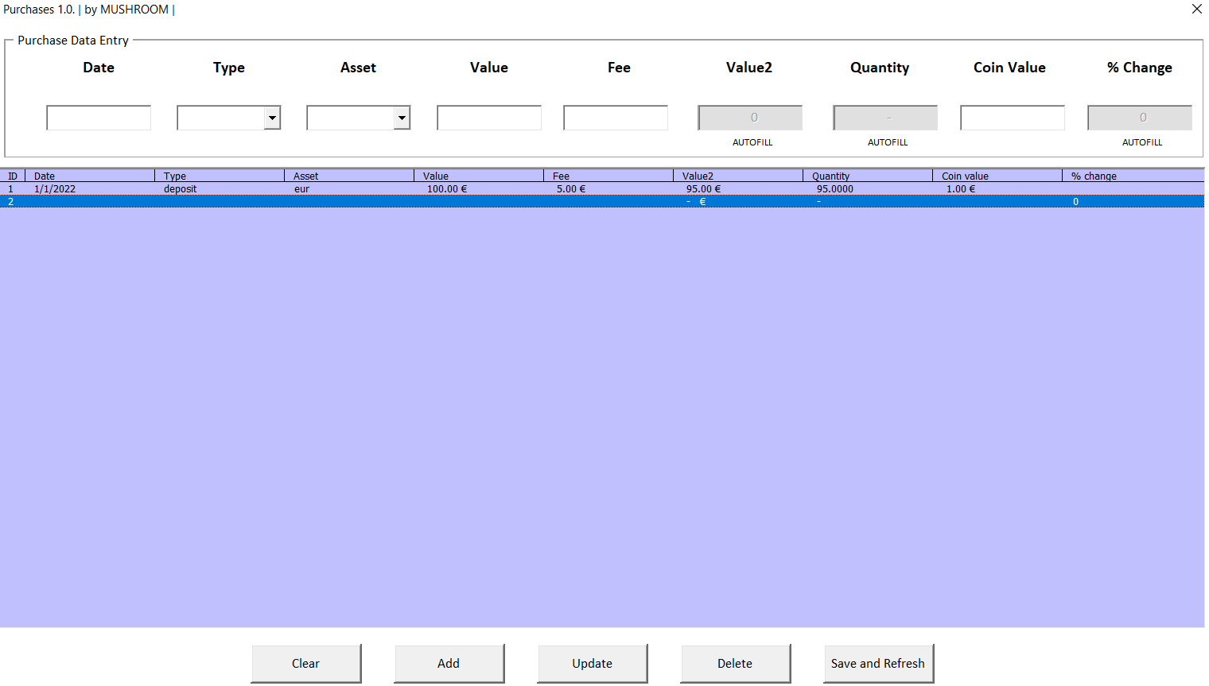
 |  |  |  |  |  |  |  |  | 1.) | 2.) | 3.) | 4.) | 5.) | 6.) | 7.) | 8.) | 9.)
 |  |  |  |  |  |  |  |  | 2021-04-15 13:36:14 | spend |  |  |  | - € | -
1.) | 2.) | 3.) | 4.) | 5.) | 6.) | 7.) | 8.) | 9.) | 2021-04-15 13:37:15 | receive |  |  |  | - € | -
2021-04-15 13:36:13 | deposit | eur |  |  | - € | -
3.) Fill in the [Asset]. First comes the asset you spent and then the one you recieved.
2021-04-15 13:37:13 | withdrawal | eth |  |  | - € | -
 |  |  |  |  |  |  |  |  | 1.) | 2.) | 3.) | 4.) | 5.) | 6.) | 7.) | 8.) | 9.)
4.) Fill in the [Value] in eur of your "deposit" or "withdrawal" without the fee. IN WITHDRAWAL THE VALUE IS NEGATIVE! (If the value is negative the cell will become red.)
 |  |  |  |  |  |  |  |  | 2021-04-15 13:36:14 | spend | eur |  |  | - € | -
 |  |  |  |  |  |  |  |  | 2021-04-15 13:37:15 | receive | btc |  |  | - € | -
 |  |  |  |  |  |  |  |  | 1.) | 2.) | 3.) | 4.) | 5.) | 6.) | 7.) | 8.) | 9.)
4.) Fill in the [Value]. Its the amount you spent and the amount you recieved. Should be the same value in both cases. (not a problem if differs a lil bit)
1.) | 2.) | 3.) | 4.) | 5.) | 6.) | 7.) | 8.) | 9.)
2021-04-15 13:36:13 | deposit | eur | 20.00 € |  | 20.00 € | - |  |  | 1.) | 2.) | 3.) | 4.) | 5.) | 6.) | 7.) | 8.) | 9.)
2021-04-15 13:37:13 | withdrawal | eth | -10.00 € |  | -10.00 € | - |  |  | 2021-04-15 13:36:14 | spend | eur | -1,000.00 € |  | -1,000.00 € | -
 |  |  |  |  |  |  |  |  | 2021-04-15 13:37:15 | receive | btc | 1,000.00 € |  | 1,000.00 € | -
5.) Fill in the [Fee]. Type in the value of the fee of the transaction. If there was no fee then write in the row 0. Fee is always a POSITIVE value.
5.)Fill in the [Fee]. Fill it in just once.
Either where is the "eur"(cash for crypto or crypto for cash) or fill it in on the "spend" row(crypto for crypto).
In the other row write always 0. Fee is always POSITIVE value.
1.) | 2.) | 3.) | 4.) | 5.) | 6.) | 7.) | 8.) | 9.)
2021-04-15 13:36:13 | deposit | eur | 20.00 € | 5.00 € | 15.00 € | -
2021-04-15 13:37:13 | withdrawal | eth | -10.00 € | - € | -10.00 € | -
If you are having problems with fees then write everywhere 0 so the transaction values wont get messed up. You can then create another row and just fill in the combined fees of all transactions. EXAMPLE:
 |  |  |  |  |  |  |  |  | 1.) | 2.) | 3.) | 4.) | 5.) | 6.) | 7.) | 8.) | 9.)
 |  |  |  |  |  |  |  |  | 2021-04-15 13:36:14 | spend | btc | -1,000.00 € | - € | -1,000.00 € | -
 |  |  |  |  |  |  |  |  | 2021-04-15 13:37:15 | receive | eur | 1,000.00 € | 5.00 € | 995.00 € | -
1.) | 2.) | 3.) | 4.) | 5.) | 6.) | 7.) | 8.) | 9.) | 1.) | 2.) | 3.) | 4.) | 5.) | 6.) | 7.) | 8.) | 9.)
2021-04-15 13:36:13 | deposit | eur | - € | 86.00 € | -86.00 € | - |  |  | 2021-04-15 13:36:14 | spend | btc | -1,000.00 € | 5.00 € | -1,005.00 € | -
 |  |  |  |  |  |  |  |  | 2021-04-15 13:37:15 | receive | eth | 1,000.00 € | - € | 1,000.00 € | -
6.) The [Value2] is AUTOFILLED. Its the [Value] - [Fee] values.
6.) The [Value2] is AUTOFILLED. Its the [Value] - [Fee] values.
1.) | 2.) | 3.) | 4.) | 5.) | 6.) | 7.) | 8.) | 9.)
2021-04-15 13:36:13 | deposit | eur | 20.00 € | 5.00 € | 15.00 € | - |  |  | 1.) | 2.) | 3.) | 4.) | 5.) | 6.) | 7.) | 8.) | 9.)
2021-04-15 13:37:13 | withdrawal | eth | -10.00 € | - € | -10.00 € | - |  |  | 2021-04-15 13:36:14 | spend | eur | -1,000.00 € | 5.00 € | -1,005.00 € | -
 |  |  |  |  |  |  |  |  | 2021-04-15 13:37:15 | receive | btc | 1,000.00 € | - € | 1,000.00 € | -
7.) The [Quantity] is AUTOFILLED. Its the number of coins of asset you spent and recieved. First type in the [Coin value]
7.) The [Quantity] is AUTOFILLED. Its the number of coins of asset you spent and recieved. First type in the [Coin value]
1.) | 2.) | 3.) | 4.) | 5.) | 6.) | 7.) | 8.) | 9.)
2021-04-15 13:36:13 | deposit | eur | 20.00 € | 5.00 € | 15.00 € | - |  |  | 1.) | 2.) | 3.) | 4.) | 5.) | 6.) | 7.) | 8.) | 9.)
2021-04-15 13:37:13 | withdrawal | eth | -10.00 € | - € | -10.00 € | - |  |  | 2021-04-15 13:36:14 | spend | eur | -1,000.00 € | 5.00 € | -1,005.00 € | -
8.) Fill in the [Coin value]. Its the value of the coin in the time of purchase. "EUR" coin value is always 1.
 |  |  |  |  |  |  |  |  | 2021-04-15 13:37:15 | receive | btc | 1,000.00 € | - € | 1,000.00 € | -
8.) Fill in the [Coin value]. Its the value of the coin in the time of purchase. "EUR" coin value is always 1.
1.) | 2.) | 3.) | 4.) | 5.) | 6.) | 7.) | 8.) | 9.)
2021-04-15 13:36:13 | deposit | eur | 20.00 € | 5.00 € | 15.00 € | 15.000000 | 1.00 € |  | 1.) | 2.) | 3.) | 4.) | 5.) | 6.) | 7.) | 8.) | 9.)
2021-04-15 13:37:13 | withdrawal | eth | -10.00 € | - € | -10.00 € | -0.005000 | 2,000.00 € |  | 2021-04-15 13:36:14 | spend | eur | -1,000.00 € | 5.00 € | -1,005.00 € | -1,005.000000 | 1.00 €
9.) The [% Change] is AUTOFILLED and it is showing you the percentual difference of the coin price between the time of purchase and today.
You can not see it in deposits or withdrawals. You can see it in the next tutorial, in step 9.
 |  |  |  |  |  |  |  |  | 2021-04-15 13:37:15 | receive | btc | 1,000.00 € | - € | 1,000.00 € | 0.03 € | 30,000.00 €

9.) The [% Change] is AUTOFILLED and it is showing you the percentual difference between the time of purchase and today.
 |  |  |  |  |  |  |  |  | 1.) | 2.) | 3.) | 4.) | 5.) | 6.) | 7.) | 8.) | 9.)
1.) | 2.) | 3.) | 4.) | 5.) | 6.) | 7.) | 8.) | 9.) | 2021-04-15 13:36:14 | spend | eur | -1,000.00 € | 5.00 € | -1,005.00 € | -1,005.000000 | 1.00 €
2021-04-15 13:36:13 | deposit | eur | 20.00 € | 0.60 € | 19.40 € | 19.400000 | 1.00 € |  | 2021-04-15 13:37:15 | receive | btc | 1,000.00 € | - € | 1,000.00 € | 0.03 € | 30,000.00 € | -88%
2021-04-15 13:37:13 | withdrawal | eth | -10.00 € | - € | -10.00 € | -0.333333 | 30.00 €
Hope everything is clear. If you managge your purchase history right, then everything else in this workbook is autofilled. Good luck :D
Hope everything is clear. Continue to the B) side of the user guide. -->

Portfolio_Lite
PORTFOLIO BALANCE HISTORY
 | Current balance | Investment
Asset | Current Price/Coin | Quantity | Current Balance
btc | 21,317.00 € | 0.0167 | 355.28 €
eth | 1,158.36 € | 0.2400 | 278.01 €
eur | 1.00 € | -20.0000 | -20.00 €
Total: |  |  | 613.29 €

PORTFOLIO

Portfolio_Pro
 |  |  |  |  |  |  |  |  | Days since first trade: | 164 d | Market cap. | 916.94
 |  |  |  |  |  |  |  |  | Total no. trades: | 5 trades
 |  |  |  |  |  |  |  |  | No. of traded coins: | 3 coins
BASIC + GLOBAL CRYPTO INFO
ASSETS PRICE HISTORY
eth
 | eth
 |  |  |  |  |  |  |  |  |  |  |  |  |  |  |  | INFO
Asset | Asset Rank | Quantity | Current Balance | Current price | 1h price change % | 24h price change % | 30d price change % | 1y price change % | ATH | ATH price change % | Market cap/Billion | Asset dominance % | Total supply/Million | Circulating supply/Million
eur | 0 | -20.0000 | -20.00 € | 1.0000 € | 0.00% | 0.00% | 0.00% | 0.00% | - € | 0.00% | 0.00 | - € | 0.00 | 0.00
btc | 1 | 0.0167 | 355.28 € | 21,317.0000 € | 0.04% | -5.38% | -26.48% | -34.06% | 59,717.00 € | -64.27% | 407.09 | 0.44 € | 21.00 | 19.07
eth | 2 | 0.2400 | 278.01 € | 1,158.3600 € | 0.20% | -3.71% | -41.57% | -44.29% | 4,228.93 € | -72.60% | 140.38 | 0.15 € | 0.00 | 121.17

PORTFOLIO
eur | €(20.00)
btc | €355.28
eth | €278.01
PORTFOLIO BALANCE HISTORY
 | Current balance | Investment

- €
 | - €

 |  |  |  |  |  |  |  |  |  |  |  |  |  |  | INFO

 | INFO |  | Total fees paid | Total portfolio value |  | INFO |  |  |  | INFO |  |  | INFO

ADVANCED PERSONAL CRYPTO INFO

PROFITS and ROI of individual assets
INVESTMENT and CURRENT BALANCE of individual assets
- €
 | - €
Asset | Current Balance | Fees | Investment | Profit | ROI
btc | 355.28 € | - € | 500.00 € | -144.72 € | -28.94%
eth | 278.01 € | - € | 480.00 € | -201.99 € | -42.08%
eur | -20.00 € | 40.00 € | 20.00 € | -40.00 € | 0.00%
Total | 613.29 € | 40.00 € | 1,000.00 € | -386.71 € | -39%

- €
 | - €

 |  |  |  |  |  |  |  | INFO |  |  |  |  | INFO

- €
 | - €

- €
 | - €

- €
 | - €

- €
 | - €

- €
 | - €

- €
 | - €

Purchases
First check the user guide.
You can delete this message afterwards.
ID | Date | Type | Asset | Value | Fee | Value2 | Quantity | Coin value | % change
1 | 2022-01-01 15:18:00 | deposit | eur | 1,000.00 € | 20.00 € | 980.00 € | 980.0000 | 1.00 €
2 | 2022-01-02 16:18:00 | spend | eur | -500.00 € | 10.00 € | -510.00 € | -510.0000 | 1.00 €
3 | 2022-01-02 16:19:00 | receive | btc | 500.00 € |  | 500.00 € | 0.0167 | 30,000.00 € | -28.94%
4 | 2022-01-04 18:18:00 | spend | eur | -480.00 € | 10.00 € | -490.00 € | -490.0000 | 1.00 €
5 | 1/4/22 | receive | eth | 480.00 € |  | 480.00 € | 0.2400 | 2,000.00 € | -42.08%

Login_Info
MOVE TO REVEAL LOGIN INFO
User Name | admin

Password | admin

