Sheet1
Table Documentation

 | Available Tables | Description | Columns
 | admin | The table that stores the single user for the admin of the website, in this case Son Hoang Dau | admin_id, admin_name, admin_email, password
 | availability | Table that stores the mapping for what semester id means what, semester_id 1 == semester 1, 2 == semester 2 | semester_id, semester_name
 | combination | 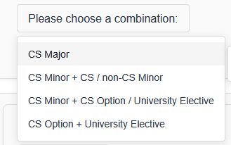 where the program associates a number to the selected 4 combinations | combination_id, combination_name, program code
 | combination_group | Further depth into the combination system, associating an id to the different subsets of each combination, for example CS Minor + non-CS Minor | combo_group_id
 | combination_group_mapping | 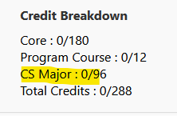 Giving each combination a number for the total credit needed to meet the requirements fo rthat combination | combination_id, combo_group_id, total_credit
 | combo_group_type_mapping
 | course | the main storage of all courses available to pick from in website | course_id, course_code, course_title, course_credit, web_url, prerequisite, year
 | course_availability | a mapping of each course to what semester it is availabile in | course_id, semester_id
 | course_type | 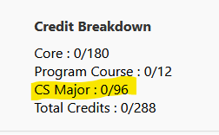 the association with what courses credits count towards the program credit requirements | course_id, sub_type_id
 | history | a list of changes the admin made towards the course associations | history_id, course_id, program_code, admin_id, time_stamp, field_name, old_value, new value
 | group | combines the two prerequisites into groups that form these based on the associations made in the below two tables | group_id, group_type
 | pre_requisite_group_and | group id mapping | group_id, course_id
 | pre_requisite_group_or | group id mapping | group_id, course_id
 | program course | associates each course ID with its related program code | program_code, course_id
 | program plan | overall program linked to the admin that can see it | program_code, admin_id
 | sub_type | 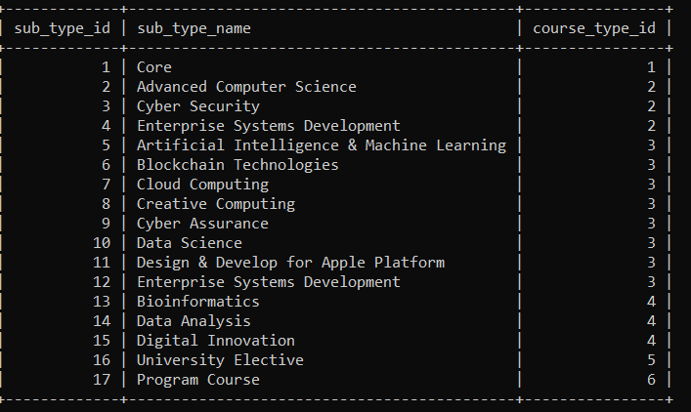 mapping of what subtype (majors/minors) (such as cybersecurity) relates to each course id | sub_type_id, sub_type_name, course_type_id;
 | type | maps course type to a course type id current values include: - Core - CS Major - CS Minor - Cross-disciplinary Minor - University Elective - Program Course | course_type_id, course_type
 | summer_availability | provides ability for summer semester dropdown to recognise coursees that are valid summer semester classes | course_id, semester_id

