Table 1
Table 5.1 Antimicrobial Agents Used in Birds.a
Agent Dosage Species/Comments
Amikacin |  |  |  |  |  |  |  |  | — |  |  |  |  |  |  |  | Aminoglycoside antibiotic; poorly absorbed from gastrointestinal tract; potentially nephrotoxic and ototoxic; maintain hydration and avoid concurrent use of other nephroactive drugs106
 |  |  |  |  |  |  |  |  | 7 mg/kg IV q24h401 |  |  |  |  |  |  |  | Emus/PK; mean serum levels declined below a target trough of 4 µg/mL at 24 hr
 |  |  |  |  |  |  |  |  | 7.6 mg/kg IM q8h441 |  |  |  |  |  |  |  | Ostriches/PK; causes myositis; painful injection
 |  |  |  |  |  |  |  |  | 10 mg/kg IM q12h658 |  |  |  |  |  |  |  | Cranes
 |  |  |  |  |  |  |  |  | 10-20 mg/kg IM, IV q8-12h360,555,736,840 |  |  |  |  |  |  |  | African grey parrots, Amazon parrots, cockatiels, cockatoos/PK; blue-fronted Amazon parrots peak IV and IM concentrations 100 µg/mL and 38 µg/mL; cockatiels IM peak and trough concentrations 27.3 µg/mL and 0.9 µg/mL
 |  |  |  |  |  |  |  |  | 15-20 mg/kg SC, IM, IV q8-12h241 |  |  |  |  |  |  |  | Passerines, pigeons/5 days maximum790
 |  |  |  |  |  |  |  |  | 15-20 mg/kg IM q24h99 |  |  |  |  |  |  |  | Raptors/PK; peak 65 µg/mL; trough at 12 hr: 2.3 µg/mL; use low end of dose range for smaller hawks
 |  |  |  |  |  |  |  |  | 15-30 mg/kg IM q12-24h240,959 |  |  |  |  |  |  |  | Most species, including passerines/use in combination with other agents for Mycobacterium; see Table 5-45
 |  |  |  |  |  |  |  |  | 528 mg/L drinking water939 |  |  |  |  |  |  |  | Ratites/egg dip
 |  |  |  |  |  |  |  |  | 3 g/40 packet bone cement943 |  |  |  |  |  |  |  | PMMA bead formation (1:14 ratio); same dose for all aminoglycoside beads; consider absorbable calcium sulfate beads as alternative to PMMA
Amoxicillin sodium |  |  |  |  |  |  |  |  | — |  |  |  |  |  |  |  | Amoxicillin sodium is the sodium salt form of a semisynthetic aminopenicillin antibiotic with bactericidal activity; broad-spectrum β-lactamase-sensitive penicillin106
 |  |  |  |  |  |  |  |  | 50 mg/kg IM q12-24h236,240 |  |  |  |  |  |  |  | Pigeons/PK; gram-positive bacteria
 |  |  |  |  |  |  |  |  | 100 mg/kg IM, IV q4-8h802 |  |  |  |  |  |  |  | Bustards/PK; administer q4h IM or q8h IV to maintain blood levels >2 mg/mL
 |  |  |  |  |  |  |  |  | 150 mg/kg IM q8h793 |  |  |  |  |  |  |  | Passerines, softbills
 |  |  |  |  |  |  |  |  | 250 mg/kg IM q12-24h236,240 |  |  |  |  |  |  |  | Pigeons/PK; gram-positive and gram-negative bacteria
Amoxicillin trihydrate |  |  |  |  |  |  |  |  | —
 |  |  |  |  |  |  |  |  | 15-22 mg/kg PO q8h939 |  |  |  |  |  |  |  | Ratites
 |  |  |  |  |  |  |  |  | 20 mg/kg PO q12-24h238 |  |  |  |  |  |  |  | Pigeons/PK; mean half-life 66 min
 |  |  |  |  |  |  |  |  | 30 mg/kg IM q12h × 5 days134 |  |  |  |  |  |  |  | Pigeons
 |  |  |  |  |  |  |  |  | 40-80 mg/kg PO q12h × 5 days134 |  |  |  |  |  |  |  | Pigeons
 |  |  |  |  |  |  |  |  | 100 mg/kg PO q12-24h245 |  |  |  |  |  |  |  | Pigeons/PK
 |  |  |  |  |  |  |  |  | 100 mg/kg PO q8h60 |  |  |  |  |  |  |  | Most species, including raptors
 |  |  |  |  |  |  |  |  | 100-150 mg/kg PO q12h178 |  |  |  |  |  |  |  | Raptors
 |  |  |  |  |  |  |  |  | 100-200 mg/kg IM q4-8h245 |  |  |  |  |  |  |  | Pigeons/57% bioavailability compared to IV, double the IM dose when comparing to IV; Cmax 28 µg/mL at 0.5 hr
 |  |  |  |  |  |  |  |  | 150 mg/kg SC, IM q24h ×5 days (administer q48h with long-acting preparation)802 |  |  |  |  |  |  |  | Pigeons
 |  |  |  |  |  |  |  |  | 150 mg/kg PO, IV879 |  |  |  |  |  |  |  | Pigeons/PK, PD; Streptococcus bovis
 |  |  |  |  |  |  |  |  | 150-175 mg/kg PO q12h177 |  |  |  |  |  |  |  | Passerines (towhees), psittacines
 |  |  |  |  |  |  |  |  | 150-175 mg/kg PO q4-8h793 |  |  |  |  |  |  |  | Pigeons, psittacines
Agent Dosage Species/Comments
 |  |  |  |  |  |  |  |  | 65 mg/L drinking water939 |  |  |  |  |  |  |  | Ratites
 |  |  |  |  |  |  |  |  | 200-400 mg/L drinking water369 |  |  |  |  |  |  |  | Canaries/aviary use
 |  |  |  |  |  |  |  |  | 500-800 mg/L drinking water376 |  |  |  |  |  |  |  | Pigeons
 |  |  |  |  |  |  |  |  | 1500 mg/L drinking water × 5 days879 |  |  |  |  |  |  |  | Pigeons/PK, PD; Streptococcus bovis
 |  |  |  |  |  |  |  |  | 1500-4500 mg/L drinking water177 |  |  |  |  |  |  |  | Psittacines
 |  |  |  |  |  |  |  |  | 300-500 mg/kg soft feed369 |  |  |  |  |  |  |  | Canaries/aviary use
 |  |  |  |  |  |  |  |  | 600 mg/kg soft feed177 |  |  |  |  |  |  |  | Psittacines
Amoxicillin/clavulanate (Clavamox, Zoetis) |  |  |  |  |  |  |  |  | — |  |  |  |  |  |  |  | β-lactamase inhibitor106
 |  |  |  |  |  |  |  |  | 7-14 mg/kg IM q24h134 |  |  |  |  |  |  |  | Ostriches
 |  |  |  |  |  |  |  |  | 10-15 mg/kg PO q12h939 |  |  |  |  |  |  |  | Ratites
 |  |  |  |  |  |  |  |  | 105 mg/kg IM q12h263 |  |  |  |  |  |  |  | Pigeon/MIC ≤0.5 mg/L
 |  |  |  |  |  |  |  |  | 125 mg/kg PO q12h702 |  |  |  |  |  |  |  | Most species, including pigeons, psittacines, raptors
 |  |  |  |  |  |  |  |  | 125 mg/kg PO q8h668 |  |  |  |  |  |  |  | Blue-fronted Amazon parrots/PK
 |  |  |  |  |  |  |  |  | 125 mg/kg PO q6h177 |  |  |  |  |  |  |  | Psittacines
 |  |  |  |  |  |  |  |  | 125-250 mg/kg PO q8-12h242 |  |  |  |  |  |  |  | Collared doves/PK
Ampicillin sodium |  |  |  |  |  |  |  |  | — |  |  |  |  |  |  |  | Broad-spectrum β-lactamase-sensitive penicillin106
 |  |  |  |  |  |  |  |  | 50 mg/kg IM q6-8h260 |  |  |  |  |  |  |  | Amazon parrots/PK; localized infections
 |  |  |  |  |  |  |  |  | 100 mg/kg IM q4h260 |  |  |  |  |  |  |  | Amazon parrots/PK
 |  |  |  |  |  |  |  |  | 150 mg/kg IM q12-24h239 |  |  |  |  |  |  |  | Passerines, softbills
 |  |  |  |  |  |  |  |  | 150 mg/kg IM q12-24h260 |  |  |  |  |  |  |  | Pigeons/PK
 |  |  |  |  |  |  |  |  | 150-200 mg/kg PO q8-12h260 |  |  |  |  |  |  |  | Amazon parrots/PK; therapeutic levels not achieved in blue-naped Amazons at this dosage
 |  |  |  |  |  |  |  |  | 174 mg/kg PO q24h207 |  |  |  |  |  |  |  | Pigeons/PK, PD; Streptococcus bovis
 |  |  |  |  |  |  |  |  | 528 mg/L drinking water207 |  |  |  |  |  |  |  | Pigeons/PK, PD; Streptococcus bovis
Ampicillin trihydrate |  |  |  |  |  |  |  |  | — |  |  |  |  |  |  |  | Broad-spectrum β-lacatamase-sensitive penicillin; minimal activity for common gram-negative infections of birds; poor gastrointestinal absorption793
 |  |  |  |  |  |  |  |  | 4-7 mg/kg SC, IM q8h939 |  |  |  |  |  |  |  | Ratites (excluding emus)
 |  |  |  |  |  |  |  |  | 11-15 mg/kg PO q8h939 |  |  |  |  |  |  |  | Ratites
 |  |  |  |  |  |  |  |  | 15 mg/kg IM q12h131 |  |  |  |  |  |  |  | Raptors/PK
 |  |  |  |  |  |  |  |  | 15-20 mg/kg SC, IM q12h131 |  |  |  |  |  |  |  | Emus, cranes/PK
 |  |  |  |  |  |  |  |  | 25 mg/kg PO q12-24h240 |  |  |  |  |  |  |  | Pigeons/PK
 |  |  |  |  |  |  |  |  | 100 mg/kg PO q12-24h240 |  |  |  |  |  |  |  | Pigeons/PK
 |  |  |  |  |  |  |  |  | 100 mg/kg IM q12h658 |  |  |  |  |  |  |  | Cranes
 |  |  |  |  |  |  |  |  | 100 mg/kg IM q4h391 |  |  |  |  |  |  |  | Most species, including psittacines
Agent Dosage Species/Comments
 |  |  |  |  |  |  |  |  | 100-200 mg/kg PO q6-8h391 |  |  |  |  |  |  |  | Psittacines
 |  |  |  |  |  |  |  |  | 155 mg/kg IM q12-24h245 |  |  |  |  |  |  |  | Pigeons/PK; amoxicillin preferred over ampicillin for IM use in pigeons
 |  |  |  |  |  |  |  |  | 500 mg powder/L drinking water391 |  |  |  |  |  |  |  | Psittacines/Pseudomonas
 |  |  |  |  |  |  |  |  | 1000-2000 mg/L drinking water369 |  |  |  |  |  |  |  | Canaries/aviary use
 |  |  |  |  |  |  |  |  | 2000-3000 mg/kg soft feed369 |  |  |  |  |  |  |  | Canaries/aviary use
Azithromycin (Zithromax, Pfizer) |  |  |  |  |  |  |  |  | — |  |  |  |  |  |  |  | Macrolide antibiotic; effective against most aerobic and anaerobic gram-positive bacteria, may be effective against gram-negative organisms; active against Mycobacterium (including atypical species), Chlamydia, and Mycoplasma106
 |  |  |  |  |  |  |  |  | 10 mg/kg PO q48h ×5 treatments 124147 |  |  |  |  |  |  |  | Blue and gold macaws/PK; nonintracellular infections
 |  |  |  |  |  |  |  |  | 40 mg/kg PO q24h ×30 days147 |  |  |  |  |  |  |  | Blue and gold macaws/PK; intracellular infections (i.e., Chlamydia)
 |  |  |  |  |  |  |  |  | 40 mg/kg PO q48h ×21 days814 |  |  |  |  |  |  |  | Cockatiels/PK, PD; treatment course for Chlamydia
 |  |  |  |  |  |  |  |  | 43-45 mg/kg PO q24h391 |  |  |  |  |  |  |  | Most species including psittacines, passerines/intracellular infections including Mycobacterium spp.; used with ethambutol and rifabutin (see Table 5-45)
 |  |  |  |  |  |  |  |  | 50-80 mg/kg PO q24h ×3 days on, off 4 days, repeat up to 3 wk768 |  |  |  |  |  |  |  | Most species/Mycobacterium spp.; do not use if hepatic or renal disease; can mix with lactulose (stable refrigerated for 3-4 wk)
 |  |  |  |  |  |  |  |  | 50-400 mg/L drinking water391 |  |  |  |  |  |  |  | Ratites/Clostridium perfringens; prepare daily
 |  |  |  |  |  |  |  |  | 100-500 mg/kg feed134 |  |  |  |  |  |  |  | Ostriches <3 mo of age
Azithromycin - sustained release granules |  |  |  |  |  |  |  |  | 35mg/kg PO, then 25 mg/kg q24h1006 |  |  |  |  |  |  |  | Pigeons/PK, PD; MIC ≤0.03 mg/mL
 |  |  |  |  |  |  |  |  | 1058 mg/L drinking water594 |  |  |  |  |  |  |  | Most species
Carbenicillin |  |  |  |  |  |  |  |  | — |  |  |  |  |  |  |  | Broad-spectrum b-lactamase-sensitive penicillin; no longer commercially available
 |  |  |  |  |  |  |  |  | 100 mg/kg IM q8h56 |  |  |  |  |  |  |  | Most species
Cefadroxil |  |  |  |  |  |  |  |  | — |  |  |  |  |  |  |  | First-generation cephalosporin; limited activity against gram-negative pathogens106
 |  |  |  |  |  |  |  |  | 20 mg/kg PO q12h980 |  |  |  |  |  |  |  | Ratites
 |  |  |  |  |  |  |  |  | 100 mg/kg PO q12h ×7 days379 |  |  |  |  |  |  |  | Most psittacines, pigeons/14-21 day therapy may be indicated for severe or deep pyodermas
Cefazolin |  |  |  |  |  |  |  |  | — |  |  |  |  |  |  |  | First-generation cephalosporin; limited activity against gram-negative pathogens106
 |  |  |  |  |  |  |  |  | 25-30 mg/kg IM, IV q8h140 |  |  |  |  |  |  |  | Cranes
 |  |  |  |  |  |  |  |  | 25-50 mg/kg IM, IV q12h768 |  |  |  |  |  |  |  | Most species
 |  |  |  |  |  |  |  |  | 50-75 mg/kg IM q12h789 |  |  |  |  |  |  |  | Most species
 |  |  |  |  |  |  |  |  | 50-100 mg/kg PO, IM q12h716 |  |  |  |  |  |  |  | Raptors
Cefotaxime |  |  |  |  |  |  |  |  | — |  |  |  |  |  |  |  | Third-generation cephalosporin with broad-spectrum activity for many gram-positive and gram-negative pathogens106
 |  |  |  |  |  |  |  |  | 25 mg/kg IM q8h942 |  |  |  |  |  |  |  | Ratites/young birds
 |  |  |  |  |  |  |  |  | 50-100 mg/kg IM q8-12h658 |  |  |  |  |  |  |  | Cranes
 |  |  |  |  |  |  |  |  | 75-100 mg/kg IM, IV q4-8h391 |  |  |  |  |  |  |  | Most species, including softbills, psittacines, passerines
 |  |  |  |  |  |  |  |  | 75-100 mg/kg IM q12h420 |  |  |  |  |  |  |  | Raptors
Agent Dosage Species/Comments
 |  |  |  |  |  |  |  |  | 100 mg/kg IM q8-12h376 |  |  |  |  |  |  |  | Pigeons
Cefovecin (Convenia, Zoetis) |  |  |  |  |  |  |  |  | — |  |  |  |  |  |  |  | Third-generation cephalosporin; not recommended for use in birds due to short half-life833
Cefoxitin |  |  |  |  |  |  |  |  | — |  |  |  |  |  |  |  | Second-generation cephalosporin with a wide range of activity against many gram-positive and gram-negative bacteria
 |  |  |  |  |  |  |  |  | 50-75 mg/kg IM, IV q6-8h391 |  |  |  |  |  |  |  | Most species, including softbills
 |  |  |  |  |  |  |  |  | 50-100 mg/kg IM, IV q6-12h391 |  |  |  |  |  |  |  | Psittacines
Ceftazidime |  |  |  |  |  |  |  |  | — |  |  |  |  |  |  |  | Third-generation cephalosporin; extensive activity against gram-negative bacteria106
 |  |  |  |  |  |  |  |  | 50-100 mg/kg IM, IV q4-8h391 |  |  |  |  |  |  |  | Most species
Ceftiofur (Naxcel, Zoetis) |  |  |  |  |  |  |  |  | — |  |  |  |  |  |  |  | Third-generation cephalosporin with activity against Pasteurella106
 |  |  |  |  |  |  |  |  | 10 mg/kg IM q8-12h926 |  |  |  |  |  |  |  | Orange-winged Amazon parrots/PK
 |  |  |  |  |  |  |  |  | 10 mg/kg IM q4h926 |  |  |  |  |  |  |  | Cockatiels/PK; higher doses may be required for resistant infections
 |  |  |  |  |  |  |  |  | 10-20 mg/kg IM q12h391 |  |  |  |  |  |  |  | Ratites
 |  |  |  |  |  |  |  |  | 50 mg/kg IM q12h391 |  |  |  |  |  |  |  | Ostrich chicks
 |  |  |  |  |  |  |  |  | 50-100 mg/kg q4-8h391 |  |  |  |  |  |  |  | Most species, including psittacines and passerines
Ceftiofur extended release formulation (Excede, Zoetis) |  |  |  |  |  |  |  |  | —
 |  |  |  |  |  |  |  |  | 10 mg/kg IM476 |  |  |  |  |  |  |  | Flamingos/PK; 10 mg/kg reached levels above MIC through 96 hr in 9/11 birds
 |  |  |  |  |  |  |  |  | 10 mg/kg IM798 |  |  |  |  |  |  |  | Red-tailed hawks/PK; 10 mg/kg may allow targeted plasma levels for 36-45 hr
 |  |  |  |  |  |  |  |  | 10 mg/kg IM797a |  |  |  |  |  |  |  | Bald eagles/PK; may provide target plasma levels of 1 µg/mL for 110 hr or 4 µg/mL for 60 hr
 |  |  |  |  |  |  |  |  | 20 mg/kg IM975a |  |  |  |  |  |  |  | Cattle egrets/PK; may provide target plasma levels for 72 hr
 |  |  |  |  |  |  |  |  | 20 mg/kg IM798 |  |  |  |  |  |  |  | Red-tailed hawks/PK; may provide target plasma levels for 96 hr
 |  |  |  |  |  |  |  |  | 20 mg/kg IM979a |  |  |  |  |  |  |  | Bald eagles/PK; may provide target plasma levels of 4 µg/mL for 160 hr or 4 µg/mL for 80 hr
 |  |  |  |  |  |  |  |  | 50 mg/kg IM947a |  |  |  |  |  |  |  | Ring-necked doves/PK; may provide target plasma levels for 108 hr
Ceftriaxone |  |  |  |  |  |  |  |  | — |  |  |  |  |  |  |  | Third-generation cephalosporin; effective against gram-positive and gram-negative bacteria, including some activity against Pseudomonas106
 |  |  |  |  |  |  |  |  | 75-100 mg/kg IM q4-8h391 |  |  |  |  |  |  |  | Most species
Cephalexin |  |  |  |  |  |  |  |  | — |  |  |  |  |  |  |  | First-generation cephalosporin; active against many gram-positive and some gram-negative bacteria106
 |  |  |  |  |  |  |  |  | 15-22 mg/kg PO q8h939 |  |  |  |  |  |  |  | Ratites (excluding emus)
 |  |  |  |  |  |  |  |  | 35-50 mg/kg IM q2-3h133 |  |  |  |  |  |  |  | Psittacines <500 g/PK
 |  |  |  |  |  |  |  |  | 35-50 mg/kg PO, IM q6-8h133 |  |  |  |  |  |  |  | Pigeons, emus, cranes, raptors, psittacines >500 g/PK; dose psittacines q6h
 |  |  |  |  |  |  |  |  | 40-100 mg/kg PO, IM q6-8h391 |  |  |  |  |  |  |  | Most species, including raptors, psittacines, passerines
 |  |  |  |  |  |  |  |  | 50 mg/kg PO q6h × 3- 5 days391 |  |  |  |  |  |  |  | Raptors, pigeons
 |  |  |  |  |  |  |  |  | 100 mg/kg PO q8-12h376 |  |  |  |  |  |  |  | Pigeons/14-21-day therapy may be indicated for severe or deep pyodermas
 |  |  |  |  |  |  |  |  | 100 mg/kg PO q4-6h133 |  |  |  |  |  |  |  | Pigeons, emus, cranes/PK
Cephalothin |  |  |  |  |  |  |  |  | — |  |  |  |  |  |  |  | First-generation cephalosporin; active against many gram-positive and some gram-negative bacteria106
 |  |  |  |  |  |  |  |  | 30-40 mg/kg IM, IV q6h939 |  |  |  |  |  |  |  | Ratites (excluding emus)
Agent Dosage Species/Comments
 |  |  |  |  |  |  |  |  | 100 mg/kg IM q8-12h420 |  |  |  |  |  |  |  | Raptors
 |  |  |  |  |  |  |  |  | 100 mg/kg IM, IV q6-8h391 |  |  |  |  |  |  |  | Most species, including psittacines, ratites
 |  |  |  |  |  |  |  |  | 100 mg/kg IM q6h133 |  |  |  |  |  |  |  | Pigeons, emus, cranes/PK
 |  |  |  |  |  |  |  |  | 100 mg/kg IM, IV q2-6h241 |  |  |  |  |  |  |  | Passerines
Cephradine |  |  |  |  |  |  |  |  | — |  |  |  |  |  |  |  | First-generation cephalosporin; active against many gram-positive and some gram-negative bacteria106
 |  |  |  |  |  |  |  |  | 35-50 mg/kg PO q4-6h767 |  |  |  |  |  |  |  | Most species/14-21-day therapy may be indicated for severe or deep pyodermas
 |  |  |  |  |  |  |  |  | 100 mg/kg PO q4-6h767 |  |  |  |  |  |  |  | Pigeons, emus, cranes
Chloramphenicol palmitate (oral suspension) |  |  |  |  |  |  |  |  | — |  |  |  |  |  |  |  | Phenicol; broad spectrum, including anaerobes but can cause blood dyscrasias in humans;106 because large differences in pharmacokinetics exist between birds and mammals and even among avian species, extrapolation between species is not recommended;243 not commercially available in the United States but can be compounded
 |  |  |  |  |  |  |  |  | 25 mg/kg PO q8h × 5 days134 |  |  |  |  |  |  |  | Pigeons
 |  |  |  |  |  |  |  |  | 30-50 mg/kg PO q6-8h391 |  |  |  |  |  |  |  | Psittacines, including budgerigars
 |  |  |  |  |  |  |  |  | 35-50 mg/kg PO q8h ×3 days939 |  |  |  |  |  |  |  | Ratites
 |  |  |  |  |  |  |  |  | 50 mg/kg PO q6-12h391 |  |  |  |  |  |  |  | Raptors
 |  |  |  |  |  |  |  |  | 50-100 mg/kg PO q6-12h391 |  |  |  |  |  |  |  | Most species, including passerines
 |  |  |  |  |  |  |  |  | 250 mg/kg PO q6h376 |  |  |  |  |  |  |  | Pigeons
 |  |  |  |  |  |  |  |  | 100-200 mg/L drinking water768 |  |  |  |  |  |  |  | Canaries
Chloramphenicol succinate |  |  |  |  |  |  |  |  | 30 mg/kg IM q8h ×3-5 days305 |  |  |  |  |  |  |  | Raptors
 |  |  |  |  |  |  |  |  | 35-50 mg/kg SC, IM, IV q8h × 3 days939 |  |  |  |  |  |  |  | Ratites
 |  |  |  |  |  |  |  |  | 50 mg/kg IM q24h162 |  |  |  |  |  |  |  | Eagles/PK
 |  |  |  |  |  |  |  |  | 50 mg/kg IM q8-12h241 |  |  |  |  |  |  |  | Passerines
 |  |  |  |  |  |  |  |  | 50 mg/kg IM, IV q6-12h162,391 |  |  |  |  |  |  |  | Most species, including budgerigars, passerines, pigeons, raptors
 |  |  |  |  |  |  |  |  | 50 mg/kg IM q6h162 |  |  |  |  |  |  |  | Macaws, conures/PK
 |  |  |  |  |  |  |  |  | 50-80 mg/kg IM q12-24h241 |  |  |  |  |  |  |  | Passerines
 |  |  |  |  |  |  |  |  | 60-100 mg/kg IM q8h376 |  |  |  |  |  |  |  | Pigeons
 |  |  |  |  |  |  |  |  | 100 mg/kg SC q8h658 |  |  |  |  |  |  |  | Cranes
 |  |  |  |  |  |  |  |  | 100 mg/kg IM q6h241 |  |  |  |  |  |  |  | Passerines
 |  |  |  |  |  |  |  |  | 200 mg/kg IM q12h ×5 days430 |  |  |  |  |  |  |  | Budgerigars/PK
Chlorhexidine |  |  |  |  |  |  |  |  | — |  |  |  |  |  |  |  | Biguanides; antiseptic activity against most gram-positive and some gram-negative bacteria; not bacterial spores987
 |  |  |  |  |  |  |  |  | 2.6-7.9 mL of 2% solution/L drinking water768 |  |  |  |  |  |  |  | Most species/bacterial infection; topical application may be fatal to nun (mannikin) and parrot finches768
 |  |  |  |  |  |  |  |  | 7.9 mL/L water939 |  |  |  |  |  |  |  | Ratites/egg disinfectant spray at 40-42°C (104-108°F)
Chlorine (Na hypochlorite) |  |  |  |  |  |  |  |  | 5 mg/L drinking water789 |  |  |  |  |  |  |  | Water disinfectant; 0.1 mL of 5.25% bleach/L approximates this concentration
Agent Dosage Species/Comments
Chlortetracycline (Aureomycin Soluble Powder, Cyanamid) |  |  |  |  |  |  |  |  | — |  |  |  |  |  |  |  | Broad-spectrum tetracycline with activity against a wide range of gram-positive and gram-negative bacteria including Chlamydia and Mycoplasma106
 |  |  |  |  |  |  |  |  | 6-10 mg/kg IM q24h399 |  |  |  |  |  |  |  | Raptors
 |  |  |  |  |  |  |  |  | 15-20 mg/kg PO q8h939 |  |  |  |  |  |  |  | Ratites
 |  |  |  |  |  |  |  |  | 40-50 mg/kg PO q8h (w/grit), or q12h (w/o grit)391 |  |  |  |  |  |  |  | Pigeons/PK
 |  |  |  |  |  |  |  |  | 100 mg/kg PO q6h177 |  |  |  |  |  |  |  | Psittacines
 |  |  |  |  |  |  |  |  | 250 mg/kg PO q24h399 |  |  |  |  |  |  |  | Raptors
 |  |  |  |  |  |  |  |  | 130-400 mg/L drinking water376 |  |  |  |  |  |  |  | Pigeons
 |  |  |  |  |  |  |  |  | 500 mg/L drinking water or nectar391 |  |  |  |  |  |  |  | Most species/prepare fresh q8-12h
 |  |  |  |  |  |  |  |  | 1000-1500 mg/L drinking water391 |  |  |  |  |  |  |  | Canaries, psittacines/prophylaxis against Chlamydia
 |  |  |  |  |  |  |  |  | 5000 mg/L drinking water × 45 days177 |  |  |  |  |  |  |  | Psittacines/Chlamydia
 |  |  |  |  |  |  |  |  | 100 mg/kg of feed938 |  |  |  |  |  |  |  | Pigeons/Salmonella
 |  |  |  |  |  |  |  |  | 500 mg/kg of feed240 |  |  |  |  |  |  |  | Budgerigars/Chlamydia
 |  |  |  |  |  |  |  |  | 5000 mg/kg soft feed ×45 days177 |  |  |  |  |  |  |  | Psittacines/Chlamydia
 |  |  |  |  |  |  |  |  | 0.5% pellets × 30-45 days237 |  |  |  |  |  |  |  | Small psittacines/reduce calcium content of diet to 0.7%
 |  |  |  |  |  |  |  |  | 1% pellets × 30-45 days237 |  |  |  |  |  |  |  | Large psittacines/reduce calcium content of diet to 0.7%
 |  |  |  |  |  |  |  |  | 1000-2000 mg/kg soft mixed feed × 45 days239 |  |  |  |  |  |  |  | Most psittacines, canaries
Ciprofloxacin |  |  |  |  |  |  |  |  | — |  |  |  |  |  |  |  | Fluoroquinolone with wide spectrum against gram-negative and some gram-positive bacteria; activity against Chlamydia and Mycoplasma106
 |  |  |  |  |  |  |  |  | 3-6 mg/kg PO q12h939 |  |  |  |  |  |  |  | Ratites
 |  |  |  |  |  |  |  |  | 5-20 mg/kg PO q12h ×5-7 days790 |  |  |  |  |  |  |  | Pigeons
 |  |  |  |  |  |  |  |  | 10 mg/kg PO q12h × 7 days2 |  |  |  |  |  |  |  | Ostrich chicks
 |  |  |  |  |  |  |  |  | 10-20 mg/kg PO q12h307 |  |  |  |  |  |  |  | Raptors
 |  |  |  |  |  |  |  |  | 15-20 mg/kg PO, IM q12h241,391,940 |  |  |  |  |  |  |  | Most species, including psittacines, passerines
 |  |  |  |  |  |  |  |  | 20-40 mg/kg PO, IV q12h391 |  |  |  |  |  |  |  | Most species, including psittacines, canaries, raptors
 |  |  |  |  |  |  |  |  | 50 mg/kg PO q12h429 |  |  |  |  |  |  |  | Raptors/PK
 |  |  |  |  |  |  |  |  | 80 mg/kg PO q24h959 |  |  |  |  |  |  |  | Most species/Mycobacterium; use in combination with other agents (see Table 5-46)
 |  |  |  |  |  |  |  |  | 250 mg/L drinking water × 5-10 days790 |  |  |  |  |  |  |  | Pigeons
Clarithromycin |  |  |  |  |  |  |  |  | — |  |  |  |  |  |  |  | Macrolide; effective against most aerobic and anaerobic gram-positive bacteria; may be effective against gram-negative organisms; active against Mycobacterium (including atypical species), Chlamydia, and Mycoplasma;106 see Table 5-46
 |  |  |  |  |  |  |  |  | 10 mg/kg PO q24h639 |  |  |  |  |  |  |  | Penguins
 |  |  |  |  |  |  |  |  | 60 mg/kg PO q24h524 |  |  |  |  |  |  |  | Psittacines
 |  |  |  |  |  |  |  |  | 85 mg/kg PO q24h792 |  |  |  |  |  |  |  | Most species/Mycobacterium spp.; allometrically scaled
Agent Dosage Species/Comments
Clindamycin |  |  |  |  |  |  |  |  | — |  |  |  |  |  |  |  | Lincosamide; broad spectrum against anaerobic bacteria; limited against aerobic pathogens; widely distributed to tissues including bone106
 |  |  |  |  |  |  |  |  | 5.5 mg/kg PO q8h616 |  |  |  |  |  |  |  | Ostriches
 |  |  |  |  |  |  |  |  | 12.5 mg/kg PO q12h370 |  |  |  |  |  |  |  | Great horned owls/skin grafts; given in combination with enrofloxacin
 |  |  |  |  |  |  |  |  | 25 mg/kg PO q8h289 |  |  |  |  |  |  |  | Psittacines, raptors
 |  |  |  |  |  |  |  |  | 50 mg/kg PO q8-12h291 |  |  |  |  |  |  |  | Most species/7-10 day course recommended for raptors with osteomyelitis
 |  |  |  |  |  |  |  |  | 100 mg/kg PO q24h ×3-5 days391 |  |  |  |  |  |  |  | Most species, including psittacines, passerines, raptors, pigeons/Clostridium
 |  |  |  |  |  |  |  |  | 100 mg/kg PO q12h ×7 days702 |  |  |  |  |  |  |  | Psittacines
 |  |  |  |  |  |  |  |  | 150 mg/kg PO q24h358 |  |  |  |  |  |  |  | Pigeons, raptors/osteomyelitis
 |  |  |  |  |  |  |  |  | 200 mg/L drinking water190 |  |  |  |  |  |  |  | Pigeons
Clofazimine (Lamprene, Novartis) |  |  |  |  |  |  |  |  | — |  |  |  |  |  |  |  | Antimycobacterial agent; active against both slow- and fast-growing mycobacteria; use in combination with amikacin
 |  |  |  |  |  |  |  |  | 1-5 mg/kg PO q24h ×3-12 mo391 |  |  |  |  |  |  |  | Psittacines, raptors/Mycobacterium; use in combination with other agents (see Table 5-46)
 |  |  |  |  |  |  |  |  | 6-12 mg/kg PO q12h391 |  |  |  |  |  |  |  | Most species/Mycobacterium; use in combination with other agents (see Table 5-46)
Cloxacillin |  |  |  |  |  |  |  |  | — |  |  |  |  |  |  |  | Narrow-spectrum β-lactamase-resistant penicillin; inactive against many gram-positive organisms106
 |  |  |  |  |  |  |  |  | 100-250 mg/kg PO, IM q24h391 |  |  |  |  |  |  |  | Most species
 |  |  |  |  |  |  |  |  | 250 mg/kg PO q12h ×7-10 days89 |  |  |  |  |  |  |  | Raptors
Cycloserine (Seromycin, Lilly) |  |  |  |  |  |  |  |  | 5 mg/kg PO q12-24h × 3-12 mo391 |  |  |  |  |  |  |  | Raptors/Mycobacterium; use in combination with other agents (see Table 5-45)
Danofloxacin mesylate (A180, Zoetis) |  |  |  |  |  |  |  |  | — |  |  |  |  |  |  |  | Fluoroquinolone with wide spectrum against gram-negative and some gram-positive bacteria; active against Chlamydia and Mycoplasma106
 |  |  |  |  |  |  |  |  | 5 mg/kg PO, IM, IV601 |  |  |  |  |  |  |  | Hyacinth macaws
 |  |  |  |  |  |  |  |  | 10 mg/kg IM, SC q24h183 |  |  |  |  |  |  |  | Chukar partridge (Alectoris chukar)/Cmax8.05 µg/mL (IV), 9.58 µg/mL (IM)
 |  |  |  |  |  |  |  |  | 15 mg/kg IM q24h835 |  |  |  |  |  |  |  | Brown pelicans (Pelecanus occidentalis)/Cmax 2.5 µg/mL; AUC 13.75 µg/h/mL
 |  |  |  |  |  |  |  |  | 20 mg/kg PO q24h183 |  |  |  |  |  |  |  | Chukar partridge (Alectoris chukar)/Cmax3.39 µg/mL

Agent |  |  |  |  |  |  |  |  |  | Dosage |  |  |  |  |  |  | Species/Comments
Doxycycline |  |  |  |  |  |  |  |  |  | — |  |  |  |  |  |  | Broad-spectrum tetracycline with activity against a wide range of gram-positive and gram-negative bacteria; drug of choice for Chlamydia and Mycoplasma; products or foods containing Al, Ca, Mg, and Fe reduce or alter absorption;106 12.5-25 mg/kg PO q12-24h resulted in elevations in AST and serum bile acids as well as hepatocellular damage in lorikeets1018
 |  |  |  |  |  |  |  |  |  | 2-3.5 mg/kg PO q12h939 |  |  |  |  |  |  | Ratites
 |  |  |  |  |  |  |  |  |  | 7.5-8 mg/kg PO q12-24h768 |  |  |  |  |  |  | Passerines, nectar feeders, pigeons/PK; administer without grit238
 |  |  |  |  |  |  |  |  |  | 10-20 mg/kg PO q24h ×3-5 days134 |  |  |  |  |  |  | Pigeons
 |  |  |  |  |  |  |  |  |  | 25 mg/kg PO q12h455 |  |  |  |  |  |  | Psittacines, raptors/some gram-negative bacterial infections and possibly Leucocytozoon
 |  |  |  |  |  |  |  |  |  | 25 mg/kg (w/grit) PO q12h1019 |  |  |  |  |  |  | Pigeons/PK
 |  |  |  |  |  |  |  |  |  | 25-50 mg/kg PO q12-24h391 |  |  |  |  |  |  | Most species, including parrots (African grey parrots, Amazon parrots, cockatoos, macaws) and pigeons/may cause regurgitation; use low end of dose range for macaws and cockatoos
Agent |  |  |  |  |  |  |  |  |  | Dosage |  |  |  |  |  |  | Species/Comments
 |  |  |  |  |  |  |  |  |  | 35 mg/kg PO q24h ×21 days814 |  |  |  |  |  |  | Cockatiels/PK, PD; Chlamydia
 |  |  |  |  |  |  |  |  |  | 40 mg/kg PO q24h207 |  |  |  |  |  |  | Pigeons/PK, PD
 |  |  |  |  |  |  |  |  |  | 130 mg/L drinking water177 |  |  |  |  |  |  | Parrots
 |  |  |  |  |  |  |  |  |  | 200 mg/L drinking water265 |  |  |  |  |  |  | Pigeons
 |  |  |  |  |  |  |  |  |  | 250 mg/L drinking water238 |  |  |  |  |  |  | Canaries
 |  |  |  |  |  |  |  |  |  | 280 mg/L drinking water718 |  |  |  |  |  |  | Cockatiels/PK; see Table 5-42 for recipe
 |  |  |  |  |  |  |  |  |  | 400 mg/L drinking water268 |  |  |  |  |  |  | Cockatiels/PK, PD; spiral bacteria
 |  |  |  |  |  |  |  |  |  | 500 mg/L drinking water × 45 days670 |  |  |  |  |  |  | Fruit doves/PK, PD
 |  |  |  |  |  |  |  |  |  | 500 mg/L drinking water207 |  |  |  |  |  |  | Psittacines, pigeons/Streptococcus bovis in pigeons
 |  |  |  |  |  |  |  |  |  | 800 mg/L drinking water (mix the contents of 16 × 100 mg capsules with 2 L water)297 |  |  |  |  |  |  | African grey parrots, Goffin’s cockatoos/PK; protect solution from exposure to light; make fresh daily
 |  |  |  |  |  |  |  |  |  | 250-300 mg/kg seed90 |  |  |  |  |  |  | Budgerigars
 |  |  |  |  |  |  |  |  |  | 500 mg/kg wet weight seeds718 |  |  |  |  |  |  | Cockatiels/PK; see Table 5-42 for recipe
 |  |  |  |  |  |  |  |  |  | 1000 mg/kg feed391,723 |  |  |  |  |  |  | Large psittacines on dehulled seed (PK), macaws on corn (PK), canaries, large psittacines on soft feed (10 mg/mL syrup mixed into 29% kidney beans, 29% canned corn, 29% cooked rice, 13% dry oatmeal cereal)
Doxycycline (Doxirobe gel, Zoetis) |  |  |  |  |  |  |  |  |  | Topical888 |  |  |  |  |  |  | Most species/apply to beak or pododermatitis lesions; use in conjunction with debridement; antibiotic is released for 28 days
Doxycycline (pharmacist-compounded micronized doxycycline hyclate) |  |  |  |  |  |  |  |  |  | 75-100 mg/kg IM q7d793 |  |  |  |  |  |  | Cockatoos/anecdotal reports of sudden death with compounded product; inadequate drug levels achieved in cockatiels at 100 mg/kg IM q10d718; adequate drug levels achieved with 100 mg/kg given IM in cockatoos, Amazon parrots and SC in African grey parrots, but severe soft-tissue reactions seen293
Doxycycline (Vibravenös, Pfizer) |  |  |  |  |  |  |  |  |  | — |  |  |  |  |  |  | Broad-spectrum tetracycline with activity against a wide range of gram-positive and gram-negative bacteria; drug of choice for Chlamydia and Mycoplasma;106 not available in the United States
 |  |  |  |  |  |  |  |  |  | 25-50 mg/kg IM q5-7d ×5-7 treatments391 |  |  |  |  |  |  | Psittacines
 |  |  |  |  |  |  |  |  |  | 60-100 mg/kg SC, IM q5-7d238 |  |  |  |  |  |  | Psittacines, pigeons
 |  |  |  |  |  |  |  |  |  | 75 mg/kg IM q7d × 4-6 wk59 |  |  |  |  |  |  | Macaws
 |  |  |  |  |  |  |  |  |  | 75-100 mg/kg IM q5-7d × 4-6 wk391 |  |  |  |  |  |  | Psittacines, including macaws, budgerigars
 |  |  |  |  |  |  |  |  |  | 100 mg/kg SC, IM q5-7d ×7 doses354 |  |  |  |  |  |  | Houbara bustards/PK; Chlamydia
Agent Dosage Species/Comments
Doxycycline hyclate (injection) |  |  |  |  |  |  |  |  |  | — |  |  |  |  |  |  | Cardiovascular collapse associated with the propylene glycol carrier can occur after rapid IV injection316
 |  |  |  |  |  |  |  |  |  | 15 mg/kg IV q24h9 |  |  |  |  |  |  | Ostrich/extremely poor oral and IM bioavailability; only administer IV; Cmax80 µg/mL
 |  |  |  |  |  |  |  |  |  | 25-50 mg/kg slow bolus IV q24h × 3 days793 |  |  |  |  |  |  | Psittacines
 |  |  |  |  |  |  |  |  |  | 75-100 mg/kg SC, IM q5-7d236 |  |  |  |  |  |  | Pigeons/PK
Doxycyline hyclate capsule |  |  |  |  |  |  |  |  |  | 300 mg doxycycline mixed in soybean oil/kg low-fat psittacine pellets301 |  |  |  |  |  |  | Cockatiels/Chlamydia and spiral bacterial infections; feed as sole diet for 47 days
Enrofloxacin |  |  |  |  |  |  |  |  |  | — |  |  |  |  |  |  | Fluoroquinolone with wide spectrum against gram-negative and some gram-positive bacteria; active against Chlamydia and Mycoplasma;106 administration may be associated with emesis;802 given PO, the IM formulation produces therapeutic plasma concentration;420 best to avoid IM administration; IM administration is believed to be painful and may result in tissue necrosis and sterile abscesses; in parenteral administration, best to dilute with sterile NaCl and give SC; best to avoid IV use in raptors;282 some fluoroquinolones have been used in PMMA beads with success;256 joint deformities reported in squab chondrocytes with 200-800 mg/L drinking water;501 however, enrofloxacin has been commonly used at the recommended dosages without reports of adverse effects;298,768 no detected effect on cartilage in day-old poultry chicks696
 |  |  |  |  |  |  |  |  |  | 1.5-2.5 mg/kg PO, SC q12h507 |  |  |  |  |  |  | Ratites
 |  |  |  |  |  |  |  |  |  | 2.2 mg/kg IV q12h402 |  |  |  |  |  |  | Emus/PK
 |  |  |  |  |  |  |  |  |  | 5 mg/kg IM q12h × 2 days939 |  |  |  |  |  |  | Ratites
 |  |  |  |  |  |  |  |  |  | 5 mg/kg PO, IM q12-24h940 |  |  |  |  |  |  | African grey parrots
 |  |  |  |  |  |  |  |  |  | 5 mg/kg SC, IM q12h940 |  |  |  |  |  |  | Cockatiels
 |  |  |  |  |  |  |  |  |  | 5-10 mg/kg SC, IM q24h240 |  |  |  |  |  |  | African grey parrots
 |  |  |  |  |  |  |  |  |  | 5-10 mg/kg PO q8h391 |  |  |  |  |  |  | Passerines, pigeons/PK
 |  |  |  |  |  |  |  |  |  | 5-15 mg/kg PO, SC, IM q12h391 |  |  |  |  |  |  | Raptors, psittacines, pigeons/drug of choice for Salmonella typhimurium
 |  |  |  |  |  |  |  |  |  | 5-20 mg/kg PO q12-24h × 5-10 days391 |  |  |  |  |  |  | Pigeons
 |  |  |  |  |  |  |  |  |  | 10 mg/kg PO, IV q24h507 |  |  |  |  |  |  | Emus/PK
 |  |  |  |  |  |  |  |  |  | 10 mg/kg PO q12h142 |  |  |  |  |  |  | Cockatiels
 |  |  |  |  |  |  |  |  |  | 10 mg/kg PO, IM, IV q12h44 |  |  |  |  |  |  | Houbara bustard (Chlamydotis undulata macqueenii); 97% IM bioavailabiity; 62% PO bioavailability
 |  |  |  |  |  |  |  |  |  | 10-15 mg/kg PO, IM q12h × 5-7 days391 |  |  |  |  |  |  | Raptors
 |  |  |  |  |  |  |  |  |  | 10-20 mg/kg PO q24h238 |  |  |  |  |  |  | Passerines, psittacines, pigeons (PK)
 |  |  |  |  |  |  |  |  |  | 15 mg/kg PO, IM q24h44 |  |  |  |  |  |  | Houbara bustard (Chlamydotis undulata macqueenii); 97% IM bioavailabiity; 62% PO bioavailability
 |  |  |  |  |  |  |  |  |  | 15 mg/kg PO, SC q24h642 |  |  |  |  |  |  | Caribbean flamingos/Cmax 5.25- 5.77 µg/mL
Agent Dosage Species/Comments
 |  |  |  |  |  |  |  |  |  | 15 mg/kg PO, IV q24h974a |  |  |  |  |  |  | African penguins/PK
 |  |  |  |  |  |  |  |  |  | 15 mg/kg PO q24h702 |  |  |  |  |  |  | Psittacines
 |  |  |  |  |  |  |  |  |  | 15 mg/kg PO, SC q12h291 |  |  |  |  |  |  | Most species
 |  |  |  |  |  |  |  |  |  | 15 mg/kg PO q12h551 |  |  |  |  |  |  | Ostrich chicks, pigeons (administration to adult birds led to therapeutic levels in crop milk)
 |  |  |  |  |  |  |  |  |  | 15 mg/kg PO, IM, IV q12h382 |  |  |  |  |  |  | Raptors/PK; IV administration in owls may result in weakness, tachycardia, vasoconstriction282,382
 |  |  |  |  |  |  |  |  |  | 15-30 mg/kg PO, IM q12h296 |  |  |  |  |  |  | African grey parrots/PK
 |  |  |  |  |  |  |  |  |  | 20 mg/kg PO, SC, IM q12h391 |  |  |  |  |  |  | Pigeons/administer parenterally, followed by oral treatment
 |  |  |  |  |  |  |  |  |  | 20-30 mg/kg PO q12-24h265 |  |  |  |  |  |  | Pigeons
 |  |  |  |  |  |  |  |  |  | 30 mg/kg PO, IM q24h941 |  |  |  |  |  |  | Psittacines
 |  |  |  |  |  |  |  |  |  | 45 mg/kg PO q24h378 |  |  |  |  |  |  | Pigeons
 |  |  |  |  |  |  |  |  |  | 0.2 mg/mL saline, flush q24h × 10 days89 |  |  |  |  |  |  | Raptors/nasal flush
 |  |  |  |  |  |  |  |  |  | 25-50 mg/L drinking water114 |  |  |  |  |  |  | Cranes (sandhill)/did not provide sufficient plasma levels
 |  |  |  |  |  |  |  |  |  | 100-200 mg/L drinking water232,790,802 |  |  |  |  |  |  | Psittacines, pigeons/PK; may need up to 300 mg/L to prevent recurrence of infection in pigeons802
 |  |  |  |  |  |  |  |  |  | 190-750 mg/L drinking water296 |  |  |  |  |  |  | African grey parrots/PK
 |  |  |  |  |  |  |  |  |  | 200 mg/L drinking water295 |  |  |  |  |  |  | Psittacines/PK; maintains plasma concentrations adequate only for highly susceptible bacteria
 |  |  |  |  |  |  |  |  |  | 200 mg/L drinking water239 |  |  |  |  |  |  | Canaries
 |  |  |  |  |  |  |  |  |  | 500 mg/L drinking water540 |  |  |  |  |  |  | Psittacines
 |  |  |  |  |  |  |  |  |  | 200 mg/kg soft feed239 |  |  |  |  |  |  | Canaries
 |  |  |  |  |  |  |  |  |  | 250 mg/kg feed238 |  |  |  |  |  |  | Budgerigars/PK
 |  |  |  |  |  |  |  |  |  | 250-1000 mg/kg feed q24h391 |  |  |  |  |  |  | Psittacines, passerines
 |  |  |  |  |  |  |  |  |  | 500 mg/kg feed540 |  |  |  |  |  |  | Psittacines, including Patagonian conures/PK; mix into steamed corn diet
 |  |  |  |  |  |  |  |  |  | 1000 mg/kg feed540 |  |  |  |  |  |  | Senegal parrots/PK; mix into steamed corn diet
Erythromycin |  |  |  |  |  |  |  |  |  | — |  |  |  |  |  |  | Macrolide antibiotic; effective against most aerobic and anaerobic gram-positive bacteria; may be effective against gram-negative organisms; active against Mycobacterium (including atypical species), Chlamydia, and Mycoplasma;106 IM injection may cause severe muscle necrosis389
 |  |  |  |  |  |  |  |  |  | 5-10 mg/kg PO q8h939 |  |  |  |  |  |  | Ratites
 |  |  |  |  |  |  |  |  |  | 10-20 mg/kg IM q24h240 |  |  |  |  |  |  | Passerines
Agent Dosage Species/Comments
 |  |  |  |  |  |  |  |  |  | 10-20 mg/kg PO q12h802 |  |  |  |  |  |  | Psittacines
 |  |  |  |  |  |  |  |  |  | 50-100 mg/kg PO q8-12h240 |  |  |  |  |  |  | Passerines
 |  |  |  |  |  |  |  |  |  | 60 mg/kg PO q12h409 |  |  |  |  |  |  | Most species
 |  |  |  |  |  |  |  |  |  | 71 mg/kg PO q24h207 |  |  |  |  |  |  | Pigeons/PK, PD; Streptococcus bovis
 |  |  |  |  |  |  |  |  |  | 100 mg/kg PO960 |  |  |  |  |  |  | Pigeons/PK, PD; low plasma levels but higher lung and trachea levels
 |  |  |  |  |  |  |  |  |  | 125 mg/kg PO q8h376 |  |  |  |  |  |  | Pigeons
 |  |  |  |  |  |  |  |  |  | 125 mg/L drinking water239 |  |  |  |  |  |  | Canaries
 |  |  |  |  |  |  |  |  |  | 132 mg/L drinking water (10 days on, 5 days off, 10 days on)391 |  |  |  |  |  |  | Most species, including canaries
 |  |  |  |  |  |  |  |  |  | 250-500 mg/L drinking water × 3-5 days177 |  |  |  |  |  |  | Psittacines
 |  |  |  |  |  |  |  |  |  | 525-800 mg/L drinking water376 |  |  |  |  |  |  | Pigeons
 |  |  |  |  |  |  |  |  |  | 1000 mg/L drinking water207,960 |  |  |  |  |  |  | Pigeons/PK, PD; Streptococcus bovis; plasma levels low; one study reported that lung and trachea levels were subtherapeutic
 |  |  |  |  |  |  |  |  |  | 1500 mg/L drinking water802 |  |  |  |  |  |  | Most species
 |  |  |  |  |  |  |  |  |  | 200 mg/kg soft feed239 |  |  |  |  |  |  | Canaries, psittacines
Ethambutol |  |  |  |  |  |  |  |  |  | — |  |  |  |  |  |  | Antimycobacterial agent; use in combination with other agents (see Table 5-45)
 |  |  |  |  |  |  |  |  |  | 10 mg/kg PO q12h59 |  |  |  |  |  |  | Most species
 |  |  |  |  |  |  |  |  |  | 15-20 mg/kg PO q12h × 3-12 mo391 |  |  |  |  |  |  | Psittacines, raptors/Mycobacterium
 |  |  |  |  |  |  |  |  |  | 15-30 mg/kg PO q12-24h241 |  |  |  |  |  |  | Passerines/Mycobacterium
 |  |  |  |  |  |  |  |  |  | 30 mg/kg PO q24h792 |  |  |  |  |  |  | Most species/Mycobacterium
Flumequine (Biocik, Amacol) |  |  |  |  |  |  |  |  |  | — |  |  |  |  |  |  | Fluoroquinolone antibiotic with wide spectrum against gram-negative and some gram-positive bacteria; active against Chlamydia and Mycoplasma;106 not available in the United States
 |  |  |  |  |  |  |  |  |  | 30 mg/kg PO, IM q8-12h236 |  |  |  |  |  |  | Passerines, pigeons (PK)
Furazolidone (NF180, Hess and Clark) |  |  |  |  |  |  |  |  |  | — |  |  |  |  |  |  | Nitrofuran antibiotic, wide spectrum but potency is relatively low;106 linked with cardiomyopathy in birds; therapeutic action is confined to the gastrointestinal tract
 |  |  |  |  |  |  |  |  |  | 15-20 mg/kg PO q24h241 |  |  |  |  |  |  | Passerines
 |  |  |  |  |  |  |  |  |  | 100-200 mg/L drinking water768 |  |  |  |  |  |  | Canaries
 |  |  |  |  |  |  |  |  |  | 200 mg/kg soft food768 |  |  |  |  |  |  | Canaries
 |  |  |  |  |  |  |  |  |  | 908 mg/kg feed938 |  |  |  |  |  |  | Pigeons/Salmonella
Agent Dosage Species/Comments
Gentamicin |  |  |  |  |  |  |  |  |  | — |  |  |  |  |  |  | Extended spectrum aminoglycoside; potentially nephrotoxic; maintain hydration and avoid concurrent use of other nephroactive drugs;94,95,106 avoid doses higher than 2.5-5 mg/kg q8-12h95,300
 |  |  |  |  |  |  |  |  |  | 1-2 mg/kg IM q8h939 |  |  |  |  |  |  | Ratites (excluding emus)/use only as last resort
 |  |  |  |  |  |  |  |  |  | 2.5 mg/kg IM q8h95 |  |  |  |  |  |  | Raptors/PK
 |  |  |  |  |  |  |  |  |  | 3-10 mg/kg IM q6-12h241 |  |  |  |  |  |  | Passerines
 |  |  |  |  |  |  |  |  |  | 5 mg/kg IM q12h736 |  |  |  |  |  |  | Cockatiels/PK; peak 4.6 µg/mL; trough 0.17 µg/mL
 |  |  |  |  |  |  |  |  |  | 5 mg/kg IM q8h132,196 |  |  |  |  |  |  | Emus, cranes/PK
 |  |  |  |  |  |  |  |  |  | 5-10 mg/kg IM q4h132,196,796 |  |  |  |  |  |  | Pigeons/PK; Salmonella
 |  |  |  |  |  |  |  |  |  | 7 mg/kg q8h442 |  |  |  |  |  |  | Ostriches/PK; use with caution
 |  |  |  |  |  |  |  |  |  | 40 mg/kg PO q8-24h241 |  |  |  |  |  |  | Passerines/15-25 g
 |  |  |  |  |  |  |  |  |  | 2-3 drops ophthalmic solution intranasal q8h940 |  |  |  |  |  |  | Most species
Isoniazid |  |  |  |  |  |  |  |  |  | — |  |  |  |  |  |  | Antimycobacterial agent; should be used in combination with other drugs (see Table 5-45)
 |  |  |  |  |  |  |  |  |  | 5-15 mg/kg PO q12h240 |  |  |  |  |  |  | Most species, including passerines
 |  |  |  |  |  |  |  |  |  | 30 mg/kg PO q24h959 |  |  |  |  |  |  | Most species
Kanamycin |  |  |  |  |  |  |  |  |  | — |  |  |  |  |  |  | Extended spectrum aminoglycoside; potentially nephrotoxic; maintain hydration and avoid concurrent use of other nephroactive drugs106
 |  |  |  |  |  |  |  |  |  | 10-20 mg/kg IM q12h391 |  |  |  |  |  |  | Most species, including passerines/enteric infections
 |  |  |  |  |  |  |  |  |  | 13-65 mg/L drinking water × 3-5 days391 |  |  |  |  |  |  | Most species/make fresh daily
Lincomycin |  |  |  |  |  |  |  |  |  | — |  |  |  |  |  |  | Lincosamide antibiotic; broad spectrum against anaerobic bacteria; limited activity against aerobic organisms; wide distribution, including bone106
 |  |  |  |  |  |  |  |  |  | 0.25-0.5 mL intraarticular q24h × 7-10 days793 |  |  |  |  |  |  | Raptors
 |  |  |  |  |  |  |  |  |  | 25-50 mg/kg PO q12h373 |  |  |  |  |  |  | Raptors/musculoskeletal surgical repair
 |  |  |  |  |  |  |  |  |  | 35-50 mg/kg PO q12-24h241 |  |  |  |  |  |  | Passerines
 |  |  |  |  |  |  |  |  |  | 35-50 mg/pigeon PO q24h × 7- 14 days584 |  |  |  |  |  |  | Pigeons
 |  |  |  |  |  |  |  |  |  | 50-75 mg/kg PO, IM q12h × 7-10 days391 |  |  |  |  |  |  | Psittacines, raptors/pododermatitis, osteomyelitis
 |  |  |  |  |  |  |  |  |  | 100 mg/kg PO q24h768 |  |  |  |  |  |  | Raptors
 |  |  |  |  |  |  |  |  |  | 100 mg/kg IM q12h90 |  |  |  |  |  |  | Psittacines
 |  |  |  |  |  |  |  |  |  | 100-200 mg/L drinking water239 |  |  |  |  |  |  | Canaries
 |  |  |  |  |  |  |  |  |  | Topical373 |  |  |  |  |  |  | Raptors/mixture of 50 mg/mL lincomycin and 10 mg/mL tobramycin was used to flush the flexor tendon sheath
Agent Dosage Species/Comments
Lincomycin/spectinomycin (LS-50 Water Soluble, Zoetis; Linco-Spectin 100 Soluble Powder, Zoetis) |  |  |  |  |  |  |  |  |  | — |  |  |  |  |  |  | Lincosamide in combination with an aminoglycoside; combination is effective against Mycoplasma106
 |  |  |  |  |  |  |  |  |  | 50 mg/kg PO q24h391 |  |  |  |  |  |  | Most species
 |  |  |  |  |  |  |  |  |  | ¼-½ tsp/L drinking water × 10-14 days166 |  |  |  |  |  |  | Most species/using soluble powder 16.7 g lincomycin and 33.3 g spectinomycin per 2.55 oz packet of powder
Marbofloxacin (Zeniquin, Zoetis) |  |  |  |  |  |  |  |  |  |  |  |  |  |  |  |  | Fluoroquinolone with wide-spectrum against gram-negative and some gram-positive bacteria; active against Chlamydia and Mycoplasma106
 |  |  |  |  |  |  |  |  |  | 2 mg/kg IV829 |  |  |  |  |  |  | Bilgorajska geese (Anser anser domesticus)/MIC ≤0.125 µg/mL
 |  |  |  |  |  |  |  |  |  | 2-3 mg/kg IO q24h330 |  |  |  |  |  |  | Buzzard (Buteo buteo)/PK; IO: Cmax 1.92µg/mL; AUC 8.53 µg*h/mL
 |  |  |  |  |  |  |  |  |  | 2.5 mg/kg IV q24h331 |  |  |  |  |  |  | Vulture/PK; targets MIC 0.2 µg/mL
 |  |  |  |  |  |  |  |  |  | 2.5-5 mg/kg PO q24h146 |  |  |  |  |  |  | Blue and gold macaws/PK
 |  |  |  |  |  |  |  |  |  | 5 mg/kg IM, IV208 |  |  |  |  |  |  | Ostriches/PK
 |  |  |  |  |  |  |  |  |  | 9-15 mg/kg IV q24h328 |  |  |  |  |  |  | Mallard duck/PK; Cmax 1.34 µg/mL; targets MICs of 0.125-0.2 µg/mL
 |  |  |  |  |  |  |  |  |  | 10 mg/kg PO829 |  |  |  |  |  |  | Bilgorajska geese (Anser anser domesticus)/MIC ≤0.125 µg/mL
 |  |  |  |  |  |  |  |  |  | 10-15 mg/kg PO, IM q12-24h802,329 |  |  |  |  |  |  | Raptors, bustards (PO dosage is PK)329
Meropenem |  |  |  |  |  |  |  |  |  | — |  |  |  |  |  |  | Broad-spectrum β-lactamase-sensitive penicillin with extended spectra, including Pseudomonas and many anaerobes106
 |  |  |  |  |  |  |  |  |  | 175 mg/kg IM q24h841 |  |  |  |  |  |  | Pigeons/PK
Metronidazole |  |  |  |  |  |  |  |  |  | — |  |  |  |  |  |  | Nitroimidazole antibiotic and antiprotozoal agent active against most anaerobes; penetrates blood-brain barrier;106 see Table 5-4
 |  |  |  |  |  |  |  |  |  | 10 mg/kg IM q24h ×2 days391 |  |  |  |  |  |  | Psittacines
 |  |  |  |  |  |  |  |  |  | 10-30 mg/kg PO q12h ×10 days941 |  |  |  |  |  |  | Psittacines
 |  |  |  |  |  |  |  |  |  | 50 mg/kg PO q24h ×5-7 days391 |  |  |  |  |  |  | Most species, including raptors, psittacines/anaerobes
 |  |  |  |  |  |  |  |  |  | 50 mg/kg PO q12h ×30 days789 |  |  |  |  |  |  | Amazon parrots, cockatoos/anaerobic and hemorrhagic enteritis
Minocycline |  |  |  |  |  |  |  |  |  | — |  |  |  |  |  |  | Broad-spectrum tetracycline with active against a wide range of gram-positive and gram-negative bacteria; drug of choice for Chlamydia and Mycoplasma; readily penetrates blood-brain barrier106
 |  |  |  |  |  |  |  |  |  | 10 mg/kg PO q12h639 |  |  |  |  |  |  | Penguins
 |  |  |  |  |  |  |  |  |  | 15 mg/kg PO q12h399 |  |  |  |  |  |  | Raptors
 |  |  |  |  |  |  |  |  |  | 5000 mg/kg feed15 |  |  |  |  |  |  | Parakeets/use as antibiotic-impregnated millet
Neomycin |  |  |  |  |  |  |  |  |  | — |  |  |  |  |  |  | Aminoglycoside antibiotic; poorly absorbed from gastrointestinal tract; potentially nephrotoxic and ototoxic106
 |  |  |  |  |  |  |  |  |  | 5-10 mg/kg IM q12h399 |  |  |  |  |  |  | Raptors/toxic if overdosed
 |  |  |  |  |  |  |  |  |  | 10 mg/kg PO q8-12h129 |  |  |  |  |  |  | Most species
Agent Dosage Species/Comments
 |  |  |  |  |  |  |  |  |  | 80-100 mg/L drinking water768 |  |  |  |  |  |  | Canaries
 |  |  |  |  |  |  |  |  |  | 10 mg/kg PO q24h241 |  |  |  |  |  |  | Passerines
 |  |  |  |  |  |  |  |  |  | Topical q6-12h798 |  |  |  |  |  |  | Most species/superficial wounds; cover with bandage; may be absorbed systemically and may cause ototoxicity and nephrotoxicity
Nitrofurazone |  |  |  |  |  |  |  |  |  | — |  |  |  |  |  |  | Nitrofuran antibiotic; wide spectrum but potency is relatively low;106 high risk of neurotoxicity and toxicosis; do not use on open wounds associated with pneumatic bones768
Norfloxacin |  |  |  |  |  |  |  |  |  | — |  |  |  |  |  |  | Fluoroquinolone with wide spectrum against gram-negative and some gram-positive bacteria; active against Chlamydia and Mycoplasma106
 |  |  |  |  |  |  |  |  |  | 3-5 mg/kg PO q12h939 |  |  |  |  |  |  | Ratites
Oleandomycin |  |  |  |  |  |  |  |  |  | — |  |  |  |  |  |  | Macrolide antibiotic; not available in the United States
 |  |  |  |  |  |  |  |  |  | 25 mg/kg IM q24h241 |  |  |  |  |  |  | Passerines
 |  |  |  |  |  |  |  |  |  | 50 mg/kg PO q24h241 |  |  |  |  |  |  | Passerines
Ormetoprim-sulfadimethoxine (Primor, Zoetis) |  |  |  |  |  |  |  |  |  | — |  |  |  |  |  |  | Potentiated sulfonamide combination antibiotic; broad spectrum106
 |  |  |  |  |  |  |  |  |  | 60 mg/kg PO q12h378 |  |  |  |  |  |  | Pigeons
 |  |  |  |  |  |  |  |  |  | 475-951 mg/L drinking water × 7-10 days378 |  |  |  |  |  |  | Pigeons
Oxytetracycline |  |  |  |  |  |  |  |  |  | — |  |  |  |  |  |  | Broad-spectrum tetracycline with activity against a wide range of gram-positive and gram-negative bacteria; drug of choice for Chlamydia and Mycoplasma; IM administration may cause muscle irritation or necrosis106
 |  |  |  |  |  |  |  |  |  | 2 mg/mL nebulization q4-6h253 |  |  |  |  |  |  | Parakeets/PK; requires ultrasonic nebulizer; therapeutic concentrations of antibiotic were present in lung and trachea; not effective in treating systemic infections outside the respiratory tract
 |  |  |  |  |  |  |  |  |  | 5 mg/kg IM q12h980 |  |  |  |  |  |  | Ratites
 |  |  |  |  |  |  |  |  |  | 10 mg/kg IM q3d939 |  |  |  |  |  |  | Ratites
 |  |  |  |  |  |  |  |  |  | 16 mg/kg IM q24h923 |  |  |  |  |  |  | Great horned owls/PK
 |  |  |  |  |  |  |  |  |  | 25-50 mg/kg PO, IM q8h × 5-7 days89 |  |  |  |  |  |  | Raptors
 |  |  |  |  |  |  |  |  |  | 48 mg/kg IM q48h420 |  |  |  |  |  |  | Owls
 |  |  |  |  |  |  |  |  |  | 50 mg/kg IM q24h ×5-7 days802 |  |  |  |  |  |  | Psittacines
 |  |  |  |  |  |  |  |  |  | 50 mg/kg PO q6-8h376 |  |  |  |  |  |  | Pigeons
 |  |  |  |  |  |  |  |  |  | 50-75 mg/kg SC289 |  |  |  |  |  |  | Goffin’s cockatoos, blue and gold macaws
 |  |  |  |  |  |  |  |  |  | 50-100 mg/kg SC, IM q2-3d241,299 |  |  |  |  |  |  | Passerines, cockatoos/PK
 |  |  |  |  |  |  |  |  |  | 50-200 mg/kg IM q3-5d802 |  |  |  |  |  |  | Raptors
 |  |  |  |  |  |  |  |  |  | 58 mg/kg IM q24h923 |  |  |  |  |  |  | Amazon parrots/PK
 |  |  |  |  |  |  |  |  |  | 80 mg/kg IM q48h802 |  |  |  |  |  |  | Pigeons <400 g
Agent Dosage Species/Comments
 |  |  |  |  |  |  |  |  |  | 200 mg/kg IM q24h59,89 |  |  |  |  |  |  | Most species, including waterfowl/Pasteurella
 |  |  |  |  |  |  |  |  |  | 130-400 mg/L drinking water376 |  |  |  |  |  |  | Pigeons
 |  |  |  |  |  |  |  |  |  | 650-2000 mg/L drinking water × 5-14 days177 |  |  |  |  |  |  | Psittacines
 |  |  |  |  |  |  |  |  |  | 300 mg/kg soft feed ×5-14 days177 |  |  |  |  |  |  | Psittacines
 |  |  |  |  |  |  |  |  |  | 8 g/40 g packet bone cement134 |  |  |  |  |  |  | PMMA beads (ratio 1:5); consider absorbable calcium sulfate beads as alternative to PMMA

Agent |  |  |  |  |  |  |  |  |  |  | Dosage |  |  |  |  |  |  | Species/Comments
Penicillin benzathine/Procaine |  |  |  |  |  |  |  |  |  |  | — |  |  |  |  |  |  | Anecdotal reports suggest procaine penicillin should not be used in birds <1 kg BW because of possible toxic effects940
 |  |  |  |  |  |  |  |  |  |  | 200 mg/kg IM q24h59 |  |  |  |  |  |  | Most species
Penicillin G |  |  |  |  |  |  |  |  |  |  | 6 mg/kg IV163 |  |  |  |  |  |  | Ostriches, emus/PD; rapidly eliminated; small volume of distribution
Penicillin procaine |  |  |  |  |  |  |  |  |  |  | — |  |  |  |  |  |  | Anecdotal reports suggest procaine penicillin should not be used in birds <1 kg BW; adverse reactions (possible toxic effects) described in finches, canaries, budgerigars, cockatiels286,940
Piperacillin |  |  |  |  |  |  |  |  |  |  | — |  |  |  |  |  |  | Broad-spectrum β-lactamase-sensitive penicillin with extended spectra including Pseudomonas, Proteus, and others;106 is only available in combination with tazobactam; see piperacillin/tazobactam
 |  |  |  |  |  |  |  |  |  |  | 25 mg/kg IM940 |  |  |  |  |  |  | Ratites (chicks <6 mo of age)
 |  |  |  |  |  |  |  |  |  |  | 87 mg/kg IM q4h148 |  |  |  |  |  |  | Amazon parrots/PK; MIC ≤4 µg/mL
 |  |  |  |  |  |  |  |  |  |  | 100 mg/kg IM q12h238 |  |  |  |  |  |  | Psittacines/PK
 |  |  |  |  |  |  |  |  |  |  | 100 mg/kg IM q12h1 |  |  |  |  |  |  | Ostrich chicks/administer concurrent with amikacin (20 mg/kg IM q12h)
 |  |  |  |  |  |  |  |  |  |  | 100 mg/kg IM, IV q8-12h658,744,802 |  |  |  |  |  |  | Pigeons, raptors, cranes
 |  |  |  |  |  |  |  |  |  |  | 100 mg/kg IM q4-6h775 |  |  |  |  |  |  | Red-tailed hawks, great horned owls/PK
 |  |  |  |  |  |  |  |  |  |  | 100-200 mg/kg IM, IV q6-12h793,802 |  |  |  |  |  |  | Most species, including psittacines
 |  |  |  |  |  |  |  |  |  |  | 200 mg/kg IM q8h761 |  |  |  |  |  |  | Raptors
 |  |  |  |  |  |  |  |  |  |  | 200 mg/kg IM, IV q4-8h291,793,940 |  |  |  |  |  |  | Most species, including passerines
 |  |  |  |  |  |  |  |  |  |  | 0.02 mL (4 mg) in macaw eggs; 0.01 mL (2 mg) in small eggs593 |  |  |  |  |  |  | Eggs/inject 200 mg/mL solution into air cell on days 14, 18, and 22
 |  |  |  |  |  |  |  |  |  |  | 500 mg/mL topical213 |  |  |  |  |  |  | Raptors/pododermatitis; 8 mL DMSO, 2mL dexamethasone (2 mg/mL), and 2 mL piperacillin (500 mg/mL)
Piperacillin/tazobactam |  |  |  |  |  |  |  |  |  |  | — |  |  |  |  |  |  | β-lactamase-protected penicillin combination; synergistic effect allows activity against organisms resistant to piperacillin alone; broad-spectrum activity106
 |  |  |  |  |  |  |  |  |  |  | 100 mg/kg IM, IV q8-12h646 |  |  |  |  |  |  | Most species, including psittacines/reports of good clinical response; recommended at 100 mg/kg IV q6h for severe polymicrobic bacteremia
 |  |  |  |  |  |  |  |  |  |  | 100 mg/kg IM q3-4h148 |  |  |  |  |  |  | Hispaniolan Amazon parrots/PK; to control infections attributed to susceptible bacteria with an MIC of ≤4 µg/mL
Polymyxin B |  |  |  |  |  |  |  |  |  |  | — |  |  |  |  |  |  | Polypeptide antibiotic; toxicity limits use to topical preparations or PO for gastrointestinal infections; narrow spectrum against some gram-negative bacteria106
 |  |  |  |  |  |  |  |  |  |  | 10-15 mg/kg IM q24h399 |  |  |  |  |  |  | Raptors/not absorbed if given PO
Agent Dosage Species/Comments
 |  |  |  |  |  |  |  |  |  |  | 50,000 U/L drinking water445 |  |  |  |  |  |  | Canaries
 |  |  |  |  |  |  |  |  |  |  | 50,000 U/kg soft feed454 |  |  |  |  |  |  | Canaries
Povidone-iodine |  |  |  |  |  |  |  |  |  |  | Topical to lesions, then rinse off89 |  |  |  |  |  |  | Raptors/wound cleansing; antibacterial, antifungal activity
Rifabutin (Mycobutin, Pfizer) |  |  |  |  |  |  |  |  |  |  | 15-45 mg/kg PO q24h391 |  |  |  |  |  |  | Antimycobacterial agent; use in combination with other agents (see Table 5-45)
Rifampicin |  |  |  |  |  |  |  |  |  |  | — |  |  |  |  |  |  | See rifampin
Rifampin |  |  |  |  |  |  |  |  |  |  | — |  |  |  |  |  |  | Most species/Mycobacterium; use with other agents (see Table 5-45); may cause/be associated with hepatitis, CNS signs, depression, and vomiting; yellow-orange urates observed in bustards793
 |  |  |  |  |  |  |  |  |  |  | 10-20 mg/kg PO q12-24h240,789,938 |  |  |  |  |  |  | Most species, including passerines, psittacines/Mycobacterium
 |  |  |  |  |  |  |  |  |  |  | 45 mg/kg PO q24h241,878,959 |  |  |  |  |  |  | Most species, including Amazon parrots, cranes
Silver sulfadiazine |  |  |  |  |  |  |  |  |  |  | Topical q12-24h270 |  |  |  |  |  |  | Most species/topical sulfonamide, specifically for burn wounds;106 ulcers; Amazon foot necrosis; bandage application preferred
Spectinomycin |  |  |  |  |  |  |  |  |  |  | — |  |  |  |  |  |  | Aminoglycoside antibiotic106
 |  |  |  |  |  |  |  |  |  |  | 10-30 mg/kg IM q8-12h90 |  |  |  |  |  |  | Psittacines
 |  |  |  |  |  |  |  |  |  |  | 25-35 mg/kg IM q8-12h377 |  |  |  |  |  |  | Pigeons
 |  |  |  |  |  |  |  |  |  |  | 165-275 mg/L drinking water378 |  |  |  |  |  |  | Pigeons
 |  |  |  |  |  |  |  |  |  |  | 200-400 mg/L drinking water239 |  |  |  |  |  |  | Canaries
 |  |  |  |  |  |  |  |  |  |  | 400 mg/kg soft feed239 |  |  |  |  |  |  | Canaries
Spiramycin |  |  |  |  |  |  |  |  |  |  | — |  |  |  |  |  |  | Macrolide antibiotic; effective against most aerobic and anaerobic gram-positive bacteria; may be effective against gram-negative organisms; active against Mycobacterium (including atypical species), Chlamydia, and Mycoplasma;106 not available in the United States
 |  |  |  |  |  |  |  |  |  |  | 20 mg/kg IM q24h399 |  |  |  |  |  |  | Raptors
 |  |  |  |  |  |  |  |  |  |  | 250 mg/kg PO q24h585 |  |  |  |  |  |  | Most species, including raptors/poorly absorbed
 |  |  |  |  |  |  |  |  |  |  | 200-400 mg/L drinking water239 |  |  |  |  |  |  | Canaries
 |  |  |  |  |  |  |  |  |  |  | 400 mg/kg soft feed239 |  |  |  |  |  |  | Canaries
Streptomycin |  |  |  |  |  |  |  |  |  |  | — |  |  |  |  |  |  | Narrow-spectrum aminoglycoside; activity against gram-negative aerobic bacteria106 and Mycobacterium; use in combination with other agents (see Table 5-45); there is reported ototoxicity in chickens resulting in vestibular disease; once medication stopped, clinical signs slowly resolved343
 |  |  |  |  |  |  |  |  |  |  | 30 mg/kg IM q12h59 |  |  |  |  |  |  | Most species
Sulfachlorpyridazine |  |  |  |  |  |  |  |  |  |  | — |  |  |  |  |  |  | Potentiated sulfonamide combination broad-spectrum antibiotic and antiprotozoal106
 |  |  |  |  |  |  |  |  |  |  | 150-300 mg/L drinking water768 |  |  |  |  |  |  | Canaries
 |  |  |  |  |  |  |  |  |  |  | 400 mg/L drinking water × 7-10 days788 |  |  |  |  |  |  | Pigeons
Sulfadimethoxine |  |  |  |  |  |  |  |  |  |  | — |  |  |  |  |  |  | Potentiated sulfonamide combination broad-spectrum antibiotic and antiprotozoal106
 |  |  |  |  |  |  |  |  |  |  | 50 mg/kg PO q24h141 |  |  |  |  |  |  | Cranes
Agent Dosage Species/Comments
 |  |  |  |  |  |  |  |  |  |  | 25-55 mg/kg PO q24h × 3-7 days450,760 |  |  |  |  |  |  | Raptors/loading dose at higher end × 1 day
 |  |  |  |  |  |  |  |  |  |  | 190-250 mg/L drinking water585 |  |  |  |  |  |  | Pigeons/loading dose 375 mg/L drinking water
 |  |  |  |  |  |  |  |  |  |  | 330-400 mg/L drinking water on day 1 followed by 200- 265 mg/L × 4 days378 |  |  |  |  |  |  | Pigeons
Tetracycline |  |  |  |  |  |  |  |  |  |  | — |  |  |  |  |  |  | Broad-spectrum tetracycline with activity against a wide range of gram-positive and gram-negative bacteria; drug of choice for Chlamydia and Mycoplasma106
 |  |  |  |  |  |  |  |  |  |  | 50 mg/kg PO q8241,768 |  |  |  |  |  |  | Most species, including passerines
 |  |  |  |  |  |  |  |  |  |  | 200-250 mg/kg PO q12-24h767 |  |  |  |  |  |  | Most species/gavage
 |  |  |  |  |  |  |  |  |  |  | 40-200 mg/L drinking water391 |  |  |  |  |  |  | Most species, including game birds
 |  |  |  |  |  |  |  |  |  |  | 100 mg/L drinking water738 |  |  |  |  |  |  | Rheas
 |  |  |  |  |  |  |  |  |  |  | 200 mg/L drinking water789 |  |  |  |  |  |  | Pigeons
 |  |  |  |  |  |  |  |  |  |  | 666 mg/L drinking water802 |  |  |  |  |  |  | Pigeons
Tiamulin (Denagard; Elanco) |  |  |  |  |  |  |  |  |  |  | — |  |  |  |  |  |  | Tiamulin fumarate antibiotic; active against gram-positive organisms including anaerobes106
 |  |  |  |  |  |  |  |  |  |  | 25-50 mg/kg PO q24h212 |  |  |  |  |  |  | Most species
Ticarcillin (Ticar, SmithKline Beecham) |  |  |  |  |  |  |  |  |  |  | — |  |  |  |  |  |  | Broad-spectrum β-lactamase-sensitive penicillin with extended spectra including Pseudomonas and many anaerobes106
 |  |  |  |  |  |  |  |  |  |  | 75-100 mg/kg IM q4-6h793 |  |  |  |  |  |  | Amazon parrots
 |  |  |  |  |  |  |  |  |  |  | 150-200 mg/kg IV q2-4h241 |  |  |  |  |  |  | Passerines, softbills
 |  |  |  |  |  |  |  |  |  |  | 200 mg/kg IM q2-4h840 |  |  |  |  |  |  | Blue-fronted Amazon parrots/IV peak 1160 µg/mL; IM peak 15 µg/mL
 |  |  |  |  |  |  |  |  |  |  | 200 mg/kg IM, IV q6-12h391 |  |  |  |  |  |  | Most species, including pigeons, raptors/Pseudomonas289
Ticarcillin/clavulanate (Timentin, Glaxo SmithKline) |  |  |  |  |  |  |  |  |  |  | 100 mg/kg IM, IV176 |  |  |  |  |  |  | Most species/frequency not reported
 |  |  |  |  |  |  |  |  |  |  | 200 mg/kg IM, IV q12h789 |  |  |  |  |  |  | Most species
Tilmicosin (Micotil 300 Injection, Provitil-powder and Pulmotil AC-liquid, Elanco) |  |  |  |  |  |  |  |  |  |  | — |  |  |  |  |  |  | Macrolide antibiotic; effective against most aerobic and anaerobic gram-positive bacteria; may be effective against gram-negative organisms; active against Mycobacterium (including atypical species), Chlamydia, and Mycoplasma;106 handle with caution; potentially fatal to humans;710 see Table 6-1 for poultry dosages
Tobramycin |  |  |  |  |  |  |  |  |  |  | — |  |  |  |  |  |  | Extended spectrum; potentially nephrotoxic; maintain hydration and avoid concurrent use of other nephroactive drugs106
 |  |  |  |  |  |  |  |  |  |  | 2.5-5 mg/kg IM, IV q8-12h177 |  |  |  |  |  |  | Psittacine, passerines, raptors
 |  |  |  |  |  |  |  |  |  |  | 10 mg/kg IM q12h ×5-7 days391 |  |  |  |  |  |  | Raptors
 |  |  |  |  |  |  |  |  |  |  | 0.25-0.5 mL intra-articular irrigation q24h × 7-10 days89 |  |  |  |  |  |  | Raptors/septic arthritis
Agent Dosage Species/Comments
 |  |  |  |  |  |  |  |  |  |  | Irrigation |  |  |  |  |  |  | A mixture of lincomycin (50 mg/mL) and tobramycin (10 mg/mL) was used to irrigate the flexor tendon sheath373
Trimethoprim |  |  |  |  |  |  |  |  |  |  | — |  |  |  |  |  |  | Bacteriostatic activity against some gram-positive and gram-negative bacteria
 |  |  |  |  |  |  |  |  |  |  | 10-20 mg/kg PO q8h236,240,585 |  |  |  |  |  |  | Psittacines, passerines, pigeons/PK
Trimethoprim/sulfadiazine |  |  |  |  |  |  |  |  |  |  | — |  |  |  |  |  |  | Potentiated sulfonamide combination antibiotic; broad spectrum106
 |  |  |  |  |  |  |  |  |  |  | 8 mg/kg SC, IM q12h658 |  |  |  |  |  |  | Cranes
 |  |  |  |  |  |  |  |  |  |  | 12-60 mg/kg PO q12h ×5-7 days89 |  |  |  |  |  |  | Raptors/useful for sensitive infections in neonates
 |  |  |  |  |  |  |  |  |  |  | 16-24 mg/kg PO q8-12h658 |  |  |  |  |  |  | Cranes
 |  |  |  |  |  |  |  |  |  |  | 20 mg/kg SC, IM q12h177 |  |  |  |  |  |  | Psittacines
 |  |  |  |  |  |  |  |  |  |  | 30 mg/kg PO, IM, IV q12h372 |  |  |  |  |  |  | Ostriches/PK; Cmax 35.5 (sulfa) and 37.5 (trimethoprim) µg/mL regardless of route
 |  |  |  |  |  |  |  |  |  |  | 30 mg/kg PO q8h372 |  |  |  |  |  |  | Psittacines/combine with pyrimethamine for treatment of sarcocystosis
 |  |  |  |  |  |  |  |  |  |  | 60 mg/kg PO q12h378 |  |  |  |  |  |  | Pigeons
 |  |  |  |  |  |  |  |  |  |  | 107 mg/L drinking water98 |  |  |  |  |  |  | Galliformes
 |  |  |  |  |  |  |  |  |  |  | 475-950 mg/L drinking water × 7-10 days378 |  |  |  |  |  |  | Pigeons
Trimethoprim/sulfamethoxazole |  |  |  |  |  |  |  |  |  |  | — |  |  |  |  |  |  | Potentiated sulfonamide combination antibiotic; broad spectrum106
 |  |  |  |  |  |  |  |  |  |  | 8 mg/kg IM q12h802 |  |  |  |  |  |  | Psittacines
 |  |  |  |  |  |  |  |  |  |  | 10-50 mg/kg PO q24h241 |  |  |  |  |  |  | Passerines
 |  |  |  |  |  |  |  |  |  |  | 20 mg/kg PO q8-12h802 |  |  |  |  |  |  | Psittacines
 |  |  |  |  |  |  |  |  |  |  | 21 mg/kg PO q12h1 |  |  |  |  |  |  | Ostriches
 |  |  |  |  |  |  |  |  |  |  | 40-50 mg/kg PO q12h291 |  |  |  |  |  |  | Psittacines
 |  |  |  |  |  |  |  |  |  |  | 48 mg/kg PO, IM q12h455 |  |  |  |  |  |  | Raptors
 |  |  |  |  |  |  |  |  |  |  | 60 mg/kg PO q24h236 |  |  |  |  |  |  | Pigeons/PK
 |  |  |  |  |  |  |  |  |  |  | 60-72 mg/kg PO q12h140 |  |  |  |  |  |  | Cranes
 |  |  |  |  |  |  |  |  |  |  | 75 mg/kg IM q12h59 |  |  |  |  |  |  | Most species/reduce dose if regurgitation occurs289
 |  |  |  |  |  |  |  |  |  |  | 100 mg/kg PO q12h59 |  |  |  |  |  |  | Most species, including psittacines
 |  |  |  |  |  |  |  |  |  |  | 144 mg/kg PO q8-12h793 |  |  |  |  |  |  | Most species
 |  |  |  |  |  |  |  |  |  |  | 360-400 mg/L drinking water × 10-14 days788 |  |  |  |  |  |  | Most species, including pigeons
Trimethoprim/sulfatroxazole |  |  |  |  |  |  |  |  |  |  | — |  |  |  |  |  |  | Potentiated sulfonamide combination antibiotic; broad spectrum106
 |  |  |  |  |  |  |  |  |  |  | 10-50 mg/kg PO q12h241 |  |  |  |  |  |  | Passerines
Tylosin |  |  |  |  |  |  |  |  |  |  | — |  |  |  |  |  |  | Macrolide antibiotic; effective against most aerobic and anaerobic gram-positive bacteria, may be effective against gram-negative organisms; active against Mycobacterium (including atypical species), Chlamydia, and Mycoplasma; potentially irritating to muscle when administered IM106
 |  |  |  |  |  |  |  |  |  |  | 3-5 mg/kg IM, IV q12h939 |  |  |  |  |  |  | Ratites
Agent Dosage Species/Comments
 |  |  |  |  |  |  |  |  |  |  | 5-10 mg/kg PO q8h939 |  |  |  |  |  |  | Ratites
 |  |  |  |  |  |  |  |  |  |  | 15 mg/kg IM q8h543 |  |  |  |  |  |  | Cranes/PK
 |  |  |  |  |  |  |  |  |  |  | 15-30 mg/kg IM q12h ×3 days391 |  |  |  |  |  |  | Raptors
 |  |  |  |  |  |  |  |  |  |  | 17 mg/kg IM q24h ×7 days610 |  |  |  |  |  |  | Emus/Mycoplasma
 |  |  |  |  |  |  |  |  |  |  | 20-40 mg/kg IM q8h802 |  |  |  |  |  |  | Psittacines
 |  |  |  |  |  |  |  |  |  |  | 25 mg/kg IM q8h543 |  |  |  |  |  |  | Emus/PK
 |  |  |  |  |  |  |  |  |  |  | 25 mg/kg IM q6h543 |  |  |  |  |  |  | Pigeons, quail/PK
 |  |  |  |  |  |  |  |  |  |  | 30 mg/kg IM q12h89 |  |  |  |  |  |  | Most species/Mycoplasma
 |  |  |  |  |  |  |  |  |  |  | 50 mg/kg PO q24h391 |  |  |  |  |  |  | Passerines, pigeons
 |  |  |  |  |  |  |  |  |  |  | 50 mg/L drinking water789 |  |  |  |  |  |  | Most species
 |  |  |  |  |  |  |  |  |  |  | 250-400 mg/L drinking water239 |  |  |  |  |  |  | Canaries
 |  |  |  |  |  |  |  |  |  |  | 300 mg/L drinking water ×6 wk651 |  |  |  |  |  |  | House finches/Mycoplasma
 |  |  |  |  |  |  |  |  |  |  | 500 mg/L drinking water × 3-28 days391 |  |  |  |  |  |  | Pigeons, emus/Mycoplasma
 |  |  |  |  |  |  |  |  |  |  | 800 mg/L drinking water378 |  |  |  |  |  |  | Pigeons
 |  |  |  |  |  |  |  |  |  |  | 1000 mg/L drinking water × 21 days586 |  |  |  |  |  |  | House finches/Mycoplasma; give in conjunction with ophthalmic ciprofloxacin
 |  |  |  |  |  |  |  |  |  |  | 2000 mg/L drinking water391 |  |  |  |  |  |  | Pigeons/Mycoplasma, Haemophilus
aMany drug doses used in birds are empirical. Patients should be monitored for adverse effects and treatment failure.289
Table 5.2 Antifungal Agents Used in Birds.
Agent |  |  | Dosage |  |  |  |  |  |  |  |  |  |  |  |  |  | Species/Comments
Amphotericin B |  |  | — |  |  |  |  |  |  |  |  |  |  |  |  |  | Polyene macrolide antifungal agent; broad activity against various types of fungi, but susceptibility varies as to species; ineffective against dermatophytes: primary use is for systemic fungal infections107
 |  |  | 1 mg/kg intratracheal q8-12h, dilute to 1 mL with sterile water745,768 |  |  |  |  |  |  |  |  |  |  |  |  |  | Psittacines, raptors/aspergillosis
 |  |  | 1 mg/kg intratracheal q12h × 12 days, then q48h × 5 wk89 |  |  |  |  |  |  |  |  |  |  |  |  |  | Raptors/syringeal aspergilloma
 |  |  | 1.5 mg/kg IV q8h × 3-7 days391,745 |  |  |  |  |  |  |  |  |  |  |  |  |  | Most species
 |  |  | 100-109 mg/kg PO by gavage q12h × 10-30 days617 |  |  |  |  |  |  |  |  |  |  |  |  |  | Budgerigars/Macrorhabdus; compound in simple syrup; resistance reported in budgerigars in Australia702
 |  |  | 0.05 mg/mL sterile water60 |  |  |  |  |  |  |  |  |  |  |  |  |  | Most species/nasal flush
 |  |  | 0.2 mL PO q12h × 10 days177 |  |  |  |  |  |  |  |  |  |  |  |  |  | Budgerigars/Macrorhabdus; use IV formulation (5 mg/mL)
 |  |  | 0.25-1 mL PO q24h ×4-5 days89 |  |  |  |  |  |  |  |  |  |  |  |  |  | Raptor neonates/candidiasis
 |  |  | 1 mg/kg intralesionally722 |  |  |  |  |  |  |  |  |  |  |  |  |  | Conures/pulmonary lesions; administered endoscopically with injection needle along with systemic therapy
 |  |  | 1000 mg/L drinking water × 28 days702,713 |  |  |  |  |  |  |  |  |  |  |  |  |  | Budgerigars/Macrorhabdus
 |  |  | Topical177 |  |  |  |  |  |  |  |  |  |  |  |  |  | Apply 10% solution to oropharynx
 |  |  | 1.35 mg/kg topical q24h of liposomally encapsulated formulation in sterile, water-soluble lubricating gel100 |  |  |  |  |  |  |  |  |  |  |  |  |  | Herons
 |  |  | 7 mg/mL saline q12h943 |  |  |  |  |  |  |  |  |  |  |  |  |  | Most species/nebulization × 15 min
Amphotericin B (3% cream) |  |  | Topical to affected area q12h768 |  |  |  |  |  |  |  |  |  |  |  |  |  | Most species/mycoses
Clotrimazole |  |  | — |  |  |  |  |  |  |  |  |  |  |  |  |  | Imidazole antifungal agent; variable sensitivity between yeasts and fungi; superficial mycoses and candidiasis107
 |  |  | 2 mg/kg intratracheal q24h × 5 days789 |  |  |  |  |  |  |  |  |  |  |  |  |  | Psittacines/syringeal aspergilloma; apply with catheter directly into syrinx during anesthesia
 |  |  | Inject 10 mg/kg into air sacs789 |  |  |  |  |  |  |  |  |  |  |  |  |  | Psittacines/dilute in propylene glycol to 2.5 mg/mL; divide total dose between the four most accessible air sacs; toxic and may result in death in African grey parrots and other birds if injected into the viscera or IM789
 |  |  | 10 mg/mL saline flush702 |  |  |  |  |  |  |  |  |  |  |  |  |  | Most species/effective against Aspergillus at sites that can be flushed; nasal flush using 1% solution
 |  |  | 1% solution943 |  |  |  |  |  |  |  |  |  |  |  |  |  | Nebulization × 30-60 min
Enilconazole emulsion |  |  | — |  |  |  |  |  |  |  |  |  |  |  |  |  | Imidazole antifungal agent; variable sensitivity between yeasts and fungi; superficial mycoses and candidiasis;107 used topically and for nasal flush
 |  |  | 1 mg (0.5 mL)/kg intratracheal of a 1:10 dilution q24h × 7-14 days812 |  |  |  |  |  |  |  |  |  |  |  |  |  | Falcons/aspergillosis
 |  |  | 6 mg/kg PO q12h15 |  |  |  |  |  |  |  |  |  |  |  |  |  | Eclectus parrots/glossal candidiasis; increased AST activity after 7 days of treatment
 |  |  | 200 mg/L drinking water15 |  |  |  |  |  |  |  |  |  |  |  |  |  | Canaries/cutaneous dermatophytosis
 |  |  | Topical or intratracheal 1:10-1:100 dilution90 |  |  |  |  |  |  |  |  |  |  |  |  |  | Psittacines/aspergillosis, candidiasis
 |  |  | Topical 1:10 dilution q12h × 21-28 days89 |  |  |  |  |  |  |  |  |  |  |  |  |  | Raptors/cutaneous aspergillosis, candidiasis
 |  |  | 3 topical soakings q3d745 |  |  |  |  |  |  |  |  |  |  |  |  |  | Raptors, ostriches/dermatophytosis
 |  |  | 0.1 mL/kg in 5 mL sterile water, nebulize × 30 min,5 days on, 2 off, up to90 days397 |  |  |  |  |  |  |  |  |  |  |  |  |  | Raptors/aspergillosis
Agent Dosage Species/Comments
Fluconazole |  |  | — |  |  |  |  |  |  |  |  |  |  |  |  |  | Imidazole antifungal agent; variable sensitivity between yeasts and fungi; systemic mycoses and candidiasis; relatively good penetration into CSF;107 death observed in budgerigars at10 mg/kg PO q12h (this dose was also ineffective against avian gastric yeast)702
 |  |  | 2-5 mg/kg PO q24h ×7-10 days89,665 |  |  |  |  |  |  |  |  |  |  |  |  |  | Most species, including raptors/gastrointestinal, systemic candidiasis; CNS, ocular mycoses
 |  |  | 4-6 mg/kg PO q12h287 |  |  |  |  |  |  |  |  |  |  |  |  |  | Juvenile psittacines/candidiasis
 |  |  | 5 mg/kg PO q24h741 |  |  |  |  |  |  |  |  |  |  |  |  |  | Cockatiels/PK; candidiasis
 |  |  | 5-10 mg/kg PO q24h58,59 |  |  |  |  |  |  |  |  |  |  |  |  |  | Gouldian finches/candidiasis
 |  |  | 8 mg/kg PO q24h ×30 days941 |  |  |  |  |  |  |  |  |  |  |  |  |  | Psittacines/cryptococcosis
 |  |  | 10 mg/kg PO q48h741 |  |  |  |  |  |  |  |  |  |  |  |  |  | Cockatiels/PK; candidiasis
 |  |  | 10 or 20 mg/kg PO q48h294 |  |  |  |  |  |  |  |  |  |  |  |  |  | African grey parrot/PK; common yeast species; mucosal, systemic yeast infections; 2-3 treatments for resistant candidiasis; death of budgerigars at 10 mg/kg PO q12h; this latter dose ineffective against avian gastric yeast
 |  |  | 10-20 mg/kg PO q24-48h × 30 days445 |  |  |  |  |  |  |  |  |  |  |  |  |  | Red-tailed hawks, gyrfalcons/aspergillosis
 |  |  | 15 mg/kg PO q12h ×≥28 days788,791 |  |  |  |  |  |  |  |  |  |  |  |  |  | Pigeons/aspergillosis
 |  |  | 15 mg/kg PO q12h × 30 days following cessation of clinical signs11 |  |  |  |  |  |  |  |  |  |  |  |  |  | Psittacines/chronic nasal aspergillosis
 |  |  | 25 mg/L nectar387,669 |  |  |  |  |  |  |  |  |  |  |  |  |  | Hummingbirds/aspergillosis
 |  |  | 50 mg/L drinking water × 14- 60 days789 |  |  |  |  |  |  |  |  |  |  |  |  |  | Most species/systemic mycoses; candidiasis
 |  |  | 100 mg/L drinking water ×8 days741 |  |  |  |  |  |  |  |  |  |  |  |  |  | Cockatiels/ PK candidiasis
 |  |  | 150 mg/L drinking water78,59 |  |  |  |  |  |  |  |  |  |  |  |  |  | Gouldian finches/candidiasis
 |  |  | 100 mg/kg soft food58,59 |  |  |  |  |  |  |  |  |  |  |  |  |  | Gouldian finches/candidiasis
Flucytosine |  |  | — |  |  |  |  |  |  |  |  |  |  |  |  |  | Fluorinated pyrimidine antifungal agent; not used as sole agent because resistance develops rapidly; effective against Cryptococcocus, Candida, and Aspergillus; excellent CSF, aqueous humor peneteration;107 use prophylactically in raptors (especially falcons) to prevent aspergillosisa
 |  |  | 20-30 mg/kg PO q6h × 20-90 days420 |  |  |  |  |  |  |  |  |  |  |  |  |  | Raptors/aspergillosis
 |  |  | 20-75 mg/kg PO q12h ×21 days802 |  |  |  |  |  |  |  |  |  |  |  |  |  | Psittacines/generalized yeast or fungal infections
 |  |  | 50 mg/kg PO q12h ×14-28 days665 |  |  |  |  |  |  |  |  |  |  |  |  |  | Psittacines, passerines, raptors
 |  |  | 50-75 mg/kg PO q8h745 75 mg/kg q12h × 5-7 days, then q24h × 14 days745 |  |  |  |  |  |  |  |  |  |  |  |  |  | Raptors/aspergillosis prophylaxis; treat 1 wk prior to and 2 wk after move for domestically raised gyrfalcons and gyrfalcon hybrids from age 45 days
 |  |  | 75-120 mg/kg PO q6h665 |  |  |  |  |  |  |  |  |  |  |  |  |  | Most species
 |  |  | 80-100 mg/kg PO q12h939 |  |  |  |  |  |  |  |  |  |  |  |  |  | Ratites
 |  |  | 100-250 mg/kg PO q12h457,458 |  |  |  |  |  |  |  |  |  |  |  |  |  | Psittacine neonates
 |  |  | 250 mg/kg PO q12h ×14-17 days908 |  |  |  |  |  |  |  |  |  |  |  |  |  | Finches/endoventricular mycoses; can use with chlorhexidine in drinking water
 |  |  | 50-250 mg/kg feed767 |  |  |  |  |  |  |  |  |  |  |  |  |  | Psittacines, mynah birds
Griseofulvin |  |  | — |  |  |  |  |  |  |  |  |  |  |  |  |  | Systemic antifungal agent; effective against common dermatophytes107
 |  |  | 10 mg/kg PO q12h ×21 days802 |  |  |  |  |  |  |  |  |  |  |  |  |  | Pigeons/dermatophytosis; gavage
 |  |  | 30-50 mg/kg in drinking water q24h938 |  |  |  |  |  |  |  |  |  |  |  |  |  | Ostriches/mycotic dermatitis
Iodine, 1% solution |  |  | Topical745 |  |  |  |  |  |  |  |  |  |  |  |  |  | Most species/oral or cutaneous candidiasis
Itraconazole |  |  | — |  |  |  |  |  |  |  |  |  |  |  |  |  | Imidazole antifungal agent; variable sensitivity between yeasts and fungi; systemic mycoses and candidiasis; relatively good penetration into CSF;107 commercially available suspension is recommended as a first choice; use caution using compounded formulations because bulk drug may not be bioavailable or stable127,202
Agent Dosage Species/Comments
 |  |  | 5-10 mg/kg PO q24h667 |  |  |  |  |  |  |  |  |  |  |  |  |  | Blue-fronted Amazon parrots/PK; aspergillosis; 10 mg/kg required [therapeutic] for poorly perfused tissues; anorexia, depression, toxicity at higher doses in African grey parrots288,702
 |  |  | 5-10 mg/kg PO q12-24h × 10-14 days, then q48h420 |  |  |  |  |  |  |  |  |  |  |  |  |  | Raptors/aspergillosis prophylaxisa
 |  |  | 5-10 mg/kg PO q12h ×5 days, followed by q24h for a total of 14 days745 |  |  |  |  |  |  |  |  |  |  |  |  |  | Raptors/suggested for Class I aspergillosis (mild, vague signs, inconclusive diagnostics, without histologic confirmation)
 |  |  | 5-10 mg/kg PO q12h ×5 days, followed by q24h × 60-90 days745 |  |  |  |  |  |  |  |  |  |  |  |  |  | Raptors/Class II-IV aspergillosis
 |  |  | 5-10 mg/kg PO q12h466,767,896 |  |  |  |  |  |  |  |  |  |  |  |  |  | Passerines (towhees), penguins/aspergillosis prophylaxis in passerines; aspergillosis, candidiasis, and cryptococcosis in others
 |  |  | 6 mg/kg PO q12h557 |  |  |  |  |  |  |  |  |  |  |  |  |  | Pigeons/PK; dosage achieved fungicidal [plasma]
 |  |  | 6-8 mg/kg PO q12h ×5-7 days then q24h ×14 days745 |  |  |  |  |  |  |  |  |  |  |  |  |  | Raptors/aspergillosis prevention; treat 1 wk prior and 2 wk after move for domestically raised gyrfalcons and gyrfalcon hybrids from age 45 days
 |  |  | 6-10 mg/kg PO442 |  |  |  |  |  |  |  |  |  |  |  |  |  | Ratites
 |  |  | 10 mg/kg PO q24h391,453 |  |  |  |  |  |  |  |  |  |  |  |  |  | Gentoo penguins, red-tailed hawks/PK
 |  |  | 10 mg/kg PO q24h ×14-90 days with food665,666,702 |  |  |  |  |  |  |  |  |  |  |  |  |  | Psittacines/use in combination with nonazoles
 |  |  | 10 mg/kg PO q12h ×21-60 days177,908 |  |  |  |  |  |  |  |  |  |  |  |  |  | Finches/endoventricular mycoses; can use with chlorhexidine in drinking water
 |  |  | 15 mg/kg PO q12h up to 4-6 wk420 |  |  |  |  |  |  |  |  |  |  |  |  |  | Raptors/aspergillosis
 |  |  | 20 mg/kg PO q24h127,925 |  |  |  |  |  |  |  |  |  |  |  |  |  | Mallard ducks, penguins/PK
 |  |  | 26 mg/kg PO q12h557 |  |  |  |  |  |  |  |  |  |  |  |  |  | Pigeons/PK; fungicidal levels in respiratory tissue; further toxicologic studies required
 |  |  | 200 mg/kg feed up to100 days758 |  |  |  |  |  |  |  |  |  |  |  |  |  | Gouldian finches/PK; dermatomycoses; beads from capsules were mixed with small amount of oil and seed

Agent |  |  |  |  |  | Dosage |  |  |  |  |  |  |  |  | Species/Comments
Ketoconazole |  |  |  |  |  | — |  |  |  |  |  |  |  |  | Imidazole antifungal agent; fungistatic; variable sensitivity between yeasts and fungi; systemic fungal infections107
 |  |  |  |  |  | 5-10 mg/kg PO q24h939 |  |  |  |  |  |  |  |  | Ratites
 |  |  |  |  |  | 8 mg/kg PO q12h ×30 days84,442 |  |  |  |  |  |  |  |  | Ostriches
 |  |  |  |  |  | 10-20 mg/kg PO q24h84,442 |  |  |  |  |  |  |  |  | Ostriches
 |  |  |  |  |  | 15 mg/kg PO q12h450,455 |  |  |  |  |  |  |  |  | Raptors/candidiasis
 |  |  |  |  |  | 20 mg/kg PO q24h ×14 days177,490 |  |  |  |  |  |  |  |  | Psittacines, passerines, raptors
 |  |  |  |  |  | 20 mg/kg PO q8h ×7-14 days702 |  |  |  |  |  |  |  |  | Psittacines/refractory candidiasis
 |  |  |  |  |  | 20-30 mg/kg PO q8h665 |  |  |  |  |  |  |  |  | Cockatoos
 |  |  |  |  |  | 20-40 mg/kg PO q12h × 15-60 days784,791 |  |  |  |  |  |  |  |  | Pigeons
 |  |  |  |  |  | 25 mg/kg PO q12h ×14 days802 |  |  |  |  |  |  |  |  | Ratites, raptors/aspergillosis
 |  |  |  |  |  | 30 mg/kg PO q12h ×7-14 days490 |  |  |  |  |  |  |  |  | Amazon parrots/PK
 |  |  |  |  |  | 50 mg/kg/day PO180 |  |  |  |  |  |  |  |  | Toucans
 |  |  |  |  |  | 60 mg/kg PO q12h975 |  |  |  |  |  |  |  |  | Raptors, common buzzards (PK)/aspergillosis
Agent |  |  |  |  |  | Dosage |  |  |  |  |  |  |  |  | Species/Comments
 |  |  |  |  |  | 200 mg/L drinking water, nectar, or soft feed ×7-14 days58,285,286,387 |  |  |  |  |  |  |  |  | Canaries, hummingbirds, Gouldian finches/dissolve crushed tablet in ½-1 tsp vinegar
Miconazole |  |  |  |  |  | — |  |  |  |  |  |  |  |  | Imidazole antifungal agent; topical preparations for local dermatophytosis;107 injectable product not available in the United States
 |  |  |  |  |  | 5 mg/kg intratracheal q12h × 5 days391 |  |  |  |  |  |  |  |  | Psittacines/10 mg/mL solution diluted with saline; syringeal mycoses; use with flucytosine; clotrimazole may be an alternative
 |  |  |  |  |  | 10 mg/kg IM q24h ×6-12 days802 |  |  |  |  |  |  |  |  | Raptors/generalized aspergillosis
 |  |  |  |  |  | 20 mg/kg IV q8h802 |  |  |  |  |  |  |  |  | Psittacines/candidiasis, cryptococcosis
 |  |  |  |  |  | Topical to affected areas q12h745 |  |  |  |  |  |  |  |  | Most species/cutaneous fungal infections; used in conjunction with oral itraconazole; dermatophytosis
Nystatin |  |  |  |  |  | — |  |  |  |  |  |  |  |  | Polyene macrolide antifungal agent; used topically or orally to treat gastrointestinal candidiasis; can be effective against other yeast and fungi; it is not (or is not appreciably) absorbed from the gastrointestinal tract107
 |  |  |  |  |  | 5000 U/bird PO q12h ×10 days275,276 |  |  |  |  |  |  |  |  | Goldfinches/Macrorhabdus; ineffective in budgerigars
 |  |  |  |  |  | 20,000-100,000 U/bird PO q24h × 7 days98,802 |  |  |  |  |  |  |  |  | Pigeons/candidiasis
 |  |  |  |  |  | 100,000 U/kg PO q12h377,450,455 |  |  |  |  |  |  |  |  | Pigeons, raptors
 |  |  |  |  |  | 250,000-430,000 U/kg PO q12h387 |  |  |  |  |  |  |  |  | Hummingbirds
 |  |  |  |  |  | 250,000-500,000 U/kg PO q12h939 |  |  |  |  |  |  |  |  | Ratites
 |  |  |  |  |  | 300,000 U/kg PO q12h × 7-14 days89,285,664 |  |  |  |  |  |  |  |  | Most species
 |  |  |  |  |  | 300,000-600,000 U/kg PO q8-12h × 7-14 days175-177 |  |  |  |  |  |  |  |  | Psittacines
 |  |  |  |  |  | 500,000 U/kg PO q8h × 5 days191 |  |  |  |  |  |  |  |  | Toucanetes (saffron)/candidiasis
 |  |  |  |  |  | Topical q6h428 |  |  |  |  |  |  |  |  | Hummingbirds/candidiasis; direct application using a cotton swab
 |  |  |  |  |  | 25,000 U/L nectar428 |  |  |  |  |  |  |  |  | Hummingbirds
 |  |  |  |  |  | 100,000 U/L drinking water57,58,239 |  |  |  |  |  |  |  |  | Canaries, finches
 |  |  |  |  |  | 200,000 U/kg soft feed57,58 |  |  |  |  |  |  |  |  | Canaries, finches
Povidone-iodine |  |  |  |  |  | Topical to lesions, then rinse59,89 |  |  |  |  |  |  |  |  | Raptors/wound cleansing; antibacterial, antifungal activity
Sodium benzoate |  |  |  |  |  | 1 tsp/L water × 5 wk409,412 |  |  |  |  |  |  |  |  | Cleared infection in nonbreeding budgerigars; 0.5 tsp/L caused neurologic signs, death in breeding budgies412
Silver sulfadiazine |  |  |  |  |  | Topical to affected areas q12-24h272,768 |  |  |  |  |  |  |  |  | Most species, bandage application preferred
STA solution (salicyclic acid 3 g, tannic acid 3 g, ethyl alcohol to 100 mL) |  |  |  |  |  | Topical768,793 |  |  |  |  |  |  |  |  | Fungal dermatitis
Terbinafine |  |  |  |  |  | — |  |  |  |  |  |  |  |  | Allylamine antifungal used topically for dermatophytes; fungicidal; systemic fungal infections;107 questionable therapeutic potential for treatment of aspergillosis in avian species; higer dose or use in combination with itraconazole may be more effective292
Agent |  |  |  |  |  | Dosage |  |  |  |  |  |  |  |  | Species/Comments
 |  |  |  |  |  | 10-15 mg/kg PO q12-24h201 |  |  |  |  |  |  |  |  | Most species/PK
 |  |  |  |  |  | 15 mg/kg PO q24h79 |  |  |  |  |  |  |  |  | Penguins/PK
 |  |  |  |  |  | 15-30 mg/kg PO q12h292 |  |  |  |  |  |  |  |  | Most species
 |  |  |  |  |  | 22 mg/kg PO q24h80 |  |  |  |  |  |  |  |  | Raptors/PK
 |  |  |  |  |  | 60 mg/kg PO q24h269 |  |  |  |  |  |  |  |  | Hispaniolan Amazon parrots/PK
 |  |  |  |  |  | 60 mg/kg PO q8h778 |  |  |  |  |  |  |  |  | Common shelduck/PK
 |  |  |  |  |  | 1 mg/mL solution via nebulization259 |  |  |  |  |  |  |  |  | Hispaniolan Amazon parrots/PK raw powder maintained MIC concentrations for 4 hr vs. 1 hr for crushed tablets
Voriconazole |  |  |  |  |  | — |  |  |  |  |  |  |  |  | Imidazole antifungal agent107 used in avian species for the treatment of aspergillosis;844 some pigeon strains resistant;84 difficult to extrapolate drug doses between species; voriconazole toxicity reported for multiple penguin species;424 compounded suspensions stable up to 30 days at room temperature649
 |  |  |  |  |  | 5 mg/kg PO q24h423a |  |  |  |  |  |  |  |  | African penguins/PK
 |  |  |  |  |  | 10 mg/kg PO q12h or 20 mg/kg q24h82,83,84 |  |  |  |  |  |  |  |  | Pigeons/PK and PD
 |  |  |  |  |  | 10-15 mg/kg PO q8h, food delays absorption 335,678,846 |  |  |  |  |  |  |  |  | Red-tailed hawks/PK
 |  |  |  |  |  | 12-18 mg/kg PO q12h302 |  |  |  |  |  |  |  |  | African grey parrots/PK
 |  |  |  |  |  | 12.5 mg/kg PO q12h225,834 |  |  |  |  |  |  |  |  | Falcons/PK
 |  |  |  |  |  | 18 mg/kg PO q8h819 |  |  |  |  |  |  |  |  | Amazon parrots/PK
 |  |  |  |  |  | 20 mg/kg PO q24h ×21 days128,677,924 |  |  |  |  |  |  |  |  | Many species
aProphylactic use of antifungal agents may be indicated in newly captured or admitted birds of susceptible species and in birds undergoing change of management or transfer of enclosure.745
Table 5.3 Antiviral and Immunomodulating Agents Used in Birds.
Agent |  |  |  |  |  | Dosage |  |  |  |  |  |  |  |  |  | Species/Comments
Acyclovir |  |  |  |  |  | — |  |  |  |  |  |  |  |  |  | Antiviral agent for herpesviruses cytomegalovirus; IM injection of IV water-soluble sodium salt may cause severe muscle necrosis; phlebitis; neurologic signs may occur with IV administration; best administered prior to clinical signs; treat birds a minimum of 7 days; unstable reconstituted solution may be frozen in aliquots15,793
 |  |  |  |  |  | 80 mg/kg PO q8h x 7 days653 |  |  |  |  |  |  |  |  |  | Quaker parrot/PD; psittacine herpesvirus prophylaxis or treatment
 |  |  |  |  |  | 120 mg/kg PO q12h794 |  |  |  |  |  |  |  |  |  | Tragopans/PK
 |  |  |  |  |  | 330 mg/kg PO q12h ×4- 7 days458 |  |  |  |  |  |  |  |  |  | Psittacine neonates/psittacine herpesvirus
 |  |  |  |  |  | 330 mg/kg PO q12h ×7- 14 days420 |  |  |  |  |  |  |  |  |  | Raptors/falcon and owl herpesvirus; may cause vomiting
 |  |  |  |  |  | 1000 mg/L drinking water, gavage189,766 |  |  |  |  |  |  |  |  |  | Quaker parrot/herpesvirus
 |  |  |  |  |  | ≤400 mg/kg feed189 |  |  |  |  |  |  |  |  |  | Quaker parrot/herpesvirus
Amantadine |  |  |  |  |  | 1 mg/kg PO q24h × 3 wk349 |  |  |  |  |  |  |  |  |  | African grey parrots/no effect on avian bornavirus infection
Cyclosporine |  |  |  |  |  | ∼ 2 mg/kg PO q24h suspended in sesame oil366 |  |  |  |  |  |  |  |  |  | Cockatiel/blocks proventricular dilatation and cell infiltrative diseases of birds infected with parrot bornavirus; may alleviate clinical signs of affected birds;487 CBC monitoring and prophylactic concurrent treatment with itraconazole recommended
 |  |  |  |  |  | 3.5 mg/kg PO q12h448 |  |  |  |  |  |  |  |  |  | Eclectus parrots/immune-mediated hemolytic anemia; efficacy unproven
Famciclovir |  |  |  |  |  | 25 mg/kg PO q12h936 |  |  |  |  |  |  |  |  |  | Ducklings/PD; antiviral for duck hepatitis; no toxic effects reported
Imiquimod cream |  |  |  |  |  | Topically 3x/wk521,523 |  |  |  |  |  |  |  |  |  | Parrots/cloacal papillomatosis; may boost host cell-mediated immunity; masses may decrease in size; lack of complete remission
Interferon α2 |  |  |  |  |  | — |  |  |  |  |  |  |  |  |  | Glycoprotein with immunomodulating, antiproliferative, and antiviral activity
 |  |  |  |  |  | 30 U q24h x 5 days; 30 U 2x/wk × 2 wk; 30 U q7d × 2 wk (route not specified)353 |  |  |  |  |  |  |  |  |  | May cause temporary improvement of proventricular dilatation disease
 |  |  |  |  |  | 60-240 U/kg SC, IM q12h853 or 300-1200 U/kg PO q12h789 |  |  |  |  |  |  |  |  |  | Most species/stock solution: mix 1 mL (3,000,000 U/mL) with 100 mL sterile water (30,000 U/mL); freeze as 2 mL vials up to 1 yr; mix 2 mL of stock into 1 L LRS (= 60 U/mL); refrigerate up to 3 mo
 |  |  |  |  |  | 1500 U/kg PO q24h15 |  |  |  |  |  |  |  |  |  | Psittacines
 |  |  |  |  |  | 1,000,000 U IM q48h to q7d × 3 treatments889 |  |  |  |  |  |  |  |  |  | African grey parrots/circovirus; omega alpha-2 interferon
 |  |  |  |  |  | 1000 U/L drinking water × 14-28 days788 |  |  |  |  |  |  |  |  |  | Pigeons/circovirus
Levamisole |  |  |  |  |  | 2 mg/kg SC, IM q14d x 3 treatments119,768 |  |  |  |  |  |  |  |  |  | Most species including macaws/immunostimulation; low therapeutic index with mortality reported
 |  |  |  |  |  | 11 mg/L drinking water ×3-5 wk165 |  |  |  |  |  |  |  |  |  | Most species/25 mg/mL oral solutions can be prepared from tablets or powder with sterile water for irrigation and refrigerated for up to 90 days of storage156
Penciclovir (Denavir, Novartis) |  |  |  |  |  | 10 mg/kg IP q24h ×12- 24 wk536 |  |  |  |  |  |  |  |  |  | Ducks/PD antiviral of herpesviruses; duck hepatitis B virus; reduction in viral levels without observed toxicity; dissolve in 2 mL of 1% DMSO
Propionibacterium acnes Immunostimulant (ImmunoRegulin, Neogen) |  |  |  |  |  | 0.13 mg/kg (up to 0.08 mg [0.2 mL] max) SC, IM days 1, 3, 7, 14, 28, 42, then q30d45 |  |  |  |  |  |  |  |  |  | Psittacines/immune therapy for chronic feather picking; do not use with corticosteroids; enhances cell-mediated immunity, natural killer cells activity, and macrophage and lymphokine production
Table 5.4 Antiparasitic Agents Used in Birds.
Agent |  |  |  | Dosage |  |  |  |  |  |  |  |  |  |  | Species/Comments
Albendazole (11.36%) (Valbazen, Zoetis) |  |  |  | — |  |  |  |  |  |  |  |  |  |  | Broad-spectrum anthelmintic; may be toxic in keas, some Columbiformes and other spp. at 50-100 mg/kg418,887
 |  |  |  | 5 mg/kg PO q12h × 3 days, repeat in 14 days43 |  |  |  |  |  |  |  |  |  |  | Ratites/protozoal infections
 |  |  |  | 5.2 mg/kg PO q12h × 3 days, repeat in 14 days939 |  |  |  |  |  |  |  |  |  |  | Ratites/flagellates, cestodes
 |  |  |  | 6 mg/kg PO once210 |  |  |  |  |  |  |  |  |  |  | Ostriches/100% effective against Libyostrongylus dentatus and L. douglassii
 |  |  |  | 15-20 mg/kg PO once391 |  |  |  |  |  |  |  |  |  |  | Toucans
 |  |  |  | 20 mg/kg PO, repeat in7 days564 |  |  |  |  |  |  |  |  |  |  | Cranes/effective against some trematodes
 |  |  |  | 25 mg/kg PO q24h × 90 days, then repeat × 120 days when signs returned705 |  |  |  |  |  |  |  |  |  |  | Cockatoos/Encephalitozoon hellem keratoconjunctivitis
 |  |  |  | 25-50 mg/kg PO q24h ×3-4 days887 |  |  |  |  |  |  |  |  |  |  | Doves, rock partridges/Capillaria; toxicity occurred in some birds, use with caution
 |  |  |  | 50 mg/kg PO q24h ×5 days137 |  |  |  |  |  |  |  |  |  |  | Amazon parrots/microsporidian keratoconjunctivitis
Amprolium |  |  |  | — |  |  |  |  |  |  |  |  |  |  | Pyridimine derivative coccidiostat; although rarely encountered, efficacy can be reduced by high doses of thiamine;886 resistance common; some coccidial organisms of mynahs, toucans have shown resistance43
 |  |  |  | 2.2 mg/kg PO145 |  |  |  |  |  |  |  |  |  |  | Sandhill cranes/ineffective in preventing experimentally induced disseminated visceral coccidiosis
 |  |  |  | 15-30 mg/kg PO q24h ×1-5 days232 |  |  |  |  |  |  |  |  |  |  | Most species/treatment should be repeated after 5 days due to coccidial prepatent period232
 |  |  |  | 30 mg/kg PO q24h510 |  |  |  |  |  |  |  |  |  |  | Merlins/may cause thiamine deficiency
 |  |  |  | 30 mg/kg PO q24h × 5 days43,510 |  |  |  |  |  |  |  |  |  |  | Raptors
 |  |  |  | 5-100 mg/L drinking water × 5-7 days43,873 |  |  |  |  |  |  |  |  |  |  | Most species/flock treatment
 |  |  |  | 50-100 mg/L drinking water × 5-7 days203,232,391 |  |  |  |  |  |  |  |  |  |  | Most species, including passerines, parakeets
 |  |  |  | 60 mg/L drinking water391 |  |  |  |  |  |  |  |  |  |  | Cranes
 |  |  |  | 200 mg/L drinking water379 |  |  |  |  |  |  |  |  |  |  | Pigeons/flock treatment
 |  |  |  | 250 mg/L drinking water × 7 days391 |  |  |  |  |  |  |  |  |  |  | Psittacines (keas)/Sarcocystis; use in combination with pyrimethamine and primaquine
 |  |  |  | ¼ tsp/L drinking water × 3-5 days391 |  |  |  |  |  |  |  |  |  |  | Pigeons/20% soluble powder
 |  |  |  | 0.0125 mg/kg feed564 |  |  |  |  |  |  |  |  |  |  | Cranes/coccidiosis prophylaxis
 |  |  |  | 0.025 mg/kg feed × 14 days564 |  |  |  |  |  |  |  |  |  |  | Cranes/coccidiosis treatment
 |  |  |  | 115-235 mg/kg feed 391 |  |  |  |  |  |  |  |  |  |  | Poultry/coccidia; Sarcocystis; lower dose is prophylactic; higher dose is therapeutic
Cambendazole (Equiben, Merial) |  |  |  | 60-100 mg/kg PO q24h × 3-7 days232,391 |  |  |  |  |  |  |  |  |  |  | Most species
...
 |  |  |  |  |  |  |  | 10 mg/kg PO q12h65
 |  |  |  |  |  |  |  | 1 mg/kg PO q24h956
 |  |  |  |  |  |  |  | Topical272
 |  |  |  |  |  |  |  | Offer in place of drinking water767
 |  |  |  |  |  |  |  | 100-200 U/kg IM q24711,712
 |  |  |  |  |  |  |  | 15 mg/kg PO q24h65
 |  |  |  |  |  |  |  | 15 mL/kg PO939
 |  |  |  |  |  |  |  | Topical q24h941
...
 |  |  |  |  |  | 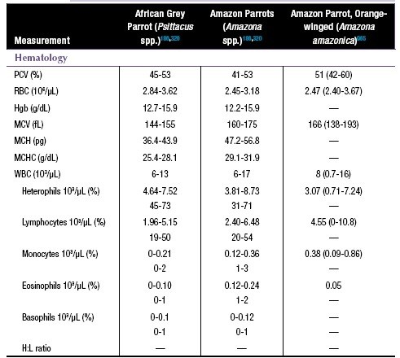 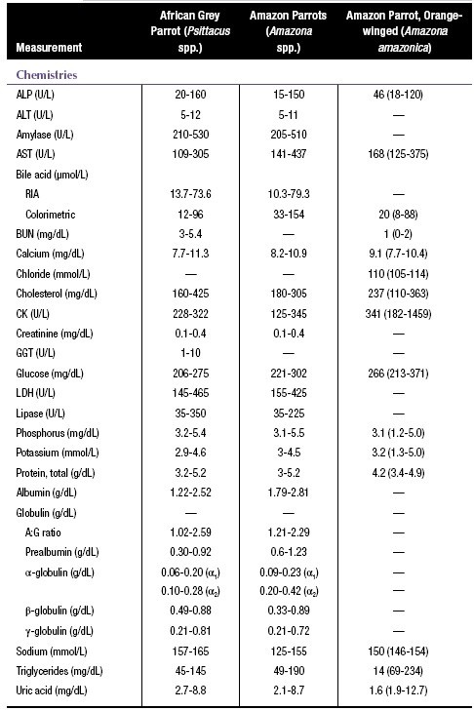
...
 |  |  |  |  | 3.77-4.6
 |  |  |  |  | 12.-1-16.9
 |  |  |  |  | 116-127
 |  |  |  |  | 2*.1-30.9
 |  |  |  |  | 19.8-23.9
 |  |  |  |  | 3-10
...
 |  |  |  |  | 7.8-10.8
 |  |  |  |  | 0.6-1.9
 |  |  |  |  | 1.52-2.37
 |  |  |  |  | 0.08-0. 23 i )
 |  |  |  |  | 0.11-0.J6 t@
 |  |  |  |  | 0.40-0.95
 |  |  |  |  | 0.23-0.69
 |  |  |  |  | 1 -135
 |  |  |  |  | 60-223
 |  |  |  |  | 2.0-7.9
...
 |  |  |  |  |  | 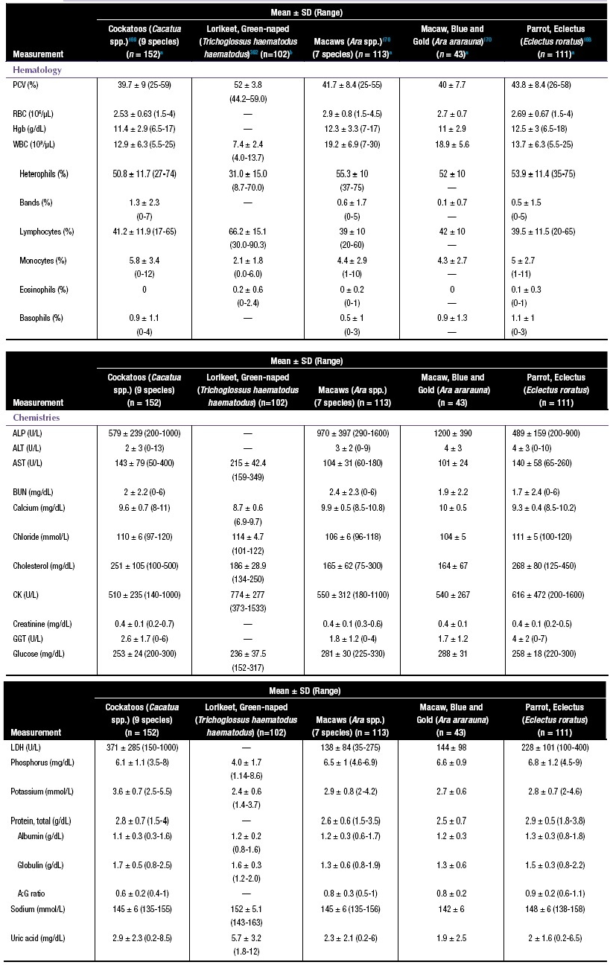
...
 |  |  |  |  |  |  |  |  |  |  |  | Canary (Serinus canaria)318
 |  |  |  |  |  |  |  |  |  |  |  | 45-56
 |  |  |  |  |  |  |  |  |  |  |  | 2.5-3.8
 |  |  |  |  |  |  |  |  |  |  |  | 12-16
 |  |  |  |  |  |  |  |  |  |  |  | 90-210
 |  |  |  |  |  |  |  |  |  |  |  | 26-55
 |  |  |  |  |  |  |  |  |  |  |  | 22-32
...
 |  |  |  |  |  |  |  |  |  |  |  | 2.2-4.5
 |  |  |  |  |  |  |  |  |  |  |  | 2.8-4.5
 |  |  |  |  |  |  |  |  |  |  |  | —
 |  |  |  |  |  |  |  |  |  |  |  | —
 |  |  |  |  |  |  |  |  |  |  |  | —
 |  |  |  |  |  |  |  |  |  |  |  | 135-165
 |  |  |  |  |  |  |  |  |  |  |  | 4-12
...
 |  |  |  |  |  | 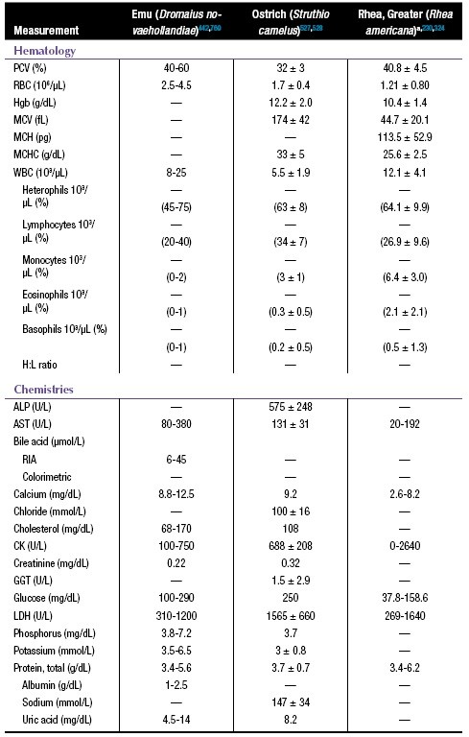
...
 |  |  |  |  |  |  |  | 3.96 (2.79-5.26)*
 |  |  |  |  |  |  |  | 3.0 (2.6-3.6)*
 |  |  |  |  |  |  |  | 3.0 (2.7-3.7)*
 |  |  |  |  |  |  |  | 2.1 (1.9-2.7)*
 |  |  |  |  |  |  |  | 0.9 (0.4-1.5)*
 |  |  |  |  |  |  |  | 2.3 (1.3-6.5)*
 |  |  |  |  |  |  |  | 153 (129-155)*
 |  |  |  |  |  |  |  | 9 (2.63-12.6)*

 |  |  |  |  |  | 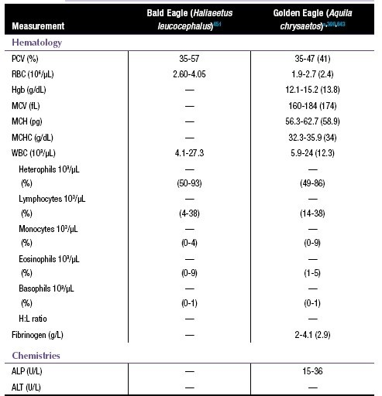
 |  |  |  |  |  | 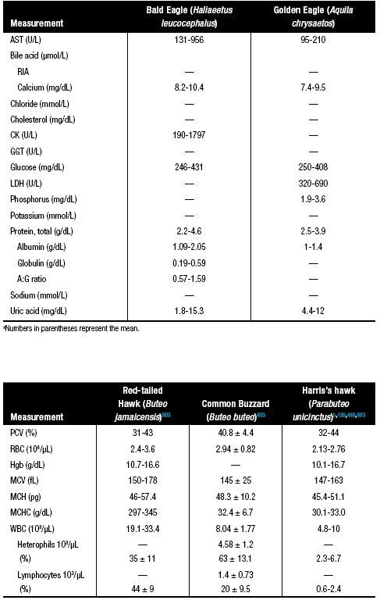
...
 |  |  |  |  |  |  | 13 4 RBm
...
 |  |  | 22-13B
 |  |  | 3-50
 |  |  | 76-49Z
...
 |  |  | 292-3B |  |  |  |  |  |  |  |  |  | 301.1
 |  |  | 0-2640 |  |  |  |  |  |  |  |  |  | 631.5
 |  |  | 1.9-4 |  |  |  |  |  |  |  |  |  | 4.6
 |  |  | 2.6-4.3
 |  |  | 3.9-6.7 |  |  |  |  |  |  |  |  |  | 3.1
...
 |  |  | 143-162
 |  |  | 8.1-16.8
44-62
43-63
51-fi8 (54)
...
 |  |  |  |  |  |  | 7.7-16.8 g 6-24)
...
 |  |  |  |  |  |  | (5-11) (0-1)
...
 |  |  | 2.0 + 0.3 (IN!
*' ** |  |  | 51 + 1224-76i
Lymphcc s 10•/ |  |  | 4.0 + 2.1 it.3-12.0)
8 '”°! |  |  | 23 + 11 (5-301
Monccytes 10*/ |  |  | 1.7ñ 1.S t0.3-5.6)
'”°! |  |  | 9 + 4 ‹0-17!
Lainophils 10'/ |  |  | 4.0 + 3.9 (IN!
'”°* |  |  | 16 + 10 (446)
Ba opr il 10'/rL ( ) |  |  | 0 z 0 S ‹0.0-0 1 1 (l@
H:L rata |  |  | 2.9 + 1.9 i0.6-9.$
Bile acid (#moI/t! Cholaarol (mg/dL! |  |  | — — — —
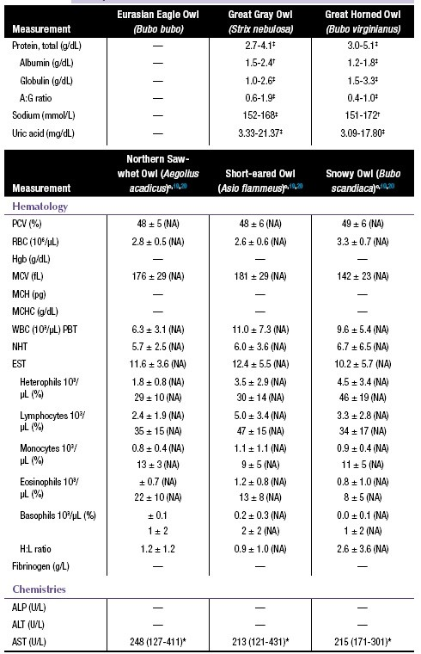 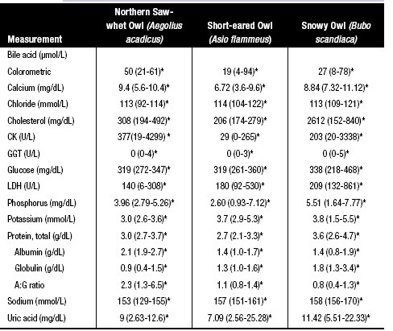 aNumbers in parentheses represent the mean. bWBC count and differentials for Harris’s hawk are absolute values.

cHematology: mean and SD (reference interval); reference intervals were calculated by the robust method or robust method after Box-Cox transformation; NA, insufficient sample size for reference interval calculation (n <20). Biochemistry: *median (range) (10 < n < 20); reference intervals were not reported when n < 10; †robust technique (n > 20, Gaussian distribution); ‡robust technique with Box-Cox transformation (n > 20, non-Gaussian distribution).
Table 5.25
Biologic and Physiologic Values of Select Avian Species.a,13,33,169,170,228,230,257,310,385,386,445,489,634,776,860,905,974
Species
...
Psiflaciformes
African grey parrot
Amazon parrot
Budgerigar parakeet
...
 |  |  |  |  |  |  |  |  |  |  |  |  |  | 26-28‘
 |  |  |  |  |  |  |  |  |  |  |  |  |  | 26-28
 |  |  |  |  |  |  |  |  |  |  |  |  |  | 21-27
 |  |  |  |  |  |  |  |  |  |  |  |  |  | 18-24
 |  |  |  |  |  |  |  |  |  |  |  |  |  | 26-28
 |  |  |  |  |  |  |  |  |  |  |  |  |  | 23-26
 |  |  |  |  |  |  |  |  |  |  |  |  |  | 22-23

12- >14
13 14
—
1 yr
4-8
12 -14
120
...
 |  | Clutch Size |  |  |  |  |  |  | Incubation Period (days) |  |  |  |  |  | Interval Between Eggs (days)
...
 |  | 3-7 |  |  |  |  |  |  | 29-31 |  |  |  |  |  | —
 |  | 1-3 |  |  |  |  |  |  | 34-36 |  |  |  |  |  | —
 |  | 2-9 |  |  |  |  |  |  | 30-31 |  |  |  |  |  | 2-3
 |  | 2-4 |  |  |  |  |  |  | 28-33 |  |  |  |  |  | —
 |  | 1-3 |  |  |  |  |  |  | 37-48 |  |  |  |  |  | —
 |  | 3-6 |  |  |  |  |  |  | 27-29 |  |  |  |  |  | 1-2
 |  | 3-6 |  |  |  |  |  |  | 32-36 |  |  |  |  |  | —
...
Table 5.26
Osprey |  | 2-4
Peregrine falcon |  | 3-4
Prairie falcon |  | 2-7
Screech owl, eastern |  | 3-4
Screech owl, western |  | 2-6
Sharp-shinned hawk |  | 3-8
Snowy owl |  | 3-9
Turkey vulture |  | 1-3
a1.7-2.3 kg; weights of males and females were not listed separately. b1-2.1 kg; weights of males and females were not listed separately, but females are generally 25% heavier than males. c0.8-2.3 kg; weights of males and females were not listed separately, but females are slightly heavier than males.

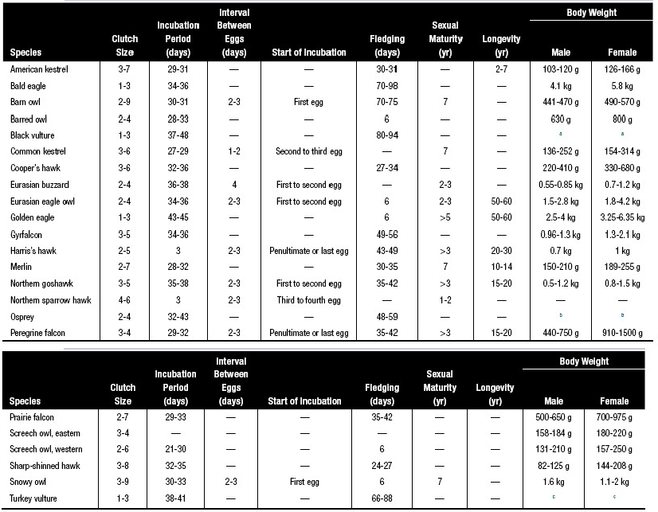 Table 5.27 Quick Reference to Abnormalities of the Standard Avian Hematology Profile.319
Parameter Increases Decreases
PCV/RBC |  | Dehydration • Increased total protein Erythrocytosis (polycythemia) • Normal or low total protein • Primary rare • Secondary to respiratory or cardiovascular disease
Heterophils |  | Inflammatory processes • Bacterial (including Mycobacterium) and fungal infections • Excess corticosteroids ○ Endogenous production ○ Exogenous administration Birds with a high heterophil:lymphocyte ratio may mount a greater leukocytic response
Lymphocytes |  | Chronic antigenic stimulation Neoplasia: lymphocytic leukemia Stress response (acute)
Monocytes |  | Granulomatous and/or chronic inflammation (e.g., bacterial, fungal, parasitic) Neoplasia
Eosinophils |  | Gastrointestinal parasitism Type IV hypersensitivity reactions
Basophils |  | Early inflammatory responses Type I hypersensitivity reaction Anaphylactic reaction Induced molting
Thrombocytes |  | —
Table 5.28 Quick Reference to Abnormalities of the Standard Avian Biochemical Profile.a,320
 |  |  |  | Increases
...
 |  |  |  | —
 |  |  |  | Postprandial; sample hemolysis
 |  |  |  | Hemolysis; dietary supplementation
 |  |  |  | Increases
 |  |  |  | Nonmedical
 |  |  |  | Lipemia; nontemperature-compensated refractometer
 |  |  |  | Dietary supplementation
 |  |  |  | —
 |  |  |  | 5-15; severe lipemia; dirty nail clip; carnivorous birds have higher levels
...
 |  |  |  |  |  | 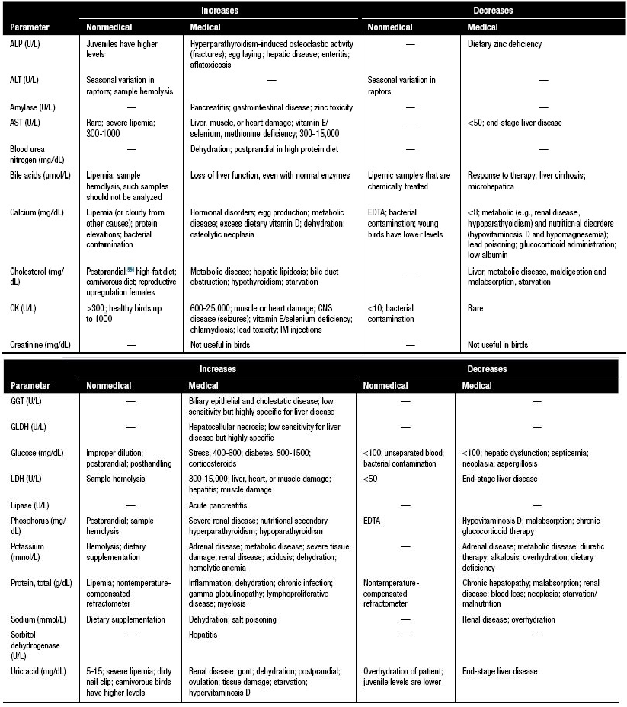
...
 |  |  |  |  |  |  |  |  |  | Amazona aestivab (n = 35)680
 |  |  |  |  |  |  |  |  |  | 7.45 ± 0.05
 |  |  |  |  |  |  |  |  |  | 22.1 ± 4
 |  |  |  |  |  |  |  |  |  | 98.1 ± 7.6
 |  |  |  |  |  |  |  |  |  | 14.8 ± 2.8
 |  |  |  |  |  |  |  |  |  | —
 |  |  |  |  |  |  |  |  |  | 7.9 ± 3.1
 |  |  |  |  |  |  |  |  |  | 147 ± 2.2
...
 |  |  |  |  |  |  |  |  |  | 96.2 ± 1.1
 |  |  |  |  |  |  |  |  |  | 38.7 ± 6.2
 |  |  |  |  |  |  |  |  |  | 13.2 ± 2.1
 |  |  |  |  |  |  |  |  |  | —
 |  |  |  |  |  |  |  |  |  | 41.8 ± 0.6
 |  |  |  |  |  |  |  |  |  | —
 |  |  |  |  |  |  |  |  |  | —
 |  |  |  |  |  |  |  |  |  | —
...
 |  |  |  |  |  | 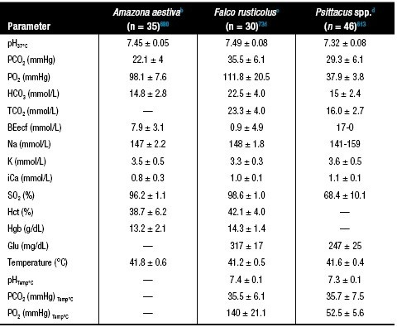
...
 |  |  |  |  |  |  |  |  |  |  |  | Amazona spp.b (n = 29)743
 |  |  |  |  |  |  |  |  |  |  |  | 238 (87-364)
 |  |  |  |  |  |  |  |  |  |  |  | 156 (10-300)
 |  |  |  |  |  |  |  |  |  |  |  | 109 (75-148)
 |  |  |  |  |  |  |  |  |  |  |  | 92 (2-182)
 |  |  |  |  |  |  |  |  |  |  |  | 31 (2-60)
 |  |  |  |  |  |  |  |  |  |  |  | 0.75 (0.18-1.28)
 |  |  |  |  |  |  |  |  |  |  |  | 1.08 (0.24-1.82)
...
 |  |  |  |  |  | 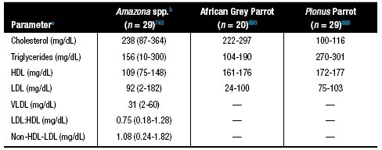
...
 |  |  | African Grey (Psitacus erithacus) (n=139)
 |  |  | 3.0–4.6
 |  |  | 0–1.25 (0–13)
 |  |  | 1.48–3.19 (50–69)
 |  |  | 0.03–0.19 (2–7)
 |  |  | 0.05–0.21 (3–7)
 |  |  | 0.35–0.64 (15–25)
 |  |  | 0.12–0.68 (4–13)
 |  |  | 1.3–2.7
 |  |  | 0.6–1.6
...
 |  |  |  |  |  | 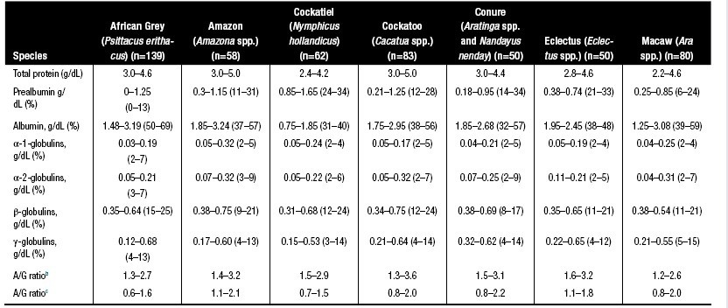
...
 |  |  |  |  | 1.005-1.020
 |  |  |  |  | 6.4-8
 |  |  |  |  | Laying hens and carnivorous birds may have more acidic urine; cloacal contents may alter urine pH
 |  |  |  |  | Negative to trace
 |  |  |  |  | Negative to trace
 |  |  |  |  | Negative; ketonuria is sometimes present in migratory birds
 |  |  |  |  | Negative
 |  |  |  |  | Negative
...
 |  |  |  |  |  | 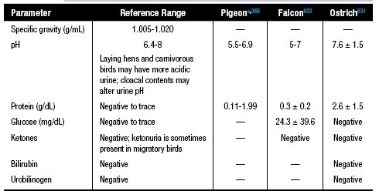
...
 |  |  |  |  |  |  |  |  |  |  | Tear Production
 |  |  |  |  |  |  |  |  |  |  | Phenol Red Thread Test (mm/15 sec)
...
 |  |  |  |  |  |  |  |  |  |  | 21.9 ± 2.3c
 |  |  |  |  |  |  |  |  |  |  | 12.5 ± 5.0
 |  |  |  |  |  |  |  |  |  |  | 12.6 ± 2.6c
...
 |  |  |  |  |  |  |  |  |  |  | —
...
Table 5.35
Kestrel, common
Northern goshawk
Peregrine falcon
Red-tailed hawk
Snowy owl
Swainson’s hawk
Tawny owl
Turkey vulture
aMean ± SD values reported. bFor ultrasonographic ocular measurements, see references. cMedian ± S-IQR.

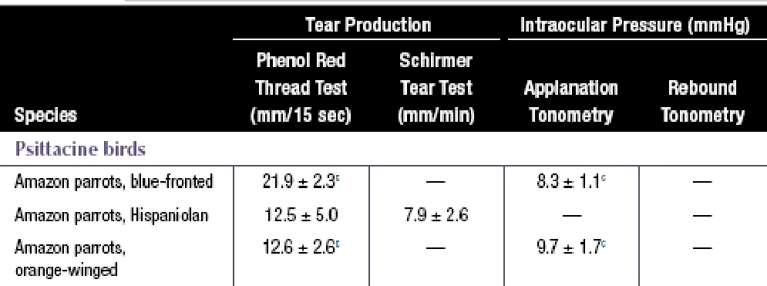
...
Bzm owt
...
Gooper's hawk
Eastern screech owl
...
Eumszsmpwl
Goldeneoglo
...
 |  |  | Heterophil
 |  |  | Eosinophil
 |  |  | Basophil
 |  |  | Total granulocytic
Other |  |  | Monocyte/macrophage
 |  |  | Lymphocyte
 |  |  | Plasma cell
 |  |  | Osteoclast
aRare indicates <0.1%.

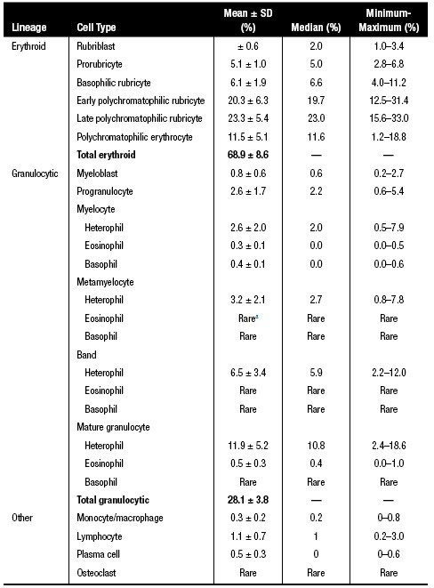
Table 5.37
Checklist of Supportive Care Procedures Used in Companion Birds.112
Supportive care is an essential component of companion bird medicine.
1. Minimize handling and other stressors 2. House the bird in a warm, quiet, well-ventilated environment • Ensure minimal to no disturbance • Debilitated birds are often fluffed and ruﬄed and require supplemental heat 86°F (30°C) 3. Fluid therapy (see Table 5-38 and Table 5-39) 4. Provide pain management when indicated (see Table 5-5 and Table 5-6) 5. Supplement vitamins as needed • Vitamin A, vitamin E/selenium • Vitamin B complex in selected cases of injury, anorexia, cachexia, CNS disorders, or blood loss 6. Antibiotics (see Table 5-1) • To control primary infections and for injured or debilitated birds where secondary infections may result 7. Iron dextran • Iron deficiency or following hemorrhage 8. Normal photoperiod (or subdued lighting, if needed) 9. Oxygen • Dyspnea, hypoxia, or severe pneumonia and air sacculitis 10. Maintain body weight • Weigh once or twice daily if possible • Offer favorite foods and avoid changing diet while ill 11. Gavage or tube feedinga • Malnourishment, anorexia, cachexia, and dehydration • High carbohydrate formula is initially recommended • High-protein/high-calorie formulas may be used to increase body weight during recovery
aCrop volume may be estimated as 5% BW or 50 mL/kg.
Table 5.38
Fluid Therapy Recommendations for Birds.
When evaluating a patient for fluid therapy, the following factors should ideally be considered: hydration status, electrolyte balance, acid-base status, hematologic and biochemical values, and caloric balance.
• Warm fluids to 100-102°F (38-39°C) to help prevent or correct hypothermia • Use caution when giving dextrose parenterally; 5% dextrose is a good choice for simple dehydration; however, it can exacerbate problems significantly if used concurrent to significant electrolyte loss581,894 • When given orally, dextrose is rapidly absorbed from the intestinal tract without creating an influx of fluid into the intestinal lumen and secondary dehydration581,894 • Potassium chloride can be diluted in fluids to correct for potassium depletion based on electrolyte analysis (0.1-0.3 mmol/kg)941 • Hetastarch at 10-15 mL/kg IV q8h for up to four treatments or dextrans may be effective for hypoproteinemia; synthetic colloids should be used with caution in patients suffering from congestive heart failure or renal failure620,899
Total parenteral nutrition may also be considered.212,215
...
 |  |  |  |  |  |  |  | 19
 |  |  |  |  |  |  |  | 20
 |  |  |  |  |  |  |  | 18.5
 |  |  |  |  |  |  |  | 22
 |  |  |  |  |  |  |  | 19
 |  |  |  |  |  |  |  | 20
 |  |  |  |  |  |  |  | 14
 |  |  |  |  |  |  |  | 35
...
 |  |  |  |  |  | 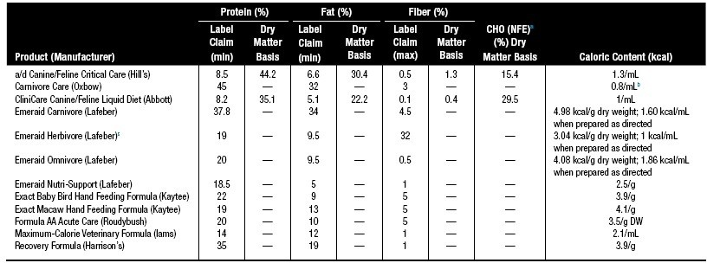
...
Table 5.45 Management of Dystocia or Egg Binding in Birds.88,391,620
Clofazimine |  | —
Cycloserine |  | —
Enrofloxacin |  | —
Ethambutol |  | 30 mg/kg PO q24h
Isoniazid |  | 30 mg/kg PO q24h
Rifabutin |  | —
Rifampin |  | 45 mg/kg PO q24h
Streptomycin |  | —
aBecause of its zoonotic potential, controversy exists concerning whether to treat pet and aviary birds for Mycobacterium avium. Because M. avium isolates from birds differ from human isolates in antibiotic susceptibility, serovars, and genetic sequencing, pet birds are an unlikely source of M. avium in people (except immunosuppressed individuals). Nevertheless, veterinarians who treat birds with this disease do so at their own risk. The veterinarian should be aware that treatment is often lifelong for the bird and that treatment does not necessarily prevent shedding.59,89,240,522,658,792 bEmpirical evaluation of multidrug therapy found that azithromycin (43 mg/kg), rifampin (45 mg/kg), and ethambutol (30 mg/kg) were ineffective in ring-necked doves (Streptopelia risoria) naturally infected with avian mycobacteriosis. Culture and sensitivity results indicated resistance to all drugs except for azithromycin.801 cMix into dextrose powder, administered with a small amount of food.958 dRecommended for use in raptors.89 eEnrofloxacin (15 mg/kg PO q12h), clofazimine (6 mg/kg PO q12h), or amikacin IM, IV can be used in lieu of ciprofloxacin with ethambutol, rifabutin, and azithromycin.792

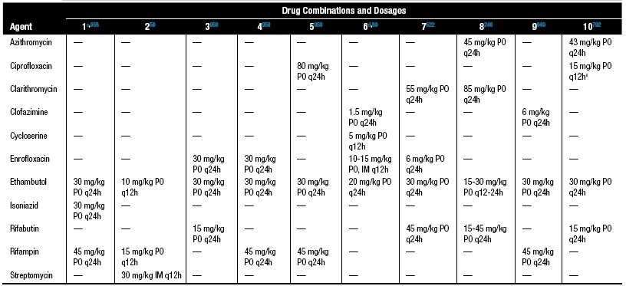
Table 5.47
Suggested Chemotherapeutic Protocols Used in Birds.
C.O.P. PROTOCOL FOR LYMPHOMA315 ▪ Prednisone 25 mg/m2 PO q24h ▪ Cyclophosphamide 200 mg/m2 IO q7d ▪ Vincristine 0.75 mg/m2 IO q7d × 3 treatments ▪ Doxorubicin 30 mg/m2 IO q21d ▪ L-asparaginase 400 U/kg IM q7d ▪ Interferon α 15,000 U/m2 SC q2d × 3 treatments ▪ Diphenhydramine 2 mg/kg IO before doxorubicin and L-asparaginase treatments ▪ Dexamethasone 1 mg/kg IM before doxorubicin and L-asparaginase treatments PROTOCOL FOR LYMPHOCYTIC LEUKEMIA OR LYMPHOMAa,648 ▪ Vincristine sulfate 0.5 mg/m2 IV initial dose, then 0.75 mg/m2 q7d × 3 treatments ▪ Prednisone 1 mg/454 g PO q12h ▪ Chlorambucil 1 mg/bird PO 2×/wk PROTOCOL FOR CUTANEOUS LYMPHOMAb,773 ▪ Vincristine 0.1 mg/kg IV q7-14d ▪ Chlorambucil 2 mg/kg PO 2×/wk PROTOCOL FOR OSTEOSARCOMAc,235 ▪ Diphenhydramine 30 min before doxorubicin treatment (route and dose not given) ▪ Doxorubicin 60 mg/m2 is diluted into 6 mL sterile saline and administered IV over 30 min in an anesthetized patient via an angiocatheter in the jugular vein q30d ▪ Do not extravasate doxorubicin; doxorubicin may cause myelosuppression and cardiac toxicity; monitor the CBC ▪ Electrocardiography during treatment is recommended
aDosages are for a Pekin duck (Anas platyrhynchos domesticus) bDosages are for an umbrella cockatoo (Cacatua alba). cDosages are for a blue-fronted Amazon parrot (Amazona aestiva).
Table 5.48
Drug Dosages and Volumes Suggested for Cardiopulmonary Resuscitation (CPR) and in Critical Birds.a,391,749
Emergency Drug |  |  |  | Dose
...
Atropine (0.2-0.5 mg/mL) |  |  |  | 0.5 mg/kgb
Calcium gluconate (10%) (100 mg/mL) |  |  |  | 50-100 mg/kg
...
 | Paramyxovirus-1/Pox pigeon (Colombovac, Solvay Animal Health)
 | Pigeon Paramyxovirus) (KM-PMV; ARKO Laboratories)
 | Salmonella (Nu-Sal KM-1 Paratyphoid (Salmonella);ARKO Laboratories)
 | Pigeon poxvirus (Pigeon Pox Vaccine, Hygieia Biologic Laboratories; poultry vaccine)
 | Polyomavirus (Psittimune APV, Creative Science)
 | —
 | Agent
 | Eastern and Western equine encephalitis and tetanus (Equiloid Innovator, Zoetis; equine vaccine)
 | Eastern and Western equine encephalitis and tetanus (ENCEVAC,Merck/MSD; equine vaccine), (West Nile Innovator + EWT, Zoetis; equine vaccine)
...
 |  |  |  |  |  | 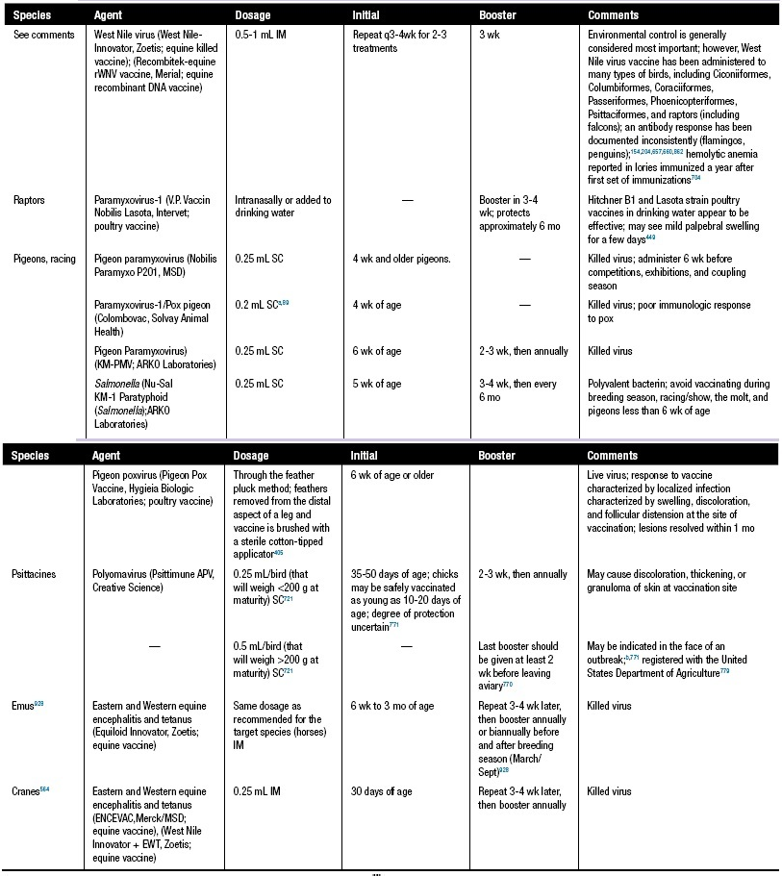
...
 |  |  | Direct or Indirect
 |  |  | Indirect in conscious birds530
 |  |  | Indirect in birds under isoflurane anesthesia530
 |  |  | Direct in birds under isoflurane anesthesia using the wing10
 |  |  | Direct in birds under isoflurane anesthesia using the leg10
 |  |  | Indirect in birds under isoflurane anesthesia using the wing10
 |  |  | Indirect in birds under isoflurane anesthesia using the leg10
 |  |  | Indirect in birds under isoflurane anesthesia541
...
 |  |  |  |  |  |  |  | 20.2-27.8 6.6-10.6
 |  |  |  |  |  |  |  | 13.8-31.4
...
 |  |  |  |  |  |  |  | 6.4-12.0 1.0-4.6
 |  |  |  |  |  |  |  | 7.7-15.3 2.6-7.0
 |  |  |  |  |  |  |  | 17.0-64.6
...
 |  |  |  |  |  |  |  | 2.8-4.4 2.8-5.2
...
 |  |  |  |  |  | 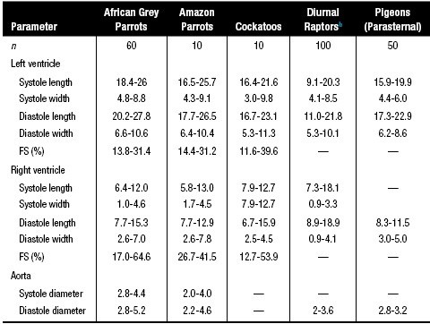
...
 |  |  |  |  |  |  |  |  |  |  | n
 |  |  |  |  |  |  |  |  |  |  | —
 |  |  |  |  |  |  |  |  |  |  | —
 |  |  |  |  |  |  |  |  |  |  | 10
 |  |  |  |  |  |  |  |  |  |  | —
 |  |  |  |  |  |  |  |  |  |  | 10
 |  |  |  |  |  |  |  |  |  |  | 15
 |  |  |  |  |  |  |  |  |  |  | 10
 |  |  |  |  |  |  |  |  |  |  | —
...
 |  |  |  |  |  | 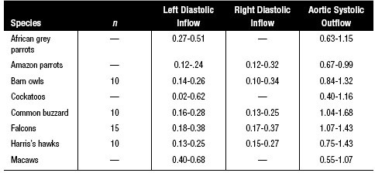
...
 |  |  |  |  |  | Anxiolytics
 |  |  |  |  |  | Benzodiazepines
...
 |  |  |  |  |  | Mild sedation,d to anxiolysis, to hypnosis as dose increases
 |  |  |  |  |  | Diazepam Lorazepam Midazolam High potency: alprazolam Clorazepate
 |  |  |  |  |  | Can interfere with learning and affect behavioral modification
 |  |  |  |  |  | Sedation, ataxia,d paradoxical excitation; rare fatal idiopathic hepatic necrosis in cats given diazepam PO
 |  |  |  |  |  | Liver or renal disease; aggression; consider potential for human abuse
 |  |  |  |  |  | Benign, although a bitter aftertaste has been described for diazepam
...
 |  |  |  |  |  | 


