1. External Analysis - EFEs
INTERPRETATION
EFE - Corporate
Key External Factors |  | Weight | Rating | Weighted Score
 | Opportunities
1
2
3
4
5
6
7
8
9
10
 | Threats
1
2
3
4
5
6
7
8
9
10
Total |  | 0 |  | 0
NOTE: If your company has only 1 product, you only need the corporate EFE because your company does not have multiple divisions. If your company has more than 1 product, each tailored to each of the two segments, then you need 3 EFEs, one for each segment and one for the corporate.

INTERPRETATION
INTERPRETATION
EFE - High Tech
Key External Factors |  | Weight | Rating | Weighted Score
 | Opportunities
1
2
3
4
5
6
7
8
 | Threats
1
2
3
4
5
6
7
8
Total |  | 0 |  | 0

INTERPRETATION
EFE - Low Tech
Key External Factors |  | Weight | Rating | Weighted Score
 | Opportunities
1
2
3
4
5
6
7
8
 | Threats
1
2
3
4
5
6
7
8
Total |  | 0 |  | 0

1. External Analysis - CPM
INTERPRETATION
Critical Success Factors |  | [Your Firm] |  | [Competitor #1] |  | [Competitor #2]
 | Weight | Rating | Score | Rating | Score | Rating | Score

Total | 0 |  | 0 |  | 0 |  | 0

2. Internal Analysis - IFEs
INTERPRETATION
IFE - Corporate
Key External Factors |  | Weight | Rating | Weighted Score
 | Strengths
1
2
3
4
5
6
7
8
9
10
 | Weaknesses
1
2
3
4
5
6
7
8
9
10
Total |  | 0 |  | 0
NOTE: If your company has only 1 product, you only need the corporate IFE because your company does not have multiple divisions. If your company has more than 1 product, each tailored to each of the two segments, then you need 3 IFEs, one for each segment and one for the corporate.

INTERPRETATION
IFE - High Tech
Key External Factors |  | Weight | Rating | Weighted Score
 | Strengths
1
2
3
4
5
6
7
8
 | Weaknesses
1
2
3
4
5
6
7
8
Total |  | 0 |  | 0

INTERPRETATION
IFE - Low Tech
Key External Factors |  | Weight | Rating | Weighted Score
 | Strengths
1
2
3
4
5
6
7
8
 | Weaknesses
1
2
3
4
5
6
7
8
Total |  | 0 |  | 0

3. Critical Problem
[Define the problem(s) that the Strategy Proposal is designed to solve.]

NOTE: If the problem is a corporate problem, use your corporate EFE and IFE for the next 5 matrices; if the problem is a divisional (say, High Tech) problem, use the High Tech EFE and IFE for the next 5 matrices.)

4. SPACE
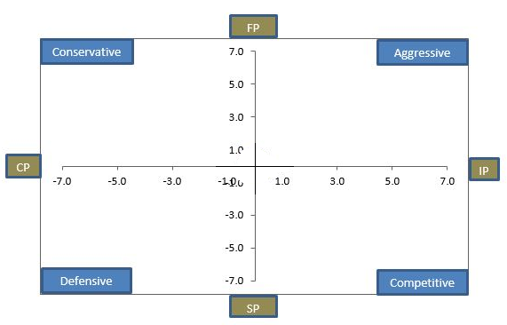
Internal Strategic Position |  | External Strategic Position |  | Graph
Financial Position (FP) | Rating | Stability Position | Rating
 | 0 |  | 0
 | 0 |  | 0
 | 0 |  | 0
 | 0 |  | 0
 | 0 |  | 0
 | 0.00 |  | 0.00

Competitive Position (CP) | Rating | Industry Position (IP) | Rating
 | 0 |  | 0
 | 0 |  | 0
 | 0 |  | 0
 | 0 |  | 0
 | 0 |  | 0
 | 0.00 |  | 0.00

Coordinate
Y-Axis | 0.00
X-Axis | 0.00

INTERPRETATION

NOTE: SPACE factors should come from your EFE and IFE.

4. BCG
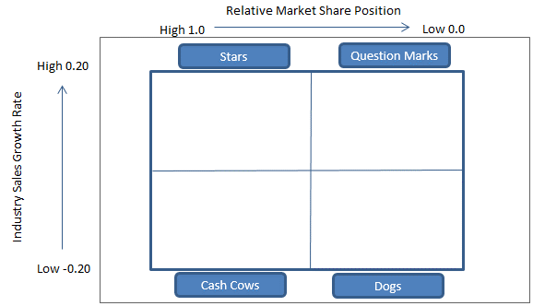
Divison | Revenues(in millions) | % Revenues | Profits (in millions) | % Profits | Relative Market Shares | Industry Growth Rates | Graph
High Tech | $1 | 33% | $1 | 33% | 0.00% | 0.00%
Low Tech | $2 | 67% | $2 | 67% | 0.00% | 0.00%
Total | $3 | 100% | $3 | 100% | - | -

INTERPRETATION
RMS = your market share / the top company's market share
IGR = industry segment growth rate

4. IE
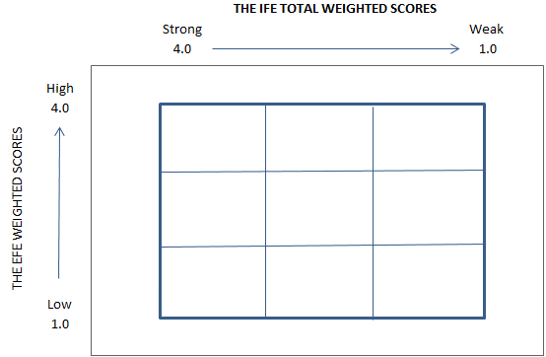
Divisons | $Revenue | %Revenue | $Profit | %Profit | EFE Scores | IFE Scores | Graph
High Tech | $1 | 50% | $1 | 50% | 0 | 0
Low Tech | $1 | 50% | $1 | 50% | 0 | 0
Totals | $2 | 100% | $2 | 100% | - | -

INTERPRETATION

5. QSPM
INTERPRETATION
 |  |  | Alternative1 |  | Alternative2 |  | Alternative3

Key Factors |  | Weight | AS | TAS | AS | TAS | AS | TAS
Opportunities
1 |  | 0 | 1 | 0 | 1 | 0 | 1 | 0
2 |  | 0 | 1 | 0 | 1 | 0 | 1 | 0
3 |  | 0 | 1 | 0 | 1 | 0 | 1 | 0
4 |  | 0 | 1 | 0 | 1 | 0 | 1 | 0
5 |  | 0 | 1 | 0 | 1 | 0 | 1 | 0
6 |  | 0 | 1 | 0 | 1 | 0 | 1 | 0
7 |  | 0 | 1 | 0 | 1 | 0 | 1 | 0
8 |  | 0 | 1 | 0 | 1 | 0 | 1 | 0
9 |  | 0 | 1 | 0 | 1 | 0 | 1 | 0
10 |  | 0 | 1 | 0 | 1 | 0 | 1 | 0
Threats
1 |  | 0 | 1 | 0 | 1 | 0 | 1 | 0
2 |  | 0 | 1 | 0 | 1 | 0 | 1 | 0
3 |  | 0 | 1 | 0 | 1 | 0 | 1 | 0
4 |  | 0 | 1 | 0 | 1 | 0 | 1 | 0
5 |  | 0 | 1 | 0 | 1 | 0 | 1 | 0
6 |  | 0 | 1 | 0 | 1 | 0 | 1 | 0
7 |  | 0 | 1 | 0 | 1 | 0 | 1 | 0
8 |  | 0 | 1 | 0 | 1 | 0 | 1 | 0
9 |  | 0 | 1 | 0 | 1 | 0 | 1 | 0
10 |  | 0 | 1 | 0 | 1 | 0 | 1 | 0
 | Total | 0
Strengths
1 |  | 0 | 1 | 0 | 1 | 0 | 1 | 0
2 |  | 0 | 1 | 0 | 1 | 0 | 1 | 0
3 |  | 0 | 1 | 0 | 1 | 0 | 1 | 0
4 |  | 0 | 1 | 0 | 1 | 0 | 1 | 0
5 |  | 0 | 1 | 0 | 1 | 0 | 1 | 0
6 |  | 0 | 1 | 0 | 1 | 0 | 1 | 0
7 |  | 0 | 1 | 0 | 1 | 0 | 1 | 0
8 |  | 0 | 1 | 0 | 1 | 0 | 1 | 0
9 |  | 0 | 1 | 0 | 1 | 0 | 1 | 0
10 |  | 0 | 1 | 0 | 1 | 0 | 1 | 0
Weaknesses
1 |  | 0 | 1 | 0 | 1 | 0 | 1 | 0
2 |  | 0 | 1 | 0 | 1 | 0 | 1 | 0
3 |  | 0 | 1 | 0 | 1 | 0 | 1 | 0
4 |  | 0 | 1 | 0 | 1 | 0 | 1 | 0
5 |  | 0 | 1 | 0 | 1 | 0 | 1 | 0
6 |  | 0 | 1 | 0 | 1 | 0 | 1 | 0
7 |  | 0 | 1 | 0 | 1 | 0 | 1 | 0
8 |  | 0 | 1 | 0 | 1 | 0 | 1 | 0
9 |  | 0 | 1 | 0 | 1 | 0 | 1 | 0
10 |  | 0 | 1 | 0 | 1 | 0 | 1 | 0
 | Total | 0 |  | 0 |  | 0 |  | 0

NOTE: The 3 alternatives that are being evaluated here should come from the overlapping alternatives generated by the SWOT, SPACE, BCG, and IE.

6. Implementation
Management/HR/OP [List all decisions you make related to MGT/HR/OP.]
1
2
3
4
5
6
7
8
9
10

R&D [List all decisions you make related to R&D.]
1
2
3
4
5
6
7
8
9
10

Marketing - Product Positioning - High Tech [replace the example with your own graphs from Foundation]

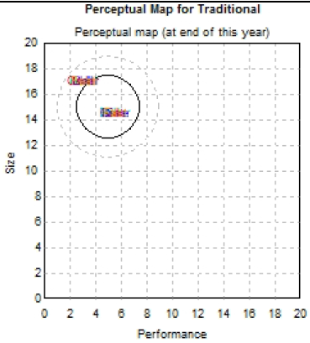
INTERPRETATION:

Marketing - Product Positioning - Low Tech [replace the example with your own graphs from Foundation]
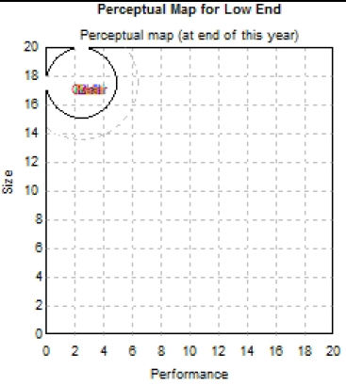
INTERPRETATION:

6. Implementation- EBIT-EPS
Input Data | The Number | How Determined
Amount of Capital needed | $1,000,000.00 | Determined from Company Analysis and prior years' capital needed.
EBIT range | $1 to $2 million | Linear relationship with previous years' increasing EBIT
Interest rate | 1.00% | The Average Interest Rate Paid on Loans in previous year
Tax rate | 2.00% | From Income Statement, prior year's effective tax rate
Stock price | $1.00 | Prior year's Stock Price
#Shares outstanding | 100 | Prior year's number

 | 100% Debt |  | 100% Stock |  | 50/50 Debt/Stock Combo
EBIT | $1,000,000.00 | $2,000,000.00 | $1,000,000.00 | $2,000,000.00 | $1,000,000.00 | $2,000,000.00
Interest | $10,000.00 | $10,000.00 | $- | $- | $5,000.00 | $5,000.00
EBT | $990,000.00 | $1,990,000.00 | $1,000,000.00 | $2,000,000.00 | $995,000.00 | $1,995,000.00
Taxes | $19,800.00 | $39,800.00 | $20,000.00 | $40,000.00 | $19,900.00 | $39,900.00
EAT | $970,200.00 | $1,950,200.00 | $980,000.00 | $1,960,000.00 | $975,100.00 | $1,955,100.00
# Shares | 100 | 100 | 1000100 | 1000100 | 500100 | 500100
EPS | $9,702.00 | $19,502.00 | $0.98 | $1.96 | $1.95 | $3.91

INTERPRETATION

NOTE: If your strategy does not require extra capital from either the bank or the stock market, you do not need to perform this analysis. In this case, you should delete this table and state why you do not need the capital. Exercise caution when your strategy uses only cash and not any other form of capital. Why? Your strategy should NOT deplete your cash.

7. Projected income statement
INTERPRETATION
[Copy and past the projected Round#7 income statement here.]

7. Projected Balance Sheet
INTERPRETATION
[Copy and past the projected Round #7 balance sheet here.]

