AND
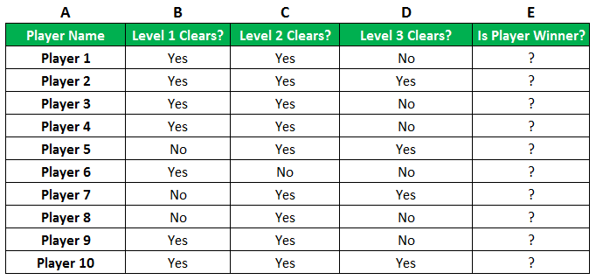
Excel AND Function
Check if the Pokemon type is fire and has speed greater than 70:
The function returns "TRUE" or "FALSE".

Name | Type 1 | Speed | Fire Type AND more than 70 Speed
Bulbasaur | Grass | 45 | FALSE
Ivysaur | Grass | 60 | FALSE
Venusaur | Grass | 80 | FALSE
Charmander | Fire | 65 | FALSE
Charmeleon | Fire | 80 | TRUE
Charizard | Fire | 100 | TRUE
Squirtle | Water | 43 | FALSE
Wartortle | Water | 58 | FALSE
Blastoise | Water | 78 | FALSE

if
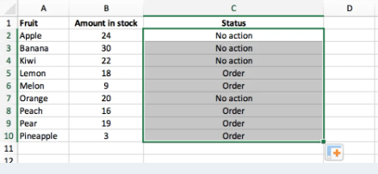
Excel IF Function

Check if the Pokemon type is grass:

Name | Type 1 | Total | Grass Type
Bulbasaur | Grass | 318 | yes, it is grass
Ivysaur | Grass | 405 | yes, it is grass
Venusaur | Grass | 525 | yes, it is grass
Charmander | Fire | 309 | not a grass
Charmeleon | Fire | 405 | not a grass
Charizard | Fire | 534 | not a grass
Squirtle | Water | 314 | not a grass
Wartortle | Water | 405 | not a grass
Blastoise | Water | 530 | not a grass

Check if the Pokemon's total stats is greater than 500

Name | Type 1 | Total | Grass Type
Bulbasaur | Grass | 318
Ivysaur | Grass | 405
Venusaur | Grass | 525
Charmander | Fire | 309
Charmeleon | Fire | 405
Charizard | Fire | 534
Squirtle | Water | 314
Wartortle | Water | 405
Blastoise | Water | 530

Example

We own a greengrocery and we have a list of fruits in stock.
Whenever the amount in stock is less than 20, we need to place a new order with the wholesaler.
The IF function can help us with this task. IF the amount of a certain fruit is under 20 (TRUE),
we need to place an order. IF the amount is 20 or more (FALSE), we don’t have to take any action.

Data and Example

