SESSION-1
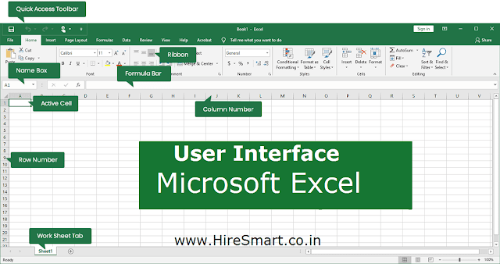
Session 1 Topics
ROWS , COLUMNS , CELLS
SCROLL BAR
TABS
RIBBONS
GROUPS
QUICK ACCESS TOOLBAR
NAME BOX (CELL NAME)
FORMULA BAR
ZOOM
SHEETS
FILE NAME
WORKBOOK VS WORKSHEETS
SIMPLE DATA ENTRY

OVERALL INTERFACE OF MS EXCEL 19

SHEET VS BOOK
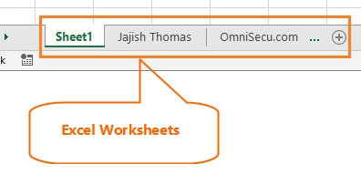
Worksheets and Workbooks in Excel

A worksheet or sheet is a single page in a file created with an electronic spreadsheet program such as Microsoft Excel or Google Sheets. A workbook is the name given to an Excel file and contains one or more worksheets. When you open an electronic spreadsheet program, it loads an empty workbook file consisting of one or more blank worksheets for you to use.

NAME BOX VS FORMULA BAR
NAME BOX | FORMULA BAR
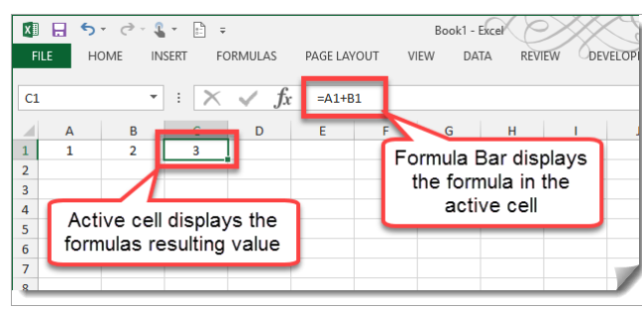

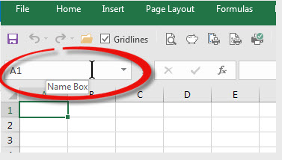

 |  | AMOUNT
 |  | 12 | 20
 |  | 10 | 30
 |  | 10 | 30
 |  | 10 | 30
 |  | 10 | 30
 |  | 10 | 30
 |  | 10 | 30
 |  | 10 | 30
 |  | 10 | 30
 |  | 10 | 30

 | SUM | 102 | 290

