excel Info
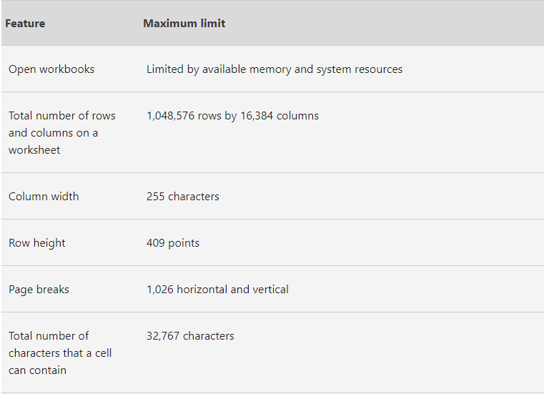

SHORT-TRICK(1)
CODE | First 4 DIGITS |  | CODE | First 3 DIGITS
1000-167-B900 |  |  | 1000-167-B900
1001-168-M902 |  |  | 1001-168-M902
1000-147-Q901 |  |  | 1000-147-Q901
1001-158-O903 |  |  | 1001-158-O903
1000-167-R902 |  |  | 1000-167-R902
1001-166-I904 |  |  | 1001-166-I904
1000-167-E903 |  |  | 1000-167-E903
1001-168-F905 |  |  | 1001-168-F905
1000-167-U904 |  |  | 1000-167-U904
1001-168-V906 |  |  | 1001-168-V906

CODE | MIDDLE 3 DIGITS |  | CODE | LAST 4 DIGITS
1000-167-B900 |  |  | 1000-167-B900
1001-168-M902 |  |  | 1001-168-M902
1000-147-Q901 |  |  | 1000-147-Q901
1001-158-O903 |  |  | 1001-158-O903
1000-167-R902 |  |  | 1000-167-R902
1001-166-I904 |  |  | 1001-166-I904
1000-167-E903 |  |  | 1000-167-E903
1001-168-F905 |  |  | 1001-168-F905
1000-167-U904 |  |  | 1000-167-U904
1001-168-V906 |  |  | 1001-168-V906

 |  |  | DAYS | FIRST Two ALPHABAT
DAYS | FIRST ALPHABAT |  | Monday
Monday |  |  | Tuesday
Tuesday |  |  | Wednesday
Wednesday |  |  | Thursday
Thursday |  |  | Friday
Friday |  |  | Saturday
Saturday |  |  | Sunday
Sunday

 |  |  | DAYS | last Three ALPHABAT
DAYS | last Two ALPHABAT |  | Monday
Monday |  |  | Tuesday
Tuesday |  |  | Wednesday
Wednesday |  |  | Thursday
Thursday |  |  | Friday
Friday |  |  | Saturday
Saturday |  |  | Sunday
Sunday

FIRST NAME | LAST NAME | FULL NAME
Nitesh | Richa
Suresh | Manish
Tina | Karun
Pooja | Madhur
Sunny | Nitesh
Nancy | Suresh
Komal | Tina
Vipul | Pooja

EXERCISE FOR STUDENTS

First Name | Last Name | Age |  |  | FULL DETAILS | First Name | Last Name | Age
Akhilesh | Manoj | 34 |  |  | Akhilesh Manoj 34
Ruchi | Praveen | 56 |  |  | Ruchi Praveen 56
Bhawna | Karan | 78 |  |  | Bhawna Karan 78
Isha | Raman | 34 |  |  | Isha Raman 34
Chetan | Akhilesh | 56 |  |  | Chetan Akhilesh 56
Neeti | Ruchi | 22 |  |  | Neeti Ruchi 22
Chanchal | Bhawna | 33 |  |  | Chanchal Bhawna 33
Preeti | Isha | 44 |  |  | Preeti Isha 44
Richa | Chetan | 55 |  |  | Richa Chetan 55
Manish | Neeti | 66 |  |  | Manish Neeti 66
Karun | Chanchal | 65 |  Flash Fill |  | Karun Chanchal 65
Madhur | Preeti | 34 |  |  | Madhur Preeti 34
Nitesh | Richa | 67 |  |  | Nitesh Richa 67
Suresh | Manish | 21 |  |  | Suresh Manish 21
Tina | Karun | 75 |  |  | Tina Karun 75
Pooja | Madhur | 34 |  |  | Pooja Madhur 34
Sunny | Nitesh | 45 |  |  | Sunny Nitesh 45
Nancy | Suresh | 56 |  |  | Nancy Suresh 56
Komal | Tina | 77 |  |  | Komal Tina 77
Vipul | Pooja | 55 |  |  | Vipul Pooja 55
Meena | Sunny | 44 |  |  | Meena Sunny 44
Diskha | Nancy | 22 |  |  | Diskha Nancy 22
Deepak | Komal | 33 |  |  | Deepak Komal 33
Chinki | Vipul | 58 |  |  | Chinki Vipul 58
Chhavi | Meena | 24 |  |  | Chhavi Meena 24
Manisha | Diskha | 56 |  |  | Manisha Diskha 56
Priya | Deepak | 27 |  |  | Priya Deepak 27
Seema | Chinki | 89 |  |  | Seema Chinki 89
Suman | Chhavi | 45 |  |  | Suman Chhavi 45
Bablu | Manisha | 35 |  |  | Bablu Manisha 35
Amandeep | Priya | 24 |  |  | Amandeep Priya 24
Ashok Kumar | Seema | 58 |  |  | Ashok Kumar Seema 58
Shashi | Suman | 36 |  |  | Shashi Suman 36
Neelam | Bablu | 75 |  |  | Neelam Bablu 75
Kavita | Amandeep | 75 |  |  | Kavita Amandeep 75
Rupesh | Ashok Kumar | 91 |  |  | Rupesh Ashok Kumar 91
Pankhuri | Shashi | 47 |  |  | Pankhuri Shashi 47
Amit | Neelam | 35 |  |  | Amit Neelam 35

