03.Ansible利用ガイドラインITA追加ルール)
 | Ansible usage guidelines (ITA additional rules)
No. | Item | Applicable Mode |  |  | Examples that can be imported to ITA | Examples that cannot be imported to ITA | The affected function if the rule is not followed | Effect | Error display example
 |  | Legacy | Role | Pioneer
{{ VAR_※※※ }}
Half-width space
Within 256Byte
half-width uppercase character
User defined
1 | When using variables, the variable inside the playbook are as follows. ※The description rule of user-defined range follows Ansible rule. | ○ | ○ | ○ | - name: check file content command: cat /tmp/{{ VAR_SAMPLE }} | ・There is no "half-width space" between "{{" or "}}" and variable name command: cat /tmp/{{VAR_SAMPLE }} command: cat /tmp/{{ VAR_SAMPLE}} ・There are more than 1 "half-width space" between "{{" or "}}" and variable name command: cat /tmp/{{ VAR_SAMPLE }} command: cat /tmp/{{ VAR_SAMPLE }} ・The prefix(VAR_) is in lower case command: cat /tmp/{{ var_SAMPLE }} ・There is no "_" in the prefix(VAR_) command: cat /tmp/{{ VARSAMPLE }} ・There are more than 256 characters in the variable name | substitution value list | ・During registration Variable names will not display as candidates even though Movement is selected. The "undefined variable" error occurs during operation execution ・During update(Update a playbook whose description does not follow ITA addition rules after registered in substitution value list) "ID conversion failed(n)" (※n is the management number given during registration) is displayed for the variable name The "undefined variable" error occurs during operation execution
2 | When registering template file in the template list menu of ITAWebUI, use TPF_ for the prefix of template embedded variable name and the variable name should be within 256Bytes including TPF_. | ○ | × | × |  | TPE_SAMPLE | Template list | Since validation check is performed in the registration screen, the template embedded variable name which doesn't follow the ITA additional rule will not be registered.
{{ TPF_※※※ }}
Half-width space
Within 256Byte
half-width
uppercase character
Half-width space
User defined
3 | The variable inside the playbook are as follows when assigning uploaded template files in playbook. ※The description rule of user-defined range follows Ansible rule. | ○ | × | × | - name: allocate file template: src={{ TPF_SAMPLE }} dest=/tmp/SAMPLE.txt | ・There is no "half-width space" between "{{" or "}}" and variable name template: src={{TPF_SAMPLE }} dest=/tmp/SAMPLE.txt template: src={{ TPF_SAMPLE}} dest=/tmp/SAMPLE.txt ・There are more than 1 "half-width space" between "{{" or "}}" and variable name template: src={{ TPF_SAMPLE }} dest=/tmp/SAMPLE.txt ・The prefix(TPF_) is in lower case template: src={{ tpf_SAMPLE }} dest=/tmp/SAMPLE.txt ・There is no "_" in the prefix(TPF_) template: src={{ TPFSAMPLE }} dest=/tmp/SAMPLE.txt ・There are more than 256 characters in the variable name | Template list | The substitution of the registered template file is not performed
4 | When registering global variables in the Global variable list menu of ITAWebUI, use GBL_ for the prefix of global variable name and the variable name should be within 128Bytes including GBL_. | ○ | ○ | ○ |  | GBL_SAMPLE | Global variable list | Since validation check is performed in the registration screen, the global variable name which doesn't follow the ITA additional rule will not be registered
{{ GBL_※※※ }}
Half-width space
within 256
Byte
User defined
half-width uppercase character
Half-width space
5 | The variable inside the playbook are as follows when using global variables. ※The description rule of user-defined range follows Ansible rule. | ○ | ○ | ○ | - name: check file content command: cat /tmp/{{ GBL_SAMPLE }} | ・The prefix(GBL_) is in lower case command: cat /tmp/{{ gbl_SAMPLE }} ・There is no "_" in the prefix(GBL_) command: cat /tmp/{{ GBLSAMPLE }} ・There are more than 256 characters in the variable name | Global variable list | Error occurs during operation execution because substitution of global variable is not performed | ・In the case that prefix(GBL_) is not following the rule
6 | When registering file embedded file in the Contents list menu of ITAWebUI, use CPF_ for the prefix of file embedded variable name and the variable name should be within 256Bytes including CPF_. | ○ | ○ | × |  | CPF_SAMPLE | Contents list | Since validation check is performed in the registration screen, the file embedded variable name which doesn't follow the ITA additional rule will not be registered
{{ CPF_※※※ }}
Half-width space
Within 256Byte
User defined
Half-width uppercase character
Half-width space
7 | The variable inside the playbook are as follows when using file embedded variables. ※The description rule of user defined range follows Ansible rule. . | ○ | ○ | × | - name: allocate file copy: src={{ CPF_SAMPLE }} dest=/tmp/SAMPLE.txt | ・There is no "half-width space" between "{{" or "}}" and variable name copy: src={{CPF_SAMPLE }} dest=/tmp/SAMPLE.txt copy: src={{ CPF_SAMPLE}} dest=/tmp/SAMPLE.txt ・There are more than 1 "half-width space" between "{{" or "}}" and variable name copy: src={{ CPF_SAMPLE }} dest=/tmp/SAMPLE.txt ・The prefix(CPF_) is in lower case copy: src={{ cpf_SAMPLE }} dest=/tmp/SAMPLE.txt ・There is no "_" in the prefix(CPF_) copy: src={{ CPFSAMPLE }} dest=/tmp/SAMPLE.txt ・There are more than 256 characters in the variable name | Contents list | Error occurs during operation execution because substitution of file embedded variable is not performed | ・The half-width space bewteen brackets and variable name or the prefix(CPF_) does not follow the rule.
8 | For the role package file to be uploaded to Ansible-LegacyRole console, please prepare the zip file that is compressed from the directory of the hiearchy level which contains "roles" directory.(refer to the exmaple on the right) | × | ○ | × | 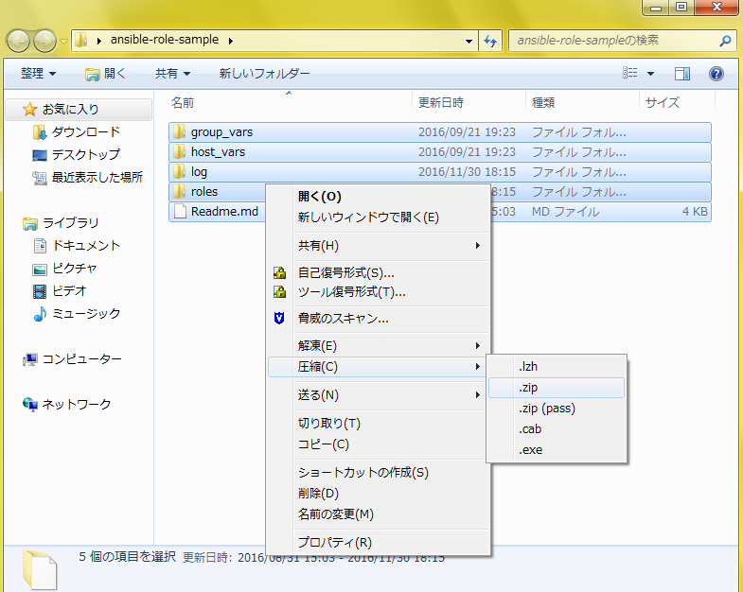 | ・No roles directory xxxxx/A/tasks/main.yml xxxxx/A/defaults/main.yml | Role package list | Warning displays during "upload in advance" | 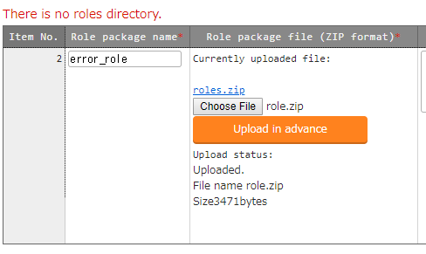
9 | Notes when defining array variable in the default variable definition file of each role ・Single role package - If the same variable name is used between roles but the definition of the member variable in that array variable is different - If the same variable name is used between roles but the variable type contains array variable and normal variable =>Error occurs during upload ・All role packages - If the same variable name is used between role packages but the definition of the member variable in that array variable is different - If the same variable name is used between role packages but array variable and normal variable are mixed. =>Variable names will not be displayed in substitution list menu | × | ○ | × | Refer to the another sheet "Notes when defining array variable" | Refer to the another sheet"Notes when defining array variable" | ・Single role package Role package list ・All role package substitution value list | ・Single role package Role package can't be registered ・All role package Value can't be set for array variables Execute with the value defined in role package | ・Single role package ・All role package
10 | ・When using array variable, please describe the main.yml in the defaults directory referring the example on the right. ※At least 1 line must be defined. | × | ○ | × | 【defaults/main.yml】 VAR_01: - { VAR_SAMPLE_01: "001" , VAR_SAMPLE_02: "002" } - { VAR_SAMPLE_01: "101" , VAR_SAMPLE_02: "102" } | 【defaults/main.yml】 VAR_01: | substitution value list | Setting value for member variable is not available because the variable is not recognized as array variable. The "Member variable undefined " error occurs during operation execution
11 | Adjust the indent into multiple of 2 according to the basic format of construction code. | ○ | ○ | ○ | -△name: Allocate service script △△template: △△△△src: "{{ item.src }}" △△△△dest: "{{ item.dest }}" ～omitted～ △:half-width space | ・The indent is not multiple of 2 -△name: Allocate service script △△template: △△△src: "{{ item.src }}" △△△dest: "{{ item.dest }}" ～omitted～ △:half-width space | Execution | The "Member variable undefined " error occurs during operation execution

