Σχολιασμός
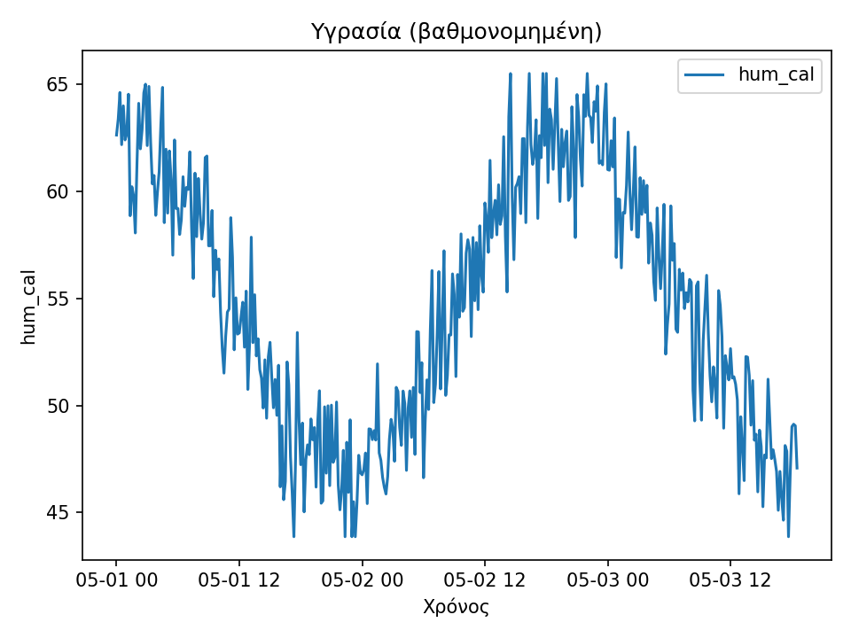
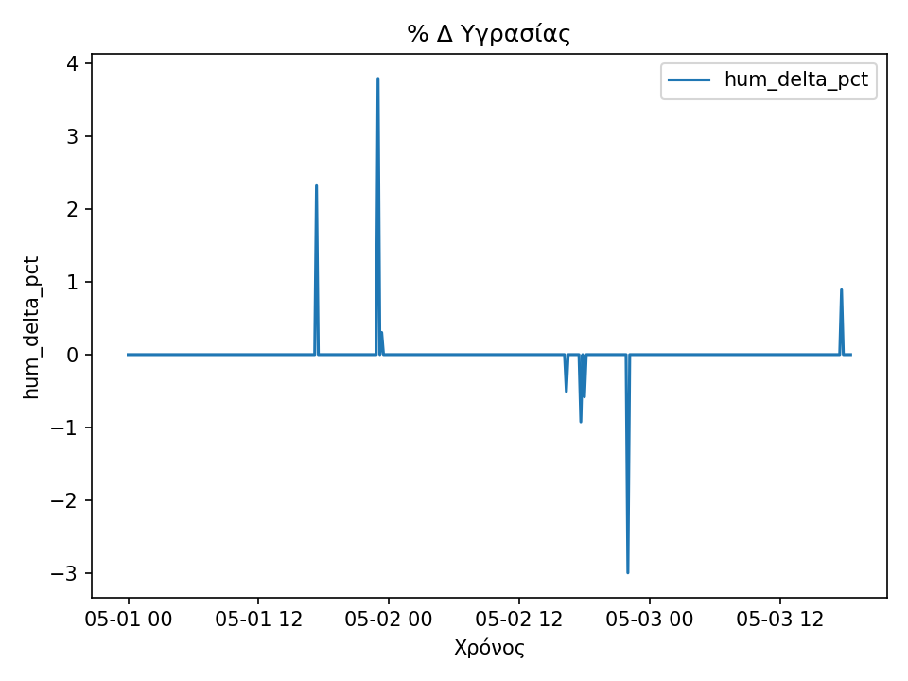
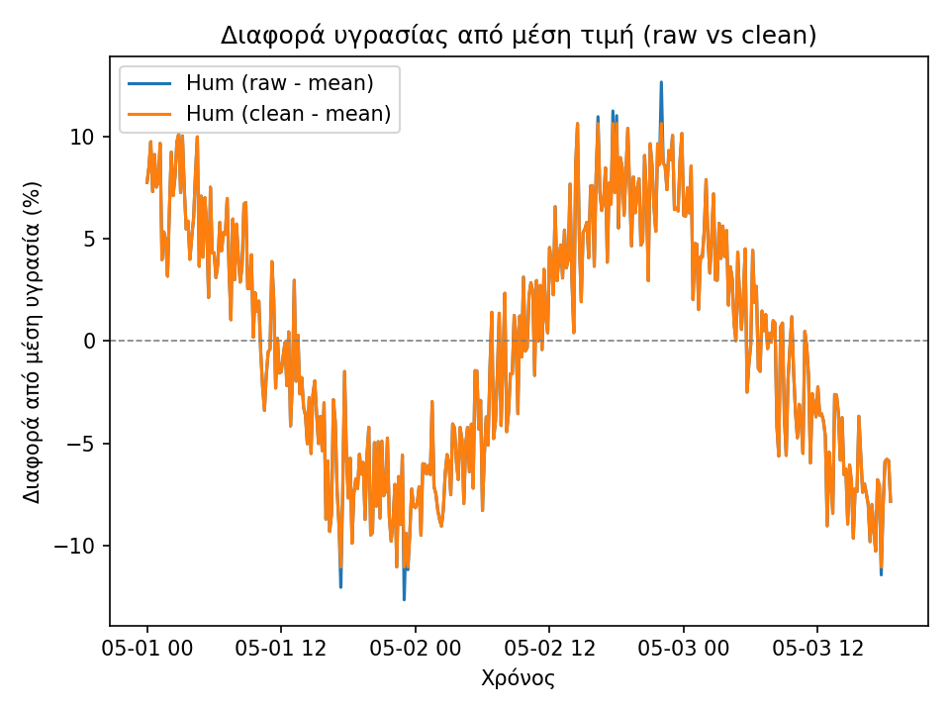
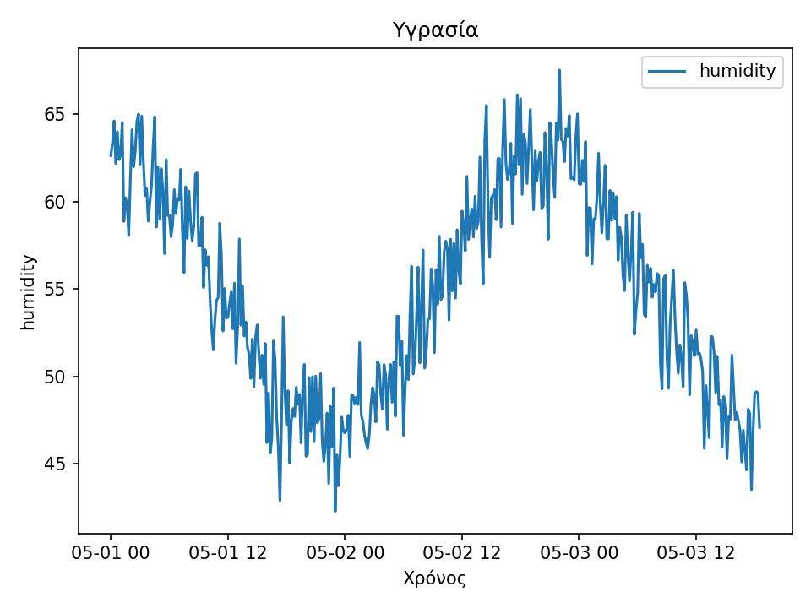
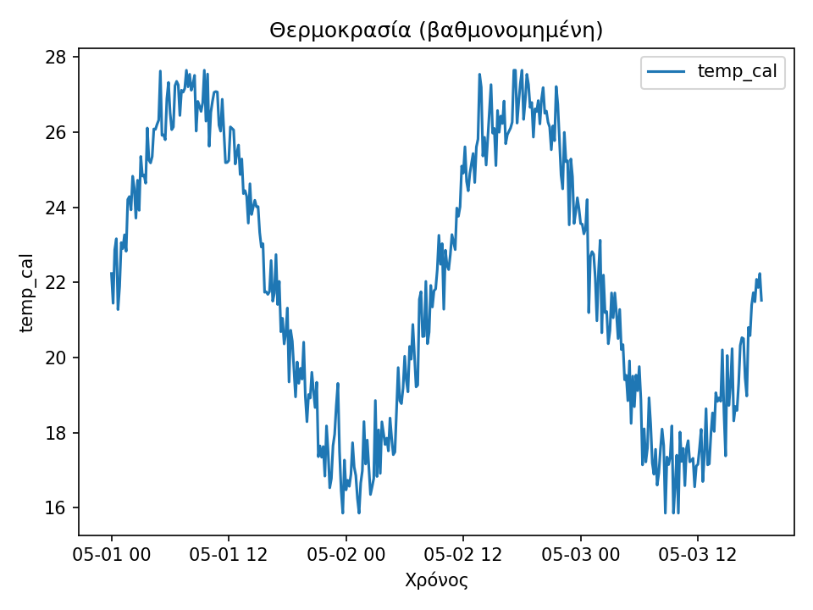
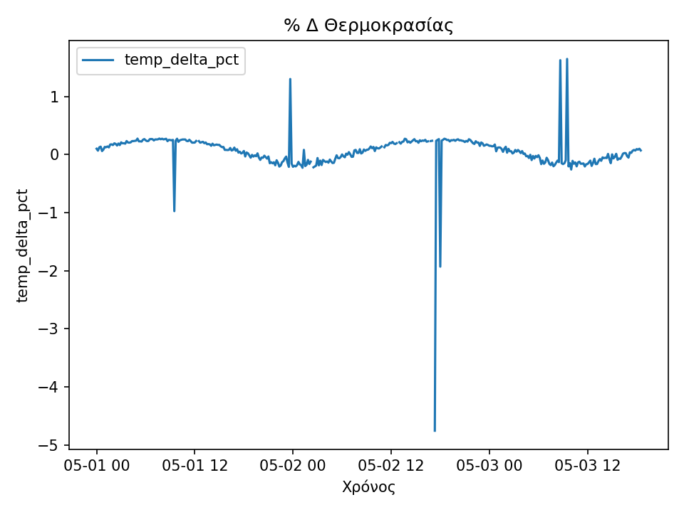
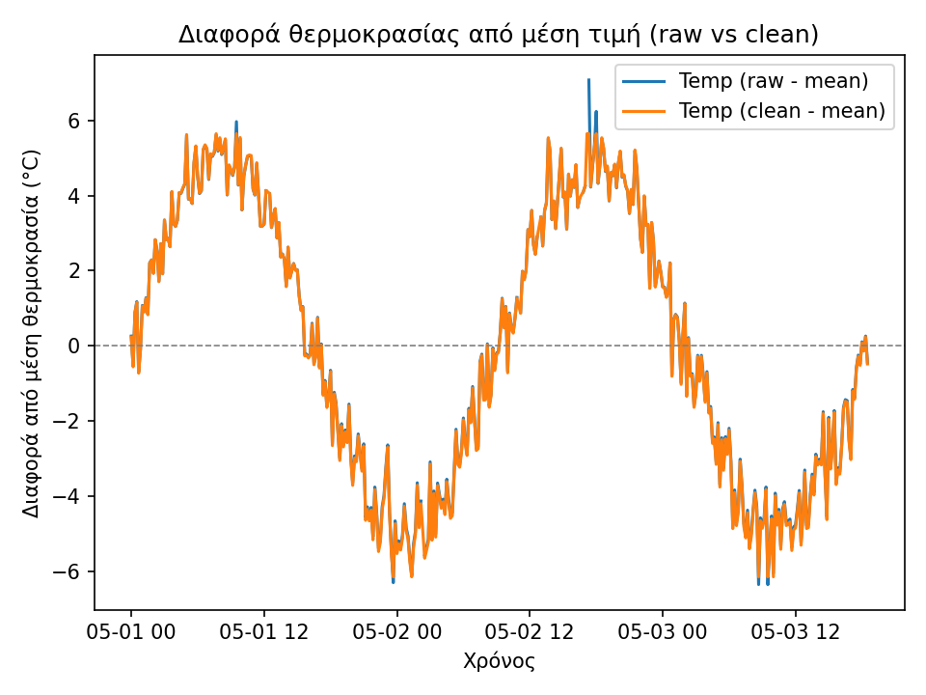
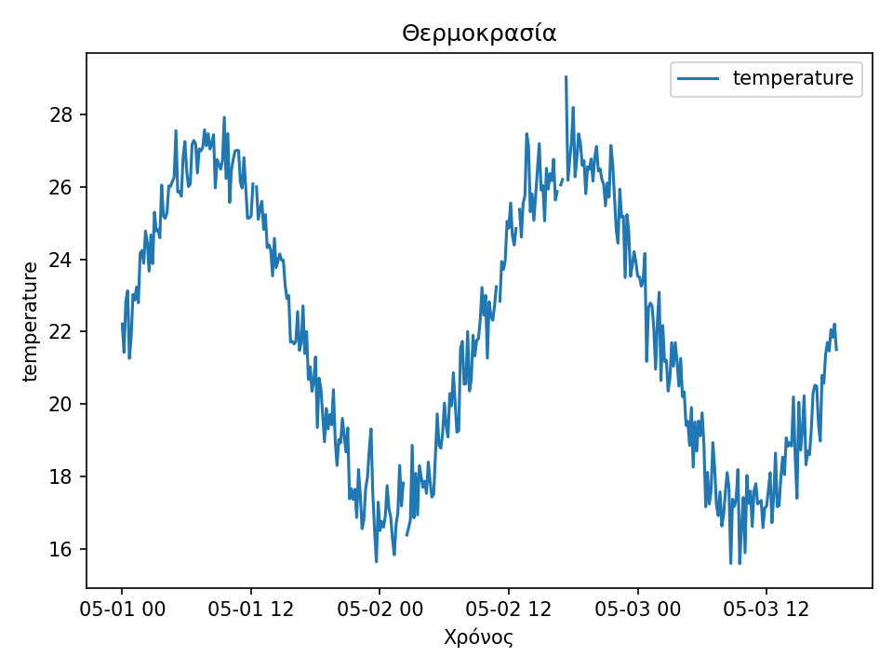
Μετά τον καθαρισμό και τη βαθμονόμηση των δεδομένων παρατηρείται ότι οι αποκλίσεις από τη μέση τιμή (διαφορές) μειώνονται αισθητά στις βαθμονομημένες τιμές σε σχέση με τις αρχικές. Οι τιμές των μέσων αποκλίσεων είναι πλέον πιο κοντά στο μηδέν, ενώ το εύρος μεταξύ ελάχιστης και μέγιστης τιμής είναι μικρότερο. Αυτό δείχνει ότι η διαδικασία καθαρισμού εξομάλυνε τις ακραίες τιμές (outliers) και έκανε τις μετρήσεις πιο σταθερές και αντιπροσωπευτικές της πραγματικής μεταβολής των αισθητήρων. Συνολικά, τα «clean» δεδομένα παρουσιάζουν πιο ομαλή διακύμανση και είναι καταλληλότερα για περαιτέρω ανάλυση ή μοντελοποίηση.

