Step 1
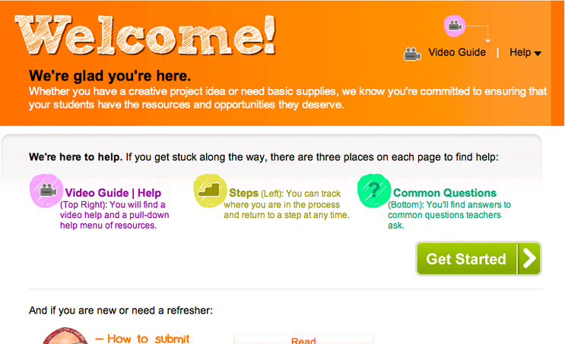
 |  | 1 | Welcome
1 | Welcome
2 | Choose Project Type
3 | Create Title
4 | Go Shopping
5 | Summarize Cart
6 | Tell Your Story
7 | Provide Project Details
8 | Quantify Impact
9 | Select Expiration Date
10 | Confirm and Submit

Step 2
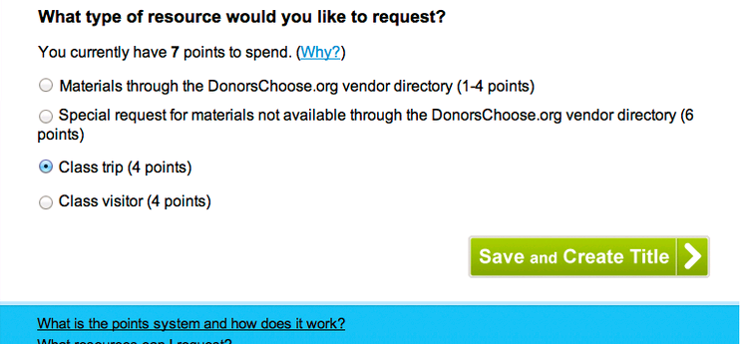
 |  | 2 | Choose Project Type
1 | Welcome
2 | Choose Project Type
3 | Create Title
4 | Go Shopping
5 | Summarize Cart
6 | Tell Your Story
7 | Provide Project Details
8 | Quantify Impact
9 | Select Expiration Date
10 | Confirm and Submit

Step 3
 |  | 3 | Create Title
1 | Welcome
2 | Choose Project Type
3 | Create Title
4 | Go Shopping
5 | Summarize Cart |  | Title:
6 | Tell Your Story
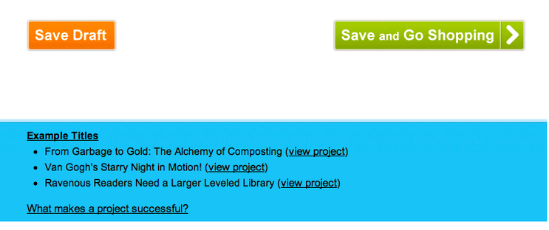
7 | Provide Project Details
8 | Quantify Impact
9 | Select Expiration Date
10 | Confirm and Submit

Step 4
Enter the amount you require for your class trip.
 |  | 4 | Go Shopping
1 | Welcome
2 | Choose Project Type
3 | Create Title
4 | Go Shopping
5 | Summarize Cart |  | Amount:
6 | Tell Your Story
7 | Provide Project Details |  |  | Expected Donors: | 4 | (Based on all Class Trip projects in the last year)
8 | Quantify Impact |  |  | Needed Donors: | 0 | (Based on average Class Trip donations in the last year)
Save and Summarize Cart
9 | Select Expiration Date
10 | Confirm and Submit

Step 6
 |  | 6 | Tell Your Story
1 | Welcome
2 | Choose Project Type |  | Success Probability: | 40% | |||||||||||||||||||||||||||||||||||||||||||||||||||||||||||||||||||||||||||||||||||||||||||||| | Why?
3 | Create Title
4 | Go Shopping |  | Open with the challenge facing your students.
5 | Summarize Cart |  | Opening Examples: | Show Examples
6 | Tell Your Story
7 | Provide Project Details
8 | Quantify Impact
9 | Select Expiration Date |  | Suggested themes:
10 | Confirm and Submit |  | Tell us more about your students.

 |  |  | Suggested themes:

Save and Provide Details

Step 7
 |  | 7 | Provide Project Details
1 | Welcome
2 | Choose Project Type |  | Success Probability: | 40% | |||||||||||||||||||||||||||||||||||||||||||||||||||||||||||||||||||||||||||||||||||||||||||||| | Why?
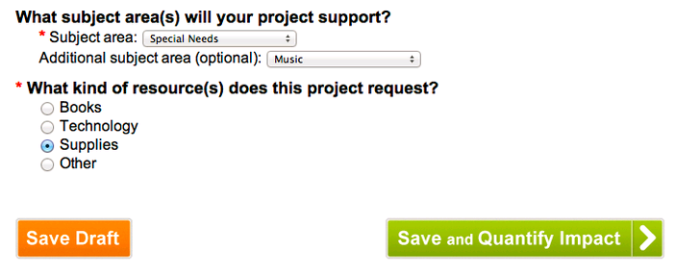
3 | Create Title
4 | Go Shopping
5 | Summarize Cart
6 | Tell Your Story
7 | Provide Project Details
8 | Quantify Impact
9 | Select Expiration Date
10 | Confirm and Submit

