Sheet1
 | A | B | AND |  | A | NOT
0 | 0 | 0 | 0 | 0 | 0 | 1
1 | 0 | 1 | 0 | 1 | 1 | 0
2 | 1 | 0 | 0
3 | 1 | 1 | 1

 | A | B | OR
0 | 0 | 0 | 0
1 | 0 | 1 | 1
2 | 1 | 0 | 1
3 | 1 | 1 | 1

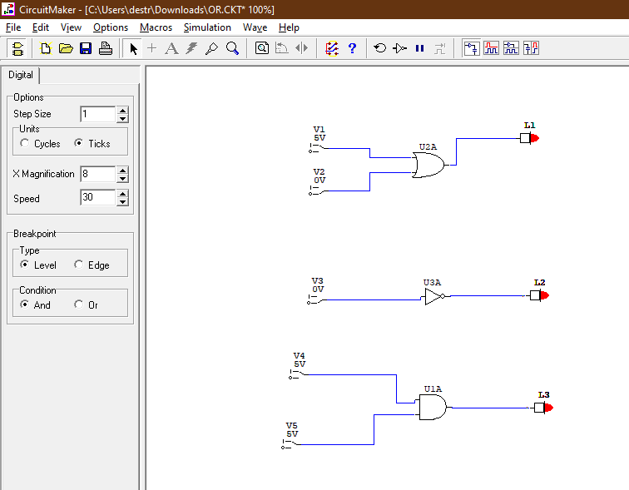

Horacio Lamas Arellano A01367213

