Sheet1
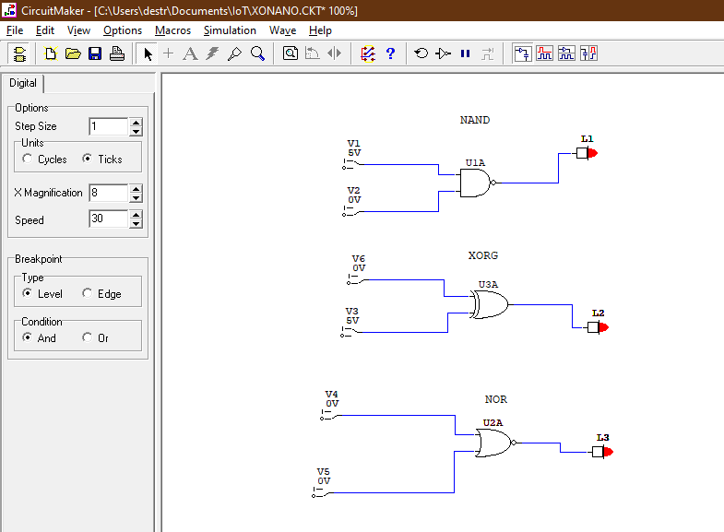
Horacio Lamas Arellano A01367213

 | A | B | NAND |  | A | B | XOR
0 | 0 | 0 | 1 | 0 | 0 | 0 | 0
1 | 0 | 1 | 1 | 1 | 0 | 1 | 1
2 | 1 | 0 | 1 | 2 | 1 | 0 | 1
3 | 1 | 1 | 0 | 3 | 1 | 1 | 0

 | A | B | NOR
0 | 0 | 0 | 1
1 | 0 | 1 | 0
2 | 1 | 0 | 0
3 | 1 | 1 | 0

