Introduction
UK Government GHG Conversion Factors for Company Reporting
Introduction
Index

 | Next publication date: | 2023-06-08 | Factor set: | Condensed set
 | Version: | 2.0 | Year: | 2022
 |  |  |  |  |  | 
 | UK Government GHG Conversion Factors for Company Reporting
 | Welcome to the UK Government Conversion Factors for greenhouse gas (GHG) reporting. These factors are suitable for use by UK-based organisations of all sizes and international organisations reporting on UK operations. Therefore, the scope of the factors is defined such that it is relevant to emissions reporting. The factors may also be used for other purposes, but users do this at their own risk.
 | For new users of the conversion factors, ensure that you have first read the government's 'Environmental reporting guidelines' and the information on the rest of this sheet. Then follow the informative text at the top of each tab to report your emissions across Scopes 1, 2 and 3. It is not necessary to read the ‘What’s new’ guidance.
 | If you have used the conversion factors before, ensure you have read the ‘What’s new’ guidance to understand the changes that have been made to the factors over the last year. Following the ‘What’s new’ guidance will ensure that reporting is consistent and comparable year on year. Please note - activity-specific 'What's new' information is repeated in the relevant activity tabs.
 | For information about how the conversion factors have been derived, please refer to the accompanying 'Methodology paper' to the conversion factors.
 | Please note - factors that are: |  | (a) not available, will be marked with an empty, light shaded cell:
 |  |  | (b) have an invalid combination of criteria, will be marked with an empty, dark shaded cell:
 | How is this spreadsheet organised?
 | After the three introductory worksheets, each worksheet presents the emission factors for a single type of emissions-releasing activity (for example, using electricity or driving a passenger vehicle). These emissions-releasing activities are categorised into three groups known as scopes. Each activity is colour coded as either Scope 1, Scope 2, or Scope 3. Refer to the 'Index' tab for links to each sheet.
 | ● Scope 1 (direct emissions) emissions are those from activities owned or controlled by your organisation. Examples of Scope 1 emissions include emissions from combustion in owned or controlled boilers, furnaces and vehicles; and emissions from chemical production in owned or controlled process equipment.
 | ● Scope 2 (energy indirect) emissions are those released into the atmosphere that are associated with your consumption of purchased electricity, heat, steam and cooling. These indirect emissions are a consequence of your organisation’s energy use, but occur at sources you do not own or control.
 | ● Scope 3 (other indirect) emissions are a consequence of your actions that occur at sources you do not own or control and are not classed as Scope 2 emissions. Examples of Scope 3 emissions are business travel by means not owned or controlled by your organisation, waste disposal, materials or fuels your organisation purchases. Deciding if emissions from a vehicle, office or factory that you use are Scope 1 or Scope 3 may depend on how you define your operational boundaries. Scope 3 emissions can be from activities that are upstream or downstream of your organisation. More information on Scope 3 and other aspects of reporting can be found in the Greenhouse Gas Protocol Corporate Standard.

 | How are individual worksheets in this spreadsheet organised?
 | Each worksheet provides the following information:
 | ● Guidance on calculating emissions from this activity
 | ● An example of how to calculate emissions from this activity
 | ● The emission factors for this activity
 | ● Frequently asked questions
 | How do I calculate my GHG emissions for a particular activity?
 | Navigate to the sheet relating to the activity that you wish to calculate emissions for. Read the guidance and then collect or estimate activity data for your organisation (for example, the amount of electricity used or distance travelled). Then multiply this activity data by the relevant (emission) conversion factor. This gives an estimate of the GHG emissions for that activity.
 |  |  | GHG emissions = activity data x emission conversion factor

 | Which gases can I report on using these factors?
 | There are seven main GHGs that contribute to climate change, as covered by the Kyoto Protocol: carbon dioxide (CO2), methane (CH4), nitrous oxide (N2O), hydrofluorocarbons (HFCs), perfluorocarbons (PFCs), sulfur hexafluoride (SF6) and nitrogen trifluoride (NF3). Different activities emit different gases and you should report on the Kyoto Protocol GHG gases produced by your particular activities.
 | All conversion factors presented here are in units of 'kilograms of carbon dioxide equivalent of Y per X' (kg CO2e of Y per X), where Y is the gas emitted and X is the unit activity. CO2e is the universal unit of measurement to indicate the global warming potential (GWP) of GHGs, expressed in terms of the GWP of one unit of carbon dioxide.
 | The GWPs used in the calculation of CO2e are based on the Intergovernmental Panel on Climate Change (IPCC) Fourth Assessment Report (AR4) over a 100-year period so that the Conversion Factors are consistent with the latest UK Greenhouse Gas Inventory, on which they're based. In November 2021, it was agreed by the international community at COP26 that greenhouse gas emissions shall be reported under the Paris Agreement transparency framework using 100-year AR5 GWPs (without climate-carbon feedback).Therefore, from 2023 onwards Conversion Factors will primarily be based on 100-year AR5 GWPs. Note - In a small number of cases, data gathered to calculate the conversion factors is based on the IPCC Fifth Assessment Report (AR5) GWPs already and cannot be disaggregated into constituent gases to be converted to AR4 GWPs. This includes the "Hotel stay" factors and the "Material Use" and "Waste Disposal" factors for glass, electricals, batteries, asbestos, paper and board, metals, steel, aluminium, mixed cans, scrap metal and mixed waste. As non-CO2 greenhouse gases are a small contributor to all these emissions, the difference between the AR4 and AR5 based calculations will be negligible.
 | As a minimum, for each activity there is a factor that can be used to calculate emissions of all relevant GHGs combined (kg CO2e per unit activity). Additionally, for many activities, this factor is then split into separate factors for each gas (that is, kg CO2e of CO2/CH4/N2O per unit activity) which sum to the total kg CO2e per unit activity. These gas-specific factors can be used if desired.
 | Which year of emissions should I report on with these factors?
 | You should use the version of the factors that correlates with the data on which you are reporting (for example, factors labelled as 2021 should be used for data from calendar year 2021). If you are reporting on an April to March year, the factors from the calendar year in which the greatest portion of your data falls should be applied (for example, the 2021 factors should be applied to data in reporting year 01/04/21 – 31/03/22, the 2020 factors should have been applied to data in reporting year 01/04/20 – 31/03/21). Users that operate a July to June reporting year should apply the newest set of available factors.
 | For reference, the Conversion Factors for all years 2002 -2020 can be found here.

 | For technical queries, please contact Climatechange Statistics at GreenhouseGas.Statistics@beis.gov.uk.
 | NOTE: The scope of the factors is defined to be relevant to emissions reporting, although the factors may also be used for other purposes. Regardless of this, their usage is at the users’ own risk.

 | How do I calculate negative emissions and offsets?
 | The Conversion Factors do not include emissions factors for negative emissions technologies or offsets. For more information on how to account for these emissions reductions activities in your SECR reporting, please see Annex G of the Environmental Reporting Guidelines.

Refrigerant & other
UK Government GHG Conversion Factors for Company Reporting
Refrigerant & other
Index

 | Emissions source: | Refrigerant & other | Next publication date: | 2023-06-08 | Factor set: | Condensed set
 | Scope: | Scope 1 | Version: | 2.0 | Year: | 2022

 | Refrigerant and other conversion factors should be used for the purpose of reporting leakage from air-conditioning, refrigeration units or the release to the atmosphere of other gases that have global warming potential (GWP).

 | Guidance
 | ● The refrigerants and gases in the table are slightly different to the other conversion factor tables. In this case the gases emitted have a global warming influence themselves and the conversion factor allows the global warming potential (GWP) of that gas to be expressed in terms of kilogrammes of carbon dioxide equivalent (kg CO2e), this is slightly different to most of the factors where the emissions occur after combustion/use of the fuel/material etc. These conversions can, however, be used in the normal way for reporting purposes.
 | ● The Kyoto Protocol and Montreal protocol listed gases are both based on the IPCC Fourth Assessment Report (AR4) over a 100 year period (this is a requirement for inventory/ national reporting purposes).
 | 1 From 01 Jan 2019, the Kigali amendment came into force, HFCs and HFC blends are now both Kyoto Protocol and Montreal Gases.
 | Example of calculating emissions from refrigerants and other process gases with a GWP
 | Company D need to report on the refrigerants that leak from their air conditioning equipment at their HQ each year (sometimes called fugitive emissions). These are considered to be Scope 1 emissions for company D. To calculate the leakage, they simply note how much they have had to 'top up' the refrigerant over the last year.
 | The 'top up' data (in kg) is multiplied by the applicable conversion factor to their refrigerant type to produce company D's direct emissions from refrigerant.

 |  |  |  | Emissions including only Kyoto products | Emissions including only non-Kyoto products | Total emissions including non-Kyoto products
 | Activity | Emission | Unit | Total kg CO2e per unit | Total kg CO2e per unit | Total kg CO2e per unit
 | Kyoto protocol products | Carbon dioxide | kg | 1 |  | 1
 |  | Methane | kg | 25 |  | 25
 |  | Nitrous oxide | kg | 298 |  | 298
 |  | HFC-23 | kg | 14800 |  | 14800
 |  | HFC-32 | kg | 675 |  | 675
 |  | HFC-41 | kg | 92 |  | 92
 |  | HFC-125 | kg | 3500 |  | 3500
 |  | HFC-134 | kg | 1100 |  | 1100
 |  | HFC-134a | kg | 1430 |  | 1430
 |  | HFC-143 | kg | 353 |  | 353
 |  | HFC-143a | kg | 4470 |  | 4470
 |  | HFC-152a | kg | 124 |  | 124
 |  | HFC-227ea | kg | 3220 |  | 3220
 |  | HFC-236fa | kg | 9810 |  | 9810
 |  | HFC-245fa | kg | 1030 |  | 1030
 |  | HFC-43-I0mee | kg | 1640 |  | 1640
 |  | Perfluoromethane (PFC-14) | kg | 7390 |  | 7390
 |  | Perfluoroethane (PFC-116) | kg | 12200 |  | 12200
 |  | Perfluoropropane (PFC-218) | kg | 8830 |  | 8830
 |  | Perfluorocyclobutane (PFC-318) | kg | 10300 |  | 10300
 |  | Perfluorobutane (PFC-3-1-10) | kg | 8860 |  | 8860
 |  | Perfluoropentane (PFC-4-1-12) | kg | 9160 |  | 9160
 |  | Perfluorohexane (PFC-5-1-14) | kg | 9300 |  | 9300
 |  | PFC-9-1-18 | kg | 7500 |  | 7500
 |  | Perfluorocyclopropane | kg | 17340 |  | 17340
 |  | Sulphur hexafluoride (SF6) | kg | 22800 |  | 22800
 |  | HFC-152 | kg | 53 |  | 53
 |  | HFC-161 | kg | 12 |  | 12
 |  | HFC-236cb | kg | 1340 |  | 1340
 |  | HFC-236ea | kg | 1370 |  | 1370
 |  | HFC-245ca | kg | 693 |  | 693
 |  | HFC-365mfc | kg | 794 |  | 794
 |  | Nitrogen trifluoride | kg | 17200 |  | 17200

 |  |  |  | Emissions including only Kyoto products | Emissions including only non-Kyoto products | Total emissions including non-Kyoto products
 | Activity | Emission | Unit | Total kg CO2e per unit | Total kg CO2e per unit | Total kg CO2e per unit
 | Blends | R401A | kg | 16 | 1166 | 1182
 |  | R401B | kg | 14 | 1275 | 1288
 |  | R401C | kg | 19 | 914 | 933
 |  | R402A | kg | 2100 | 688 | 2788
 |  | R402B | kg | 1330 | 1086 | 2416
 |  | R403A | kg | 1766 | 1358 | 3124
 |  | R403B | kg | 3444 | 1014 | 4457
 |  | R404A | kg | 3922 |  | 3922
 |  | R405A | kg | 3774 | 942 | 4716
 |  | R406A | kg |  | 1943 | 1943
 |  | R407A | kg | 2107 |  | 2107
 |  | R407B | kg | 2804 |  | 2804
 |  | R407C | kg | 1774 |  | 1774
 |  | R407D | kg | 1627 |  | 1627
 |  | R407E | kg | 1552 |  | 1552
 |  | R407F | kg | 1825 |  | 1825
 |  | R408A | kg | 2301 | 851 | 3152
 |  | R409A | kg |  | 1585 | 1585
 |  | R409B | kg |  | 1560 | 1560
 |  | R410A | kg | 2088 |  | 2088
 |  | R410B | kg | 2229 |  | 2229
 |  | R411A | kg | 14 | 1584 | 1597
 |  | R411B | kg | 4 | 1701 | 1705
 |  | R412A | kg | 442 | 1845 | 2286
 |  | R413A | kg | 2053 |  | 2053
 |  | R414A | kg |  | 1478 | 1478
 |  | R414B | kg |  | 1362 | 1362
 |  | R415A | kg | 22 | 1484 | 1507
 |  | R415B | kg | 93 | 453 | 546
 |  | R416A | kg | 844 | 241 | 1084
 |  | R417A | kg | 2346 |  | 2346
 |  | R417B | kg | 3027 |  | 3027
 |  | R417C | kg | 1809 |  | 1809
 |  | R418A | kg | 3 | 1738 | 1741
 |  | R419A | kg | 2967 |  | 2967
 |  | R419B | kg | 2384 |  | 2384
 |  | R420A | kg | 1258 | 277 | 1536
 |  | R421A | kg | 2631 |  | 2631
 |  | R421B | kg | 3190 |  | 3190
 |  | R422A | kg | 3143 |  | 3143
 |  | R422B | kg | 2526 |  | 2526
 |  | R422C | kg | 3085 |  | 3085
 |  | R422D | kg | 2729 |  | 2729
 |  | R422E | kg | 2592 |  | 2592
 |  | R423A | kg | 2280 |  | 2280
 |  | R424A | kg | 2440 |  | 2440
 |  | R425A | kg | 1505 |  | 1505
 |  | R426A | kg | 1508 |  | 1508
 |  | R427A | kg | 2138 |  | 2138
 |  | R428A | kg | 3607 |  | 3607
 |  | R429A | kg | 12 | 2 | 14
 |  | R430A | kg | 94 | 1 | 95
 |  | R431A | kg | 36 | 2 | 38
 |  | R432A | kg |  | 2 | 2
 |  | R433A | kg |  | 3 | 3
 |  | R433B | kg |  | 3 | 3
 |  | R433C | kg |  | 3 | 3
 |  | R434A | kg | 3245 |  | 3245
 |  | R435A | kg | 25 | 1 | 26
 |  | R436A | kg |  | 3 | 3
 |  | R436B | kg |  | 3 | 3
 |  | R437A | kg | 1805 |  | 1805
 |  | R438A | kg | 2264 |  | 2265
 |  | R439A | kg | 1983 |  | 1983
 |  | R440A | kg | 144 |  | 144
 |  | R441A | kg |  | 3 | 3
 |  | R442A | kg | 1888 |  | 1888
 |  | R443A | kg |  | 2 | 2
 |  | R444A | kg | 87 | 1 | 88
 |  | R445A | kg | 129 | 1 | 130
 |  | R500 | kg | 32 | 8044 | 8077
 |  | R501 | kg |  | 4083 | 4083
 |  | R502 | kg |  | 4657 | 4657
 |  | R503 | kg | 5935 | 8626 | 14560
 |  | R504 | kg | 325 | 3818 | 4143
 |  | R505 | kg |  | 8502 | 8502
 |  | R506 | kg |  | 4490 | 4490
 |  | R507A | kg | 3985 |  | 3985
 |  | R508A | kg | 13214 |  | 13214
 |  | R508B | kg | 13396 |  | 13396
 |  | R509A | kg | 4945 | 796 | 5741
 |  | R510A | kg |  | 1 | 1
 |  | R511A | kg | 6 | 3 | 9
 |  | R512A | kg | 189 |  | 189

 |  |  |  | Emissions including only Kyoto products | Emissions including only non-Kyoto products | Total emissions including non-Kyoto products
 | Activity | Emission | Unit | Total kg CO2e per unit | Total kg CO2e per unit | Total kg CO2e per unit
 | Montreal protocol products | CFC-11/R11 = trichlorofluoromethane | kg |  | 4750 | 4750
 |  | CFC-12/R12 = dichlorodifluoromethane | kg |  | 10900 | 10900
 |  | CFC-13 | kg |  | 14400 | 14400
 |  | CFC-113 | kg |  | 6130 | 6130
 |  | CFC-114 | kg |  | 10000 | 10000
 |  | CFC-115 | kg |  | 7370 | 7370
 |  | Halon-1211 | kg |  | 1890 | 1890
 |  | Halon-1301 | kg |  | 7140 | 7140
 |  | Halon-2402 | kg |  | 1640 | 1640
 |  | Carbon tetrachloride | kg |  | 1400 | 1400
 |  | Methyl bromide | kg |  | 5 | 5
 |  | Methyl chloroform | kg |  | 146 | 146
 |  | HCFC-22/R22 = chlorodifluoromethane | kg |  | 1810 | 1810
 |  | HCFC-123 | kg |  | 77 | 77
 |  | HCFC-124 | kg |  | 609 | 609
 |  | HCFC-141b | kg |  | 725 | 725
 |  | HCFC-142b | kg |  | 2310 | 2310
 |  | HCFC-225ca | kg |  | 122 | 122
 |  | HCFC-225cb | kg |  | 595 | 595
 |  | HCFC-21 | kg |  | 151 | 151

 |  |  |  | Emissions including only Kyoto products | Emissions including only non-Kyoto products | Total emissions including non-Kyoto products
 | Activity | Emission | Unit | Total kg CO2e per unit | Total kg CO2e per unit | Total kg CO2e per unit
 | Fluorinated ethers | HFE-125 | kg |  | 14900 | 14900
 |  | HFE-134 | kg |  | 6320 | 6320
 |  | HFE-143a | kg |  | 756 | 756
 |  | HCFE-235da2 | kg |  | 350 | 350
 |  | HFE-245cb2 | kg |  | 708 | 708
 |  | HFE-245fa2 | kg |  | 659 | 659
 |  | HFE-254cb2 | kg |  | 359 | 359
 |  | HFE-347mcc3 | kg |  | 575 | 575
 |  | HFE-347pcf2 | kg |  | 580 | 580
 |  | HFE-356pcc3 | kg |  | 110 | 110
 |  | HFE-449sl (HFE-7100) | kg |  | 297 | 297
 |  | HFE-569sf2 (HFE-7200) | kg |  | 59 | 59
 |  | HFE-43-10pccc124 (H-Galden1040x) | kg |  | 1870 | 1870
 |  | HFE-236ca12 (HG-10) | kg |  | 2800 | 2800
 |  | HFE-338pcc13 (HG-01) | kg |  | 1500 | 1500

 |  |  |  | Emissions including only Kyoto products | Emissions including only non-Kyoto products | Total emissions including non-Kyoto products
 | Activity | Emission | Unit | Total kg CO2e per unit | Total kg CO2e per unit | Total kg CO2e per unit
 | Other products | Trifluoromethyl sulphur pentafluoride | kg |  | 17700 | 17700
 |  | PFPMIE | kg |  | 10300 | 10300
 |  | Dimethylether | kg |  | 1 | 1
 |  | Methylene chloride | kg |  | 9 | 9
 |  | Methyl chloride | kg |  | 13 | 13
 |  | R290 = propane | kg |  | 3 | 3
 |  | R600A = isobutane | kg |  | 3 | 3
 |  | R600 = butane | kg |  | 4 | 4
 |  | R601 = pentane | kg |  | 5 | 5
 |  | R601A = isopentane | kg |  | 5 | 5
 |  | R170 = ethane | kg |  | 6 | 6
 |  | R1270 = propene | kg |  | 2 | 2
 |  | R1234yf* | kg |  | < 1 | < 1
 |  | R1234ze* | kg |  | < 1 | < 1
 | * There is no specific figure available, however it is known that the GWP factor is less than 1 kg CO2e

 | FAQs
 | Is there any guidance to help me calculate the refrigerant leakage for my particular air conditioning system?
 | Further guidance on how to calculate refrigerant leakage is provided in the government 'Environmental reporting guidelines'.
 | Do I need to report all refrigerant types and gases with global warming potential in Scope 1?
 | No, only Kyoto Protocol gases need to be reported under Scope 1, all non-Kyoto gases (e.g. Montreal Protocol gases) should be reported separately.
 | What should I do if the product I use doesn't appear on this list?
 | Information on the global warming potential and charge size should be included on a label on products containing these products. As stated at https://www.gov.uk/guidance/labelling-f-gas-equipment-you-produce-import-or-install: [Producers, importers or installers of F-gas equipment] must label all products you produce, import or install that contain regulated F gas. The label must include the: • industry name for the F gas • mass of F gas in the equipment (kg) • weight of the F gas in equivalent tonnes of carbon dioxide • global warming potential of the F gas Labelling requirements have been in place since at least July 2007 when the 2006 EU F-gas regulations (Regulation (EC) No 842/2006) entered into force, and even systems that were installed before this date, if containing more than 3kg of refrigerant, are required to have labels documenting the required regular servicing conducted. In the unlikely scenario where the label does not specify this F-gas information or you cannot find the label, your service engineer should be able to provide the relevant information. Examples of what labels looks like can be found below. Note that the GWPs presented on these labels will be included non-Kyoto components, and they use the values specified in legislation (at the time of writing, these are mostly AR4 values, so consistent with what is presented here with the exception of HFC-1234yf/ze, where we've adopted values from a more recent study which suggests the calues are lower than the values quoted in the F-gas regulations). The non-Kyoto components in newer blends are typically low-GWP, so the GWP will generally be dominated by the Kyoto components. Note that many substances have multiple names (e.g. as below, HFC-134a is often referred to as R-134a).
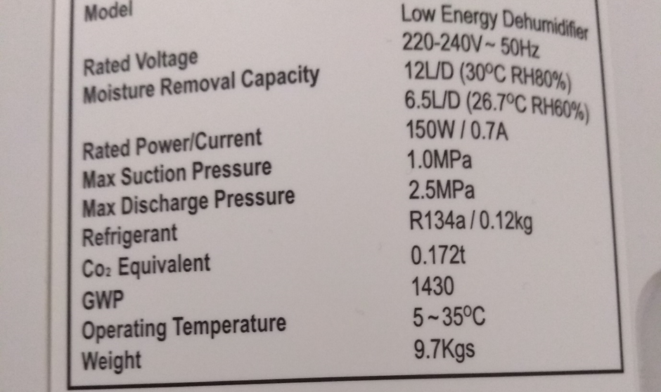
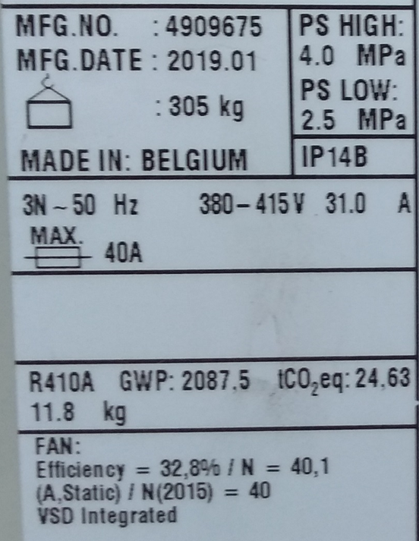

 | For information about the derivation of the conversion factors please refer to accompanying 'Methodology paper' to the conversion factors, which is available on the conversion factors website.

