Actual
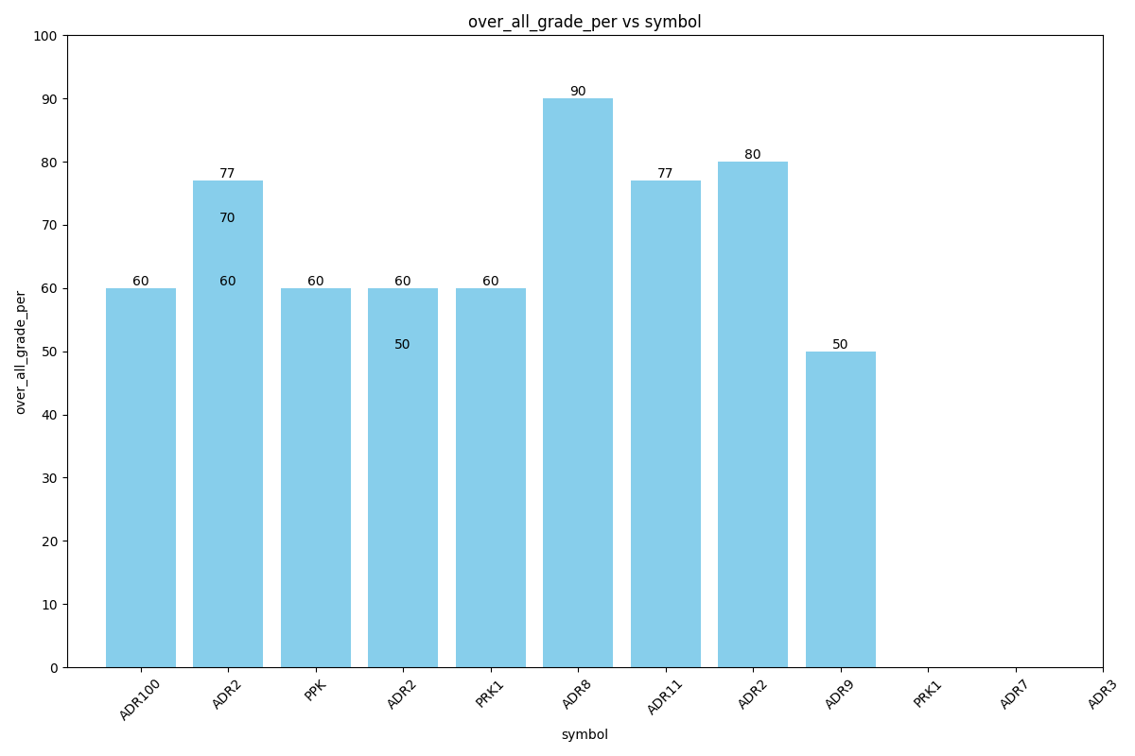
Data for Actual
over_all_grade | over_all_grade_per | id | name | symbol | class | phasename
F | 60 | 15 | std3 | ADR-100 | Front Drive | Driving
F | 60 | 4 | std3 | ADR-2 | Front Drive | Driving
F | 60 | 27 | std3 | PPK | PPK | Parking
G | 77 | 4 | std3 | ADR-2 | Front Drive | Driving
F | 60 | 1 | std3 | PRK-1 | Front Drive hello world Front drive hello world | Driving
F | 60 | 8 | std3 | ADR-8 | back adding | Driving
V | 90 | 7 | std3 | ADR-11 | msarii | Parking
G | 70 | 4 | std3 | ADR-2 | Front Drive | Driving
G | 77 | 5 | std3 | ADR-9 | Front Drive | Parking
U | 50 | 1 | std3 | PRK-1 | Front Drive hello world Front drive hello world | Driving
G | 80 | 9 | std3 | ADR-7 | back adding | Driving
F | 50 | 3 | std3 | ADR-3 | back adding | Driving

Test
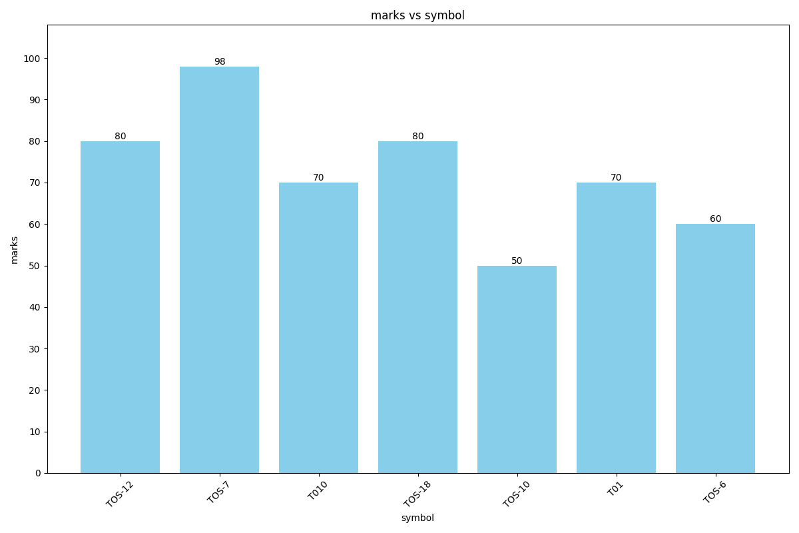
Data for Test
id | marks | studentname | symbol
7 | 80 | std3 | TOS-12
6 | 98 | std3 | TOS-7
5 | 70 | std3 | T010
4 | 80 | std3 | TOS-18
3 | 50 | std3 | TOS-10
2 | 70 | std3 | T01
1 | 60 | std3 | TOS-6

Quiz
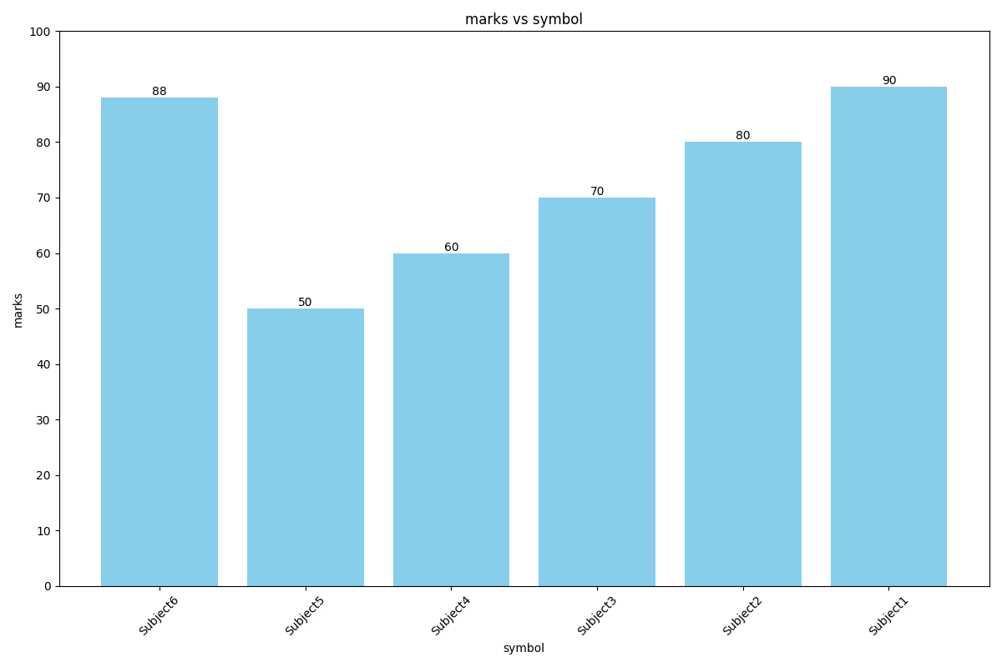
Data for Quiz
id | marks | symbol | studentname
6 | 88 | Subject6 | A4
5 | 50 | Subject5 | A4
4 | 60 | Subject4 | A4
3 | 70 | Subject3 | A4
2 | 80 | Subject2 | A4
1 | 90 | Subject1 | A4

Memo
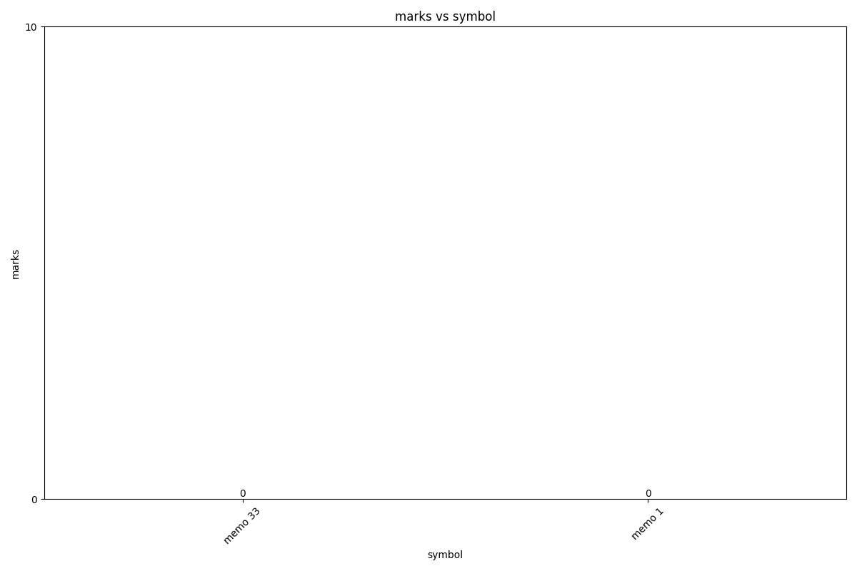
Data for Memo
id | marks | symbol | studentname
2 |  | memo 33 | student3
1 |  | memo 1 | student3

Discipline
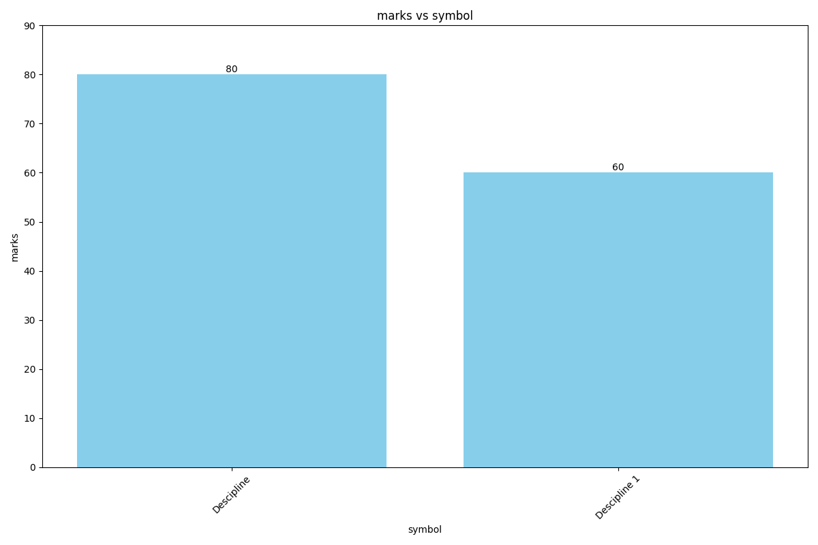
Data for Discipline
id | marks | symbol | studentname
2 | 80 | Descipline | A4
1 | 60 | Descipline 1 | A4

