Actual
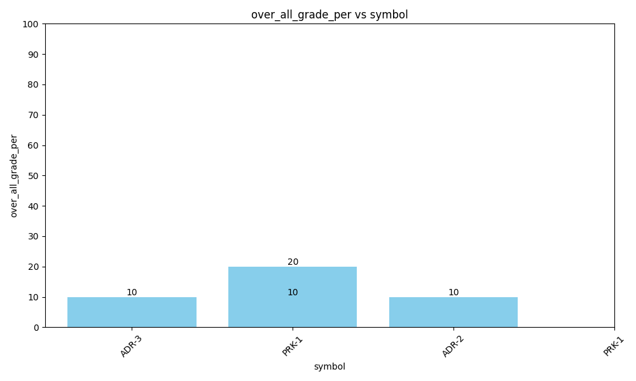
Data for Actual
over_all_grade | over_all_grade_per | id | name | symbol | class | phasename
U | 10 | 3 | std3 | ADR-3 | back adding | Driving
U | 20 | 1 | std3 | PRK-1 | Front Drive | Driving
U | 10 | 2 | std3 | ADR-2 | back adding "AYushi" | Driving
F | 10 | 1 | std3 | PRK-1 | Front Drive | Driving

Test
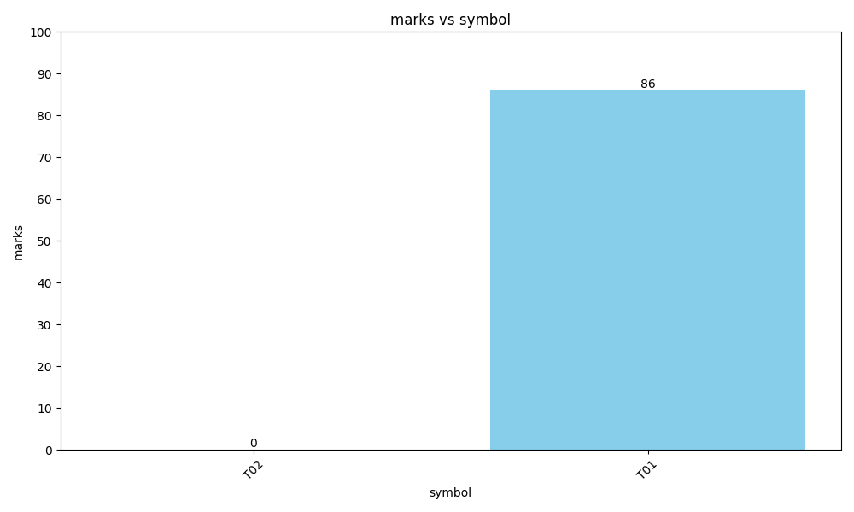
Data for Test
id | marks | studentname | symbol
2 | 0 | std3 | T02
1 | 86 | std3 | T01

Quiz
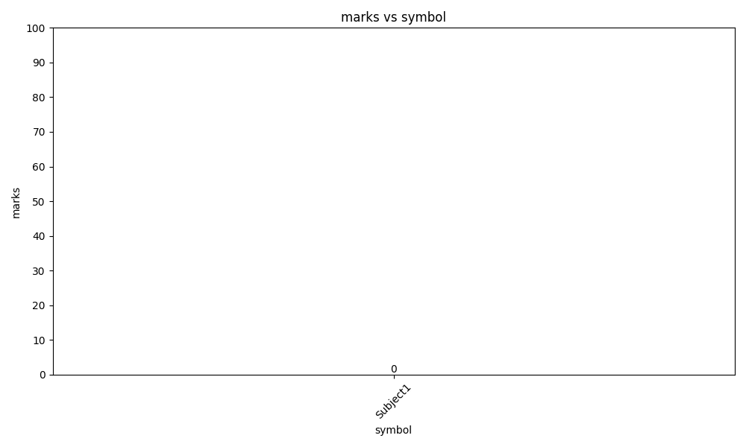
Data for Quiz
id | marks | symbol | studentname
2 | 0 | Subject1 | Bharti

Memo
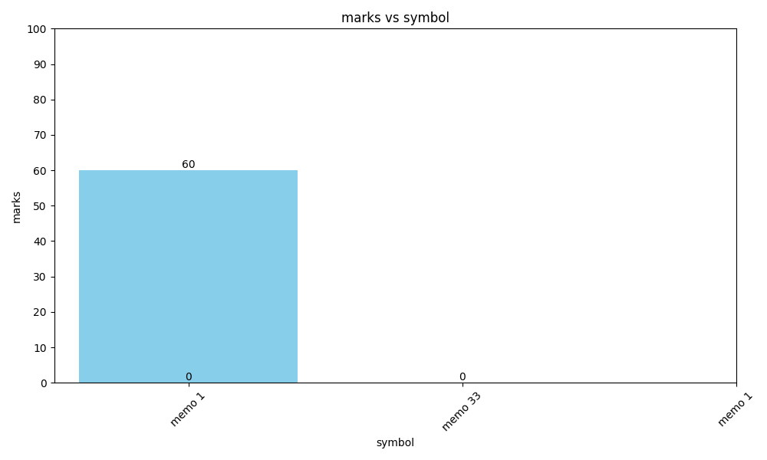
Data for Memo
id | marks | symbol | studentname
10 | 60 | memo 1 | student3
2 |  | memo 33 | student3
1 |  | memo 1 | student3

Discipline
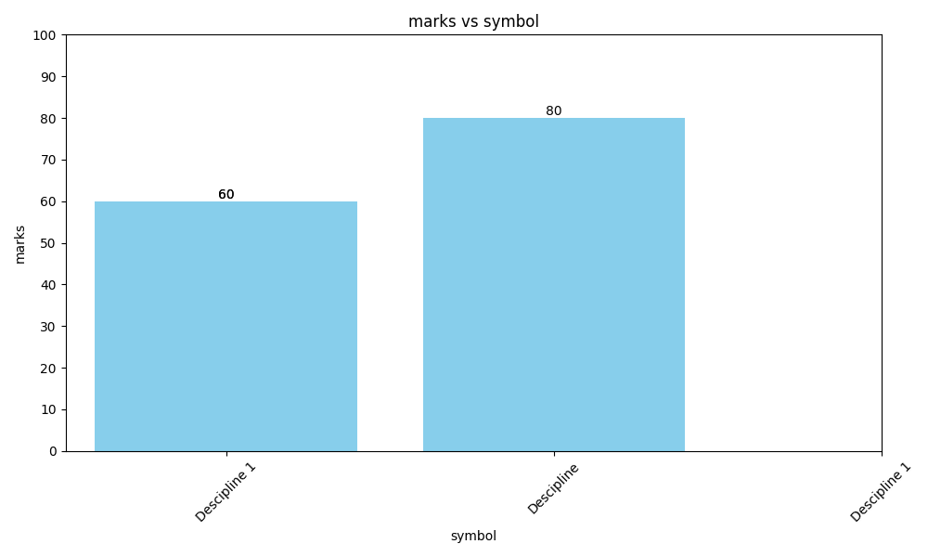
Data for Discipline
id | marks | symbol | studentname
8 | 60 | Descipline 1 | A4
2 | 80 | Descipline | A4
1 | 60 | Descipline 1 | A4

