Hoja1
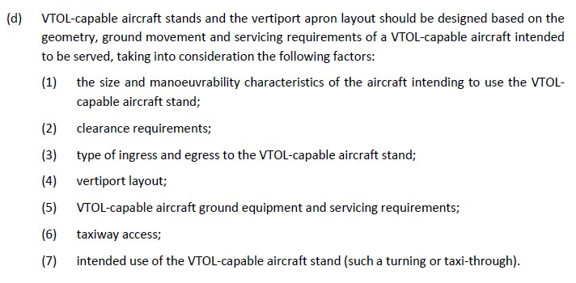
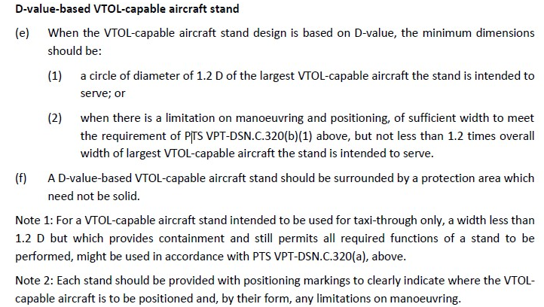
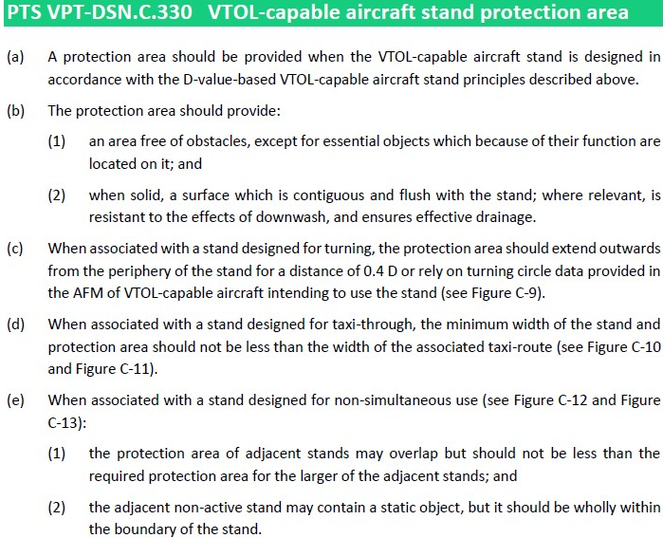
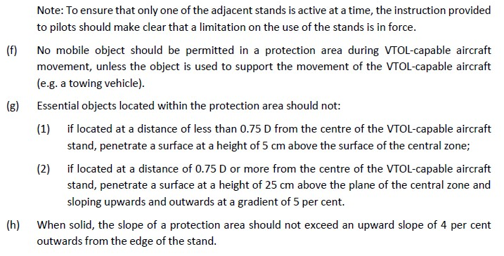
EVE/LILIUM/JOBY | Normativa | Factor [D] | Dimension
D |  | 13.9 | 13.9
TLOF | 0,83 D / Elevated 1D | 0.83 | 11.537
FATO | 1,5 D o RTODV | 1.5 | 20.85
SA | 0,25 D | 0.25 | 3.475
VTOL taxiway
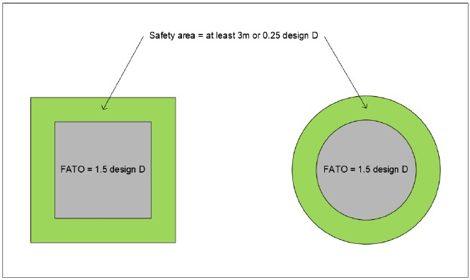
VTOL taxi routes
VTOL ground taxi-routes | 1,5 Ancho aeronave
VTOL air taxi-routes | 2 Ancho Aeronave
STAND | VER IMAGEN (1,2D)
Protection Area (PA) | 0,4D desde el final del STAND

Aircraft Characteristics
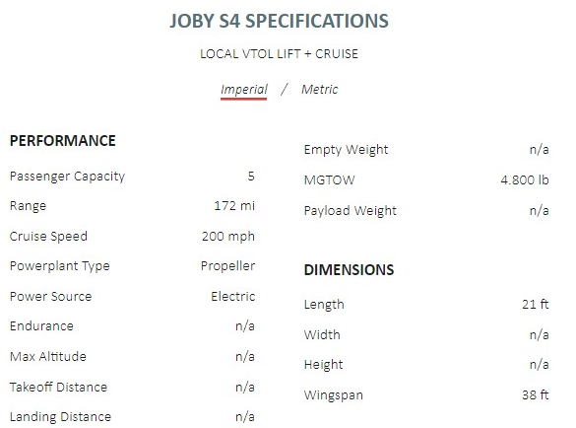

Hoja2
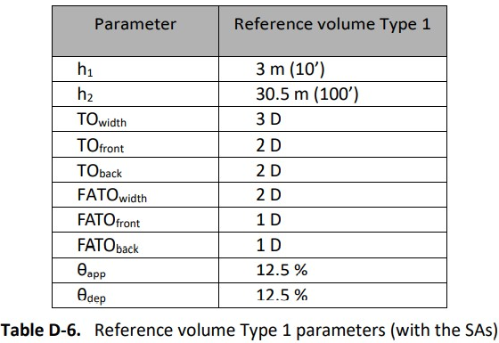
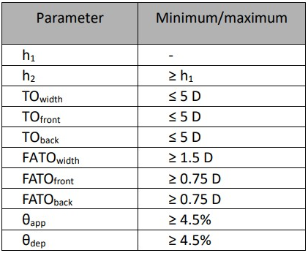
Volumen libre de Obstaculos |  |  | D | 13.9
Superficie | Factor | Dimension
H1 |  | 0
H2 |  | 0
FATO | 2 | 27.8
TO | 2 | 27.8
TO with | 3 | 41.7 | 20.85
SA | 0.25 | 3.475
SA 1 | 0.5 | 6.95

 | 0

