Overview
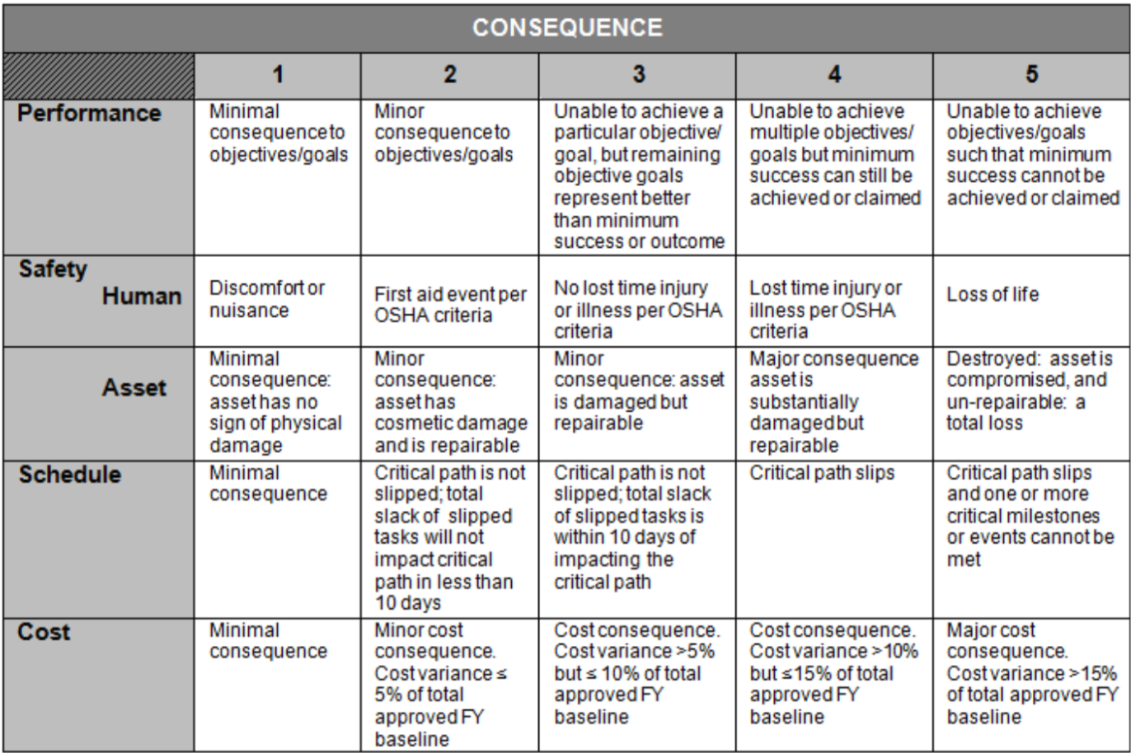 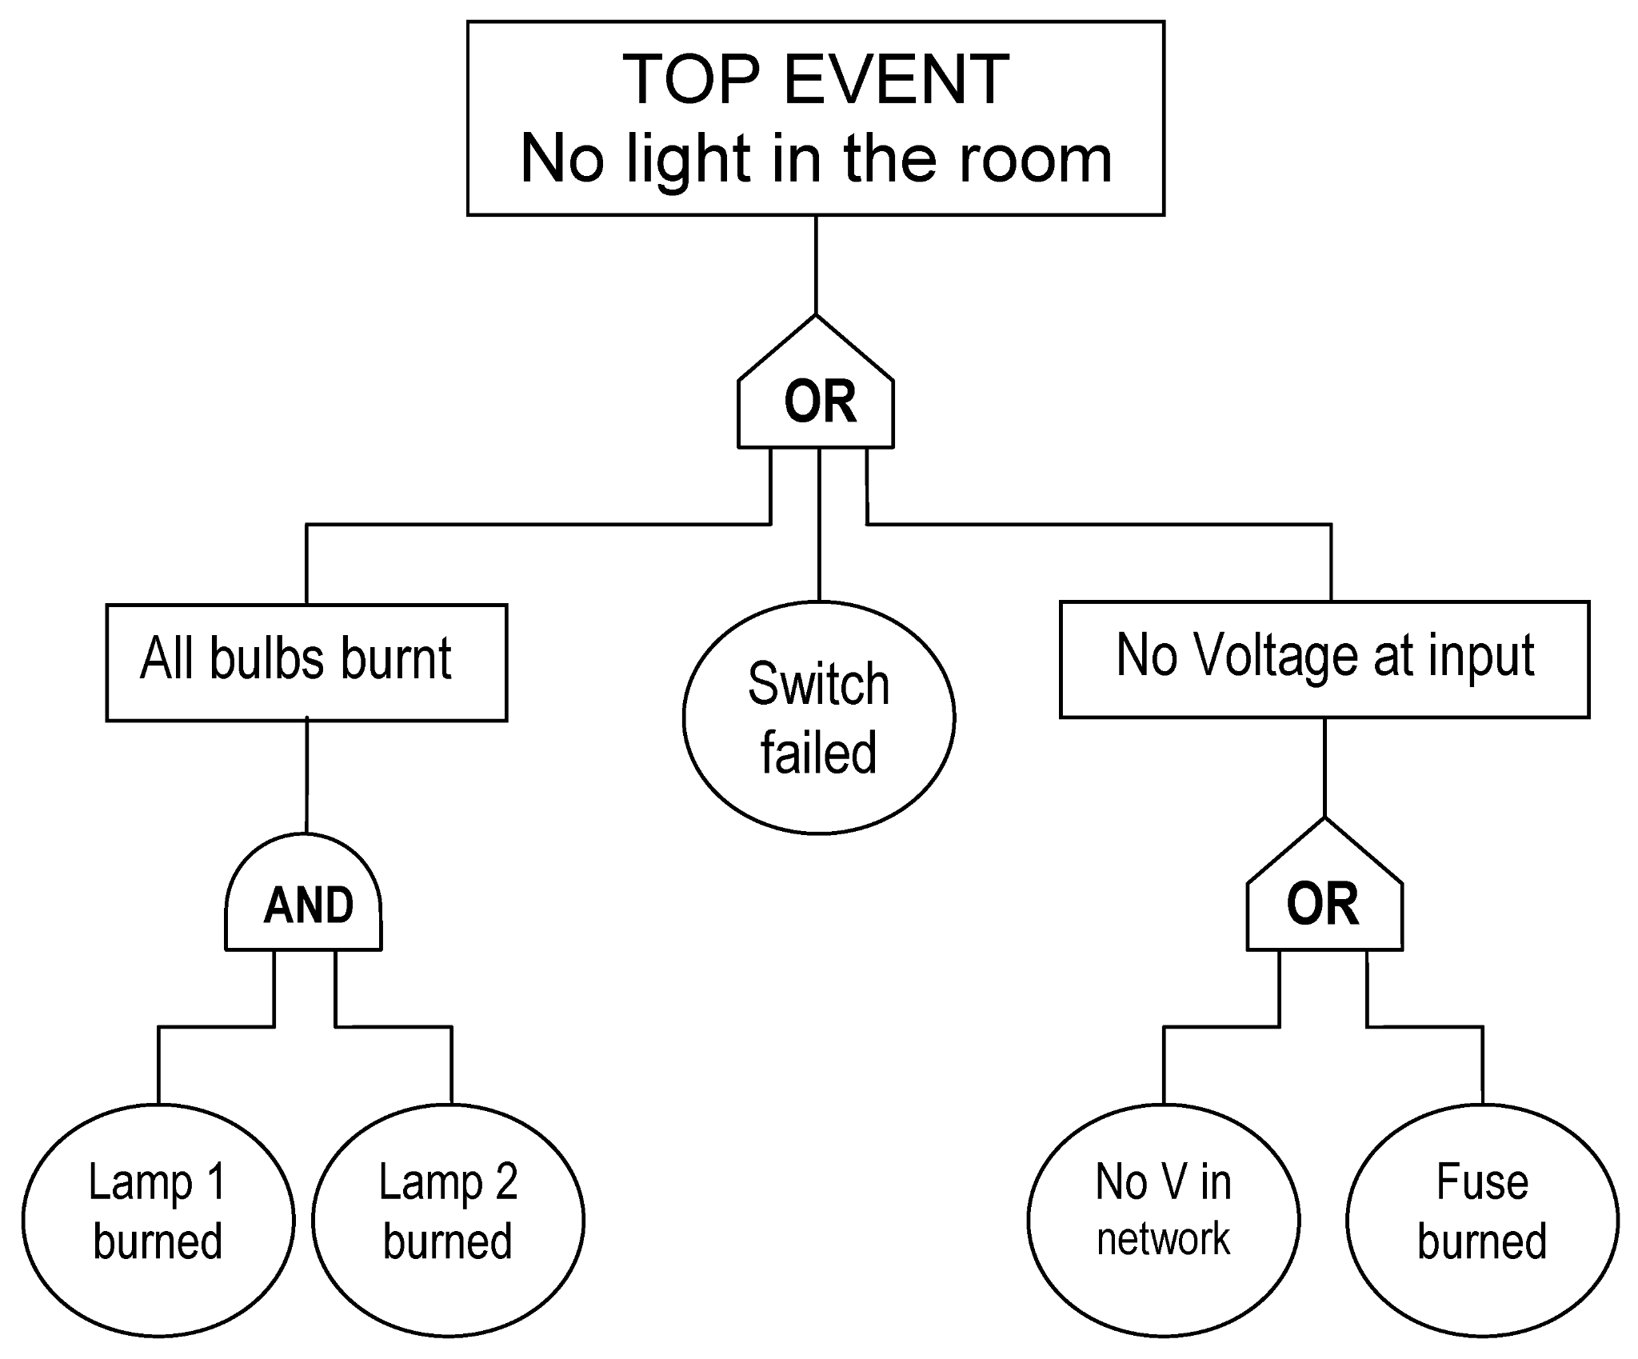
The spreadsheet is designed to be added to both a 5x5 risk matrix and a fault tree. Therefore, the organization is according to the overall event, intermediate event, and the basic event. The overall event refers to a major risk/failure to your overall system, the intermediate event outlines a subsystem of sorts, and the basic event is down to the smallest level. You don’t have to categorize the risks in this way, and only have one overall event with all basic events under it if it makes more sense for your system. For each basic event you input, add an O (or) or & (and) and group each together. Following is a very basic fault tree, and you can google NASA’s basic 5x5 risk matrix if you are not familiar with it:
Likelihood from 1-5:
1: Not likely (P < 20%)
2: Low likelihood (20% <= P < 40%)
3: Likely (40% <= P < 60%)
4: Highly likely (60% <= P < 80%)
5: Near certainty (P >= 80%)
Consequence from 1-5:
Provide simple, basic mitigation/warning where relevant (no details needed), and add likelihood and consequence numbers post-mitigation.
The numbers are generally only required for basic events, but you can choose to add columns to add likelihood and consequence numbers for the intermediate events if you wish.

fault tree above | translated to | spreadsheet | additions | below as an | example:
Ref ID |  | Ref ID |  |  |  | Overall | Mitigation/Warning | Post-Mitigation
 | Intermediate Event |  | Basic Event | Likelihood (1-5) | Consequence (1-5) |  |  | Likelihood | Consequence
EX-1 | All Bulbs burnt | &EX-1.1 | Lamp 1 burned | 2 | 3 | 6 | Alarm when bulb goes out | 1 | 3
 |  | &EX-1.2 | Lamp 2 burned | 2 | 3 | 6 | Alarm when bulb goes out | 1 | 3
EX-2 |  | EX-2.1 | Switch Failed | 2 | 4 | 8 | mitigation | 1 | 3
EX-3 | No Voltage at Input | OEX-3.1 | No V in network | 1 | 3 | 3 | mitigation | 1 | 2
 |  | OEX-3.2 | Fuse burned | 2 | 3 | 6 | mitigation | 1 | 3

