TOPICS
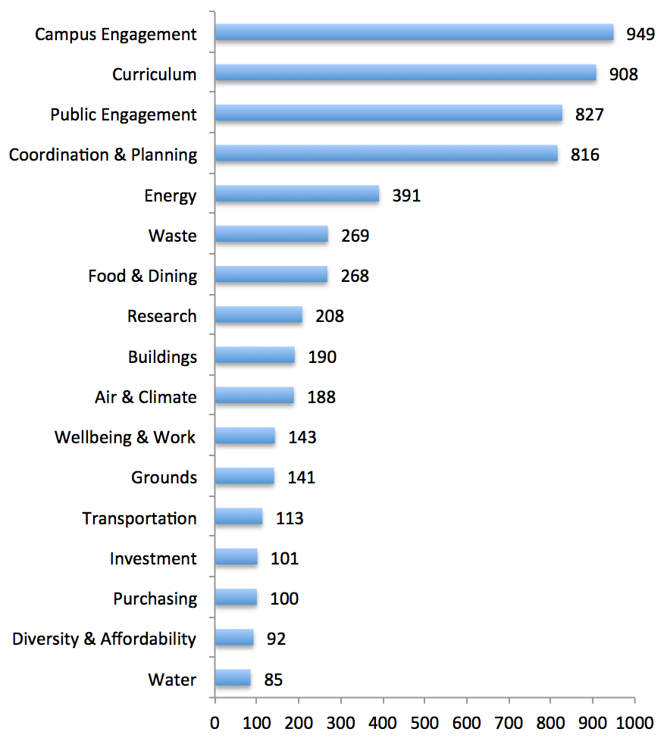
Category | Subcategory | Total Count | Topics | AASHE 2008 | AASHE 2010 | AASHE 2011 | AASHE 2012 | AASHE 2013 | AASHE 2014 | AASHE 2015
Operations | Water | 85 | Air & Climate | 33 | 43 | 21 | 15 | 32 | 20 | 24
Planning & Administration | Diversity & Affordability | 92 | Buildings | 23 | 36 | 39 | 22 | 25 | 22 | 23
Operations | Purchasing | 100 | Campus Engagement | 66 | 140 | 185 | 155 | 110 | 120 | 173
Planning & Administration | Investment | 101 | Coordination & Planning | 93 | 122 | 189 | 130 | 106 | 72 | 104
Operations | Transportation | 113 | Curriculum | 99 | 153 | 142 | 137 | 100 | 111 | 166
Operations | Grounds | 141 | Diversity & Affordability | 7 | 6 | 8 | 13 | 15 | 16 | 27
Planning & Administration | Wellbeing & Work | 143 | Energy | 43 | 61 | 84 | 66 | 43 | 31 | 63
Operations | Air & Climate | 188 | Food & Dining | 15 | 28 | 43 | 38 | 43 | 38 | 63
Operations | Buildings | 190 | Grounds | 22 | 13 | 12 | 25 | 16 | 15 | 38
Academics | Research | 208 | Investment | 3 | 12 | 23 | 16 | 22 | 15 | 10
Operations | Food & Dining | 268 | Public Engagement | 53 | 112 | 127 | 136 | 91 | 148 | 160
Operations | Waste | 269 | Purchasing | 13 | 8 | 13 | 18 | 15 | 15 | 18
Operations | Energy | 391 | Research | 41 | 25 | 33 | 17 | 23 | 13 | 56
Planning & Administration | Coordination & Planning | 816 | Transportation | 19 | 14 | 23 | 15 | 9 | 14 | 19
Engagement | Public Engagement | 827 | Waste | 15 | 46 | 41 | 37 | 27 | 46 | 57
Academics | Curriculum | 908 | Water | 10 | 12 | 13 | 16 | 8 | 9 | 17
Engagement | Campus Engagement | 949 | Wellbeing & Work | 5 | 10 | 20 | 33 | 24 | 21 | 30
 | Grand Total | 5789
Sustainability Topics (2008-2015) |  |  | Sustainability Topics (year-by-year)

