Sheet1
SALES | Region |  |  |  |  | CATEGORY
Category | Central | East | South | West | Grand Total
Furniture | 163797 | 208291 | 117299 | 252613 | 742000
Office Supplies | 167026 | 205516 | 125651 | 220853 | 719047
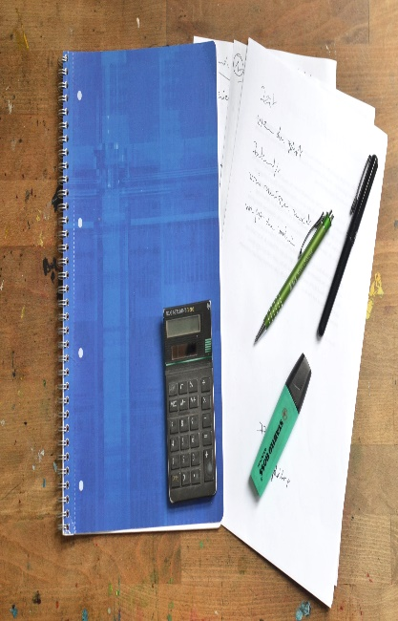
Technology | 170416 | 264974 | 148772 | 251992 | 836154
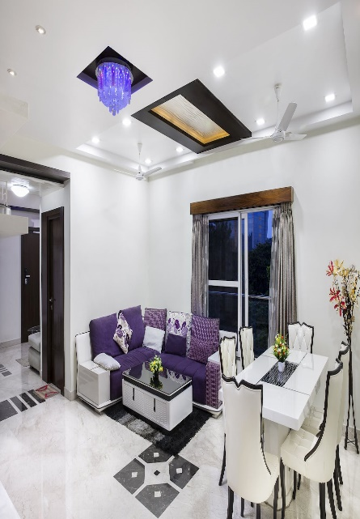

Grand Total | 501240 | 678781 | 391722 | 725458 | 2297201

 |  |  |  |  |  |  | FURNITURES | OFFICE SUPPLIES | TECHNOLOGY

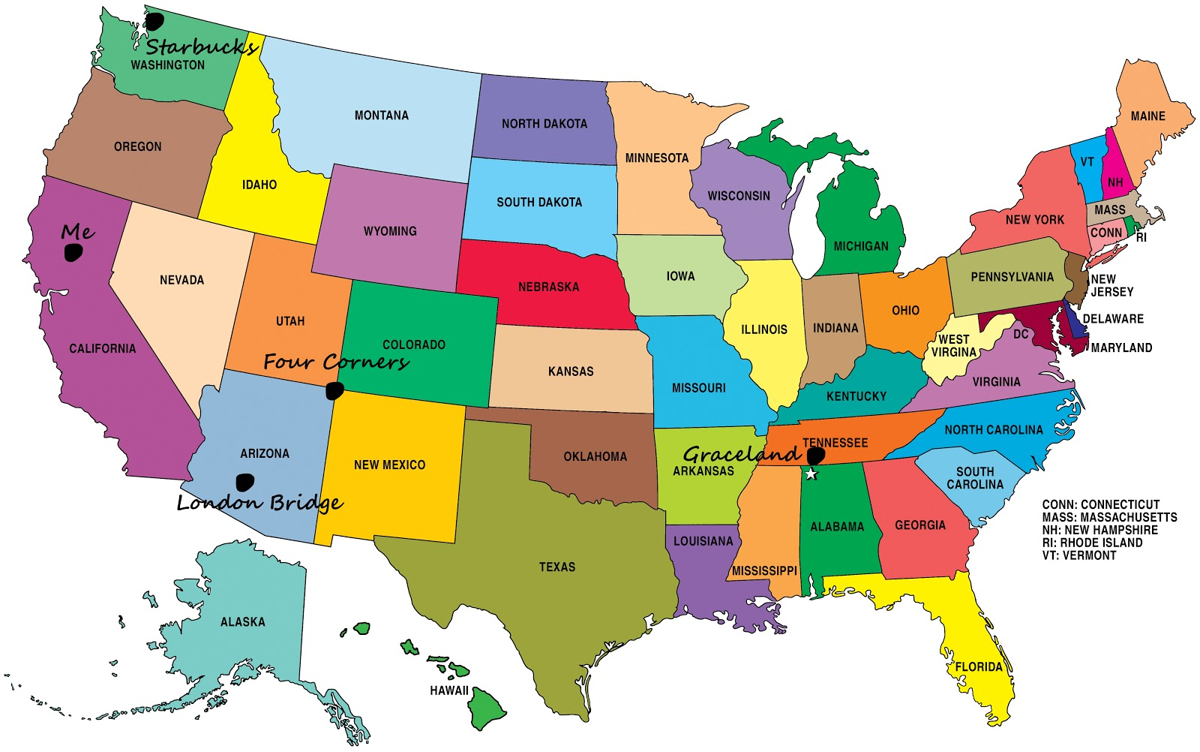
INSIGHTS - THE REPORT STATES THAT THE SALES FOR WEST REGION IS HIGHEST AND THE SALES FOR SOUTH REGION IS LOWEST

A) FURNITURE SALES IS HIGHEST IN WEST REGION BETWEEN 2016-19

B) OFFICE SUPPLIES SALES IS HIGHEST IN WEST REGION BETWEEN 2016-19

C) TECHNOLOGY SALES IS HIGHEST IN EAST REGION BETWEEN 2016-19

FINAL CONCLUSION :- THE PURCHASING POWER OF THE WEST REGION IS HIGHEST IN USA COMPARED TO ANY OTHER REGIONS .

