Topics
WAAT 08-26-2016 Accounting Seminar
PivotTable Topics:

PivotTable Example #1: Cross Tabulated Report: Sum of Units Sold with 7 Conditions/Criteria:
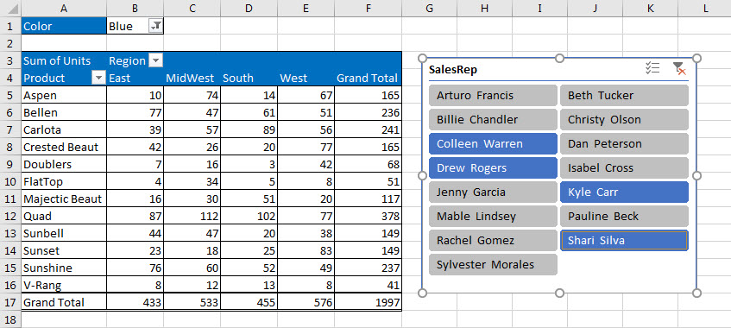

PivotTable Example #2: Many PivotTables from a Single Click

PivotTable Example #3: Two Pivot Tables: 1) Product Report with Various Calculations and 2) Group by Month PivotTable with Two Slicers Controlling Both PivotTables:
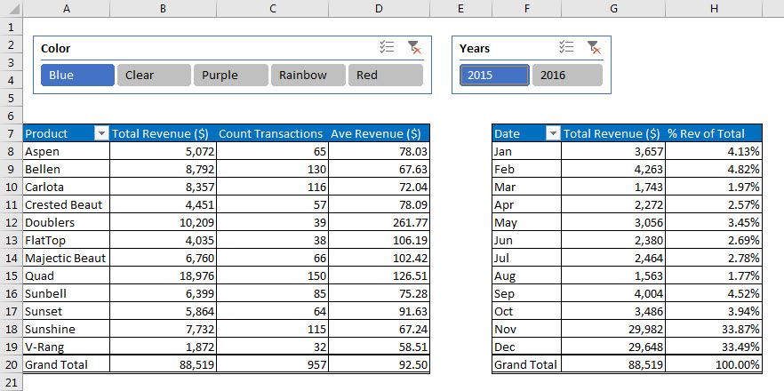

PivotTable Example #4: Change per Period & Running Total Report:

Sheet8
 | Total Rev ($) | Running Total | % Running Total | Change | % Change
Jan | 1,305 | 1,305 | 2.97%
Feb | 1,562 | 2,867 | 6.52% | 258 | 19.75%
Mar | 863 | 3,730 | 8.49% | -699 | -44.73%
Apr | 741 | 4,471 | 10.18% | -122 | -14.18%
May | 1,034 | 5,505 | 12.53% | 293 | 39.57%
Jun | 1,677 | 7,182 | 16.34% | 643 | 62.13%
Jul | 1,155 | 8,337 | 18.97% | -522 | -31.11%
Aug | 713 | 9,051 | 20.60% | -442 | -38.25%
Sep | 1,075 | 10,126 | 23.04% | 362 | 50.75%
Oct | 1,577 | 11,703 | 26.63% | 502 | 46.68%
Nov | 15,928 | 27,631 | 62.88% | 14351 | 909.83%
Dec | 16,310 | 43,941 | 100.00% | 382 | 2.40%
Date | Total Rev ($) | Running Total | % Running Total | Change | % Change
Jan | 1,305 | 1,305 | 2.97%
Feb | 1,562 | 2,867 | 6.52% | 258 | 19.75%
Mar | 863 | 3,730 | 8.49% | -699 | -44.73%
Apr | 741 | 4,471 | 10.18% | -122 | -14.18%
May | 1,034 | 5,505 | 12.53% | 293 | 39.57%
Jun | 1,677 | 7,182 | 16.34% | 643 | 62.13%
Jul | 1,155 | 8,337 | 18.97% | -522 | -31.11%
Aug | 713 | 9,051 | 20.60% | -442 | -38.25%
Sep | 1,075 | 10,126 | 23.04% | 362 | 50.75%
Oct | 1,577 | 11,703 | 26.63% | 502 | 46.68%
Nov | 15,928 | 27,631 | 62.88% | 14351 | 909.83%
Dec | 16,310 | 43,941 | 100.00% | 382 | 2.40%
Grand Total | 43,941

