Soy
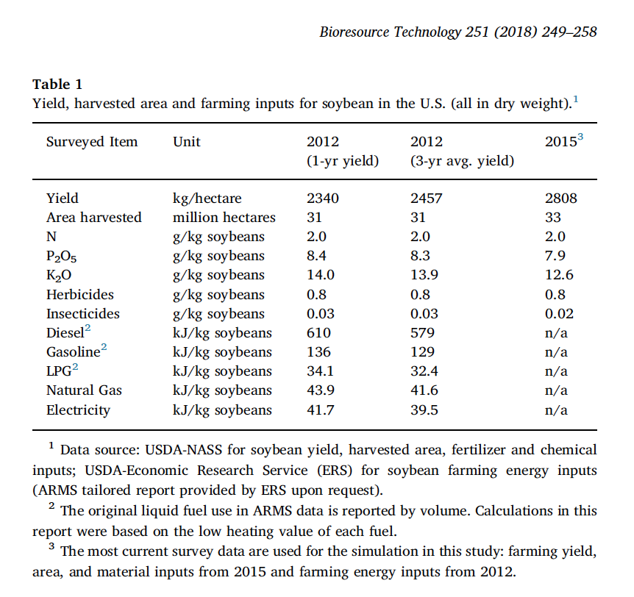
Operating Days (d/yr)
Arable Land (ha)
Marginal Land (ha)
Freshwater (m3/yr)
Saline Water (m3/yr)
Atmospheric CO2 (kg/yr)
Commercial CO2 (kg/yr)
Nitrogen in Fertilizer (kg/yr)
Phosphorus in Fertilizer (kg/yr)
Potassium in Fertilizer (kg/yr)
Lime (kg/yr)
Herbicide (kg/yr)
Pesticide (kg/yr)
Plastic (kg/yr)
Electricity (MJ/yr)
Heat (MJ/yr)
Diesel (kg/yr)
Gasoline (kg/yr)
LPG (kg/yr)
Natural gas (kg/yr)
Labor ($/yr)
Capital Cost ($)

Extraction
Hexane Use (g/g soy) | 1
Hexane Loss (g/g used) | 0.001
Hexane Used (kg/yr) | #REF!
Hexane Used (MJ/yr) | #REF!

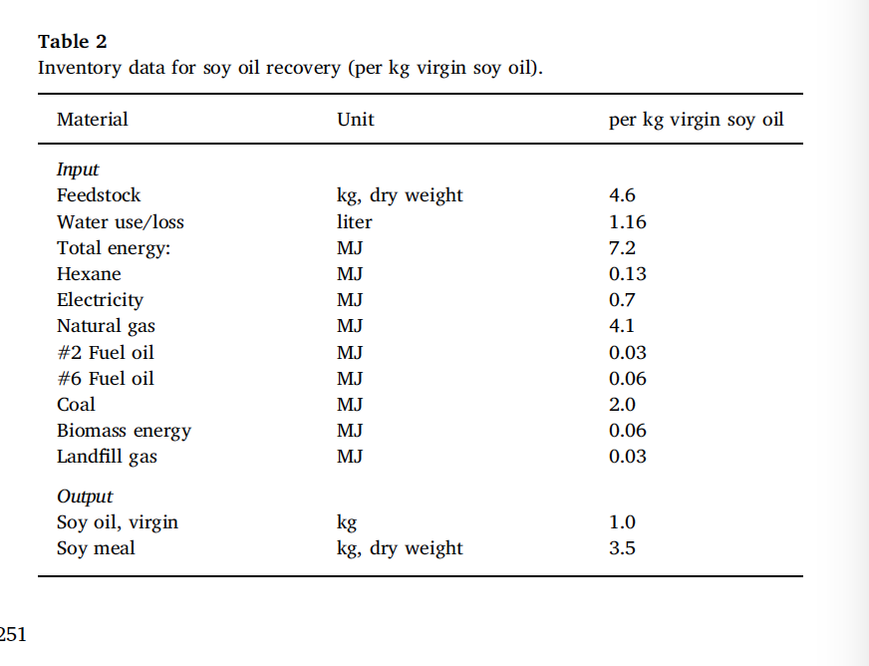
Hexane Used (MJ/yr) | #REF!
Hexane Used (kg/yr) | #REF!

Soybeans production costs and returns per planted acre, excluding Government payments
(dollars per planted acre except where indicated)

Sum of Value
 | Base survey of 2012 |  |  |  |  |  |  | Base survey of 2006 |  |  |  |  |  | Base survey of 2002 |  |  |  | Base survey of 1997
 | 2018 | 2017 | 2016 | 2015 | 2014 | 2013 | 2012 | 2011 | 2010 | 2009 | 2008 | 2007 | 2006 | 2005 | 2004 | 2003 | 2002 | 2001 | 2000 | 1999 | 1998 | 1997
1
Gross value of production
37
Primary product soybeans | 444.21 | 454.72 | 491.92 | 430.56 | 522.24 | 571.04 | 596.82 | 525.36 | 449.32 | 437.10 | 450.64 | 357.75 | 254.84 | 264.57 | 253.46 | 233.47 | 208.00 | 178.62 | 182.45 | 178.00 | 223.17 | 281.22
380
Total, gross value of production | 444.21 | 454.72 | 491.92 | 430.56 | 522.24 | 571.04 | 596.82 | 525.36 | 449.32 | 437.10 | 450.64 | 357.75 | 254.84 | 264.57 | 253.46 | 233.47 | 208.00 | 178.62 | 182.45 | 178.00 | 223.17 | 281.22
2
Operating costs
580
Seed | 57.40 | 58.07 | 58.79 | 59.21 | 58.78 | 58.18 | 55.32 | 55.55 | 59.20 | 55.26 | 44.35 | 39.77 | 32.30 | 32.62 | 29.71 | 27.42 | 25.45 | 22.59 | 19.18 | 19.25 | 20.46 | 19.72
590
Fertilizer ᵃ | 24.07 | 25.06 | 28.14 | 33.45 | 35.92 | 37.45 | 37.54 | 22.84 | 17.87 | 23.65 | 25.12 | 15.31 | 13.05 | 10.79 | 8.70 | 7.97 | 7.30 | 9.52 | 8.85 | 8.85 | 8.90 | 8.96
620
Chemicals | 26.59 | 26.83 | 27.64 | 26.96 | 28.00 | 27.63 | 26.38 | 16.42 | 17.04 | 17.38 | 15.73 | 15.00 | 14.46 | 13.59 | 16.07 | 16.92 | 17.12 | 22.89 | 22.32 | 24.88 | 26.65 | 26.37
700
Custom services | 10.51 | 10.32 | 10.60 | 10.47 | 10.03 | 9.76 | 9.41 | 7.18 | 7.23 | 7.17 | 6.56 | 6.51 | 6.01 | 6.67 | 6.38 | 6.32 | 6.16 | 6.13 | 5.94 | 5.86 | 5.84 | 5.85
710
Fuel, lube, and electricity | 14.54 | 13.57 | 11.89 | 13.77 | 21.12 | 21.15 | 21.24 | 20.98 | 16.81 | 13.48 | 20.20 | 15.23 | 13.51 | 13.62 | 9.44 | 8.73 | 6.98 | 8.69 | 8.60 | 5.90 | 5.97 | 7.14
720
Repairs | 24.09 | 23.34 | 22.82 | 22.91 | 22.83 | 22.33 | 22.23 | 13.68 | 13.46 | 13.22 | 12.91 | 12.36 | 11.80 | 11.29 | 10.70 | 9.77 | 9.76 | 10.59 | 10.17 | 9.79 | 9.59 | 9.40
780
Purchased irrigation water | 0.06 | 0.06 | 0.06 | 0.06 | 0.06 | 0.05 | 0.06 | 0.15 | 0.16 | 0.14 | 0.12 | 0.11 | 0.11 | 0.13 | 0.13 | 0.12 | 0.12 | 0.06 | 0.06 | 0.05 | 0.05 | 0.05
830
Interest on operating capital | 1.64 | 0.83 | 0.37 | 0.14 | 0.05 | 0.08 | 0.11 | 0.07 | 0.13 | 0.19 | 2.80 | 2.34 | 2.17 | 1.50 | 0.64 | 0.41 | 0.61 | 1.36 | 2.16 | 1.75 | 1.86 | 1.98
840
Total, operating costs | 158.90 | 158.08 | 160.31 | 166.97 | 176.79 | 176.63 | 172.29 | 136.87 | 131.89 | 130.49 | 127.79 | 106.63 | 93.41 | 90.21 | 81.77 | 77.66 | 73.50 | 81.83 | 77.28 | 76.33 | 79.32 | 79.47
3
Allocated overhead
850
Hired labor | 3.46 | 3.26 | 3.19 | 3.18 | 3.03 | 2.99 | 2.81 | 2.07 | 2.11 | 2.14 | 2.07 | 1.93 | 1.78 | 2.03 | 2.04 | 1.90 | 1.84 | 2.04 | 2.03 | 2.01 | 1.98 | 1.94
860
Opportunity cost of unpaid labor | 20.57 | 19.40 | 18.90 | 18.37 | 17.68 | 17.35 | 16.76 | 17.09 | 17.33 | 17.19 | 16.77 | 16.16 | 15.20 | 16.77 | 16.12 | 16.11 | 15.59 | 20.17 | 19.49 | 18.46 | 18.11 | 17.63
870
Capital recovery of machinery and equipment | 91.88 | 90.99 | 88.84 | 88.35 | 86.30 | 82.98 | 81.16 | 81.34 | 78.18 | 75.54 | 70.98 | 64.59 | 60.38 | 50.17 | 47.49 | 43.43 | 43.30 | 55.75 | 53.61 | 51.58 | 50.66 | 49.61
880
Opportunity cost of land | 145.39 | 142.86 | 143.72 | 157.91 | 155.04 | 150.97 | 137.55 | 120.64 | 110.30 | 107.50 | 93.14 | 85.14 | 86.17 | 86.68 | 83.88 | 81.93 | 80.74 | 81.98 | 80.12 | 79.74 | 77.66 | 76.74
900
Taxes and insurance | 10.74 | 10.66 | 10.52 | 10.57 | 9.95 | 9.78 | 9.58 | 9.93 | 9.41 | 10.84 | 9.64 | 8.71 | 7.93 | 6.06 | 5.85 | 5.80 | 5.66 | 7.14 | 7.01 | 6.77 | 6.89 | 6.76
910
General farm overhead | 18.89 | 18.25 | 17.98 | 17.95 | 17.93 | 17.61 | 17.44 | 15.10 | 14.86 | 14.57 | 14.29 | 13.89 | 13.22 | 12.47 | 11.86 | 11.66 | 11.37 | 15.17 | 14.56 | 14.13 | 12.94 | 13.68
930
Total, allocated overhead | 290.93 | 285.42 | 283.15 | 296.33 | 289.93 | 281.68 | 265.30 | 246.17 | 232.19 | 227.78 | 206.90 | 190.42 | 184.68 | 174.18 | 167.24 | 160.83 | 158.50 | 182.25 | 176.82 | 172.69 | 168.24 | 166.36
4
Costs listed
940
Total, costs listed | 449.83 | 443.50 | 443.46 | 463.30 | 466.72 | 458.31 | 437.59 | 383.04 | 364.09 | 358.27 | 334.69 | 297.05 | 278.09 | 264.39 | 249.01 | 238.49 | 232.00 | 264.08 | 254.10 | 249.02 | 247.56 | 245.83
5
Net
950
Value of production less total costs listed | -5.62 | 11.22 | 48.46 | -32.74 | 55.52 | 112.73 | 159.23 | 142.32 | 85.23 | 78.83 | 115.95 | 60.70 | -23.25 | 0.18 | 4.45 | -5.02 | -24.00 | -85.46 | -71.65 | -71.02 | -24.39 | 32.94
960
Value of production less operating costs | 285.31 | 296.64 | 331.61 | 263.59 | 345.45 | 394.41 | 424.53 | 388.49 | 317.43 | 306.61 | 322.85 | 251.12 | 161.43 | 174.36 | 171.69 | 155.81 | 134.50 | 96.79 | 105.17 | 101.67 | 143.85 | 199.31
6
Supporting information
970
Yield (bushels per planted acre) | 51 | 49 | 52 | 48 | 48 | 43 | 42 | 44 | 47 | 47 | 43 | 45 | 46 | 47 | 45 | 36 | 40 | 43 | 41 | 40 | 43 | 43
980
Price (dollars per bushel at harvest) | 8.71 | 9.28 | 9.46 | 8.97 | 10.88 | 13.28 | 14.21 | 11.94 | 9.56 | 9.30 | 10.48 | 7.95 | 5.54 | 5.68 | 5.60 | 6.56 | 5.20 | 4.15 | 4.45 | 4.45 | 5.19 | 6.54
1030
Enterprise size (planted acres) | 273 | 273 | 273 | 273 | 273 | 273 | 273 | 303 | 303 | 303 | 303 | 303 | 303 | 268 | 268 | 268 | 268 | 220 | 220 | 220 | 220 | 220
7
Production practices
1180
Dryland (percent of acres) | 90 | 90 | 90 | 90 | 90 | 90 | 90 | 91 | 91 | 91 | 91 | 91 | 91 | 91 | 91 | 91 | 91 | 95 | 95 | 95 | 95 | 95
1190
Irrigated (percent of acres) | 10 | 10 | 10 | 10 | 10 | 10 | 10 | 9 | 9 | 9 | 9 | 9 | 9 | 9 | 9 | 9 | 9 | 5 | 5 | 5 | 5 | 5

Notes
Source: USDA, Economic Research Service using data from USDA's Agricultural Resource Management Survey and other sources.
Survey base years are those in which a survey of producers was conducted. These years provide a baseline from which estimates in subsequent years are set. |  |  |  |  |  |  |  |  |  |  |  | See documentation.
The regions are ERS Farm Resource Regions. | See regional map.
ᵃ Cost of commercial fertilizers, soil conditioners, and manure.

Back of the envelope - Soybeans
Capital cost $ | #REF!
Capital cost ammor $/ac-yr | #REF!
OpEx $/yr | #REF!
OpEx $/ac-yr | #REF!
Labor $/yr | #REF!
Labor $/ac-yr | #REF!
Insurance + maint $/yr | 0
Ins + m $/ac-yr | 0
Total Cost $/ac-yr | #REF!

Revenue $/yr | #REF!
Revenue $/ac-yr | #REF!

GREET Data
GREET Soy data |  |  | Converted data
 | Quantity | Units |  | Quantity | Units |  |  |  |  | Conversions
 | Fertilizer use |  |  |  |  |  |  |  |  | g/ bu corn | 25454 |  | 52.2 lb/bu | GREET
Nitrogen | 48.1 | g/bushel |  | 546.32098765 | kg/yr |  |  |  |  | functional unit | 100 | ha/yr
P2O5 | 186.7 | g/bushel |  | 925.87097896 | kg/yr |  |  |  |  | acres to ha | 0.405 | ha/acre
 | 7.87 | g/kg soy |  |  |  |  |  |  |  | tons to kg | 907.2 | kg/ton
K2O | 299.1 | g/bushel |  | 2818.9408983 | kg/yr |  |  |  |  | BTU to Joule | 1055 | J/BTU
CaCO3 | 0 | g/bushel |  |  |  |  |  |  |  | Corn grain | 78 | %
 | Pesticide use |  |  |  |  |  |  |  |  | Corn stover | 0 | %
herbicide | 17.95 | g/bushel |  | 203.87654321 | kg/yr |  |  |  |  | Total energy | 32610 | BTU/bushel
insecticide | 0.36 | g/bushel |  | 4.0888888889 | kg/yr |  |  |  |  | Total water for corn | 171 | gal/bushel
 |  |  |  |  |  |  |  |  |  | gallon to cubic meter | 264.172 | gal/cubic meter
Farming energy | 18433 | BTU/bushel |  | 220877.40494 | MJ/yr | Diesel? | Chen = ~273,000 MJ/yr |  |  | carbon atomic mass | 12 | kg/kgmol
 |  |  |  |  |  |  |  |  |  | Oxygen atomic mass | 16 | kg/kgmol
Water use | 530 | gal/bushel |  | 22787.248786 | M^3/yr | This is probably an average of the 90/10 split |  |  |  | P2O5 atomic mass | 142 | kg/kgmol
 |  |  |  |  |  |  |  |  |  | P atomic mass | 31 | kg/kgmol
yield | 46.00 | bushel/acre |  |  |  |  |  |  |  | K atomic mass | 39 | kg/kgmol
 | 1,091.45 | kg/ac |  |  |  |  |  |  |  | K2O atomic mass | 94 | kg/kgmol
 | 2,695.89 | kg/ha |  |  |  |  |  |  |  | gal
 | 269,589.27 | kg/yr

