SoyCult
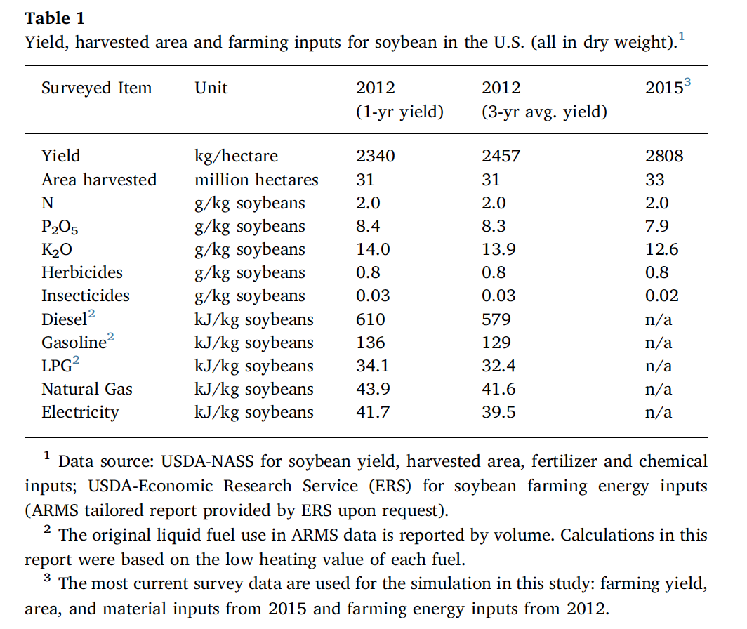
Name | Base Value | Units | Notes | I/O | mode | min | max | mu | sigma | Chen 2018 | Biomass Production
Land Area | 100 | ha |  |  |  |  |  |  |  |  | Substance Inputs
Land Capital Cost | 16549 | dollars/ha | $6700/ac, USDA land value? | In |  |  |  |  |  |  | Substance | Value | Units | Notes
Capital Cost | 6817 | dollars/ha | Beal 2020, USDA SoybeansCostReturn | In |  |  |  |  |  |  | CO2, Atmospheric | 508889.75932 | kg/yr
Labor | 61.75 | dollars/ha/yr | Beal 2020, USDA SoybeansCostReturn | In |  |  |  |  |  |  | Soybean Seed | 23351.4 | kg/yr
Soybean Seed | 120000 | #/ha/yr | Beal 2020 = 94.5 kg/ha | In |  |  |  |  |  |  | Nitrogen in Fertilizer | 603.43 | kg/yr
Carbon Content | 0.46 | kg C/kg soy |  | In |  |  |  |  |  |  | Phosphorus in Fertilizer | 1,074.27 | kg/yr
Nitrogen in Fertilizer | 0.002 | kg/kg soy | Beal 2020, Chen 2018 | In |  |  |  |  |  |  | Potassium in Fertilizer | 3,379.83 | kg/yr
Phosphorus in Fertilizer | 0.0035605633803 | kg/kg soy | Beal 2020, Chen 2018 | In |  |  |  |  |  |  | Ag Lime (CaCO3) | 0.00 | kg/yr
Potassium in Fertilizer | 0.01120212766 | kg/kg soy | Beal 2020, Chen 2018 Huo 2009, Han 2013 | In |  |  |  |  |  |  | Glyphosate | 241.37 | kg/yr
Ag Lime (CaCO3) | 0 | kg/ha/yr | Chen 2018, Jack had 224 kg/ha-yr - Source?? | In |  |  |  |  |  |  | Insecticide | 6.03 | kg/yr
Glyphosate | 0.0008 | kg/kg soy | Chen 2018, Jack had 12.26 kg/ha-yr - Source?? | In |  |  |  |  |  |  | Water, Rain | 575000 | m3/yr
Insecticide | 0.00002 | kg/kg soy | Chen 2018 | In |  |  |  |  |  |  | Diesel | 4,676.56 | kg/yr
Soybeans | 3017.1329604 | kg/ha/yr | USDA SoybeansCostReturn, Jack had 3698 kg/ha-yr - Source?? | Out |  |  |  |  |  |  | Gasoline | 1,056.00 | kg/yr
Fertilizer N2O Rate | 0.01325 | kg N2O/kg N | Huo 2009, Han 2013 |  |  |  |  |  |  |  | LPG | 205.77 | kg/yr
Rain Water (Blue Water) | 5750 | m3/ha/yr |  | In |  |  |  |  |  |  | Natural Gas | 264.90 | kg/yr
Diesel | 0.0155 | kg/kg soy | Beal 2020, Chen 2018, Huo 2009 | In |  |  |  |  |  |  | Electricity | 10,740.99 | MJ/yr
Gasoline | 0.0035 | kg/kg soy | Beal 2020, Chen 2018, Huo 2009 | In |  |  |  |  |  |  | Capital Cost | 681,700.00 | $
LPG | 0.000682 | kg/kg soy | Chen 2018 | In |  |  |  |  |  |  | Land Capital Cost | 1,654,900.00 | $
LNG | 0.000878 | kg/kg soy | Chen 2018 | In |  |  |  |  |  |  | Labor | 6,175.00 | $/yr
Electricity | 0.0356 | MJ/kg soy | Beal 2020, Chen 2018, Huo 2009 | In
Soybean Feedstock Cost | Not Used Here | $/kg | 0.38 | TEA |  |  |  |  |  |  | Substance Outputs
Hexane Solvent Cost | Not Used Here | $/kg | 1.5 | TEA |  |  |  |  |  |  | Substance | Value | Units | Notes
Sodium Hydroxide Cost | Not Used Here | $/kg | 0.12 | TEA |  |  |  |  |  |  | Soybeans | 301713.29604 | kg/yr | Primary Output
Phosphoric Acid Cost | Not Used Here | $/kg | 0.37 | TEA |  |  |  |  |  |  | Fertilizer N2O | 8.00 | kg/yr | Emissions
Methanol Deficit Cost | Not Used Here | $/kg | 0.34 | TEA
Steam Cost | Not Used Here | $/kg | 0.017 | TEA
LNG Cost | Not Used Here | $/MJ | 0.00094786 | TEA
Electricity Cost | Not Used Here | $/MJ | 0.0674 | TEA

StarchFerm
Primary Author | Jack Smith
Name | Base Value | Units | Notes | I/O
Water | 2.12273 | kg/kg Corn Grain | Wallace 2005 - NREL Co-Located Corn Stover to EtOH Dry Mill Excel Sheet | In
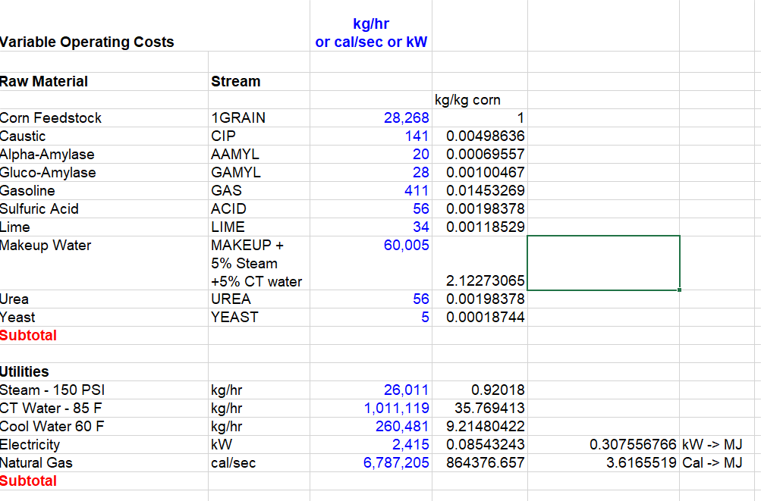
Sodium Hydroxide | 0.00498636 | kg/kg Corn Grain | Wallace 2005 | In
Lime | 0.00118529 | kg/kg Corn Grain | Wallace 2005 | In
Urea | 0.00198378 | kg/kg Corn Grain | Wallace 2005 | In
Alpha-Amylase | 0.00069557 | kg/kg Corn Grain | Wallace 2005 | In
Glucoamylase | 0.00100467 | kg/kg Corn Grain | Wallace 2005 | In
Sulfuric Acid | 0.0019837780735 | kg/kg Corn Grain | Wallace 2005 | In
Yeast | 0.00018743823055 | kg/kg Corn Grain | Wallace 2005 | In
Gasoline | 0.014532693307 | kg/kg Corn Grain | Wallace 2005 | In
Steam | 0.92018 | kg/kg Corn Grain | Wallace 2005 | In
Cooling Water | 9.21480422 | kg/kg Corn Grain | Wallace 2005 | In
LNG | 3.6165519 | MJ/kg Corn Grain | Wallace 2005 | In
Electricity | 0.307556766 | MJ/kg Corn Grain | Wallace 2005 | In
Capital Cost | 2.669 | $/kg Corn Grain | Wallace 2005 | In
Land Capital Cost | 0 | $/kg Corn Grain | Neglected - Need to work out where this is held | In
Labor | 0.02565 | $/kg Corn Grain | Wallace 2005 | In
Ethanol Yield | 0.317040333 | kg/kg Corn Grain | Wallace 2005 | Out
DDGS Yield | 0.33 | kg/kg Corn Grain | Wallace 2005 | Out

Biomass Production
Substance Inputs
Substance | Value | Units | Notes
Corn Grain | 1097400 | kg/yr | From Corn Cultivation Sheet
Water | 2329484 | kg/yr
Sodium Hydroxide | 5472 | kg/yr
Lime | 1301 | kg/yr
Urea | 2177 | kg/yr
Alpha-Amylase | 763 | kg/yr
Glucoamylase | 1103 | kg/yr
Sulfuric Acid | 2177 | kg/yr
Yeast | 206 | kg/yr
Gasoline | 15948 | kg/yr | Should be about 5% of final EtOH value
Steam | 1009806 | kg/yr
Cooling Water | 10112326 | kg/yr
LNG | 3968804 | MJ/yr
Electricity | 337513 | MJ/yr
Capital Cost | 2928961 | $
Land Capital Cost | 0 | $
Labor | 28148 | $/yr

Substance Outputs
Substance | Value | Units | Notes
Ethanol | 363868 | kg/yr | Primary Output
DDGS | 362142 | kg/yr

HexExt
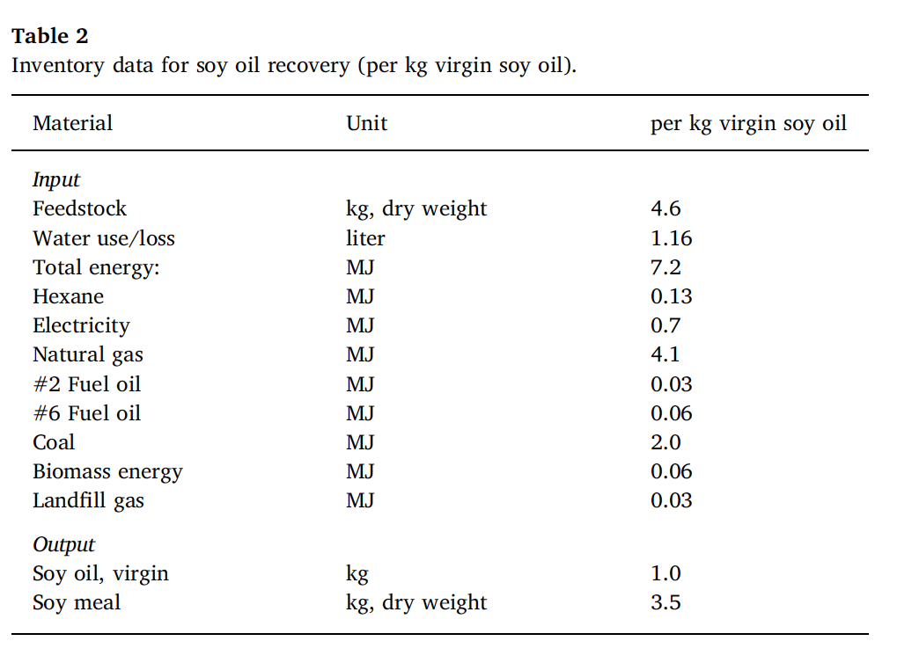
Primary Author | Colin Beal
Name | Base Value | Units | Notes | I/O |  | Chen 2018
Extraction Land Capital Cost | 0 | $/kg soy | Neglected | In
Extraction Capital Cost | 0.55102034052 | $/kg soy | Beal 2020
Labor | 0.0041761541597 | $/kg soy | Beal 2020 | In
Process Water | 0.25777777778 | kg/kg soy | Chen 2018
Hexane | 0.00079 | kg/kg soy | Beal 2020, Chen 2018, Phan 2008
Natural Gas | 1.33 | MJ/kg soy | Chen 2018 (w/ Coal)
Electricity | 0.15555555556 | kg/kg soy | Chen 2018
Soy Oil | 0.22222222222 | kg oil/kg soy | Chen 2018 | Out
Soybean Meal | 0.77777777778 | kg meal/kg soy | Chen 2018 | Out

Soybeans Conversion/Extraction |  |  |  |  | Algae Conversion/Extraction
Substance Inputs |  |  |  |  | Substance Inputs
Substance | Value | Units | Notes |  | Substance | Value | Units | Notes
Soybeans | 301713.29604 | kg/yr |  |  | Algae |  | kg/yr
Hexane Loss | 238.35 | kg/yr |  |  | Hexane Loss | 0.00 | kg/yr
Process Water | 77774.98 | kg/yr |  |  | Process Water | 0.00 | kg/yr
Electricity | 46933.18 | MJ/yr |  |  | Electricity | 0.00 | MJ/yr
Natural Gas | 8026 | kg/yr |  |  | Natural Gas | #DIV/0! | kg/yr
Land Capital Cost | 0.00 | $ |  |  | Land Capital Cost | 0.00 | $
Capital Cost | 166250.16 | $ |  |  | Capital Cost | 0.00 | $
Labor | 1260.00 | $/ha-yr |  |  | Labor | 0.00 | $/ha-yr

Substance Outputs |  |  |  |  | Substance Outputs
Substance | Value | Units | Notes |  | Substance | Value | Units | Notes
Soy Oil | 67047 | kg/yr | Primary Output |  | Algae Oil | 0 | kg/yr | Primary Output
Soybean Meal | 234666 | kg/yr |  |  | Algae Meal, LEA | 0 | kg/yr

Transest
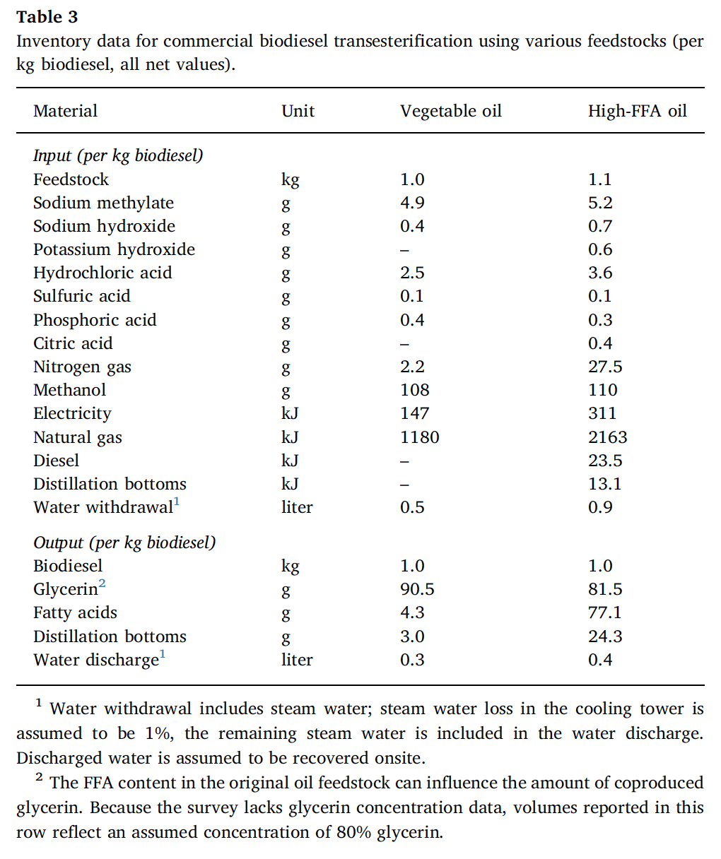
Primary Author | Colin Beal
Name | Base Value | Units | Notes | I/O |  | Chen 2018
Chemicals <100 g/kg biodiesel | NEGLECT
Methanol | 0.098450319052 | kg/kg veg oil | Chen 2018 | Out | Chen Total Yield | 1.097
Natural Gas | 1.0756608933 | MJ/kg veg oil | Chen 2018 |  | kg biodiesel/kg veg oil | 0.91157702826
Electricity | 0.13400182315 | MJ/kg veg oil | Chen 2018 | In | kg biodiesel/kg soy | 0.20257267295
Process Water | 0.45578851413 | kg/kg veg oil
Capital Cost | 0.6623694835 | $/kg veg oil | Jack Source? | In
Labor | 0.0048483000457 | $/kg veg oil | Estimate
Biodiesel Yield Ratio | 0.91157702826 | kg/kg veg oil | Chen 2018 | Out
Glycerin Yield Ratio | 0.088422971741 | kg/kg veg oil | Chen 2018 | Out

Veg Oil Transesterification
Substance Inputs
Substance | Value | Units | Notes
Soy Oil | 67047 | kg/yr
Methanol | 6601 | kg/yr
Natural Gas | 1442 | kg/yr
Electricity | 8984 | MJ/yr
Process Water | 30559 | kg/yr
Capital Cost | 44410 | $
Labor | 325 | $/yr

Substance Outputs
Substance | Value | Units | Notes
Biodiesel | 61118.9 | kg/ha-yr | Primary Output
Glycerin | 5928.53 | kg/ha-yr

