Q1
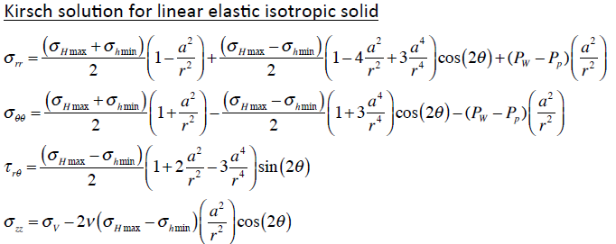
θ [°] | 0 | 0 | 90 | 90 | Pore Pressure [psi] | 3200
r [in] | σrr [psi] (0°) | σθθ [psi] (0°) | σrr [psi] (90°) | σθθ [psi] (90°) | Wellbore Pressure [psi] | 3200
4 | 0 | 1100 | 0 | 7100 | Wellbore Radius [in] | 4
5 | 490 | 1690 | 986 | 5034 | Shmin [psi] | 4500
6 | 1000 | 1767 | 1278 | 4156 | SHmax [psi] | 6000
7 | 1391 | 1729 | 1370 | 3709 | sigma_hmin [psi] | 1300
8 | 1678 | 1672 | 1397 | 3453 | sigma_Hmax [psi] | 2800
9 | 1890 | 1617 | 1400 | 3293
10 | 2050 | 1570 | 1394 | 3186
11 | 2172 | 1532 | 1386 | 3110
12 | 2267 | 1500 | 1378 | 3056
13 | 2342 | 1474 | 1370 | 3014
14 | 2403 | 1452 | 1363 | 2982
15 | 2452 | 1434 | 1356 | 2957
16 | 2493 | 1419 | 1351 | 2937
17 | 2527 | 1407 | 1346 | 2920
18 | 2556 | 1396 | 1341 | 2907
19 | 2581 | 1386 | 1338 | 2895
20 | 2602 | 1378 | 1334 | 2886
21 | 2620 | 1371 | 1332 | 2877
22 | 2636 | 1365 | 1329 | 2870
23 | 2649 | 1360 | 1327 | 2864
24 | 2661 | 1355 | 1325 | 2859
25 | 2672 | 1351 | 1323 | 2854
26 | 2682 | 1347 | 1321 | 2850
27 | 2690 | 1344 | 1320 | 2846
28 | 2698 | 1341 | 1318 | 2843
29 | 2705 | 1338 | 1317 | 2840
30 | 2711 | 1336 | 1316 | 2837
31 | 2717 | 1334 | 1315 | 2835
32 | 2722 | 1331 | 1314 | 2833
33 | 2726 | 1330 | 1313 | 2831
34 | 2731 | 1328 | 1313 | 2829
35 | 2734 | 1326 | 1312 | 2827

Q2
λp | 0.44 | 0.52 | 0.6
Pore Pressure [psi] | 3080 | 3640 | 4200
- | - | - | -
Total Depth [ft] | 7000 | 7000 | 7000
Seabed Depth [ft] | 0 | 0 | 0
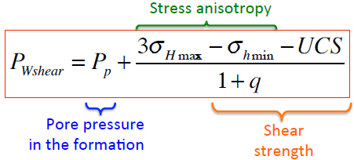
- | - | - | -
Sv [psi] | 7000 | 7000 | 7000
Shmin [psi] | 4300 | 4300 | 4300
SHmax [psi] | 6300 | 6300 | 6300
- | - | - | -
σv [psi] | 3920 | 3360 | 2800
σhmin [psi] | 1220 | 660 | 100
σHmax [psi] | 3220 | 2660 | 2100
- | - | - | -
UCS [psi] | 3500 | 3500 | 3500
μ | 0.6 | 0.6 | 0.6
q | 3.119 | 3.119 | 3.119
TS [psi] | 800 | 801 | 802
- | - | - | -
wBO [°] | 70 | 70 | 70
PwBO [psi] | 3640 | 3928 | 4217
Pwshear [psi] | 4279 | 4567 | 4855
Pb [psi] | 4320 | 3761 | 3202
PwBO [ppg] | 10.0 | 10.8 | 11.6
Pwshear [ppg] | 11.8 | 12.5 | 13.3
Pb [ppg] | 11.9 | 10.3 | 8.8
- | - | - | -
wBO [°] | 0 | 0 | 0
PwBO [psi] | 4279 | 4567 | 4855
Pwshear [psi] | 4279 | 4567 | 4855
Pb [psi] | 3532 | 2970 | 2409
PwBO [ppg] | 11.8 | 12.5 | 13.3
Pwshear [ppg] | 11.8 | 12.5 | 13.3
Pb [ppg] | 9.7 | 8.2 | 6.6

Q2_Summary
λp | wBO [°] | PwBO [psi] | Pwshear [psi] | Pb [psi] | PwBO [ppg] | Pwshear [ppg] | Pb [ppg] | - | wBO [°] | PwBO [psi] | Pwshear [psi] | Pb [psi] | PwBO [ppg] | Pwshear [ppg] | Pb [ppg]
0.44 | 70 | 3640 | 4279 | 4320 | 10.000800708 | 11.75603155 | 11.868131868 | - | 0 | 4279 | 4279 | 3532 | 11.75603155 | 11.75603155 | 9.7029344282
0.52 | 70 | 3928 | 4567 | 3761 | 10.792332639 | 12.547563481 | 10.332417582 | - | 0 | 4567 | 4567 | 2970 | 12.547563481 | 12.547563481 | 8.1602538945
0.6 | 70 | 4217 | 4855 | 3202 | 11.58386457 | 13.339095413 | 8.7967032967 | - | 0 | 4855 | 4855 | 2409 | 13.339095413 | 13.339095413 | 6.6175733607

Wellbore Breakout Angle (wBO) of 70°
Wellbore Breakout Angle (wBO) of 0°

Q3_Summary
σHmax/σV | σHmax/σhmin | wBO [°] | PwBO [MPa] | Pwshear [MPa] | Pb [MPa] | PwBO [ppg] | Pwshear [ppg] | Pb [ppg] | - | wBO [°] | PwBO [MPa] | Pwshear [MPa] | Pb [MPa] | PwBO [ppg] | Pwshear [ppg] | Pb [ppg]
0.6 | 1.5 | 45 | 26 | 26 | 38 | 10.68156702 | 10.938803301 | 15.759197324 | - | 0 | 26 | 26 | 51 | 10.938803301 | 10.938803301 | 21.511370119
0.8 | 2 | 45 | 28 | 29 | 33 | 11.741720135 | 12.256192695 | 13.605351171 | - | 0 | 29 | 29 | 44 | 12.256192695 | 12.256192695 | 18.45708661
1 | 2.5 | 45 | 31 | 32 | 27 | 12.801873249 | 13.573582089 | 11.451505017 | - | 0 | 32 | 32 | 37 | 13.573582089 | 13.573582089 | 15.402803101

Wellbore Breakout Angle (wBO) of 45°
Wellbore Breakout Angle (wBO) of 0°

