2.a. Buy Put 1440
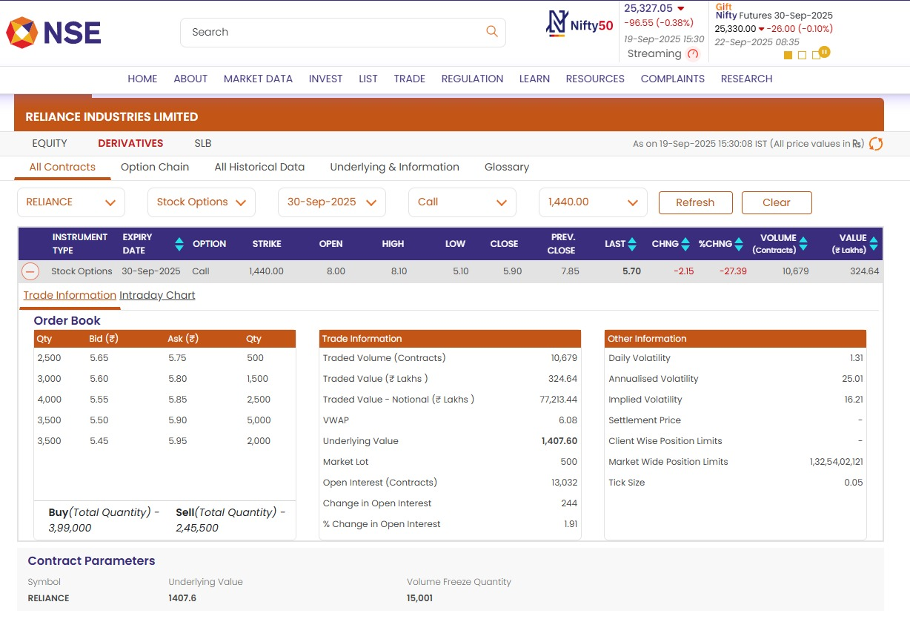
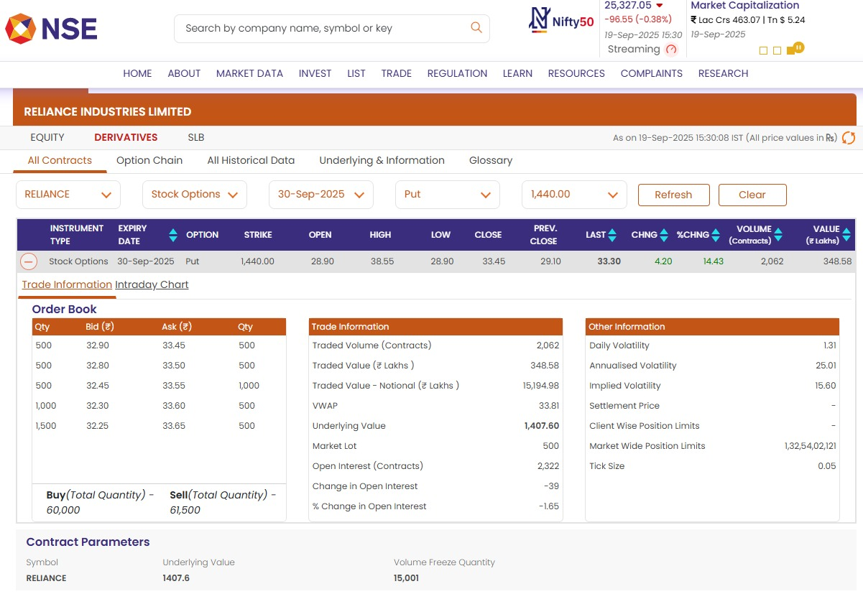
2.a. Black Scholes Model Call and Put Computation
Call Price |  |  | Put Price
Underlying (Spot Price) | 1,407.60 |  | Underlying (Spot Price) | 1,407.60
Strike Price (K) | 1,440.00 |  | Strike Price (K) | 1,440.00
Implied Volatility (Call) | 16.03% |  | Implied Volatility (Put) | 13.09%
Risk Free Rate | 5.4976% |  | Risk Free Rate | 5.4976%
T | 0.032876712329 |  | T | 0.032876712329

d1 | -0.70623796362 |  | d1 | -0.87078768906 | Exp -ert | 0.99819420228
d2 | -0.73530345792 |  | d2 | -0.89452239401

N d1 | 0.24002008262 |  | N d1 | 0.19193504421
N -d1 | 0.75997991738 |  | N -d1 | 0.80806495579
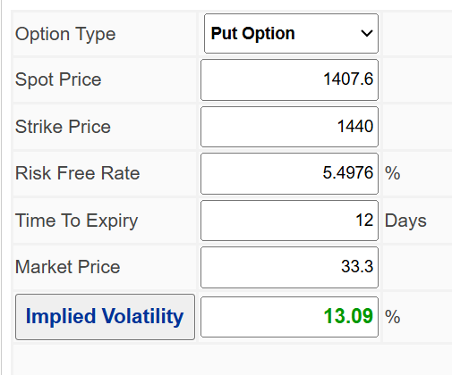
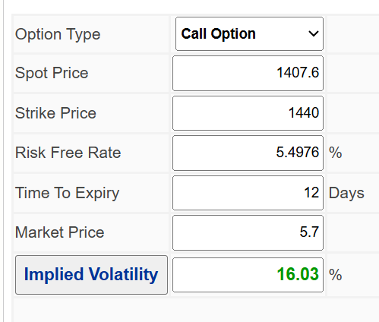
N d2 | 0.23107735136 |  | N d2 | 0.18552122675
N -d2 | 0.76892264864 |  | N -d2 | 0.81447877325

 | Particulars | Actual | Calculated | Difference
 | Call Price | 5.70 | 5.70 | -0.001764
 | Put Price | 33.30 | 33.30 | 0.000727
 |  |  |  |  |  |  |  |  | https://vindeep.com/Derivatives/ImpVolCalc.aspx | https://vindeep.com/Derivatives/ImpVolCalc.aspx

 |  |  |  |  |  |  | Call Option Reliance - NSE Option Chain |  |  | Put Option Reliance - NSE Option Chain
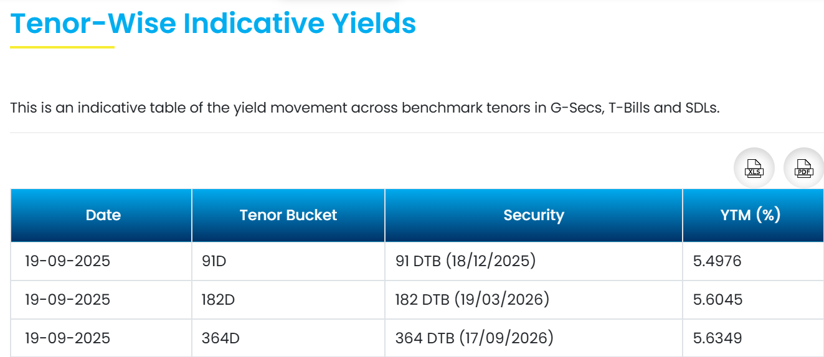
Reasons for the differences noted between the actual and calculated call and put prices using black scholes model.
The difference between actual and Black-Scholes calculated option prices happens because the model makes simplifying assumptions that don’t perfectly match real markets. Key reasons are:
1. It assumes constant volatility and interest rates, but these change in reality.
2. It models only European-style options (exercise only at expiry), while many options allow early exercise.
3. It ignores dividends, transaction costs, and market frictions like bid-ask spreads.
4. Market supply-demand, liquidity, and investor sentiment can push prices away from theoretical values.
In short, Black-Scholes gives a good estimate but real prices differ due to changing market dynamics and practical factors.

Practical factors causing differences in option prices from Black-Scholes estimates include:
1. Bid-Ask Spreads: The gap between buying and selling prices creates price deviations.
2. Liquidity Constraints: Low trading volumes can cause prices to differ substantially.
3. Transaction Costs: Brokerage fees and taxes affect net prices but are not captured by the model.
4. Dividends: Expected dividends reduce underlying price and impact option valuation.
5. Early Exercise: For American options, the option to exercise before expiry can increase value.
6. Market Sentiment & Supply-Demand: Heavy buying or selling interest can push prices away from theoretical fair value.
7. Volatility Skew/Smile: Implied volatility often varies for different strikes, while Black-Scholes assumes constant volatility.
8. Time Variability: Volatility and interest rates may change during the option’s life, affecting prices dynamically.
These market realities mean actual trading prices will rarely match model outputs exactly.
 |  |  |  |  |  |  |  | CCIL Tenorwise Yield Analytics - https://www.ccilindia.com/web/ccil/tenorwise-indicative-yields

2.b. Sell Put 1380
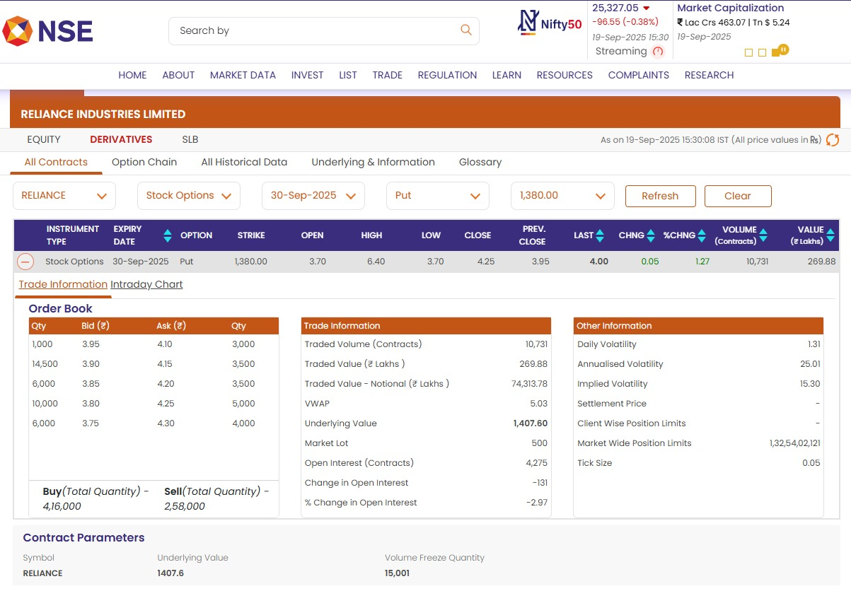
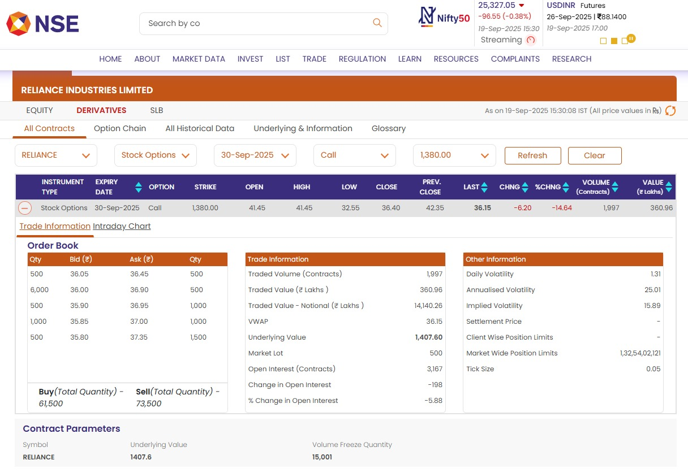
2.b. Black Scholes Model Call and Put Computation
Call Price |  |  | Put Price
Underlying (Spot Price) | 1,407.60 |  | Underlying (Spot Price) | 1,407.60
Strike Price (K) | 1,380.00 |  | Strike Price (K) | 1,380.00
Implied Volatility (Call) | 16.92% |  | Implied Volatility (Put) | 14.17%
Risk Free Rate | 5.4976% |  | Risk Free Rate | 5.4976%
T | 0.032876712329 |  | T | 0.032876712329

d1 | 0.71972668236 |  | d1 | 0.85393533544 | Exp -ert | 0.99819420228
d2 | 0.68904744571 |  | d2 | 0.82824238134

N d1 | 0.76415335276 |  | N d1 | 0.8034295902
N -d1 | 0.23584664724 |  | N -d1 | 0.1965704098

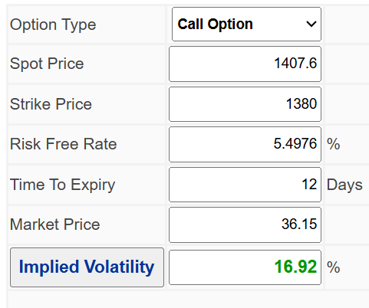
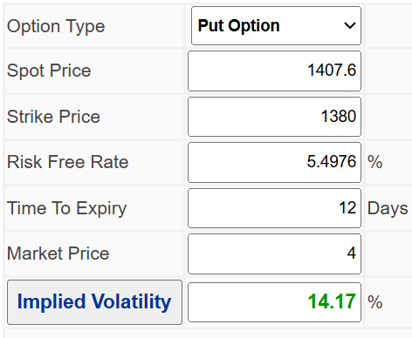
N d2 | 0.7546032947 |  | N d2 | 0.79623337673
N -d2 | 0.2453967053 |  | N -d2 | 0.20376662327

 | Particulars | Actual | Calculated | Difference
 | Call Price | 36.15 | 36.15 | -0.0001847
 | Put Price | 4 | 4.00 | 0.0023553
 |  |  |  |  |  |  |  | https://vindeep.com/Derivatives/ImpVolCalc.aspx | https://vindeep.com/Derivatives/ImpVolCalc.aspx

 |  |  |  |  |  |  | Call Option Reliance - NSE Option Chain |  | Put Option Reliance - NSE Option Chain

Reasons for the differences noted between the actual and calculated call and put prices using black scholes model.
The difference between actual and Black-Scholes calculated option prices happens because the model makes simplifying assumptions that don’t perfectly match real markets. Key reasons are:
1. It assumes constant volatility and interest rates, but these change in reality.
2. It models only European-style options (exercise only at expiry), while many options allow early exercise.
3. It ignores dividends, transaction costs, and market frictions like bid-ask spreads.
4. Market supply-demand, liquidity, and investor sentiment can push prices away from theoretical values.
In short, Black-Scholes gives a good estimate but real prices differ due to changing market dynamics and practical factors.

Practical factors causing differences in option prices from Black-Scholes estimates include:
1. Bid-Ask Spreads: The gap between buying and selling prices creates price deviations.
2. Liquidity Constraints: Low trading volumes can cause prices to differ substantially.
3. Transaction Costs: Brokerage fees and taxes affect net prices but are not captured by the model.
4. Dividends: Expected dividends reduce underlying price and impact option valuation.
5. Early Exercise: For American options, the option to exercise before expiry can increase value.
6. Market Sentiment & Supply-Demand: Heavy buying or selling interest can push prices away from theoretical fair value.
7. Volatility Skew/Smile: Implied volatility often varies for different strikes, while Black-Scholes assumes constant volatility.
8. Time Variability: Volatility and interest rates may change during the option’s life, affecting prices dynamically.
These market realities mean actual trading prices will rarely match model outputs exactly.
 |  |  |  |  |  |  |  | CCIL Tenorwise Yield Analytics - https://www.ccilindia.com/web/ccil/tenorwise-indicative-yields

4. Net Premium and Payoff
4. Net Premium and Payoff

Particulars | Amount ₹ |  | Buy Put |  |  | Sell Put
Underlying (Spot Price) | 1,407.60 |  | Underlying (Spot Price) | 1,407.60 |  | Underlying (Spot Price) | 1,407.60
Strike Price (Buy Put) | 1,440.00 |  | Strike Price (K) | 1,440.00 |  | Strike Price (K) | 1,380.00
Strike Price (Sell Put) | 1,380.00 |  | Implied Volatility | 15.60% |  | Implied Volatility | 15.30%
Long Premium | 33.3 |  | Risk Free Rate | 5.4976% |  | Risk Free Rate | 5.4976%
Short Premium | 4 |  | T | 0.032876712329 |  | T | 0.032876712329
Lot Size | 500 |  | Call Price | 5.7 |  | Call Price | 36.15
Contracts | 1 |  | Put Price | 33.3 |  | Put Price | 4
Net Premium | 29.3
 |  |  | Net Premium and Max Gain/Loss Computation
 |  |  | 1. Net Premium (Max Loss) (Lot Size 1) | ₹ 29.30 | (Buy Put Premium - Sell Put Premium)
 |  |  | 2. Maximum Gain (Lot Size 1) | ₹ 30.70 | (Strike Price Difference - Net Premium)
 |  |  | 3. Breakevent Point | 1,410.70 | (Strike price of Put Bought - Net Premium)

Bear Put Spread Payoff Diagram
Payoff Table
Underlying Stock price | Long Put Payoff | Short Put Payoff | Net Option Payoff
1200 | 206.70 | -176.00 | 30.70
1201 | 205.70 | -175.00 | 30.70
1202 | 204.70 | -174.00 | 30.70
1203 | 203.70 | -173.00 | 30.70
1204 | 202.70 | -172.00 | 30.70
1205 | 201.70 | -171.00 | 30.70
1206 | 200.70 | -170.00 | 30.70
1207 | 199.70 | -169.00 | 30.70
1208 | 198.70 | -168.00 | 30.70
1209 | 197.70 | -167.00 | 30.70
1210 | 196.70 | -166.00 | 30.70
1211 | 195.70 | -165.00 | 30.70
1212 | 194.70 | -164.00 | 30.70
1213 | 193.70 | -163.00 | 30.70
1214 | 192.70 | -162.00 | 30.70
1215 | 191.70 | -161.00 | 30.70
1216 | 190.70 | -160.00 | 30.70
1217 | 189.70 | -159.00 | 30.70
1218 | 188.70 | -158.00 | 30.70
1219 | 187.70 | -157.00 | 30.70
1220 | 186.70 | -156.00 | 30.70
1221 | 185.70 | -155.00 | 30.70
1222 | 184.70 | -154.00 | 30.70
1223 | 183.70 | -153.00 | 30.70
1224 | 182.70 | -152.00 | 30.70
1225 | 181.70 | -151.00 | 30.70
1226 | 180.70 | -150.00 | 30.70
1227 | 179.70 | -149.00 | 30.70
1228 | 178.70 | -148.00 | 30.70
1229 | 177.70 | -147.00 | 30.70
1230 | 176.70 | -146.00 | 30.70
1231 | 175.70 | -145.00 | 30.70
1232 | 174.70 | -144.00 | 30.70
1233 | 173.70 | -143.00 | 30.70
1234 | 172.70 | -142.00 | 30.70
1235 | 171.70 | -141.00 | 30.70
1236 | 170.70 | -140.00 | 30.70
1237 | 169.70 | -139.00 | 30.70
1238 | 168.70 | -138.00 | 30.70
1239 | 167.70 | -137.00 | 30.70
1240 | 166.70 | -136.00 | 30.70
This is the loss zone, when the spot price goes above ₹1410.70, where the maximum loss that can be incurred is ₹29.30 (₹33.30 - ₹4).
1241 | 165.70 | -135.00 | 30.70
1242 | 164.70 | -134.00 | 30.70
1243 | 163.70 | -133.00 | 30.70
1244 | 162.70 | -132.00 | 30.70
1245 | 161.70 | -131.00 | 30.70
1246 | 160.70 | -130.00 | 30.70
1247 | 159.70 | -129.00 | 30.70
1248 | 158.70 | -128.00 | 30.70
1249 | 157.70 | -127.00 | 30.70
1250 | 156.70 | -126.00 | 30.70
1251 | 155.70 | -125.00 | 30.70
1252 | 154.70 | -124.00 | 30.70
1253 | 153.70 | -123.00 | 30.70
1254 | 152.70 | -122.00 | 30.70
1255 | 151.70 | -121.00 | 30.70
1256 | 150.70 | -120.00 | 30.70
1257 | 149.70 | -119.00 | 30.70
1258 | 148.70 | -118.00 | 30.70
1259 | 147.70 | -117.00 | 30.70
1260 | 146.70 | -116.00 | 30.70
1261 | 145.70 | -115.00 | 30.70 |  | Interpretation of the Payoff Matrix
1262 | 144.70 | -114.00 | 30.70 |  | The bear put spread payoff diagram for Reliance shows how this options strategy is designed to profit from a moderate decline in the stock price, while capping both the potential gain and loss. Interpretation of the Payoff Diagram: 1. Long Put Payoff (Orange line): Represents the gain from buying the ₹1440 strike put. As Reliance’s price falls, the value increases sharply below ₹1440. 2. Short Put Payoff (Blue line): Represents the loss from selling the ₹1380 strike put. This option loses money as the stock price drops below ₹1380, offsetting some gains from the long put. 3. Net Option Payoff (Green line): Illustrates the combined payoff of both legs, showing the total profit or loss from entering the bear put spread. What the Diagram Shows? 1. Maximum Loss: The net premium paid (₹29.30). This is seen on the flat part of the green line above ₹1440. If Reliance closes above ₹1440, the spread expires worthless except for the premium paid. 2. Breakeven Point: The BEP is ₹1410.70. Here, the strategy moves from a loss to profit; this is where the green payoff line crosses zero. 3. Maximum Gain: The maximum gain is of ₹30.70 (difference between strikes minus net premium). This is the highest point on the green line, reached when Reliance closes at or below ₹1380. 4. Profit Zone: The green payoff line stays above zero between the breakeven (₹1410.70) and the lower strike (₹1380), showing where the strategy yields profits at expiry. 5. Loss Zone: The green payoff line stays below zero above the breakeven point (₹1410.70) up to and beyond the higher strike (₹1440), indicating where the strategy incurs losses up to the premium paid. Strategic Interpretation: 1. The bear put spread is effective when moderately bearish on Reliance, limiting risk and the cost (premium). 2. If Reliance falls below ₹1410.70 by expiry, gains begin and are capped at ₹30.70 once the price goes below ₹1380. 3. If Reliance remains above ₹1440, losses are limited to the premium paid
1263 | 143.70 | -113.00 | 30.70
1264 | 142.70 | -112.00 | 30.70
1265 | 141.70 | -111.00 | 30.70
1266 | 140.70 | -110.00 | 30.70
1267 | 139.70 | -109.00 | 30.70
1268 | 138.70 | -108.00 | 30.70
1269 | 137.70 | -107.00 | 30.70
1270 | 136.70 | -106.00 | 30.70
1271 | 135.70 | -105.00 | 30.70
1272 | 134.70 | -104.00 | 30.70
1273 | 133.70 | -103.00 | 30.70
1274 | 132.70 | -102.00 | 30.70
1275 | 131.70 | -101.00 | 30.70
1276 | 130.70 | -100.00 | 30.70
1277 | 129.70 | -99.00 | 30.70
1278 | 128.70 | -98.00 | 30.70
1279 | 127.70 | -97.00 | 30.70
1280 | 126.70 | -96.00 | 30.70
1281 | 125.70 | -95.00 | 30.70
1282 | 124.70 | -94.00 | 30.70
1283 | 123.70 | -93.00 | 30.70
1284 | 122.70 | -92.00 | 30.70
1285 | 121.70 | -91.00 | 30.70
1286 | 120.70 | -90.00 | 30.70 |  | Trading Behaviour Analysis
1287 | 119.70 | -89.00 | 30.70 |  | A trader typically chooses the bear put spread when expecting a moderate decline in a stock’s price—like Reliance in this case—but also wants to keep the risk and the cost limited. This strategy is especially attractive when outright put premiums are expensive or the trader prefers a balanced approach. Underlying View and Context 1. The trader expects Reliance’s price to dip, but not crash dramatically. 2. The bear put spread is deployed to profit from this modest downtrend, while limiting losses if the price moves higher. 3. This strategy suits markets with bearish signals, uncertain economic environment, or technical factors pointing to a slight decline. 4. It is cost-efficient because the premium received from selling the lower strike put helps offset the cost of buying the higher strike put, reducing total upfront investment. 5. The trader is willing to forgo unlimited profit (from sharp falls) for better risk control and affordability. Potential Risks 1. Limited Profit: The maximum profit is capped as the stock cannot fall beyond the lower strike for more gain. This limits benefit from a drastic crash. 2. Maximum Loss: If Reliance’s price stays above the higher strike, the entire premium paid is the only loss, but it is still a risk if the market moves against the expectation. 3. Time Decay: The value of the bought put erodes as expiration nears, especially if Reliance does not fall early enough. 4. Volatility Risks: Changes in implied volatility after setting this position can affect option values and hence the final payoff. 5. Early Assignment: For American-style options, the short put could be assigned before expiry, creating additional obligations for the trader. 6. Breakeven Risk: If Reliance does not dip below the breakeven point (₹1410.70), the trade yields a loss up to the net premium paid. The bear put spread helps traders take a bearish position with well-defined risks and rewards, making it a favored strategy when a modest decline
1288 | 118.70 | -88.00 | 30.70
1289 | 117.70 | -87.00 | 30.70
1290 | 116.70 | -86.00 | 30.70
1291 | 115.70 | -85.00 | 30.70
1292 | 114.70 | -84.00 | 30.70
1293 | 113.70 | -83.00 | 30.70
1294 | 112.70 | -82.00 | 30.70
1295 | 111.70 | -81.00 | 30.70
1296 | 110.70 | -80.00 | 30.70
1297 | 109.70 | -79.00 | 30.70
1298 | 108.70 | -78.00 | 30.70
1299 | 107.70 | -77.00 | 30.70
1300 | 106.70 | -76.00 | 30.70
1301 | 105.70 | -75.00 | 30.70
1302 | 104.70 | -74.00 | 30.70
1303 | 103.70 | -73.00 | 30.70
1304 | 102.70 | -72.00 | 30.70
1305 | 101.70 | -71.00 | 30.70
1306 | 100.70 | -70.00 | 30.70
1307 | 99.70 | -69.00 | 30.70
1308 | 98.70 | -68.00 | 30.70
1309 | 97.70 | -67.00 | 30.70
1310 | 96.70 | -66.00 | 30.70
1311 | 95.70 | -65.00 | 30.70
1312 | 94.70 | -64.00 | 30.70
1313 | 93.70 | -63.00 | 30.70
1314 | 92.70 | -62.00 | 30.70
1315 | 91.70 | -61.00 | 30.70
1316 | 90.70 | -60.00 | 30.70
1317 | 89.70 | -59.00 | 30.70
1318 | 88.70 | -58.00 | 30.70
1319 | 87.70 | -57.00 | 30.70
1320 | 86.70 | -56.00 | 30.70
1321 | 85.70 | -55.00 | 30.70
1322 | 84.70 | -54.00 | 30.70
1323 | 83.70 | -53.00 | 30.70
1324 | 82.70 | -52.00 | 30.70
1325 | 81.70 | -51.00 | 30.70
1326 | 80.70 | -50.00 | 30.70
1327 | 79.70 | -49.00 | 30.70
1328 | 78.70 | -48.00 | 30.70
1329 | 77.70 | -47.00 | 30.70
1330 | 76.70 | -46.00 | 30.70
1331 | 75.70 | -45.00 | 30.70
1332 | 74.70 | -44.00 | 30.70
1333 | 73.70 | -43.00 | 30.70
1334 | 72.70 | -42.00 | 30.70
1335 | 71.70 | -41.00 | 30.70
1336 | 70.70 | -40.00 | 30.70
1337 | 69.70 | -39.00 | 30.70
1338 | 68.70 | -38.00 | 30.70
1339 | 67.70 | -37.00 | 30.70
1340 | 66.70 | -36.00 | 30.70
1341 | 65.70 | -35.00 | 30.70
1342 | 64.70 | -34.00 | 30.70
1343 | 63.70 | -33.00 | 30.70
1344 | 62.70 | -32.00 | 30.70
1345 | 61.70 | -31.00 | 30.70
1346 | 60.70 | -30.00 | 30.70
1347 | 59.70 | -29.00 | 30.70
1348 | 58.70 | -28.00 | 30.70
1349 | 57.70 | -27.00 | 30.70
1350 | 56.70 | -26.00 | 30.70
1351 | 55.70 | -25.00 | 30.70
1352 | 54.70 | -24.00 | 30.70
1353 | 53.70 | -23.00 | 30.70
1354 | 52.70 | -22.00 | 30.70
1355 | 51.70 | -21.00 | 30.70
1356 | 50.70 | -20.00 | 30.70
1357 | 49.70 | -19.00 | 30.70
1358 | 48.70 | -18.00 | 30.70
1359 | 47.70 | -17.00 | 30.70
1360 | 46.70 | -16.00 | 30.70
1361 | 45.70 | -15.00 | 30.70
1362 | 44.70 | -14.00 | 30.70
1363 | 43.70 | -13.00 | 30.70
1364 | 42.70 | -12.00 | 30.70
1365 | 41.70 | -11.00 | 30.70
1366 | 40.70 | -10.00 | 30.70
1367 | 39.70 | -9.00 | 30.70
1368 | 38.70 | -8.00 | 30.70
1369 | 37.70 | -7.00 | 30.70
1370 | 36.70 | -6.00 | 30.70
1371 | 35.70 | -5.00 | 30.70
1372 | 34.70 | -4.00 | 30.70
1373 | 33.70 | -3.00 | 30.70
1374 | 32.70 | -2.00 | 30.70
1375 | 31.70 | -1.00 | 30.70
1376 | 30.70 | - | 30.70
1377 | 29.70 | 1.00 | 30.70
1378 | 28.70 | 2.00 | 30.70
1379 | 27.70 | 3.00 | 30.70
1380 | 26.70 | 4.00 | 30.70
1381 | 25.70 | 4.00 | 29.70
1382 | 24.70 | 4.00 | 28.70
1383 | 23.70 | 4.00 | 27.70
1384 | 22.70 | 4.00 | 26.70
1385 | 21.70 | 4.00 | 25.70
1386 | 20.70 | 4.00 | 24.70
1387 | 19.70 | 4.00 | 23.70
1388 | 18.70 | 4.00 | 22.70
1389 | 17.70 | 4.00 | 21.70
1390 | 16.70 | 4.00 | 20.70
1391 | 15.70 | 4.00 | 19.70
1392 | 14.70 | 4.00 | 18.70
1393 | 13.70 | 4.00 | 17.70
1394 | 12.70 | 4.00 | 16.70
1395 | 11.70 | 4.00 | 15.70
1396 | 10.70 | 4.00 | 14.70
1397 | 9.70 | 4.00 | 13.70
1398 | 8.70 | 4.00 | 12.70
1399 | 7.70 | 4.00 | 11.70
1400 | 6.70 | 4.00 | 10.70
1401 | 5.70 | 4.00 | 9.70
1402 | 4.70 | 4.00 | 8.70
1403 | 3.70 | 4.00 | 7.70
1404 | 2.70 | 4.00 | 6.70
1405 | 1.70 | 4.00 | 5.70
1406 | 0.70 | 4.00 | 4.70
1407 | -0.30 | 4.00 | 3.70
1408 | -1.30 | 4.00 | 2.70
1409 | -2.30 | 4.00 | 1.70
1410 | -3.30 | 4.00 | 0.70
1411 | -4.30 | 4.00 | -0.30
1412 | -5.30 | 4.00 | -1.30
1413 | -6.30 | 4.00 | -2.30
1414 | -7.30 | 4.00 | -3.30
1415 | -8.30 | 4.00 | -4.30
1416 | -9.30 | 4.00 | -5.30
1417 | -10.30 | 4.00 | -6.30
1418 | -11.30 | 4.00 | -7.30
1419 | -12.30 | 4.00 | -8.30
1420 | -13.30 | 4.00 | -9.30
1421 | -14.30 | 4.00 | -10.30
1422 | -15.30 | 4.00 | -11.30
1423 | -16.30 | 4.00 | -12.30
1424 | -17.30 | 4.00 | -13.30
1425 | -18.30 | 4.00 | -14.30
1426 | -19.30 | 4.00 | -15.30
1427 | -20.30 | 4.00 | -16.30
1428 | -21.30 | 4.00 | -17.30
1429 | -22.30 | 4.00 | -18.30
1430 | -23.30 | 4.00 | -19.30
1431 | -24.30 | 4.00 | -20.30
1432 | -25.30 | 4.00 | -21.30
1433 | -26.30 | 4.00 | -22.30
1434 | -27.30 | 4.00 | -23.30
1435 | -28.30 | 4.00 | -24.30
1436 | -29.30 | 4.00 | -25.30
1437 | -30.30 | 4.00 | -26.30
1438 | -31.30 | 4.00 | -27.30
1439 | -32.30 | 4.00 | -28.30
1440 | -33.30 | 4.00 | -29.30
1441 | -33.30 | 4.00 | -29.30
1442 | -33.30 | 4.00 | -29.30
1443 | -33.30 | 4.00 | -29.30
1444 | -33.30 | 4.00 | -29.30
1445 | -33.30 | 4.00 | -29.30
1446 | -33.30 | 4.00 | -29.30
1447 | -33.30 | 4.00 | -29.30
1448 | -33.30 | 4.00 | -29.30
1449 | -33.30 | 4.00 | -29.30
1450 | -33.30 | 4.00 | -29.30
1451 | -33.30 | 4.00 | -29.30
1452 | -33.30 | 4.00 | -29.30
1453 | -33.30 | 4.00 | -29.30
1454 | -33.30 | 4.00 | -29.30
1455 | -33.30 | 4.00 | -29.30
1456 | -33.30 | 4.00 | -29.30
1457 | -33.30 | 4.00 | -29.30
1458 | -33.30 | 4.00 | -29.30
1459 | -33.30 | 4.00 | -29.30
1460 | -33.30 | 4.00 | -29.30
1461 | -33.30 | 4.00 | -29.30
1462 | -33.30 | 4.00 | -29.30
1463 | -33.30 | 4.00 | -29.30
1464 | -33.30 | 4.00 | -29.30
1465 | -33.30 | 4.00 | -29.30
1466 | -33.30 | 4.00 | -29.30
1467 | -33.30 | 4.00 | -29.30
1468 | -33.30 | 4.00 | -29.30
1469 | -33.30 | 4.00 | -29.30
1470 | -33.30 | 4.00 | -29.30
1471 | -33.30 | 4.00 | -29.30
1472 | -33.30 | 4.00 | -29.30
1473 | -33.30 | 4.00 | -29.30
1474 | -33.30 | 4.00 | -29.30
1475 | -33.30 | 4.00 | -29.30
1476 | -33.30 | 4.00 | -29.30
1477 | -33.30 | 4.00 | -29.30
1478 | -33.30 | 4.00 | -29.30
1479 | -33.30 | 4.00 | -29.30
1480 | -33.30 | 4.00 | -29.30
1481 | -33.30 | 4.00 | -29.30
1482 | -33.30 | 4.00 | -29.30
1483 | -33.30 | 4.00 | -29.30
1484 | -33.30 | 4.00 | -29.30
1485 | -33.30 | 4.00 | -29.30
1486 | -33.30 | 4.00 | -29.30
1487 | -33.30 | 4.00 | -29.30
1488 | -33.30 | 4.00 | -29.30
1489 | -33.30 | 4.00 | -29.30
1490 | -33.30 | 4.00 | -29.30
1491 | -33.30 | 4.00 | -29.30
1492 | -33.30 | 4.00 | -29.30
1493 | -33.30 | 4.00 | -29.30
1494 | -33.30 | 4.00 | -29.30
1495 | -33.30 | 4.00 | -29.30
1496 | -33.30 | 4.00 | -29.30
1497 | -33.30 | 4.00 | -29.30
1498 | -33.30 | 4.00 | -29.30
1499 | -33.30 | 4.00 | -29.30
1500 | -33.30 | 4.00 | -29.30
1501 | -33.30 | 4.00 | -29.30
1502 | -33.30 | 4.00 | -29.30
1503 | -33.30 | 4.00 | -29.30
1504 | -33.30 | 4.00 | -29.30
1505 | -33.30 | 4.00 | -29.30
1506 | -33.30 | 4.00 | -29.30
1507 | -33.30 | 4.00 | -29.30
1508 | -33.30 | 4.00 | -29.30
1509 | -33.30 | 4.00 | -29.30
1510 | -33.30 | 4.00 | -29.30
1511 | -33.30 | 4.00 | -29.30
1512 | -33.30 | 4.00 | -29.30
1513 | -33.30 | 4.00 | -29.30
1514 | -33.30 | 4.00 | -29.30
1515 | -33.30 | 4.00 | -29.30
1516 | -33.30 | 4.00 | -29.30
1517 | -33.30 | 4.00 | -29.30
1518 | -33.30 | 4.00 | -29.30
1519 | -33.30 | 4.00 | -29.30
1520 | -33.30 | 4.00 | -29.30
1521 | -33.30 | 4.00 | -29.30
1522 | -33.30 | 4.00 | -29.30
1523 | -33.30 | 4.00 | -29.30
1524 | -33.30 | 4.00 | -29.30
1525 | -33.30 | 4.00 | -29.30
1526 | -33.30 | 4.00 | -29.30
1527 | -33.30 | 4.00 | -29.30
1528 | -33.30 | 4.00 | -29.30
1529 | -33.30 | 4.00 | -29.30
1530 | -33.30 | 4.00 | -29.30
1531 | -33.30 | 4.00 | -29.30
1532 | -33.30 | 4.00 | -29.30
1533 | -33.30 | 4.00 | -29.30
1534 | -33.30 | 4.00 | -29.30
1535 | -33.30 | 4.00 | -29.30
1536 | -33.30 | 4.00 | -29.30
1537 | -33.30 | 4.00 | -29.30
1538 | -33.30 | 4.00 | -29.30
1539 | -33.30 | 4.00 | -29.30
1540 | -33.30 | 4.00 | -29.30
1541 | -33.30 | 4.00 | -29.30
1542 | -33.30 | 4.00 | -29.30
1543 | -33.30 | 4.00 | -29.30
1544 | -33.30 | 4.00 | -29.30
1545 | -33.30 | 4.00 | -29.30
1546 | -33.30 | 4.00 | -29.30
1547 | -33.30 | 4.00 | -29.30
1548 | -33.30 | 4.00 | -29.30
1549 | -33.30 | 4.00 | -29.30
1550 | -33.30 | 4.00 | -29.30
1551 | -33.30 | 4.00 | -29.30
1552 | -33.30 | 4.00 | -29.30
1553 | -33.30 | 4.00 | -29.30
1554 | -33.30 | 4.00 | -29.30
1555 | -33.30 | 4.00 | -29.30
1556 | -33.30 | 4.00 | -29.30
1557 | -33.30 | 4.00 | -29.30
1558 | -33.30 | 4.00 | -29.30
1559 | -33.30 | 4.00 | -29.30
1560 | -33.30 | 4.00 | -29.30
1561 | -33.30 | 4.00 | -29.30
1562 | -33.30 | 4.00 | -29.30
1563 | -33.30 | 4.00 | -29.30
1564 | -33.30 | 4.00 | -29.30
1565 | -33.30 | 4.00 | -29.30
1566 | -33.30 | 4.00 | -29.30
1567 | -33.30 | 4.00 | -29.30
1568 | -33.30 | 4.00 | -29.30
1569 | -33.30 | 4.00 | -29.30
1570 | -33.30 | 4.00 | -29.30
1571 | -33.30 | 4.00 | -29.30
1572 | -33.30 | 4.00 | -29.30
1573 | -33.30 | 4.00 | -29.30
1574 | -33.30 | 4.00 | -29.30
1575 | -33.30 | 4.00 | -29.30
1576 | -33.30 | 4.00 | -29.30
1577 | -33.30 | 4.00 | -29.30
1578 | -33.30 | 4.00 | -29.30
1579 | -33.30 | 4.00 | -29.30
1580 | -33.30 | 4.00 | -29.30
1581 | -33.30 | 4.00 | -29.30
1582 | -33.30 | 4.00 | -29.30
1583 | -33.30 | 4.00 | -29.30
1584 | -33.30 | 4.00 | -29.30
1585 | -33.30 | 4.00 | -29.30
1586 | -33.30 | 4.00 | -29.30
1587 | -33.30 | 4.00 | -29.30
1588 | -33.30 | 4.00 | -29.30
1589 | -33.30 | 4.00 | -29.30
1590 | -33.30 | 4.00 | -29.30
1591 | -33.30 | 4.00 | -29.30
1592 | -33.30 | 4.00 | -29.30
1593 | -33.30 | 4.00 | -29.30
1594 | -33.30 | 4.00 | -29.30
1595 | -33.30 | 4.00 | -29.30
1596 | -33.30 | 4.00 | -29.30
1597 | -33.30 | 4.00 | -29.30
1598 | -33.30 | 4.00 | -29.30
1599 | -33.30 | 4.00 | -29.30
1600 | -33.30 | 4.00 | -29.30

