Data Usage (Mandatory)
No. | Scope | Data Usage Description |  |  |  |  | App Screenshot (If Any) | Screenshots of Selected Data Scopes (App ID Also Required) | Remarks
 |  | Requirement | Scenario | Support for iOS | Client Type | Development Completion Time
1 | Read user activity record data | Import workout sessions from Huawei Health: start/end time, activity type, duration, and calories from the device into a personal workout journal (gym and swimming). | After the user taps Connect in Profile and grants OAuth consent, the app syncs workout sessions (start/end time, duration, calories, heart rate when available) and stores them in the database. User can link a device session to a manual workout entry to compare device calories vs MET estimate. | Not required | Website (H5) | 2026-06-30 | 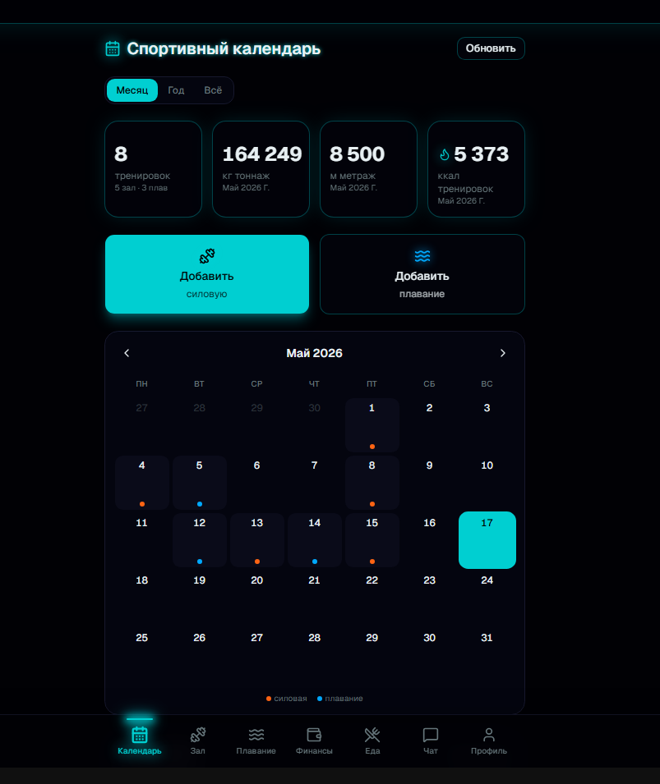 | 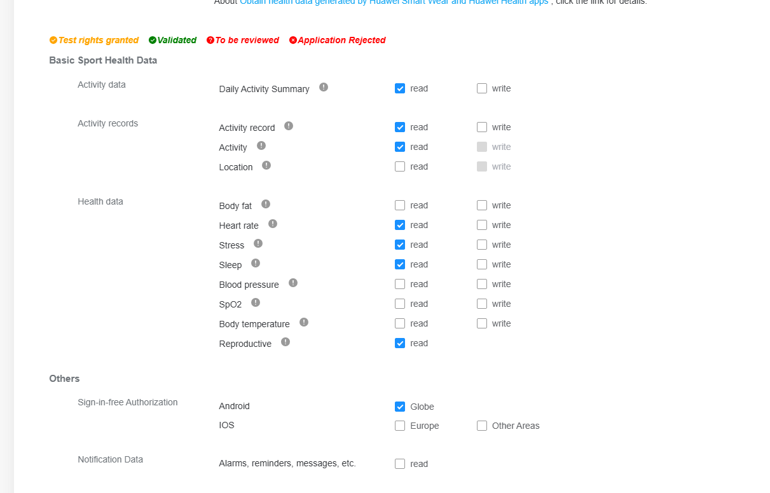 | 1. Provide data scopes to be applied for. Each scope occupies a row. 2. For any changes in the usage scenarios of the data read/write scopes you have applied for, update the application material (Sheet 1: Data Usage) before applying for verification. 3. For annual historical data, usage scenarios must be elaborated. 4. Please verify that you have completed all of the seven sheets before uploading the file. 5. Notes on special data scopes: a. Data synchronization is only available in iOS and Android mobile apps. b. Annual historical data is sensitive data. Its detailed usage scenarios and your reasons for scope application must be elaborated. c. HarmonyOS Connect device information is involved when hardware devices need to connect to the Huawei Health app or when purchasing of customized devices is required.
2 | Read historical data (1 year) | Read activity records from up to one year before the user's first authorization (OAuth scope: history data open). Required to import the user's full workout history from Huawei Health into the personal journal, not only new sessions after connect. | On first connect, backfill all gym and swim sessions stored in Huawei Health within the approved historical window. User explicitly opts in on the Huawei authorization screen. Single-user personal app. | Not required |  | 2026-06-30
3 | Read heart rate data | Read heart rate associated with workout activity records (average HR when provided in activity summary from Huawei Health). | Display average heart rate from the watch/phone next to imported workout sessions in the personal journal. | Not required |  | 2026-06-30

