Summary
Banking Transaction Management System (BTMS)
Database Testing - Manual (INSERT / UPDATE validation)

Test execution status
Prepared by | Abdallah Ahmed Meaad - QA / QC Engineer (Manual & Automation Testing) - Tel: 01022656255
Test date | 2026-08-15
Environment | MySQL 8.0.46 (Linux, case-sensitive names), STRICT mode - real btms_db from btms-db.sql
System under test | btms_db (btms-db.sql): 7 tables, 6 FKs,
LinkedIn | https://www.linkedin.com/in/abdallah-meaad
Portfolio | https://abdallahmeaad.github.io/My_CV

1. Execution summary
Metric | Value
Total test cases | 103
Passed | 68
Failed | 34
Blocked | 1
Not run | 0
Pass rate | 66.0%
Total weight (BRD sizing) | 159
Defects by severity
Weighted pass score | 102
Weighted pass rate | 64.2%
Total defects | 17
Release recommendation | NO-GO

2. Results by module
Module | Total | Pass | Fail | Blocked | Pass rate
FR-1 Customers | 19 | 12 | 7 | 0 | 63.2%
FR-2 Accounts | 15 | 11 | 4 | 0 | 73.3%
FR-3 Transactions | 29 | 17 | 12 | 0 | 58.6%
FR-4 Categories | 9 | 8 | 1 | 0 | 88.9%
FR-5 Fees | 15 | 7 | 8 | 0 | 46.7%
FR-6 Branches/Employees | 10 | 8 | 1 | 1 | 80.0%
NFR Structural | 6 | 5 | 1 | 0 | 83.3%

3. Defects by severity
Severity | Count
Critical | 3
High | 7
Medium | 6
Low | 1

4. Assumptions used (the BRD is silent on these)
A-01 | Daily transfer limit is below 4,000,000 (value not defined in the BRD).
A-02 | An 'external transfer' is a transfer between accounts of different customers.
A-03 | Fee formula/rate is not defined in the BRD; only the 10% cap is tested.
A-04 | Data-quality checks (future date of birth, e-mail format, blank strings) are expected although not literally in the BRD.
A-05 | Only transactions with status 'Success' move money; Pending and Failed must not change balances.
A-06 | Tests were executed on MySQL 8.0.46 (Linux, lower_case_table_names=0) by loading the real btms-db.sql dump (server 8.0.43). Same 8.0 series: identical constraint behaviour.

5. Workbook guide
Test Cases | 103 manual test cases with steps, SQL, expected/actual result and a Status dropdown
Bug Reports | 17 defects with reproduction SQL, expected/actual, impact and fix suggestion
DB Schema | Table/column/constraint reference of the real btms_db, mapped to the BRD rules
DB Seed Data | Baseline data every test starts from
DB Scripts | Copy-paste scripts taken from btms-db.sql: create the database, then load the seed data
DB ERD | ERD of the real database (MySQL Workbench) with the 6 foreign-key relationships

DB ERD
BTMS - Entity Relationship Diagram (actual btms_db)
Exported from MySQL Workbench. 7 tables, 6 foreign keys, no triggers.
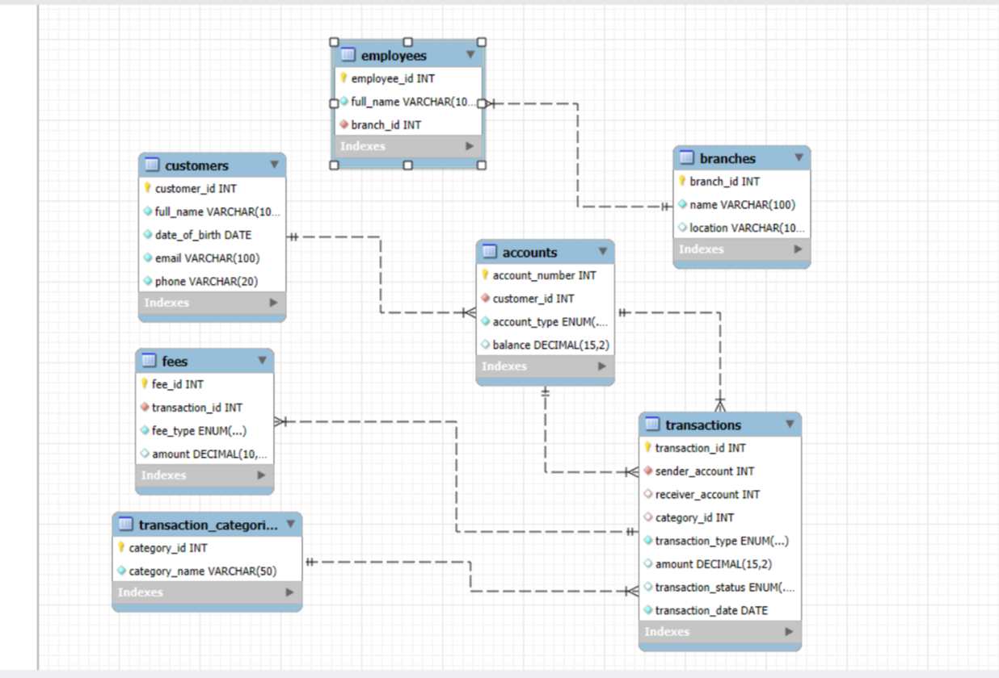

Foreign key | Child table.column | Parent table.column
accounts_ibfk_1 | accounts.customer_id | customers.customer_id
transactions_ibfk_1 | transactions.sender_account | accounts.account_number
transactions_ibfk_2 | transactions.receiver_account | accounts.account_number
transactions_ibfk_3 | transactions.category_id | transaction_categories.category_id
fees_ibfk_1 | fees.transaction_id | transactions.transaction_id
employees_ibfk_1 | employees.branch_id | branches.branch_id

