ZH Steering
Недостатки турецкого EPSника:
№ | Описание проблемы | Подтверждение | Как у нормальных людей
Принципиальные проблемы общего характера:
1 | Необходимость наличия аккумулятора. Питание осуществяется от того же аккумулятора. Если его переполюсовать прибор сгорит. Аккумулятор может сесть, следовательно клиенту нужно самому продумать как его постоянно подзаряжать (в комплекте зарядного нет) |  | Блок питания на 100А находится внутри устройства, само устройство питается от любых сетей, как 110, так и 220В
2 | Отсутствие защиты от короткого замыкания по клеммам 30 и 15 |  | Для разных агрегатов - разные уровни токовой защиты. Защита как по К30, так и по К15. Она срабатывает и программно сбрасывается, никаких сгораемых предохранителей!
3 | Необходимость постоянного наличия интернета для работы |  | Интернет нужен только для обновлений, можно работать оффлайн
4 | Отсутствие автоматических обновлений (только через Anydesk). |  | Само предлагает обновиться в 1 клик, причем обновляет как софт на Windows, так и прошивку внутри устройства
5 | Наличие только одной CAN-шины, тогда как Tesla M3, Jeep GC 2022 и многие другие новые автомобили имеют рейки с 2мя CAN-шинами, требующими разные данные. Для CAN FD, FlexRay и однопроводного CAN старых Fiat нужно докупать отдельные блоки |  | Наличие 2х независимых CAN FD-шин
6 | Выходного тока недостаточно для проверки насоса под нагрузкой! |  | Тока 100А достаточно для проверки абсолютно любого насоса и имеется компактное настольное решение (MS511) для нагрузки насосов и полноценной проверки их гидравличской части
7 | Проблемы выбора агрегатов. Отсутствие года выпуска автомобиля, поколения, фото агрегата и ОЕМ номеров! Невозможно понять из меню что мы выбираем! |  | К каждому агрегату предоставляется фото, ОЕМ номера, описание марки, модели, года,
8 | Точность измерения тока недостаточна по К30. Дискретность - 0.3А! По К15 ток не измеряется в принципе. Нет референсных значений Напряжение врёт на 0,5В! |  | Точность измерения тока по К30 - 0.01А ! По К15 - 0.001А. При таких значениях уже показатель тока может служить индикатором правильности/неправильности работы агрегата. Строятся графики потребления тока от времени
9 | Невозможность определить работает ли агрегат или нет по цвету руля. ZH утверждает, что при зеленом реле можно устанавливать рейку на автомобиль, что не соответствует действительности, поскольку Mercedes был запущен без датчика момента и зеленый руль горел. Есть агрегаты которые просто посылали что-то в CAN и это считалось за работоспособное состояние |  | Важно не предоставлять ложной информации, о которой можно судить об исправности неисправного агрегата и наоборот. Необходимо давать возможность клиенту получить максимальное возможное количество правдивой инфорации для принятия решения об исправности
10 | Отсутствие возможности проверки японских реек с отдельными блоками управления Есть такая возможность, Mazda 6 например |  | Такие агрегаты должны подключаться специализированными кабелями и проверять в точности как на автомобиле. Как альтернативное решение - наличие своего универсального ЭБУ для проверки агрегатов такого типа (MS550)
11 | Невозможность диагностики через OBD автомобилей с нестандартной распиновкой OBDII |  | Распиновка коннектора OBDII динамически изменяется для разных агрегатов (номера нужных пинов прописаны в базе). Клиенту отображается текущее состояние и дается возможность перекидывать их из программы в ручном режиме
12 | Невозможность диагностики автомобилей Volvo из-за отсутствия второй CAN-шины, и, как следствие, возможности работы в режиме Gateway |  | Специализированный кабель разделяет шины, а контроллер выполняет функции Gateway, который установлен в автомобиле и на лету изменяет данные, давая возможность диагностировать агрегат любым сканером
13 | Отсутствие переключения скоростей CAN для старых автомобилей, требующих не 500, а 250кбит |  | Скорость CAN-шины должна автоматически изменяться в зависимости от значения в базе данных
14 | Отсутствие PWM-выходов, что не позволяет полноценно проверять насосы (отсутствие имитации датчика скорости вращения руля) и включать старые рейки/колонки, где требуется PWM сигнал датчика скорости вращения двигателя Есть там PWM выход, работает на VW EHPS TRW но только 1000Hz. О втором типе датчика турок не в курсе так же как и о насосе производства VW EHPS Koyo |  | Наличие 3х отдельных PWM-выходов: для скорости двигателя, скорости автомобиля, скорости вращения рулевого колеса плюс специальные кабели которые имитируют датчик скорости вращения руля
16 | Качество сборки кабелей | Провода зажаты похабно, без наконечников. Сами провода , с большой вероятностью, сняты с проводки автомобиля, достаточно грубые. Оплетка-пластиковая гофра вообще не понятно как должна была работать, она лопнула. Оплетка-сетка, слезла т.к. крепится не клеевой термоусадкой. Длинна универсального кабеля не достаточная (Рома мучается при подключении насоса) агрегат нужно ставить в притык к EPSнику. Цвета в проводах рандомно, красный не обязательно + от кабеля к кабелю. | Каждый кабель перед отправкой клиенту должен проходить контроль качества и обязан тестироваться на реальном агрегате, что гарантиурет не только правильность его сборки, но и проверяется качество разъема | 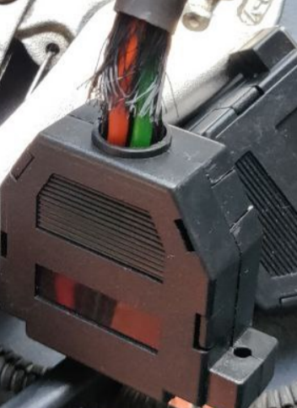 | 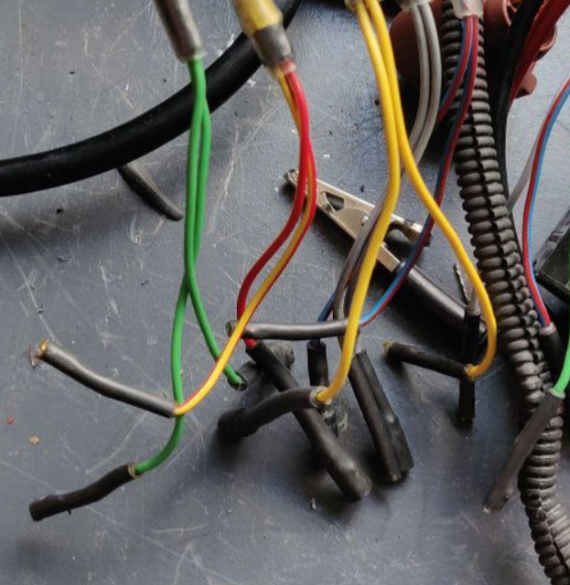 | 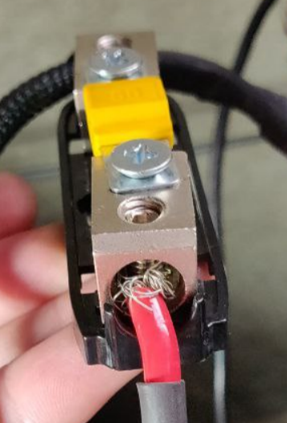
15 | Отсутствие специализированных кабелей. Переходники покрывают до 30% агрегатов. Для Flexray переходников и вовсе не существует. Лежит один переходник, думаю он для FR агрегатов Цветовая маркировка проводов для успешного подключения пинами отсутствует. Для большей половины агрегатов также отсутствуют фото разъемов с распиновками |  | К любому агрегату есть возможность дополнительно приобрести кабель подключения с оригинальными разъемами, которые невозможно перепутать при поделючении агрегата
17 | 3 языка - турецкий, английский и арабский |  | Украинский, английский, китайский, немецкий, польский, португальский, русский, испанский, белорусский???
18 | Связь с программой иногда теряется, устройство при этом не выключает питание. В комплексе с отсутствием защит это просто опасно. |  | Контроллер должен отключать все выходы при выключении или потери связи с программой
19 | Отсутствие инструкции по эксплуатации
20 | Проблемы в работе с ПО при работе с внешним диагностическим сканером. Сканер и внутренняя диагностика мешают друг другу |  | Пины OBD должны физически отключаться и подключаться при входе во внутреннюю диагностику
21 | Прошивки EEPROM для VAG и всякие спецфункции могут не работать (например запись EEPROM в Passat B7). Это может превратить рейку в неремонтопригодную. This feature is in 'Beta' status. These functions may not work on some units. ZH Bilisim cannot be held liable in any way for any damages these functions might cause. Для Ford предупреждения не написано |  | Для таких процедур мы используем оборудование которое доказало свою надёжность. Для VAG ODIS Engineering, VCP, для Ford это UCDS
22
 | Golf 7 This feature is used only in Golf 7 motors with 3Q0/5Q0 909 144 to read/write the protected P-FLASH area. You can read the 0x0000-0xF000 range of the Program Flash file of the processor to convert 3Q/5Q or to modify the LHD/RHD flag while preserving the motor position sensor data. Make sure you are connected to the internet. Make sure there will be no power outages. Make sure no OBD device is connected to the system. Read the program flash with the READ P-FLASH button. Make sure to backup the original file just in case. After reading the flash, you can use the special functions to edit the file, or save the dump and work on the file manually and load the new file. Upload the file you have changed back to the processor with the WRITE P-FLASH button. Never upload a program flash file that you have read from one motor to another if you are not moving the board to the new motor. Close this menu after the process is complete, cut off and reapply the power, and flash with a normal software. This feature is in 'Beta' status. These functions may not work on some units. ZH Bilisim cannot be held liable in any way for any damages these functions might cause. | Не проверяли, уникальная функция
Впечатления по маркам:
 | MErcedes-Benz W205 (ME409) Сразу включается от нажатия connect, усиливает на около 30-50% мощности. Показывает VIN и момент. Отключенный датчик момента никак не влияет на зелёный руль. Ошибок уйма, встроенная диагностика их читает Mercedes-Benz W204/W212 (ME112) Не включилась от W212, руль зелёный От 4-matic включилась но состояние двигателя скачет между ON/OFF и рейка то включается то выключается. Руль синий. Вкл-выкл мотора не даст при необходимости прошить рейку |  |  | 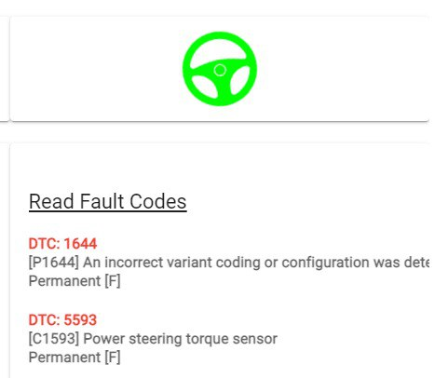
 | VAG Работает прошивка FLASH, работа с EEPROM VW413 считала микросхему но не записала. Мы удаляем ошибку которая требует перезаписи EEPROM откатом прошивки рейки до 1002 а потом прошивкаем нужную версию. Работает прошивка Porsche Macan |  | This feature is used only in Golf 7 motors with 3Q0/5Q0 909 144 to read/write the protected P-FLASH area. You can read the 0x0000-0xF000 range of the Program Flash file of the processor to convert 3Q/5Q or to modify the LHD/RHD flag while preserving the motor position sensor data. Make sure you are connected to the internet. Make sure there will be no power outages. Make sure no OBD device is connected to the system. Read the program flash with the READ P-FLASH button. Make sure to backup the original file just in case. After reading the flash, you can use the special functions to edit the file, or save the dump and work on the file manually and load the new file. Upload the file you have changed back to the processor with the WRITE P-FLASH button. Never upload a program flash file that you have read from one motor to another if you are not moving the board to the new motor. Close this menu after the process is complete, cut off and reapply the power, and flash with a normal software. This feature is in 'Beta' status. These functions may not work on some units. ZH Bilisim cannot be held liable in any way for any damages these functions might cause.
 | Kia/Huyndai Диагностика только внешняя, несколько программ которых должно хватить для запуска большинства не новых колонок и рейки Tucson 15-20. За CAN-FD попросило денег, про рейки Genesis и Sonata забудьте. Распиновка только на i20 09-12 и новый Tucson 20-
 | Lexus/Toyota Lexus нет в принципе, Toyota одна программа CAN которая запускает многие Toyota и одна CAN-FD за которую хотят денег. Диагностика только внешняя, распиновок нет
 | GM Заявленная Opel Astra K не включилась, небольшой выбор авто, старый Chevrolet Aveo, Cruze, Equinox при чем на последний на распиновке не тот блок. Opel больше, есть основные самые популярныч модели. На Astra и Insignia есть встроенная диагностика и работает прописывание VIN Opel Astra K (OP402) Диагностика только внешняя, в ней можно увидеть изменение оборов двигателя при нажатии на Test, рейка не включается и не усиливает
 | Ford Единственное что сделано хорошо, есть прошивка с программы, чтение и запись EEPROM, спецфункции по удалению ошибок, Torque emulator который на Explorer не заработал, фото распиновок (кроме Mondeo 4, там почему-то фото рейки с Mondeo 5, а должен быть насос)
 | BMW Есть диагностика для E, F, G серий, распиновка есть по сути только одна. Не уверен что оно включит новые рейки BMW IX 21-, Mini нет вообще
 | PSA Первое что сильно бесит отсутствие понимания как подключить агрегат и какой авто выбрать. Не понятно какой насос или рейку включает программа C4, у нас аж 6!! разных реек и насосов привязано к этому авто. То есть как подключить Хз, включилось/не включилось Хз, и в итоге агрегат не работает и совершенно непонятно подключился неправильно, коды не подошли или оно само по себе нерабочее. Диагностика если CAN то должна работать, K-Line же будет совсем непонятно что пошло не так.
 | RENAULT / NISSAN/INFINITI Infinity отстутствует. Коды насосов Duster, Dokker отсутствуют, может насос включится в аварии. Есть сброс VIN для стареньких колонок Modus, Clio, Megane и рейки более свежей рейки Talisman. Заявлено чтение ошибок с многих колонок. Распиновка есть только на Micra III (K12), Megane II. Заявлен запуск новенького Qashqai (21-) и KANGOO III (21-)
 | FCA (Fiat Chrysler Automobiles) Alfa romeo только не самые свежие GIULIETTA, Mito и заявлена GIULIA но там только один CAN id и есть сомнения что включиться. Dodge только рейки RAM 08-19 и Charger Chrysler только 300 (прошивка и диагностика) и насос Jeep только Cherokee насос и рейка. Насоса там два разных по кодам значит включится только один, и рейки тоже разные, хз что из них включится Fiat Egea вообще кажется другая машина чем Tipo, колонки со специфическим CAN хотят денег, остальные фиатики должны работать в том числе и диагностика Есть диагностика Iveco Daily Lancia отсутствует
 | Jaguar Land Rover Jaguar остутствует, диагностика только внешняя Есть только Evoque BJ32, EJ32, Gj32, JJ32 и просто Evoque. Не уверен что оно будет включать новые Velar, Vogue и Evoque L551 18- Про FlexRay речь вообще не идёт
 | Honda/Acura Acura отсутствует Honda есть Accord и Civic. Какие именно угадайте xD. Диагностика Honda только внешняя Honda Civic (HO417) Сразу включается от нажатия connect и, так как коды не полные, начинает чуть усиливать как на 80км/ч. Состояние двигателя в Live data всегда выключено что впрочем почему-то не помешало стереть ошибки, а должно.
 | Mazda Есть только 6 и 3. Сравнив коды выяснил что это насос Mazda 3 и рейка Mazda 6, старые но популярные, присутствует чтение ошибок. При нажатии connect сразу включится поэтому приготовьтесь что рейка поотбивает руки. Ну это если получится подключить блок используя кусок проводки с авто. Имитации датчика скорости руля на насос не будет
 | Mitsubishi Диагностика только внешняя и коды только Colt и Lancer который включит и большинство других Mitsubishi. При нажатии connect сразу включается
 | Suzuki Только внешняя диагностика Suzuki Swift (04-10), Splash (08-), Opel Agila B (08-) если у вас получится подключить рейку к блоку с кучей проводов то должна включиться. Baleno есть распиновка, должна работать. От неё должны включаться и другие свежие колонки от Suzuki
 | Subaru Только XV 18- и только внешняя диагностика. Более старые остальные рейки очень не уверен что включаться от XV
 | Tesla в турции не существует
 | Volvo рейка XC90, XC60 диагностика скорее всего не будет работать Насосы S40, V50, C30 хз может включится в аварии так как наш насос на єтом стенде пытался дрыгаться а потом совсем помер Следующее поколение насосов XC60, S60, S80, V60 до 14(дорест) года не включит, дальше под вопросом Volvo V40 12-19 должен включить
 | Общие впечатления 1. Угадай как подключить; 2. Угадай какую программу выбрать; 3. Исходя из п1-п2 угадай включится ли оно; 4. Что-то не стандартное CAN = дай денег; 5. На функциях прошивки кроме Ford написано "beta" и за результат производитель ответственности не несёт; 6. Где брать прошивки хз, можно попросить и тебе пришлют (для Porsche с переименованным расширением *.pdx в *.zhz) но не всё и то что и так бесплатно скачивается; 7. Ford сделан хорошо;

