Statistics
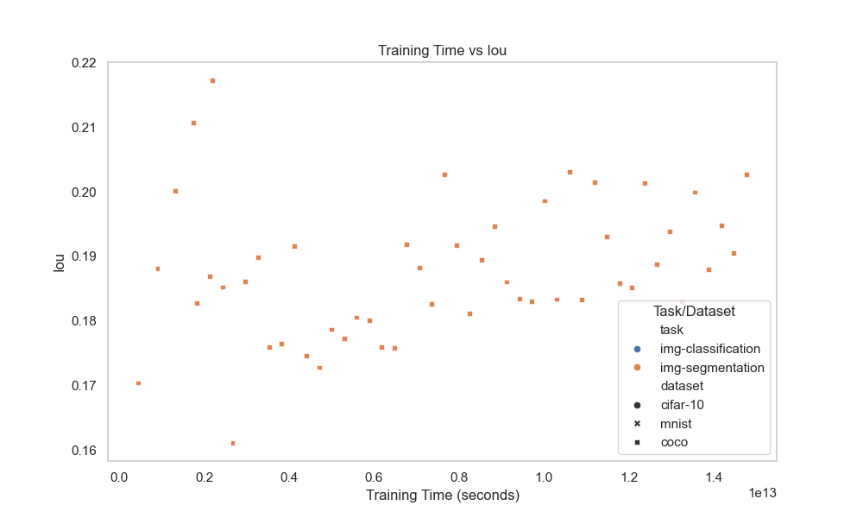
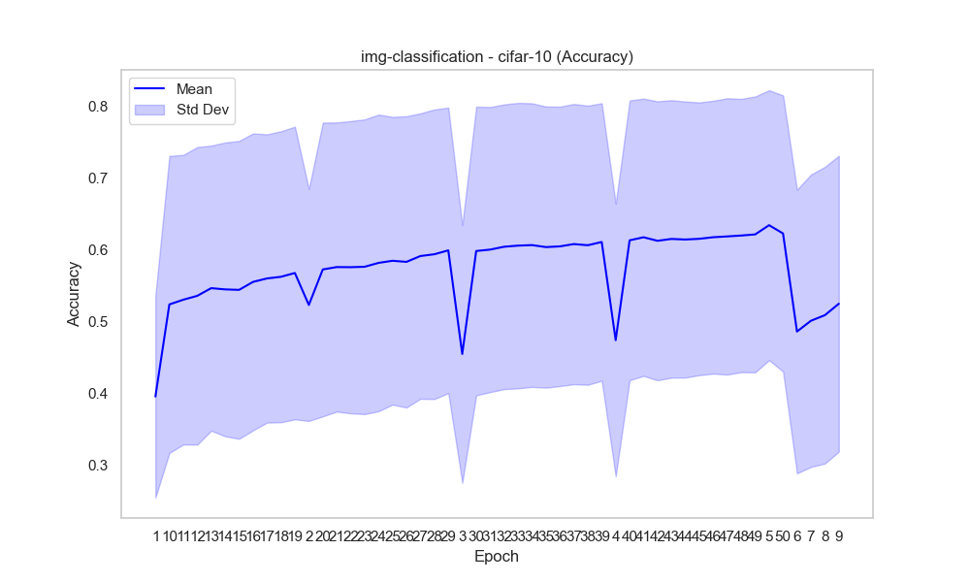
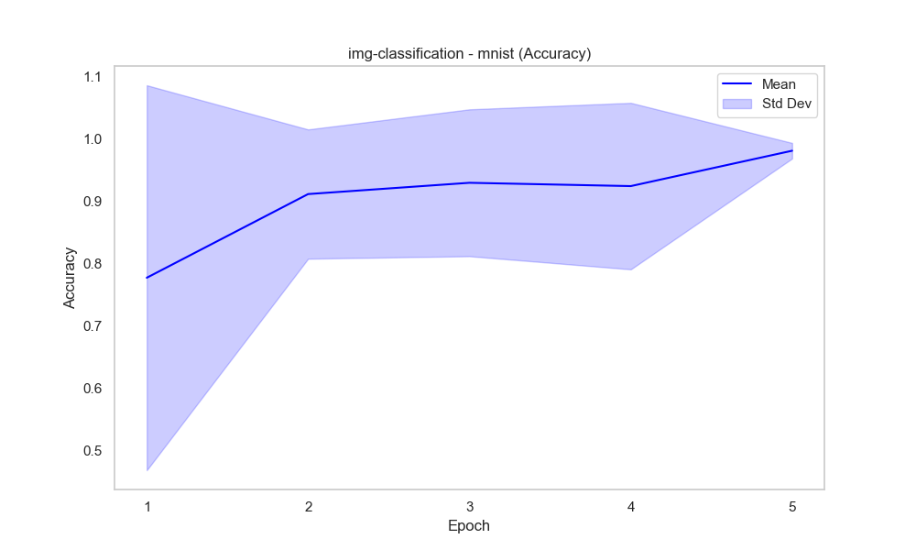
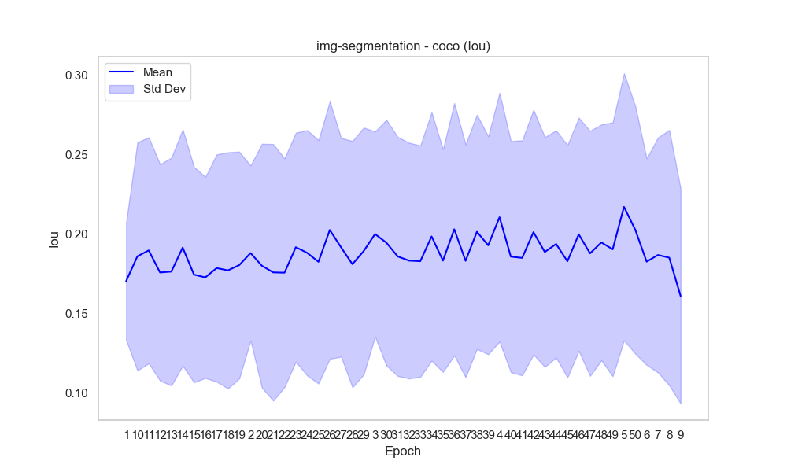
task | dataset | epoch | accuracy_mean | accuracy_std | duration | metric | iou_mean | iou_std | Mean and Std Dev
img-classification | cifar-10 | 1 | 0.39570251514 | 0.14065294281 | 1.4186317232E+11 | accuracy
img-classification | cifar-10 | 10 | 0.52381948052 | 0.20664628694 | 1.1276926933E+12 | accuracy
img-classification | cifar-10 | 11 | 0.53038 | 0.20151622428 | 1.2211785461E+12 | accuracy
img-classification | cifar-10 | 12 | 0.53577763158 | 0.20696693301 | 1.359519905E+12 | accuracy
img-classification | cifar-10 | 13 | 0.546476 | 0.19836659881 | 1.4433193799E+12 | accuracy
img-classification | cifar-10 | 14 | 0.54473866667 | 0.20440988624 | 1.5831635326E+12 | accuracy
img-classification | cifar-10 | 15 | 0.54408918919 | 0.20725679827 | 1.6383357642E+12 | accuracy
img-classification | cifar-10 | 16 | 0.55517972973 | 0.2065717932 | 1.7476711917E+12 | accuracy
img-classification | cifar-10 | 17 | 0.55998082192 | 0.20056218671 | 1.8610413954E+12 | accuracy
img-classification | cifar-10 | 18 | 0.5622739726 | 0.2024572383 | 1.9705440573E+12 | accuracy
img-classification | cifar-10 | 19 | 0.56752876712 | 0.20359922266 | 2.0801330823E+12 | accuracy
img-classification | cifar-10 | 2 | 0.52302601331 | 0.16130879644 | 2.8170633698E+11 | accuracy
img-classification | cifar-10 | 20 | 0.57246849315 | 0.20437753592 | 2.1897704556E+12 | accuracy
img-classification | cifar-10 | 21 | 0.5758109589 | 0.20112294717 | 2.2997119026E+12 | accuracy
img-classification | cifar-10 | 22 | 0.57563239437 | 0.20336079182 | 2.4039462198E+12 | accuracy
img-classification | cifar-10 | 23 | 0.57622957746 | 0.20502471795 | 2.5135654143E+12 | accuracy
img-classification | cifar-10 | 24 | 0.58162253521 | 0.20638815664 | 2.6232442294E+12 | accuracy
img-classification | cifar-10 | 25 | 0.58454647887 | 0.20020926611 | 2.7326671527E+12 | accuracy |  |  | Box Plot
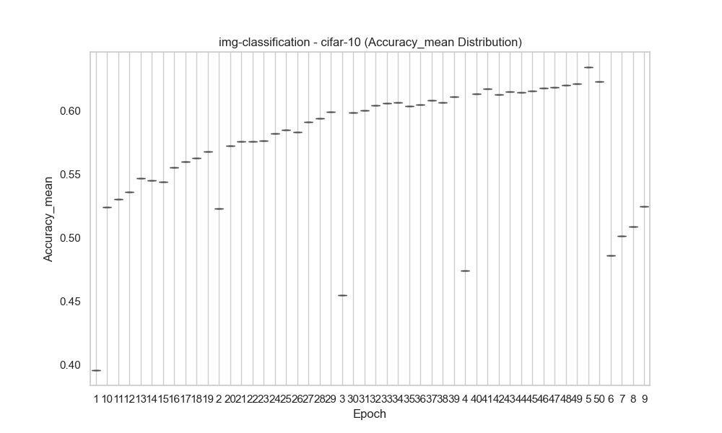
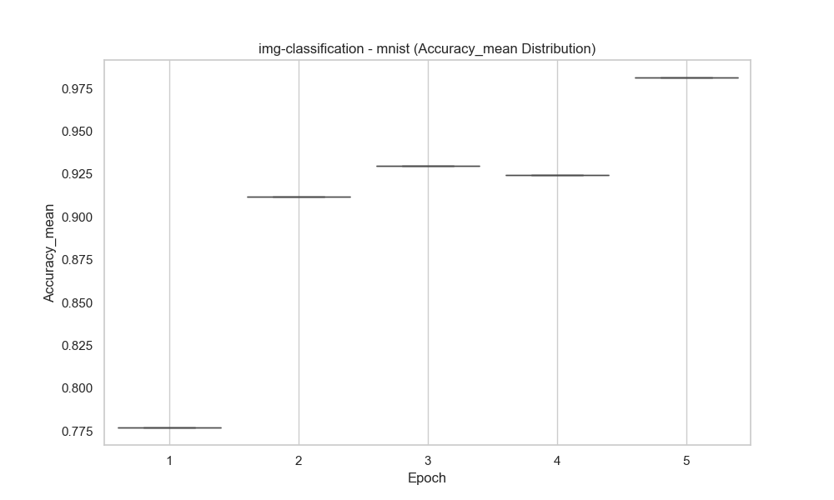
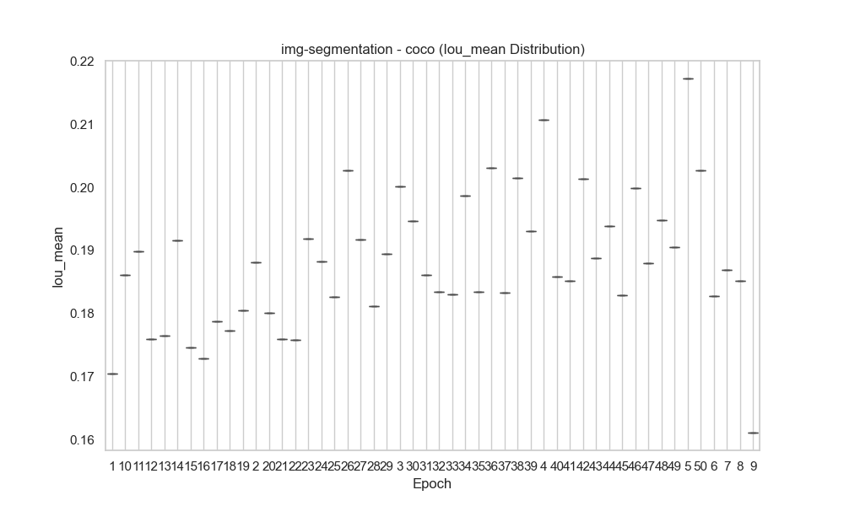
img-classification | cifar-10 | 26 | 0.58303521127 | 0.2026586152 | 2.842042368E+12 | accuracy
img-classification | cifar-10 | 27 | 0.59115211268 | 0.19859374387 | 2.9516800401E+12 | accuracy
img-classification | cifar-10 | 28 | 0.59363 | 0.20147486508 | 3.057450097E+12 | accuracy
img-classification | cifar-10 | 29 | 0.59904202899 | 0.19861614501 | 3.1784165298E+12 | accuracy
img-classification | cifar-10 | 3 | 0.45491479592 | 0.17928372368 | 3.8453635274E+11 | accuracy
img-classification | cifar-10 | 30 | 0.59816231884 | 0.20083672554 | 3.2880879943E+12 | accuracy
img-classification | cifar-10 | 31 | 0.60011594203 | 0.1983371451 | 3.3977213782E+12 | accuracy
img-classification | cifar-10 | 32 | 0.60407681159 | 0.19805604758 | 3.50752619E+12 | accuracy
img-classification | cifar-10 | 33 | 0.60564202899 | 0.19859963895 | 3.6174704765E+12 | accuracy
img-classification | cifar-10 | 34 | 0.60637101449 | 0.1973265844 | 3.7271474062E+12 | accuracy
img-classification | cifar-10 | 35 | 0.60359558824 | 0.19560117162 | 3.6877958509E+12 | accuracy
img-classification | cifar-10 | 36 | 0.60458676471 | 0.19441025624 | 3.7931488796E+12 | accuracy
img-classification | cifar-10 | 37 | 0.60778676471 | 0.19496634375 | 3.8985875152E+12 | accuracy
img-classification | cifar-10 | 38 | 0.60618529412 | 0.19420450543 | 4.0039473656E+12 | accuracy
img-classification | cifar-10 | 39 | 0.61068059701 | 0.19307008089 | 3.4685301069E+12 | accuracy
img-classification | cifar-10 | 4 | 0.47413705584 | 0.18972677615 | 5.3120934635E+11 | accuracy
img-classification | cifar-10 | 40 | 0.61300895522 | 0.19460083912 | 3.557208081E+12 | accuracy
img-classification | cifar-10 | 41 | 0.61726119403 | 0.19288301994 | 3.6461458567E+12 | accuracy |  |  | Rolling Mean
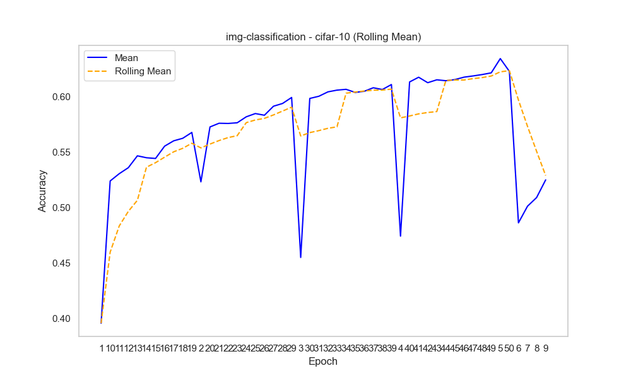
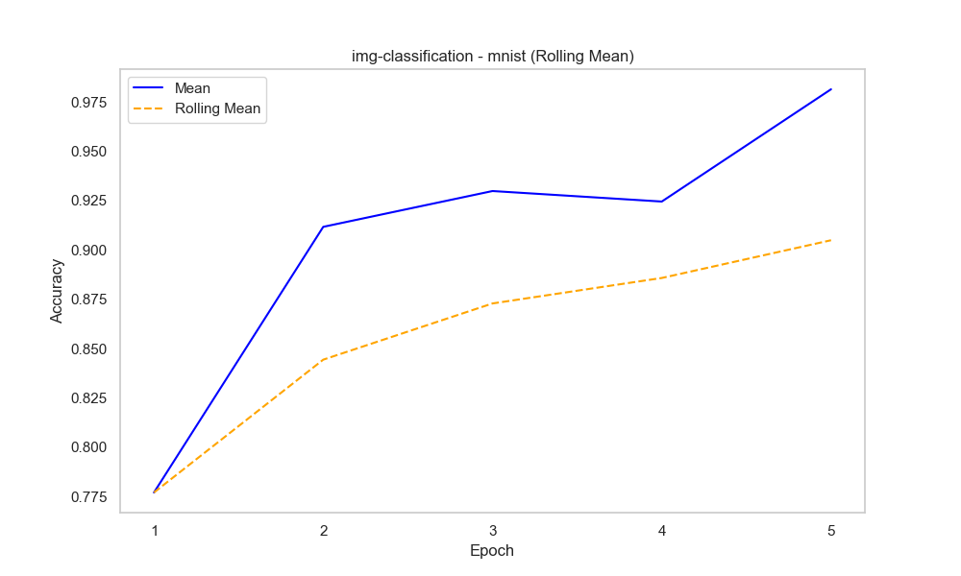
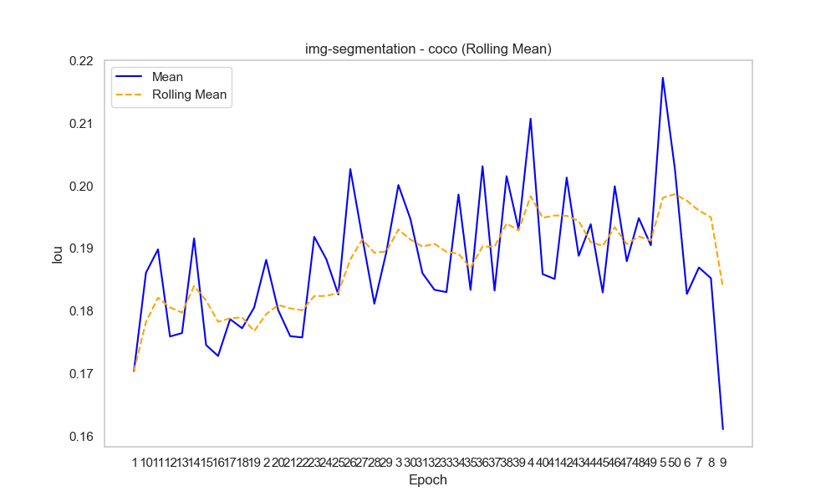
img-classification | cifar-10 | 42 | 0.61234179104 | 0.19406836904 | 3.7351781054E+12 | accuracy
img-classification | cifar-10 | 43 | 0.61494029851 | 0.19309367805 | 3.8238849219E+12 | accuracy
img-classification | cifar-10 | 44 | 0.61412089552 | 0.19202232236 | 3.9126808763E+12 | accuracy
img-classification | cifar-10 | 45 | 0.61514029851 | 0.18975487143 | 4.0013924479E+12 | accuracy
img-classification | cifar-10 | 46 | 0.61732238806 | 0.18985997537 | 4.0902618309E+12 | accuracy
img-classification | cifar-10 | 47 | 0.61843880597 | 0.19223252804 | 4.1791774381E+12 | accuracy
img-classification | cifar-10 | 48 | 0.61967761194 | 0.190140891 | 4.2681405302E+12 | accuracy
img-classification | cifar-10 | 49 | 0.62120895522 | 0.19192478698 | 4.3572173643E+12 | accuracy
img-classification | cifar-10 | 5 | 0.63405708529 | 0.18780022886 | 5.7876279154E+11 | accuracy
img-classification | cifar-10 | 50 | 0.62253731343 | 0.19217490915 | 4.4459626702E+12 | accuracy
img-classification | cifar-10 | 6 | 0.48609367089 | 0.19734416854 | 6.7438671274E+11 | accuracy
img-classification | cifar-10 | 7 | 0.50110506329 | 0.20342709833 | 7.8667915408E+11 | accuracy
img-classification | cifar-10 | 8 | 0.50887468354 | 0.20641246016 | 9.2724549401E+11 | accuracy
img-classification | cifar-10 | 9 | 0.52481038961 | 0.20588063774 | 9.9024068864E+11 | accuracy
img-classification | mnist | 1 | 0.77711 | 0.3095376712 | 1.548724969E+11 | accuracy
img-classification | mnist | 2 | 0.911675 | 0.1039321585 | 3.5205744318E+11 | accuracy
img-classification | mnist | 3 | 0.9298125 | 0.11809921298 | 5.1957216446E+11 | accuracy
img-classification | mnist | 4 | 0.9244875 | 0.13385837332 | 7.0296701855E+11 | accuracy
img-classification | mnist | 5 | 0.98135714286 | 0.012542840872 | 8.7628411385E+11 | accuracy
img-segmentation | coco | 1 |  |  | 4.5003099935E+11 | iou | 0.17044226208 | 0.036966758844
img-segmentation | coco | 10 |  |  | 2.9685835648E+12 | iou | 0.18612704128 | 0.071714083861 |  | Correlation Heatmap
img-segmentation | coco | 11 |  |  | 3.2654577537E+12 | iou | 0.18985007107 | 0.071064465942
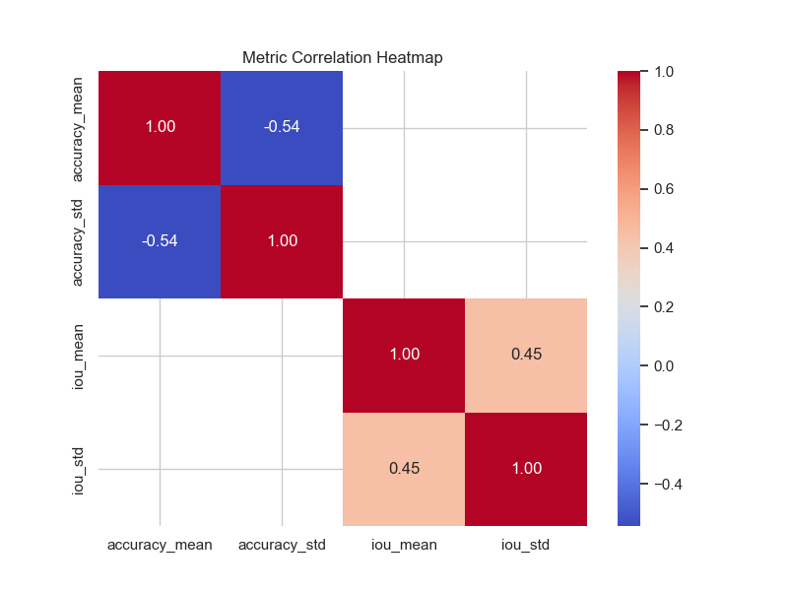
img-segmentation | coco | 12 |  |  | 3533963251235 | iou | 0.17595209181 | 0.06801957307
img-segmentation | coco | 13 |  |  | 3828652907036 | iou | 0.17650547065 | 0.071609259997
img-segmentation | coco | 14 |  |  | 4.1228330714E+12 | iou | 0.19160594232 | 0.07428610057
img-segmentation | coco | 15 |  |  | 4.4175588749E+12 | iou | 0.17459317483 | 0.067743574139
img-segmentation | coco | 16 |  |  | 4.7124077607E+12 | iou | 0.17284802347 | 0.063242018959
img-segmentation | coco | 17 |  |  | 5.0067840911E+12 | iou | 0.17872024328 | 0.071441902054
img-segmentation | coco | 18 |  |  | 5.3003377602E+12 | iou | 0.17727084644 | 0.074279598689
img-segmentation | coco | 19 |  |  | 5.5950645581E+12 | iou | 0.1805790402 | 0.071309513804
img-segmentation | coco | 2 |  |  | 9.0223767054E+11 | iou | 0.18817713291 | 0.055038708243
img-segmentation | coco | 20 |  |  | 5.8896678819E+12 | iou | 0.1801694762 | 0.07667292931
img-segmentation | coco | 21 |  |  | 6182734295294 | iou | 0.17600563541 | 0.080677292511
img-segmentation | coco | 22 |  |  | 6.4775596988E+12 | iou | 0.17580313236 | 0.071917698129
img-segmentation | coco | 23 |  |  | 6.7713186626E+12 | iou | 0.19185472839 | 0.071961205652
img-segmentation | coco | 24 |  |  | 7.0663447526E+12 | iou | 0.1882986147 | 0.077139707853
img-segmentation | coco | 25 |  |  | 7.3605262919E+12 | iou | 0.18266151287 | 0.076502917445
img-segmentation | coco | 26 |  |  | 7.6556736487E+12 | iou | 0.20266597718 | 0.080960762076
img-segmentation | coco | 27 |  |  | 7.9511719106E+12 | iou | 0.19173653424 | 0.06875768964
img-segmentation | coco | 28 |  |  | 8.2462550788E+12 | iou | 0.18118242919 | 0.07746239955
img-segmentation | coco | 29 |  |  | 8.5405861753E+12 | iou | 0.18944668025 | 0.077589820674
img-segmentation | coco | 3 |  |  | 1.3142432309E+12 | iou | 0.2001151572 | 0.064497372837
img-segmentation | coco | 30 |  |  | 8.83550663E+12 | iou | 0.19470789656 | 0.07726817403
img-segmentation | coco | 31 |  |  | 9.1300490056E+12 | iou | 0.1860596519 | 0.075137406037
img-segmentation | coco | 32 |  |  | 9.4256106492E+12 | iou | 0.18340423144 | 0.074120664767 |  | Time vs Accuracy
img-segmentation | coco | 33 |  |  | 9.7207385621E+12 | iou | 0.18303319439 | 0.072740243057
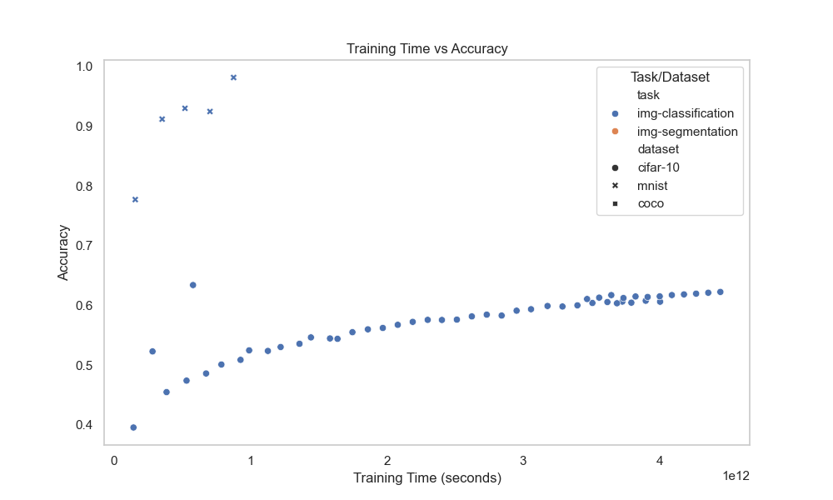
img-segmentation | coco | 34 |  |  | 1.0014985168E+13 | iou | 0.19860579818 | 0.078093133486
img-segmentation | coco | 35 |  |  | 1.0309757161E+13 | iou | 0.18339014426 | 0.070004452096
img-segmentation | coco | 36 |  |  | 1.0604356548E+13 | iou | 0.20312116481 | 0.079348946471
img-segmentation | coco | 37 |  |  | 1.0898430869E+13 | iou | 0.18328085728 | 0.073205715408
img-segmentation | coco | 38 |  |  | 1.1192850655E+13 | iou | 0.20153184235 | 0.073671394599
img-segmentation | coco | 39 |  |  | 1.1487881848E+13 | iou | 0.19303109869 | 0.068495431011
img-segmentation | coco | 4 |  |  | 1.7453173924E+12 | iou | 0.21070479681 | 0.078209270955
img-segmentation | coco | 40 |  |  | 1.1782250415E+13 | iou | 0.18590514921 | 0.072666404915
img-segmentation | coco | 41 |  |  | 1.2076338097E+13 | iou | 0.18513236567 | 0.073885621287
img-segmentation | coco | 42 |  |  | 1.2371093314E+13 | iou | 0.20131006464 | 0.076941363914
img-segmentation | coco | 43 |  |  | 1.2664229246E+13 | iou | 0.1888273973 | 0.072233318894
img-segmentation | coco | 44 |  |  | 1.2959012244E+13 | iou | 0.19387232699 | 0.071423774661
img-segmentation | coco | 45 |  |  | 1.3254366729E+13 | iou | 0.18298581615 | 0.073070225465
img-segmentation | coco | 46 |  |  | 1.3549649047E+13 | iou | 0.19993425719 | 0.073348787421
img-segmentation | coco | 47 |  |  | 1.388446915E+13 | iou | 0.18796428399 | 0.077008739212
img-segmentation | coco | 48 |  |  | 1.4180589982E+13 | iou | 0.19484281966 | 0.074150464734
img-segmentation | coco | 49 |  |  | 14475943991165 | iou | 0.19051316806 | 0.079811551483
img-segmentation | coco | 5 |  |  | 2.1896025998E+12 | iou | 0.21722742968 | 0.084013514985
img-segmentation | coco | 50 |  |  | 1.4771778885E+13 | iou | 0.20272965729 | 0.077831397571
img-segmentation | coco | 6 |  |  | 1.8281095718E+12 | iou | 0.18273571269 | 0.064906589077
img-segmentation | coco | 7 |  |  | 2.1322146486E+12 | iou | 0.18696253002 | 0.073854041125
img-segmentation | coco | 8 |  |  | 2.4369593588E+12 | iou | 0.18525274369 | 0.080300210512
img-segmentation | coco | 9 |  |  | 2671802437954 | iou | 0.16116055325 | 0.067603919551 |  | Time vs IoU

