Statistics
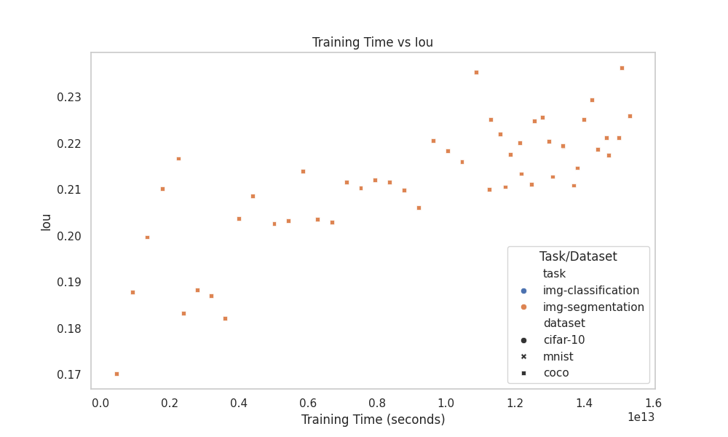
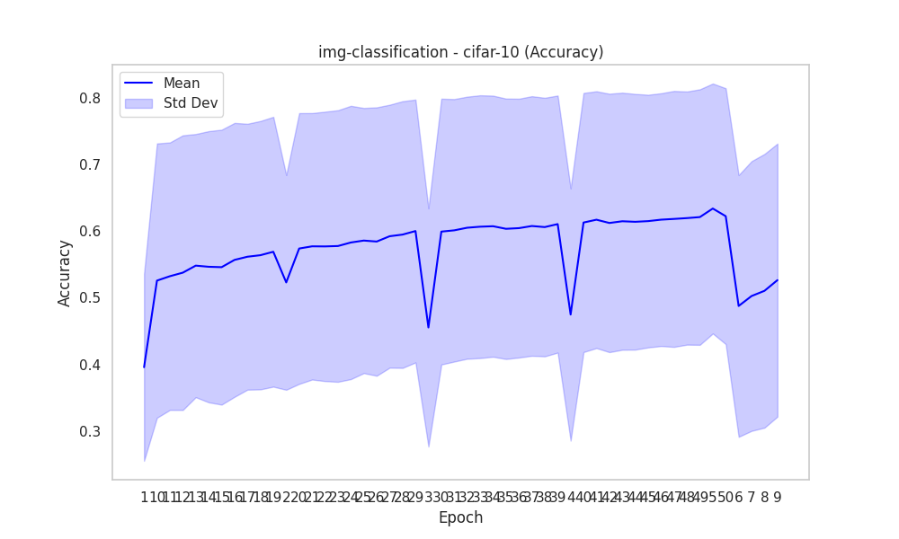
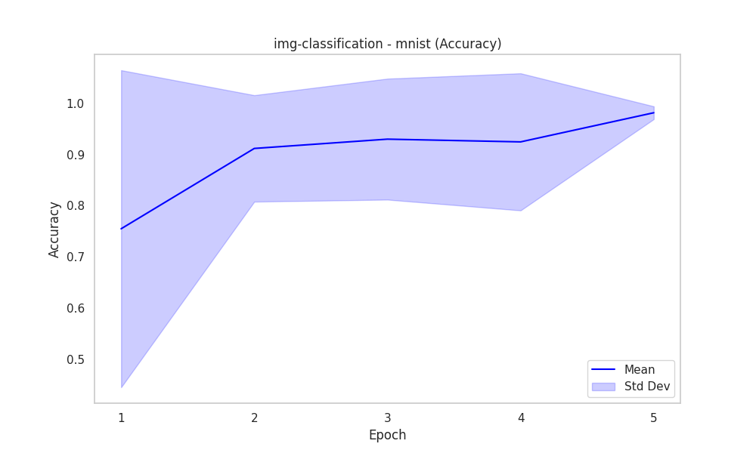
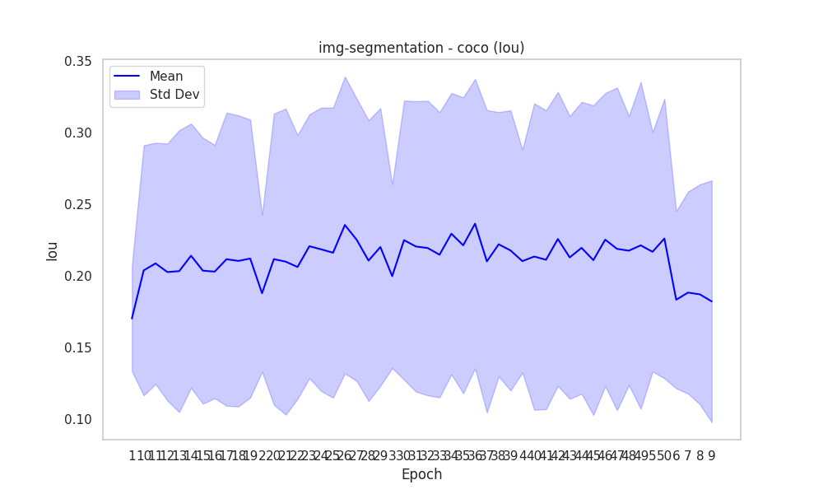
task | dataset | epoch | accuracy_mean | accuracy_std | duration | metric | iou_mean | iou_std | Mean and Std Dev
img-classification | cifar-10 | 1 | 0.39567295158 | 0.14062685843 | 1.4164569785E+11 | accuracy
img-classification | cifar-10 | 10 | 0.52577179487 | 0.20602283123 | 1.1135842899E+12 | accuracy
img-classification | cifar-10 | 11 | 0.53237631579 | 0.20092341617 | 1.2055038216E+12 | accuracy
img-classification | cifar-10 | 12 | 0.53770909091 | 0.20629818237 | 1.3422872625E+12 | accuracy
img-classification | cifar-10 | 13 | 0.54829078947 | 0.19767385541 | 1.4247925237E+12 | accuracy
img-classification | cifar-10 | 14 | 0.54656710526 | 0.20366730675 | 1.5628319192E+12 | accuracy
img-classification | cifar-10 | 15 | 0.54595066667 | 0.20648192341 | 1.6170333607E+12 | accuracy
img-classification | cifar-10 | 16 | 0.556896 | 0.20570896224 | 1.7249467914E+12 | accuracy
img-classification | cifar-10 | 17 | 0.56165945946 | 0.19970648388 | 1.8365141932E+12 | accuracy
img-classification | cifar-10 | 18 | 0.56393783784 | 0.20157456739 | 1.9445731265E+12 | accuracy
img-classification | cifar-10 | 19 | 0.56909864865 | 0.20265037406 | 2.0527174961E+12 | accuracy
img-classification | cifar-10 | 2 | 0.52302968561 | 0.16126006548 | 2.803471623E+11 | accuracy
img-classification | cifar-10 | 20 | 0.57397162162 | 0.20338431165 | 2.1609093216E+12 | accuracy
img-classification | cifar-10 | 21 | 0.57727162162 | 0.20013546886 | 2.2694012101E+12 | accuracy
img-classification | cifar-10 | 22 | 0.57713333333 | 0.20232484061 | 2.3713833367E+12 | accuracy
img-classification | cifar-10 | 23 | 0.57772222222 | 0.2039693751 | 2.4795173785E+12 | accuracy
img-classification | cifar-10 | 24 | 0.58303194444 | 0.20527822537 | 2.5877099371E+12 | accuracy
img-classification | cifar-10 | 25 | 0.58593194444 | 0.19914164668 | 2.6956499999E+12 | accuracy |  |  | Box Plot
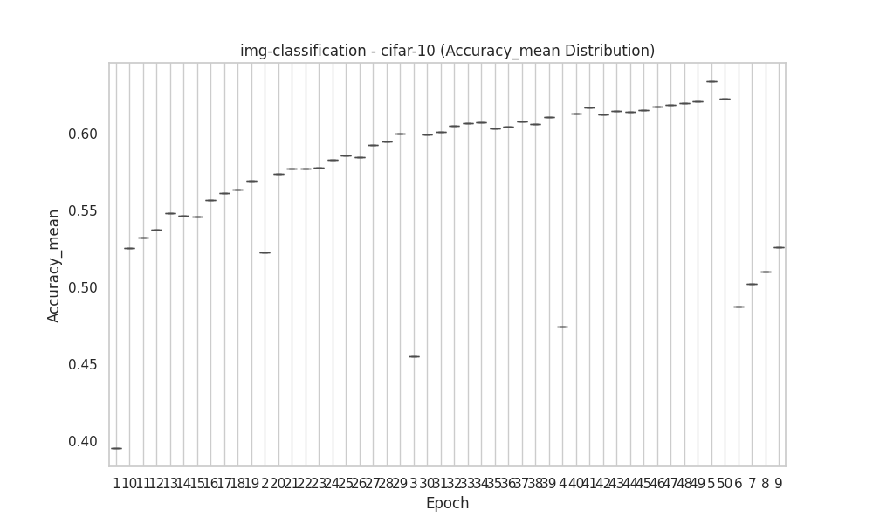
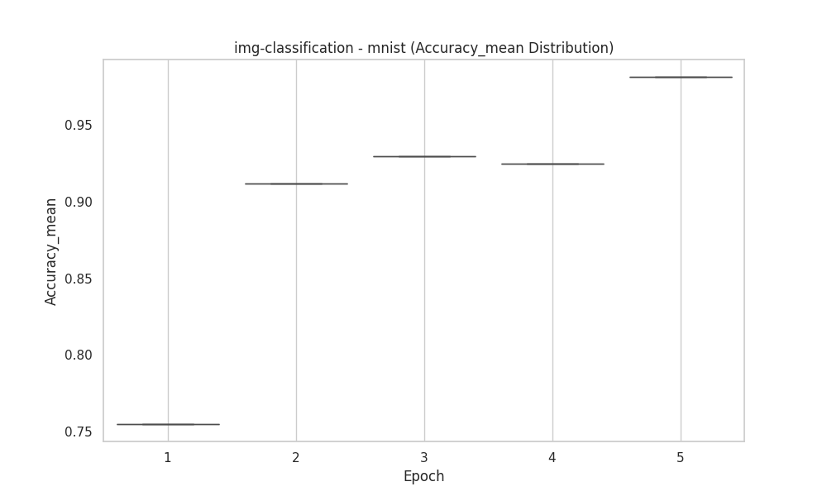
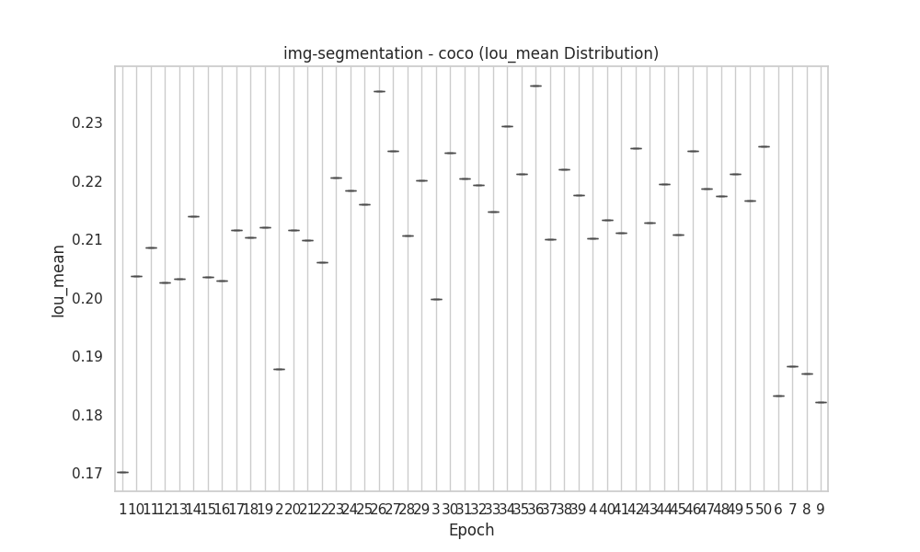
img-classification | cifar-10 | 26 | 0.58444722222 | 0.2015827576 | 2.8035434617E+12 | accuracy
img-classification | cifar-10 | 27 | 0.59243611111 | 0.19749099342 | 2.9116956468E+12 | accuracy
img-classification | cifar-10 | 28 | 0.59490704225 | 0.2003198024 | 3.0154507374E+12 | accuracy
img-classification | cifar-10 | 29 | 0.60025142857 | 0.19743110906 | 3.1341273441E+12 | accuracy
img-classification | cifar-10 | 3 | 0.45537614213 | 0.17894297971 | 3.8262745053E+11 | accuracy
img-classification | cifar-10 | 30 | 0.59938142857 | 0.19963680885 | 3.2422705093E+12 | accuracy
img-classification | cifar-10 | 31 | 0.60131285714 | 0.19714916954 | 3.3503759644E+12 | accuracy
img-classification | cifar-10 | 32 | 0.60521142857 | 0.1968446526 | 3.4586503412E+12 | accuracy
img-classification | cifar-10 | 33 | 0.60675857143 | 0.19737644933 | 3.5670623711E+12 | accuracy
img-classification | cifar-10 | 34 | 0.60747142857 | 0.19610769752 | 3.6752106777E+12 | accuracy
img-classification | cifar-10 | 35 | 0.60359558824 | 0.19560117162 | 3.6877958509E+12 | accuracy
img-classification | cifar-10 | 36 | 0.60458676471 | 0.19441025624 | 3.7931488796E+12 | accuracy
img-classification | cifar-10 | 37 | 0.60778676471 | 0.19496634375 | 3.8985875152E+12 | accuracy
img-classification | cifar-10 | 38 | 0.60618529412 | 0.19420450543 | 4.0039473656E+12 | accuracy
img-classification | cifar-10 | 39 | 0.61068059701 | 0.19307008089 | 3.4685301069E+12 | accuracy
img-classification | cifar-10 | 4 | 0.4748 | 0.18947439804 | 5.2858278123E+11 | accuracy
img-classification | cifar-10 | 40 | 0.61300895522 | 0.19460083912 | 3.557208081E+12 | accuracy
img-classification | cifar-10 | 41 | 0.61726119403 | 0.19288301994 | 3.6461458567E+12 | accuracy |  |  | Rolling Mean
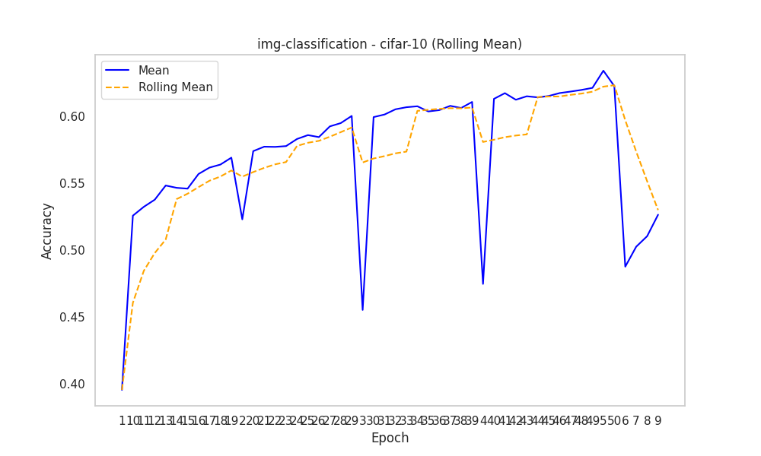
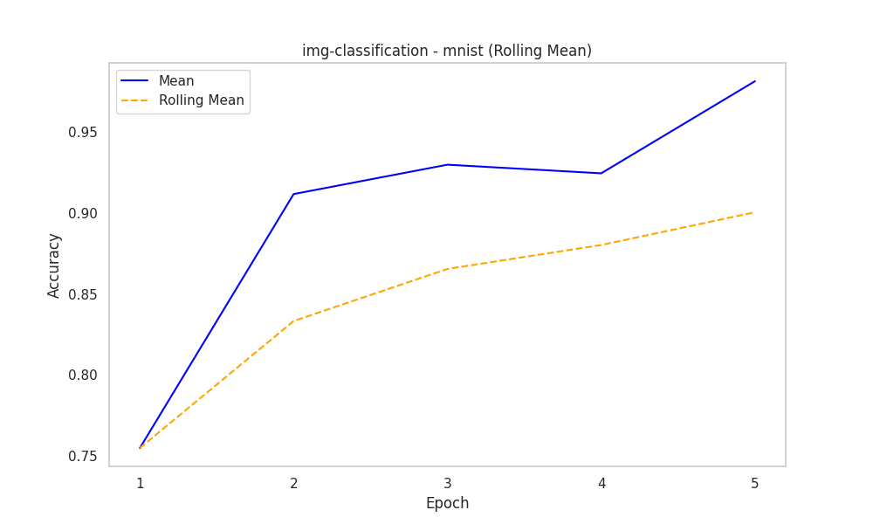
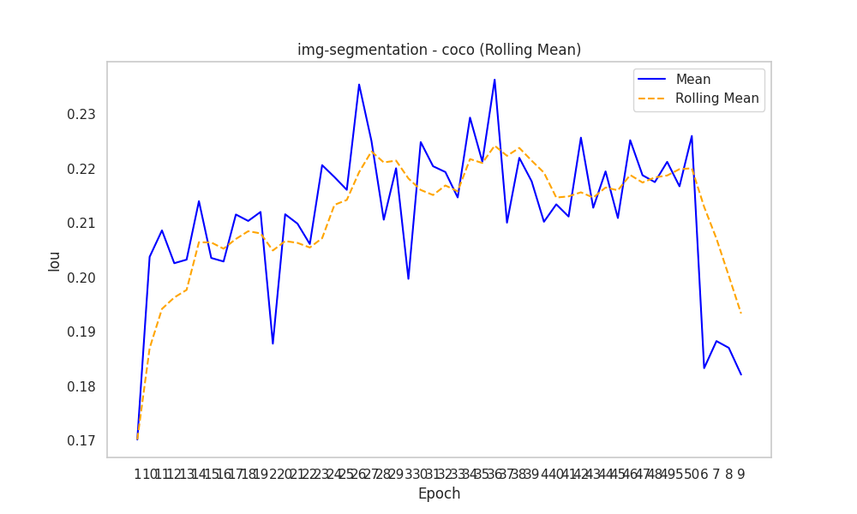
img-classification | cifar-10 | 42 | 0.61234179104 | 0.19406836904 | 3.7351781054E+12 | accuracy
img-classification | cifar-10 | 43 | 0.61494029851 | 0.19309367805 | 3.8238849219E+12 | accuracy
img-classification | cifar-10 | 44 | 0.61412089552 | 0.19202232236 | 3.9126808763E+12 | accuracy
img-classification | cifar-10 | 45 | 0.61514029851 | 0.18975487143 | 4.0013924479E+12 | accuracy
img-classification | cifar-10 | 46 | 0.61732238806 | 0.18985997537 | 4.0902618309E+12 | accuracy
img-classification | cifar-10 | 47 | 0.61843880597 | 0.19223252804 | 4.1791774381E+12 | accuracy
img-classification | cifar-10 | 48 | 0.61967761194 | 0.190140891 | 4.2681405302E+12 | accuracy
img-classification | cifar-10 | 49 | 0.62120895522 | 0.19192478698 | 4.3572173643E+12 | accuracy
img-classification | cifar-10 | 5 | 0.63404449664 | 0.18773778461 | 5.7588048723E+11 | accuracy
img-classification | cifar-10 | 50 | 0.62253731343 | 0.19217490915 | 4.4459626702E+12 | accuracy
img-classification | cifar-10 | 6 | 0.48767625 | 0.19660140955 | 6.6616338188E+11 | accuracy
img-classification | cifar-10 | 7 | 0.50261 | 0.20258317036 | 7.77085647E+11 | accuracy
img-classification | cifar-10 | 8 | 0.51045375 | 0.20558760179 | 9.1592845749E+11 | accuracy
img-classification | cifar-10 | 9 | 0.52648974359 | 0.20507641629 | 9.7786022683E+11 | accuracy
img-classification | mnist | 1 | 0.75485714286 | 0.30953071356 | 1.3129389381E+11 | accuracy
img-classification | mnist | 2 | 0.911675 | 0.1039321585 | 3.5205744318E+11 | accuracy
img-classification | mnist | 3 | 0.9298125 | 0.11809921298 | 5.1957216446E+11 | accuracy
img-classification | mnist | 4 | 0.9244875 | 0.13385837332 | 7.0296701855E+11 | accuracy
img-classification | mnist | 5 | 0.98135714286 | 0.012542840872 | 8.7628411385E+11 | accuracy
img-segmentation | coco | 1 |  |  | 4.5999242107E+11 | iou | 0.17018285945 | 0.036870947707
img-segmentation | coco | 10 |  |  | 3.9972077141E+12 | iou | 0.20378494387 | 0.0873031951 |  | Correlation Heatmap
img-segmentation | coco | 11 |  |  | 4.3967602863E+12 | iou | 0.20864631856 | 0.08421916777
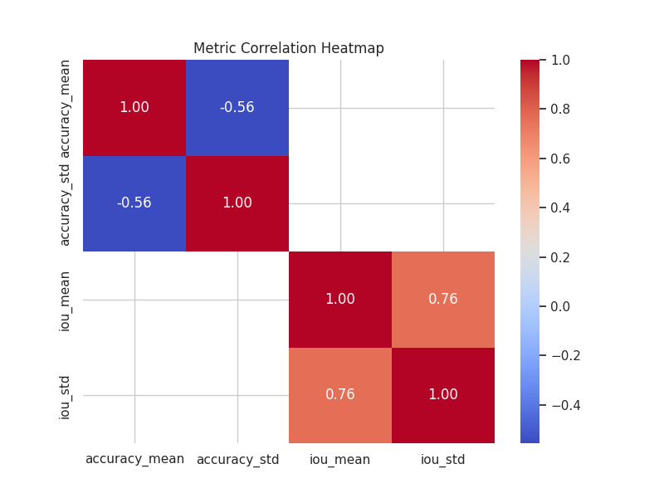
img-segmentation | coco | 12 |  |  | 5.0206030154E+12 | iou | 0.20261465758 | 0.089723003306
img-segmentation | coco | 13 |  |  | 5.4396647214E+12 | iou | 0.20326750576 | 0.098443384395
img-segmentation | coco | 14 |  |  | 5.8577779202E+12 | iou | 0.21403040886 | 0.092228316838
img-segmentation | coco | 15 |  |  | 6276335331130 | iou | 0.20357497036 | 0.09283620008
img-segmentation | coco | 16 |  |  | 6.6952017552E+12 | iou | 0.20292983651 | 0.088477663096
img-segmentation | coco | 17 |  |  | 7.1135108492E+12 | iou | 0.21157126427 | 0.10233308111
img-segmentation | coco | 18 |  |  | 7.5314554247E+12 | iou | 0.21038925499 | 0.10164126738
img-segmentation | coco | 19 |  |  | 7.9502757609E+12 | iou | 0.21204031408 | 0.097052711174
img-segmentation | coco | 2 |  |  | 9.2484822066E+11 | iou | 0.18781239556 | 0.054828343627
img-segmentation | coco | 20 |  |  | 8368929953138 | iou | 0.21161421686 | 0.10162440999
img-segmentation | coco | 21 |  |  | 8.7863532883E+12 | iou | 0.2098844409 | 0.10687661561
img-segmentation | coco | 22 |  |  | 9205105899913 | iou | 0.2061373502 | 0.092128977924
img-segmentation | coco | 23 |  |  | 9623351270376 | iou | 0.22065067738 | 0.092136940001
img-segmentation | coco | 24 |  |  | 1.0042714239E+13 | iou | 0.21845480055 | 0.098946745919
img-segmentation | coco | 25 |  |  | 1.0461040614E+13 | iou | 0.21611314863 | 0.10128879004
img-segmentation | coco | 26 |  |  | 1.0880022231E+13 | iou | 0.23548676372 | 0.1036051754
img-segmentation | coco | 27 |  |  | 1.1299395834E+13 | iou | 0.22512050569 | 0.098617415875
img-segmentation | coco | 28 |  |  | 11718271236171 | iou | 0.21061224341 | 0.098053864774
img-segmentation | coco | 29 |  |  | 1.2136763324E+13 | iou | 0.22008024156 | 0.096932150368
img-segmentation | coco | 3 |  |  | 1.3498206358E+12 | iou | 0.1997351536 | 0.064207963559
img-segmentation | coco | 30 |  |  | 1.2555601432E+13 | iou | 0.22489715815 | 0.09746193563
img-segmentation | coco | 31 |  |  | 1.2974289671E+13 | iou | 0.2204556182 | 0.10137620604
img-segmentation | coco | 32 |  |  | 1.3393641718E+13 | iou | 0.21938623637 | 0.10283998083 |  | Time vs Accuracy
img-segmentation | coco | 33 |  |  | 1.3812575691E+13 | iou | 0.21470752656 | 0.09958443763
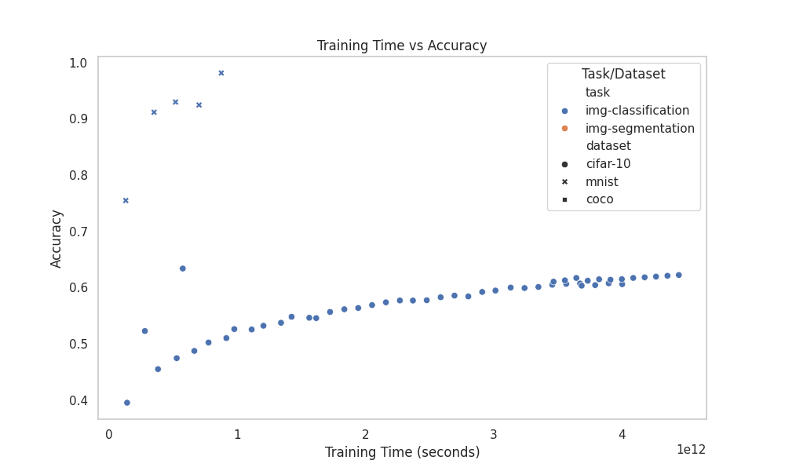
img-segmentation | coco | 34 |  |  | 1.4230950309E+13 | iou | 0.22939793468 | 0.098235234533
img-segmentation | coco | 35 |  |  | 1.4649951993E+13 | iou | 0.22128590941 | 0.10327976244
img-segmentation | coco | 36 |  |  | 1.5083736264E+13 | iou | 0.23637803644 | 0.10108521694
img-segmentation | coco | 37 |  |  | 1.1260895825E+13 | iou | 0.2100706415 | 0.10558610241
img-segmentation | coco | 38 |  |  | 1.1565086806E+13 | iou | 0.22199141979 | 0.092284282876
img-segmentation | coco | 39 |  |  | 1.1869946863E+13 | iou | 0.21768895454 | 0.097863475079
img-segmentation | coco | 4 |  |  | 1.792281688E+12 | iou | 0.21023771877 | 0.077868420597
img-segmentation | coco | 40 |  |  | 12174105762849 | iou | 0.21344164179 | 0.10697981781
img-segmentation | coco | 41 |  |  | 12478104119725 | iou | 0.21119743917 | 0.10436087346
img-segmentation | coco | 42 |  |  | 12782738037802 | iou | 0.22570968337 | 0.10265500153
img-segmentation | coco | 43 |  |  | 1.3085816584E+13 | iou | 0.21281858782 | 0.098720012236
img-segmentation | coco | 44 |  |  | 1.3390352749E+13 | iou | 0.21950401697 | 0.10186529302
img-segmentation | coco | 45 |  |  | 1.3695505749E+13 | iou | 0.21092122793 | 0.10814497538
img-segmentation | coco | 46 |  |  | 14000529518542 | iou | 0.22523759305 | 0.10232237434
img-segmentation | coco | 47 |  |  | 1.4397679048E+13 | iou | 0.21879529767 | 0.11263909124
img-segmentation | coco | 48 |  |  | 1.4704699206E+13 | iou | 0.21753467619 | 0.093979700161
img-segmentation | coco | 49 |  |  | 1.5010773352E+13 | iou | 0.22126050293 | 0.1141187503
img-segmentation | coco | 5 |  |  | 2.2488994E+12 | iou | 0.21675533021 | 0.083625284995
img-segmentation | coco | 50 |  |  | 1.5317779067E+13 | iou | 0.22602043487 | 0.097632061933
img-segmentation | coco | 6 |  |  | 2.3987357489E+12 | iou | 0.1833051083 | 0.061917429589
img-segmentation | coco | 7 |  |  | 2.7980040376E+12 | iou | 0.18828507016 | 0.070565943851
img-segmentation | coco | 8 |  |  | 3.1978945824E+12 | iou | 0.18704415113 | 0.076814324329
img-segmentation | coco | 9 |  |  | 3.597584389E+12 | iou | 0.18211881133 | 0.08444873575 |  | Time vs IoU

